OBC-1A
 |  | PT Cakrawala Bima Instrument |  |  |  |  |  | www.cbinstrument.com
 |  |  |  |  |  |  |  | info@cbinstrument.com
 |  | Kutawringin Industrial Park No. 259, Sukawangi Kaler, |  |  |  |  |  | (022) 73518599
 |  | Jelegong, Kec. Kutawaringin, Kabupaten Bandung, Jawa Barat 40911 |  |  |  |  |  | (022) 73513301

Kepada Yth, |  |  |  |  | PRICE QUOTE
 | PT Papyrus Sakti Bandung |  |  |  | Number | : | CQC07260411-c
 | Up. Ibu Novi |  |  |  | Date | : | 2026-08-10
 |  |  |  |  | Reff | : | Whatsapp
Telp: | +62 821-2969-4453 |  |  |  | Payment | : | DP 50%
 |  |  |  |  | Validity | : | 30 days
 |  |  |  |  | Currency | : | Rupiah

Ship via |  |  |  |  | Lead times |  | Validity Quotation
Send directly |  |  |  |  | 2- 4 weeks |  | 2026-09-09

No |  | Description |  |  | Qty | Unit | Price / unit | Amount

1 | ENVILIFE OBC-50 Fully Automatic Oxygen Bomb Calorific |  |  |  | 1 | Unit | Rp78,000,000 | Rp78,000,000

 | OBC-50, high-precision fully automatic calorimeter, touch screen operation. Using imported chips, the main control board comes with a built-in shielding box, which effectively resists interference and has excellent testing accuracy and stability in harsh usage scenarios.

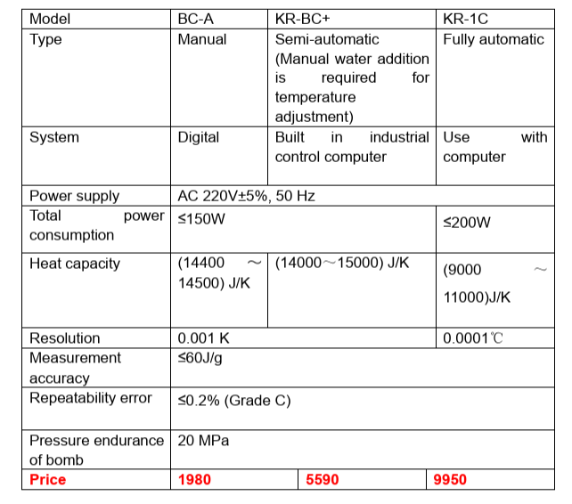

 |  |  |  |  |  |  |  |  | 2250
 |  |  |  |  |  |  |  |  | 41,625,000
 |  |  |  |  |  |  |  |  | 52,031,250

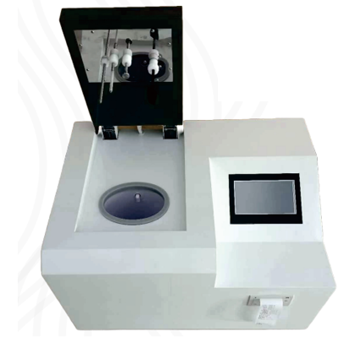
 |  |  |  |  |  |  |  |  | 78,046,875
 |  |  |  |  |  |  |  |  | 23,656,875
 |  |  |  |  |  |  |  |  | 73,000,000
 | Main Technical Parameters
 | Measurement Range |  | : | All solid & liquid fluels |  |  |  |  | 100-35000Kcal/kg
 | Temperature neasurement accuracy |  | : | ± 0.000 1 °C
 | Heat capacity |  | : | About 10300J/g
 | Outer Cylinder water Volume |  | : | 40L
 | Inner cylinder water volume |  | : | 2.5L
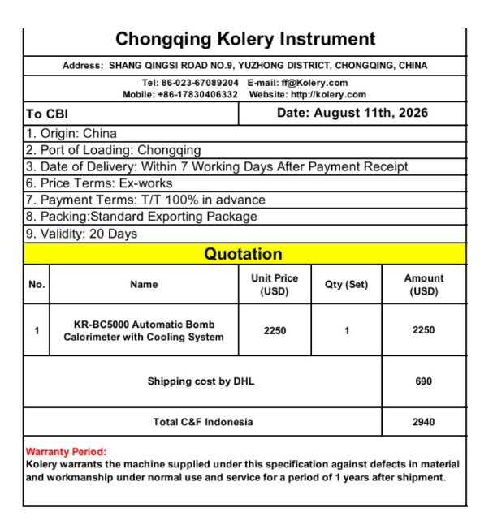
 | Test Time |  | : | 18 minutes, the test is completed and automatically retures
 | Weighing Quality |  | : | 0.6 - 1.1g
 | Maximum power |  | : | 360W
 | Voltage |  | : | 220V ± 10%
 | Ambient temperature |  | : | 0-40 °C
 | Enviromental humidity |  | : | ≤85% RH
 | Instrument weight & Size |  | : | 45KG, 49*69*46cm

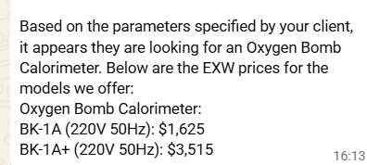
 |  |  |  |  |  |  | Sub Total | Rp78,000,000
 |  |  |  |  |  |  | PPN | Rp8,580,000
Notes and Intructions |  |  |  |  |  |  | Total | Rp86,580,000
- Franco Bandung Price (FOB) - Free training fee for Bandung area, outside Bandung borne by the buyer - Price include installation. If installation is required, please inquire for a survey - Price include accommodation and transportation - Warranty 1 year


Kind Regards, |  |  |  |  |  |  |  |  | 2940 | 54,390,000
PT. Cakrawala Bima Instrument |  |  |  |  |  |  |  |  |  | 81,585,000

Marketing Division
Djuhartono
HP. +62 8157113115

 |  |  |  |  |  |  |  | For any questions please contact us
 |  |  |  |  |  |  |  | Thank you for business with us

