cad5
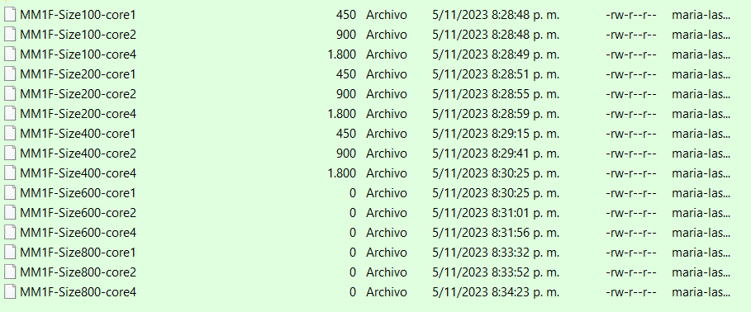
Name | Extension | Date accessed | Date modified | Date created | Folder Path
MM1F-Size100-core1 |  | 11/5/23 | 11/5/23 | 11/5/23 | D:\universidad\prueba2\cad5\
MM1F-Size100-core2 |  | 11/5/23 | 11/5/23 | 11/5/23 | D:\universidad\prueba2\cad5\
MM1F-Size100-core4 |  | 11/5/23 | 11/5/23 | 11/5/23 | D:\universidad\prueba2\cad5\
MM1F-Size200-core1 |  | 11/5/23 | 11/5/23 | 11/5/23 | D:\universidad\prueba2\cad5\
MM1F-Size200-core2 |  | 11/5/23 | 11/5/23 | 11/5/23 | D:\universidad\prueba2\cad5\
MM1F-Size200-core4 |  | 11/5/23 | 11/5/23 | 11/5/23 | D:\universidad\prueba2\cad5\
MM1F-Size400-core1 |  | 11/5/23 | 11/5/23 | 11/5/23 | D:\universidad\prueba2\cad5\
MM1F-Size400-core2 |  | 11/5/23 | 11/5/23 | 11/5/23 | D:\universidad\prueba2\cad5\
MM1F-Size400-core4 |  | 11/5/23 | 11/5/23 | 11/5/23 | D:\universidad\prueba2\cad5\
MM1F-Size600-core1 |  | 11/5/23 | 11/5/23 | 11/5/23 | D:\universidad\prueba2\cad5\
MM1F-Size600-core2 |  | 11/5/23 | 11/5/23 | 11/5/23 | D:\universidad\prueba2\cad5\
MM1F-Size600-core4 |  | 11/5/23 | 11/5/23 | 11/5/23 | D:\universidad\prueba2\cad5\
MM1F-Size800-core1 |  | 11/5/23 | 11/5/23 | 11/5/23 | D:\universidad\prueba2\cad5\
MM1F-Size800-core2 |  | 11/5/23 | 11/5/23 | 11/5/23 | D:\universidad\prueba2\cad5\
MM1F-Size800-core4 |  | 11/5/23 | 11/5/23 | 11/5/23 | D:\universidad\prueba2\cad5\

