cad6
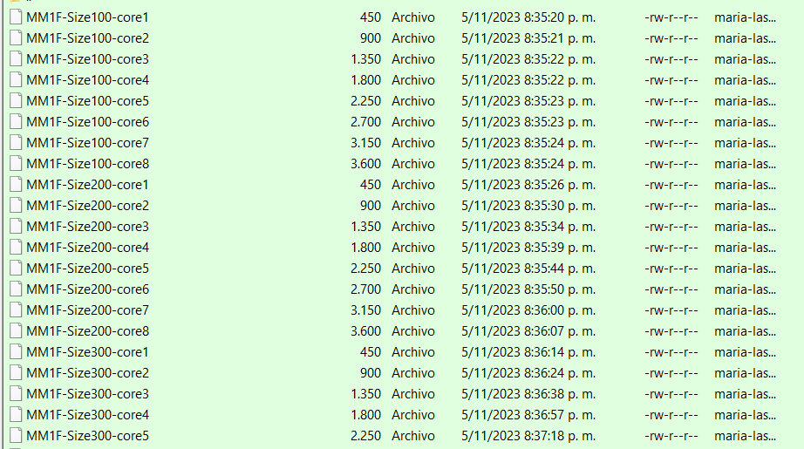
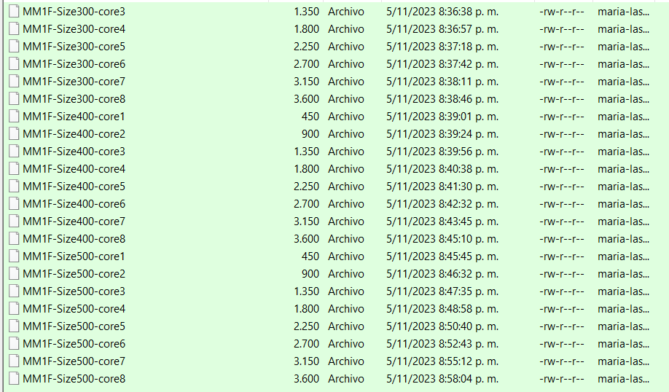
Name | Extension | Date accessed | Date modified | Date created | Folder Path
MM1F-Size100-core1 |  | 11/5/23 | 11/5/23 | 11/5/23 | D:\universidad\prueba2\cad6\
MM1F-Size100-core2 |  | 11/5/23 | 11/5/23 | 11/5/23 | D:\universidad\prueba2\cad6\
MM1F-Size100-core3 |  | 11/5/23 | 11/5/23 | 11/5/23 | D:\universidad\prueba2\cad6\
MM1F-Size100-core4 |  | 11/5/23 | 11/5/23 | 11/5/23 | D:\universidad\prueba2\cad6\
MM1F-Size100-core5 |  | 11/5/23 | 11/5/23 | 11/5/23 | D:\universidad\prueba2\cad6\
MM1F-Size100-core6 |  | 11/5/23 | 11/5/23 | 11/5/23 | D:\universidad\prueba2\cad6\
MM1F-Size100-core7 |  | 11/5/23 | 11/5/23 | 11/5/23 | D:\universidad\prueba2\cad6\
MM1F-Size100-core8 |  | 11/5/23 | 11/5/23 | 11/5/23 | D:\universidad\prueba2\cad6\
MM1F-Size200-core1 |  | 11/5/23 | 11/5/23 | 11/5/23 | D:\universidad\prueba2\cad6\
MM1F-Size200-core2 |  | 11/5/23 | 11/5/23 | 11/5/23 | D:\universidad\prueba2\cad6\
MM1F-Size200-core3 |  | 11/5/23 | 11/5/23 | 11/5/23 | D:\universidad\prueba2\cad6\
MM1F-Size200-core4 |  | 11/5/23 | 11/5/23 | 11/5/23 | D:\universidad\prueba2\cad6\
MM1F-Size200-core5 |  | 11/5/23 | 11/5/23 | 11/5/23 | D:\universidad\prueba2\cad6\
MM1F-Size200-core6 |  | 11/5/23 | 11/5/23 | 11/5/23 | D:\universidad\prueba2\cad6\
MM1F-Size200-core7 |  | 11/5/23 | 11/5/23 | 11/5/23 | D:\universidad\prueba2\cad6\
MM1F-Size200-core8 |  | 11/5/23 | 11/5/23 | 11/5/23 | D:\universidad\prueba2\cad6\
MM1F-Size300-core1 |  | 11/5/23 | 11/5/23 | 11/5/23 | D:\universidad\prueba2\cad6\
MM1F-Size300-core2 |  | 11/5/23 | 11/5/23 | 11/5/23 | D:\universidad\prueba2\cad6\
MM1F-Size300-core3 |  | 11/5/23 | 11/5/23 | 11/5/23 | D:\universidad\prueba2\cad6\
MM1F-Size300-core4 |  | 11/5/23 | 11/5/23 | 11/5/23 | D:\universidad\prueba2\cad6\
MM1F-Size300-core5 |  | 11/5/23 | 11/5/23 | 11/5/23 | D:\universidad\prueba2\cad6\
MM1F-Size300-core6 |  | 11/5/23 | 11/5/23 | 11/5/23 | D:\universidad\prueba2\cad6\
MM1F-Size300-core7 |  | 11/5/23 | 11/5/23 | 11/5/23 | D:\universidad\prueba2\cad6\
MM1F-Size300-core8 |  | 11/5/23 | 11/5/23 | 11/5/23 | D:\universidad\prueba2\cad6\
MM1F-Size400-core1 |  | 11/5/23 | 11/5/23 | 11/5/23 | D:\universidad\prueba2\cad6\
MM1F-Size400-core2 |  | 11/5/23 | 11/5/23 | 11/5/23 | D:\universidad\prueba2\cad6\
MM1F-Size400-core3 |  | 11/5/23 | 11/5/23 | 11/5/23 | D:\universidad\prueba2\cad6\
MM1F-Size400-core4 |  | 11/5/23 | 11/5/23 | 11/5/23 | D:\universidad\prueba2\cad6\
MM1F-Size400-core5 |  | 11/5/23 | 11/5/23 | 11/5/23 | D:\universidad\prueba2\cad6\
MM1F-Size400-core6 |  | 11/5/23 | 11/5/23 | 11/5/23 | D:\universidad\prueba2\cad6\
MM1F-Size400-core7 |  | 11/5/23 | 11/5/23 | 11/5/23 | D:\universidad\prueba2\cad6\
MM1F-Size400-core8 |  | 11/5/23 | 11/5/23 | 11/5/23 | D:\universidad\prueba2\cad6\
MM1F-Size500-core1 |  | 11/5/23 | 11/5/23 | 11/5/23 | D:\universidad\prueba2\cad6\
MM1F-Size500-core2 |  | 11/5/23 | 11/5/23 | 11/5/23 | D:\universidad\prueba2\cad6\
MM1F-Size500-core3 |  | 11/5/23 | 11/5/23 | 11/5/23 | D:\universidad\prueba2\cad6\
MM1F-Size500-core4 |  | 11/5/23 | 11/5/23 | 11/5/23 | D:\universidad\prueba2\cad6\
MM1F-Size500-core5 |  | 11/5/23 | 11/5/23 | 11/5/23 | D:\universidad\prueba2\cad6\
MM1F-Size500-core6 |  | 11/5/23 | 11/5/23 | 11/5/23 | D:\universidad\prueba2\cad6\
MM1F-Size500-core7 |  | 11/5/23 | 11/5/23 | 11/5/23 | D:\universidad\prueba2\cad6\
MM1F-Size500-core8 |  | 11/5/23 | 11/5/23 | 11/5/23 | D:\universidad\prueba2\cad6\

