Sheet1
TEMPLATE
My Last Name: | Hassan
My First Name: | Asma
Group #: | 1
Group Members | Gedon Zola
Group Members | Alan Zhang
Group Members | Zian Siddique
Date: | 1-Mar-19
Experiment: | Spectra on the Space Station

Observing the Effect of the Filters |  | start time | 11:30:00 | stop time

FFT of the sinewave from FG 2Vpp, offset 0V |  | What happens to the height of the FFT peak as the frequency changes?
 |  | ANSWER: | The peak remains the same
 | freq
 | Hz
 | 100
 | 200
 | 500
 | 1000
 | 2000

The values for the components that you found on the Space Station to build four filter circuits

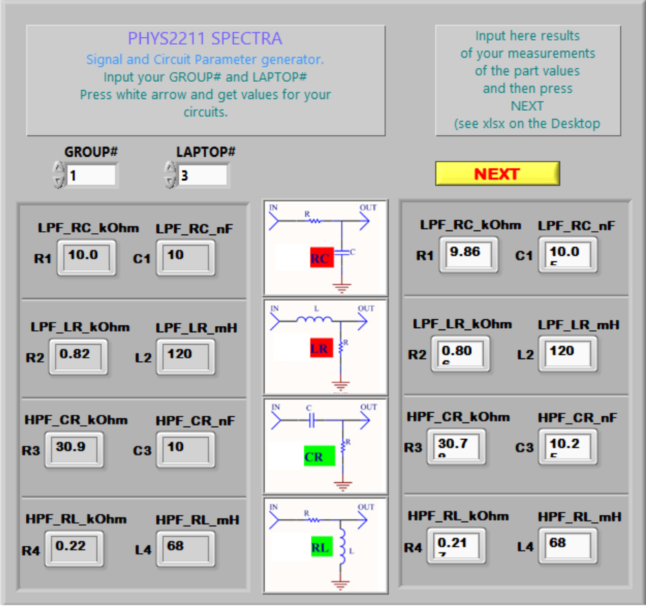
2019-XX-XX XX:XX LAPTOP# X GROUP# X | generated |  |  |  |  |  |  |  | <=INSERT YOUR OWN PICTURE
R1 LPF_RC_kOhm | 10
C1 LPF_RC_nF | 10
R2 LPF_LR_kOhm | 0.8
L2 LPF_LR_mH | 120
R3 HPF_CR_kOhm | 30.9
C3 HPF_CR_nF | 10
R4 HPF_RL_kOhm | 0.22
L4 HPF_RL_mH | 68

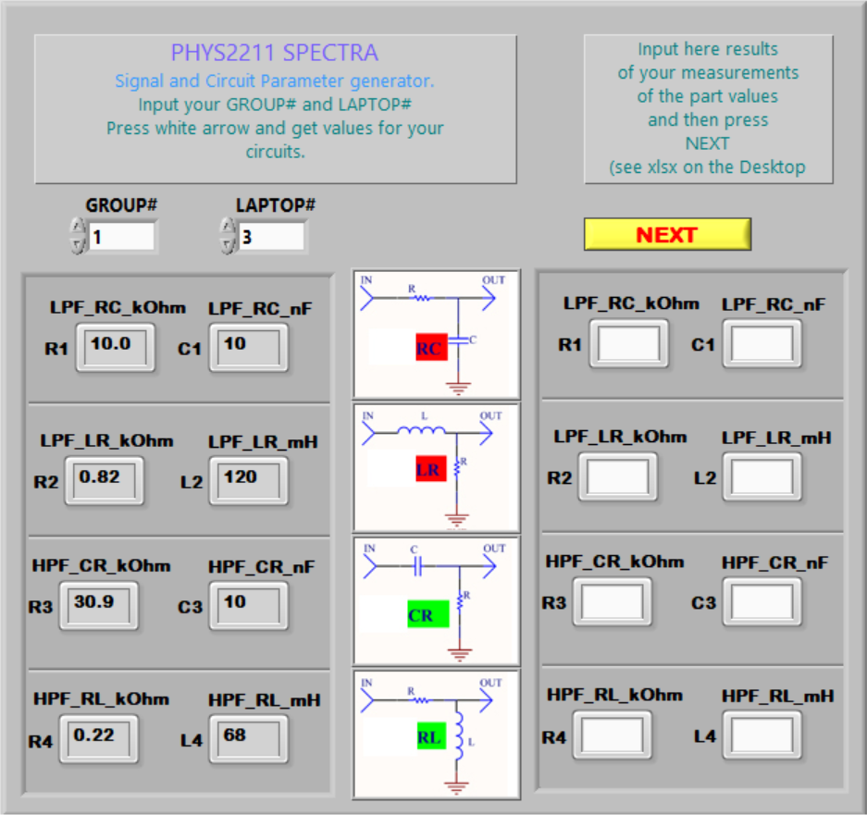

“dry run” by fast changing frequency in the range between 100 Hz and 2500 Hz.

What happens to the peak of the FFT as the frequency changes?
ANSWER:

Group Discussion Conclusion:
In which frequency range you can measure few points and in which one you need more points to catch curve parts of frequency response to measure the cutoff frequency.
Conclusion for R1C1 It was curve was
Conclusion for L2R2
Conclusion for C3R3
Conclusion for R4L4

In which amplitude range you can measure few points and in which one you need more points to catch curve parts of frequency response to measure the cutoff frequency.
Conclusion for R1C1
Conclusion for L2R2
Conclusion for C3R3
Conclusion for R4L4

Create a table of FFT peak height (Vout_dB/V) vs input frequency, for frequencies 100 Hz and 2500 Hz

 |  |  |  |  |  |  | C3R3 |  |  |  | R4L4
 |  | V_in | Gain |  | V_in | Gain | freq | V_out | V_in | Gain | freq | V_out | V_in | Gain
 |  | dB/V | dB |  | dB/V | dB | Hz | dB/V | dB/V | dB | Hz | dB/V | dB/V | dB
 | 1 | 2.59 | 0.3 |  | 2.59 | 1.2 | 100 | 2.59 | 2.59 |  | 100 | 10.5 | 2.59
 | 2 | 2.59 |  |  | 2.59 |  | 200 |  | 2.59 |  | 200 |  | 2.59
 | 3 | 2.59 | 1.6 |  | 2.59 | 2.36 | 400 | 2.99 | 2.59 |  | 400 | 8.59 | 2.59
 | 4 | 2.59 |  |  | 2.59 |  | 600 |  | 2.59 |  | 600 |  | 2.59
 | 5 | 2.59 |  |  | 2.59 |  | 800 |  | 2.59 |  | 800 |  | 2.59
 | 6 | 2.59 | 6.4 |  | 2.59 | 3.6 | 1000 | 4.29 | 2.59 |  | 1000 | 5.39 | 2.59
 | 7 | 2.59 |  |  | 2.59 |  | 1200 |  | 2.59 |  | 1200 |  | 2.59
 | 8 | 2.59 |  |  | 2.59 |  | 1400 |  | 2.59 |  | 1400 |  | 2.59
 | 9 | 2.59 |  |  | 2.59 | 5.6 | 1600 | 5.79 | 2.59 |  | 1600 | 4.19 | 2.59
 | 10 | 2.59 |  |  | 2.59 |  | 1800 |  | 2.59 |  | 1800 |  | 2.59
 | 11 | 2.59 |  |  | 2.59 |  | 2000 |  | 2.59 |  | 2000 |  | 2.59
 | 12 | 2.59 |  |  | 2.59 |  | 2100 |  | 2.59 |  | 2100 |  | 2.59
 | 13 | 2.59 |  |  | 2.59 |  | 2200 |  | 2.59 |  | 2200 |  | 2.59
 | 14 | 2.59 | 13.3 |  | 2.59 | 7.91 | 2300 | 8.19 | 2.59 |  | 2300 | 4.19 | 2.59
 | 15 | 2.59 |  |  | 2.59 |  | 2400 |  | 2.59 |  | 2400 |  | 2.59
 | 16 | 2.59 | 13.9 |  | 2.59 | 7.91 | 2500 | 8.19 | 2.59 |  | 2500 | 4.19 | 2.59

Analyzing the Data |  | start time | 13:00:00 AM | stop time

Calculate the frequency response 𝐺𝑎𝑖𝑛𝑑𝐵(𝑓)Gain_dB (f) for each filter: fillV_in and Gain columns above

Plot all four responses on the same graph.

Add clear legends

Plot -3 dB horizontal line

Make vertical lines at 400 Hz and 700Hz frequencies on your plot for filters |  | (can be done after Lab)

 | F cutoff | Selected pairs
 | Hz
R1C1
L2R2
C3R3
R4L4

The part below can be performed after Lab
Find out formula for the ideal LPF and HPF frequency responses

 |  | HPF_GAIN
 |  | dB
 | 1
 | 2
 | 3
 | 4
 | 5
 | 6
 | 7
 | 8
 | 9
 | 10
 | 11
 | 12
 | 13
 | 14
 | 15
 | 16

Conclude how far your filters from ideal one

 | freq | Gain |  | freq | Gain
 | Hz | dB |  | Hz | dB
 | 100 | 0 |  | 100 | 0
 | 400 | 1.2 |  | 400 | 1.16
 | 1000 | 6 |  | 1000 | 2.4
 | 1600 | 9.71 |  | 1600 | 4.4
 | 2300 | 12.91 |  | 2300 | 6.71
 | 2500 | 13.51 |  | 2500 | 6.71

 | freq | Gain |  | freq | Gain
 | Hz | dB |  | Hz | dB
 | 100 | 5.9 |  | 100 | 6.31
 | 400 | 5.2 |  | 400 | 4.4
 | 1000 | 3.2 |  | 1000 | 1.2
 | 1600 | 2.09 |  | 1600 | 0
 | 2300 | 0 |  | 2300 | 0
 | 2500 | 0 |  | 2500 | 0

