Sheet11
9:14AM | 9:15AM

 | Key Points:
 | Exactly at 9:15AM till 9:16AM - don’t take any trades till you are 100% confident
 | Understand the volume/order flow from Dhan DEXT. Research from internet (use Claude chrome ext if needed). Let me know if you don’t find.
 |  | Volume/Order flow is kind of indicator provided by Dhan that tell exactly each candle the buy sell volumes.
 | At 9:16AM - identify which stocks are bullish from
 |  |  | 1. List of stocks highly bullish probability
 |  |  | 2. MyWatchlist
 |  |  | 3. Board/Super Stocks/SuperStocks Lab

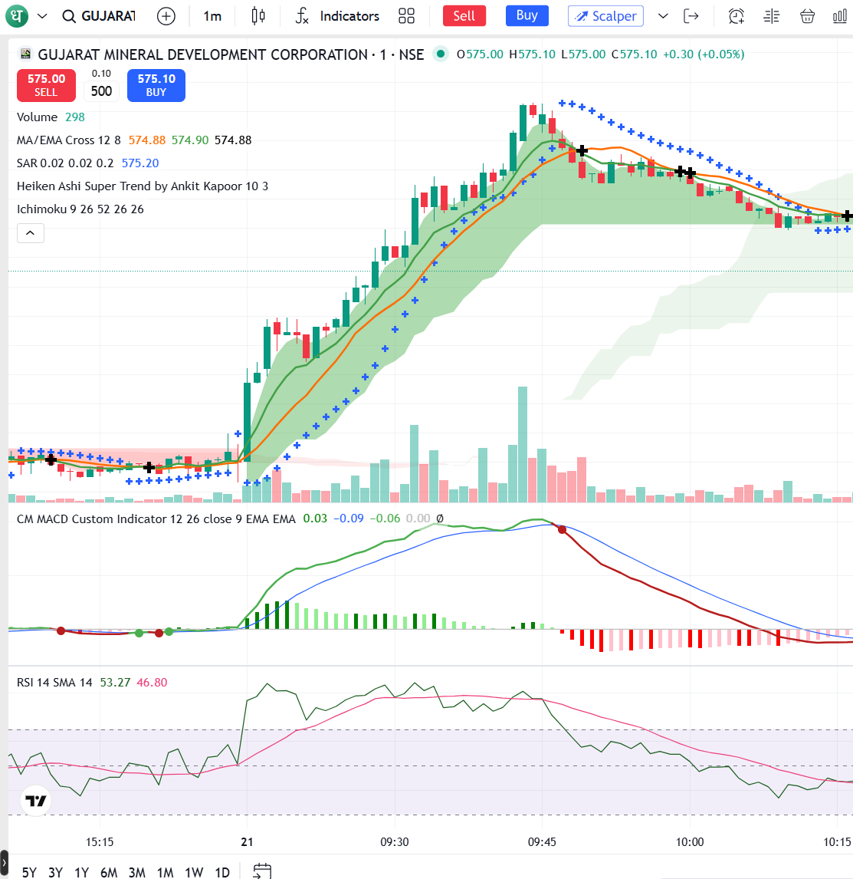
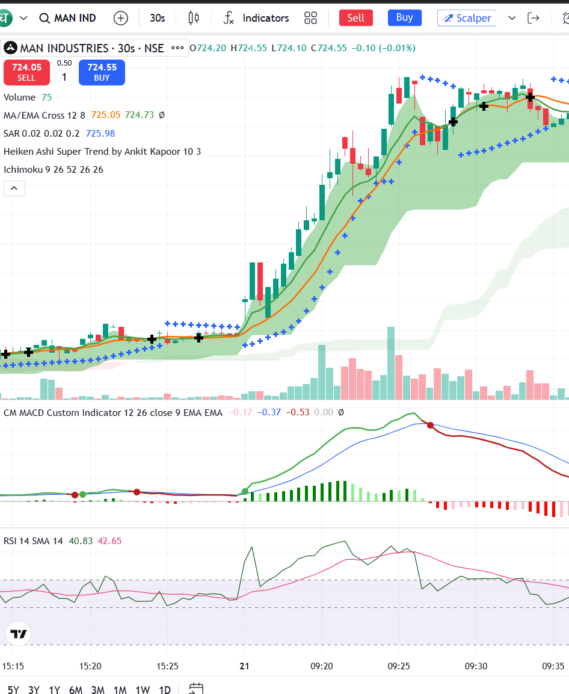
 | From 9:16AM onwards - can start taking as many trades as possible , but before that check
 |  | if bullish candle with volumees and price up - take trade
 |  | if dipping from 9:16AM or 9:16:30AM onwards - two possibilities
 |  |  |  | 1. Profit booking from highs, then wait for price up for long position
 |  |  |  | 2. Dip-ok to pull back, then wait for price up for long position
 |  |  |  | 3. Against market news - sometime news is good , but traders sell off - Avoid till you are confident of moving price up

 | See if Volumes profile indicators or information from Dhan is available to you that can help to take decisions along with price

 | You definetly need to identify unusual volume of stocks and keep monitoring those from geen candle jump
 | Sometime rare cases - with no reason - stocks jump

 | As a human, I use the below strategy to take entry in long positions. |  |  |  | (Refer screenshots pasted here - MAN Industires, Gurjarat Mineral stocks)
 | (YOU DON’T NEED TO FOLLOW MY STRATEGY- ITS UPTO YOU TO DECIDE - ALL I AM LOOKING IS PROFITS - IF YOU HAVE BETTER STRATEGY)
 | 1. EMA - 8 MA - 12:- When EMA crosses above MA , that’s my first singal
 | 2. If the distance between EMA and MA is more, I generally understands that stock is really bullish and mvoing up
 | 3. MACD crossover is another simultaneious signal that I consider. Most of the cases EMA/MA cross over and MACD crossover happens same time
 |  | If MACD cross over happens above 0 line, then I understan its strongest bullish stock that can rise high for sometime. And Viceversa
 | 4. RSI > 50 to 65 is one more singal I consider
 | 5. SAR dot below candle bar- If the distance between SAR dot and candle is high, then I consider strong bullish
 |  | If distance between 2 SAR dots is more, then II consider its strong bullish
 |  | As and when the SAR dot is nearing to candle, then I consider that stock is getting ready to dip (preliminary indication)
 |  | Moment when SAR dot touches red candle, automatically SAR dot shows on top of candle, Stock starts dipping, but you have decide
 |  | if its real dip or dip for sometime and buyers are in full control to buy and buyers waiting for dip to buy
 | 6. I also strongly rely on HOTT/LOTT indicator (tradingview.com) - if the candle crosses upper band and converts to cyan color,
 | there is high probability of stock going upper and upper.
 | 7. I also strongly rely on Consolidation zone indicatro (tradingview.com) - if the candles enter into this zone, for sometime stock fluctuates till
 | strock price exits from the zone. During exit of the zone, if the candle is near upper consolidation zone, high probability that stock bumps up.

 | My Exit Strategy:
 | If the candle crosses below EMA and closes, then I generally exit (You as AI need not follow same strategy).

 | Worth understanding bullish pattern of candles - Do internet research and take that knowledge to apply here (if needed) Not always booking knowledge is true

 | My Entry mistake that I do generally:
 | Taking a long trade when stock reached to max peak may not be worth. By that time volume buying ignition engine would have exhausted, traders might start profit booking
 | Always prefer to take entries near crossing MA/EMA , MACD & RSI
 | As an Intelligent AI - understanding and identifying right stocks and right timings of crossover, and right after crossover, you need to understand is it fake cross or real good cross

 | My observations in your trading strategy today:
 | Picking non-momentum stocks
 | Picking penny stocks (<Rs.20)
 | Picking non-volume stocks compared to other volume stocks
 | Picking stocks which are not in Board in bull category or bullish nature exhausted
 | Picking stocks when price is at peak and taking entry and then stock automatically gets into profit booking and suffering losses
 | Exit strategy is not clear and though profits are achieved, still holds stock

 | At 9:15AM or 9:16AM - if AI finds ~20 stocks which are bumping up, if AI's confidence is high with all the entry criteria succees
 | then no harm in taking trades of all (however, dhan trading charges are caveat) unless AI is extremely confident on the profit booking

 | My observations on trading session:
 | From 9:15AM till 9:45AM - Extremely high transactions happens on most of the stocks - BEST time to trade and get maximum profits
 | From (9:45AM till 10:30AM) - Traders start taking profits if stock goes too high or buys more if the stock dips too below. This is also time maximum profits can be made with pure monitoring of right stocks
 | Any candle if it shoots up extremely high (abnormally), high chance that next candle goes for profit booking.

