Sheet1
Test Case ID |  | TC_Practical-001 | Test Case Desc | Test the functuionality of calculaterapplication
Created By |  | priyal nimkar | Reviewed By | sejal dharmale |  | Version
Tester's Name |  |  | Date Tested |  |  | Test Case Status (Passed/Failed/NE)

# | Prerequisites: |  |  | # | Test Data
1 | Windows OS |  |  | 1
2 | Notepad appilcation |  |  | 2
3 |  |  |  | 3
4 |  |  |  | 4

Test Scenario | verify that the calculater perform all mathematical calculation.

Step # | Step Details |  | Expected Results | Actual Results |  |  | Pass / Fail / Not executed / Suspended
1 | Type "Notepad" in taskbar search box |  | Verify that you see this application icon
2 | Click on the notepad icon. |  | Verify that you see this application is oppend.
3 | Type "Hello" on the blanck tab. |  | Verify you are able to type on it.
4 | click on file menu. |  | Verify that you see multiple menu options as given
5 | i.Click on saves option ii. Give the name the file on dilog box. Iii. Then click on saves. |  | 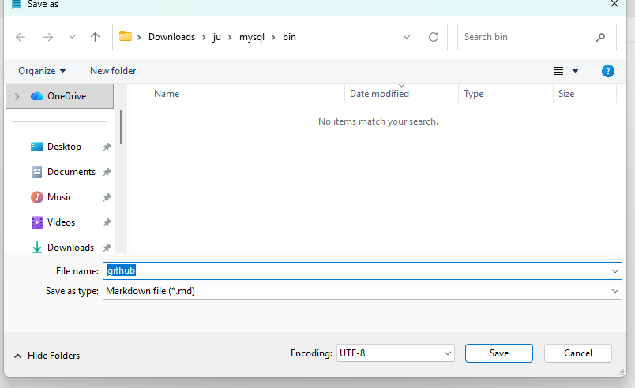 Verify you are able to see the save s option and diloug box to give name of file and save.
6 | i. select the content. Ii.Click on edit menu. Iii. Click on font option. |  | Verify that you see this tab
7 | Click on "formatting" and create a table. |  | Verify that the Table is create
8 | In that font section 1.Click on style select the font style e.g "bold italic". |  | Verify that you see the style of font changed.
9 | In the font section 1.click on size select font size eg."20". |  | verify that you see the size of font incresed.
10 | Click Edit->time/Date |  | Verify the current date and time inserted
11 | Click View->Zoom->Zoom in. |  | verify the page zoom in.
12 | Click View->Zoom->Zoom out. |  | Verify the page Zoom out.
13 | Click on Link icon showing in the top center |  | verify this tab shows
14 | In the link dialog box Enter the name of link"GitHub" and url addrees i.e. link of github.Then click insert. |  | verify this tab shows
15 | Click setting -> App Theme-> Click on Dark Theme. |  | Verify the Theme of notepad changed to dark.
16 | Click of H1(heading)->Title |  | Verify heading style text will shown.
17 | Click List option -> Bulletted list. |  | Verify that the bulletted list will shown.
18 | Click File -> New Tab |  | Verify that new tab will shown.
19 | Click Edit-> Go To ->Line number e.g 2 |  | Verify that cursor will go to the line number 2.
20 | close the Notepad Application. |  | Verify that the Notepad Application should be succesfully closed.

