Monthly Growth
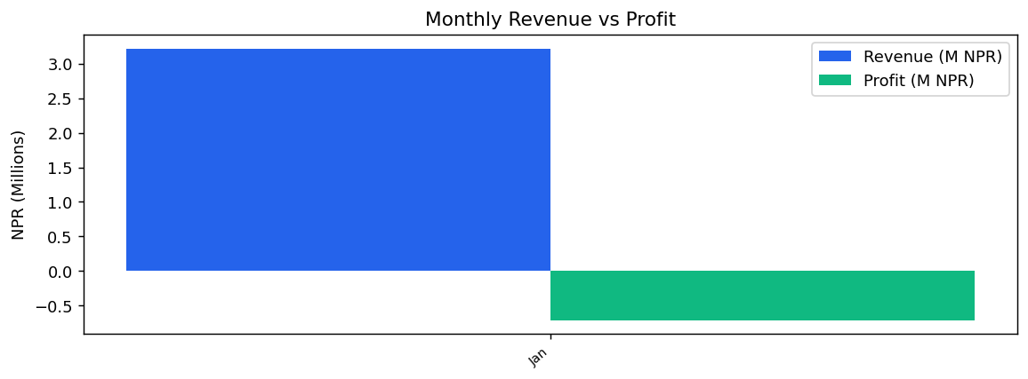
Monthly Growth
Nepal E-Commerce BI Report – Monthly
PeriodIndex | PeriodLabel | MonthRevenue | MonthProfit | RevGrowth | ProfGrowth
1 | Jan | 3221421 | -713038.73

Top Products
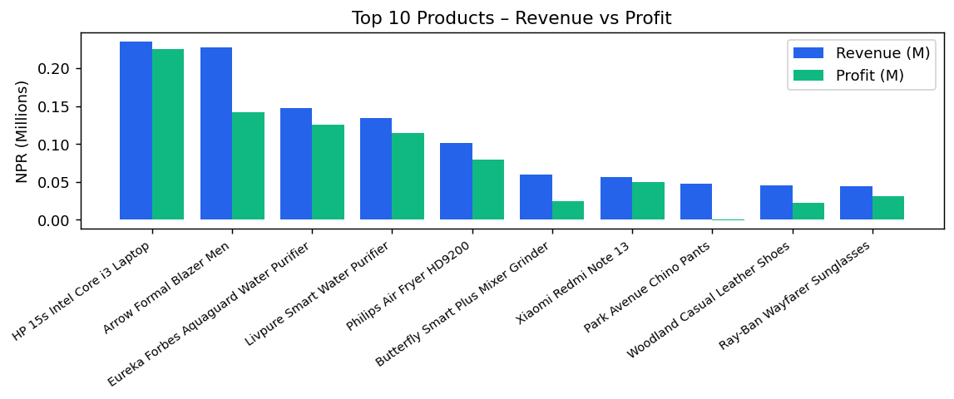
Top Products
Nepal E-Commerce BI Report – Monthly
ItemID | ItemName | Category | ProductQtySold | ProductRevenue | ProductProfit | ContribPct
ELEC011 | HP 15s Intel Core i3 Laptop | Electronics | 3 | 235014 | 225432.41 | 7.3
FASH015 | Arrow Formal Blazer Men | Grocery & Food | 27 | 227887 | 141652.71 | 7.07
HOME006 | Eureka Forbes Aquaguard Water Purifier | Home & Kitchen | 7 | 147490 | 125132.96 | 4.58
HOME012 | Livpure Smart Water Purifier | Home & Kitchen | 6 | 133744 | 114580.82 | 4.15
HOME005 | Philips Air Fryer HD9200 | Home & Kitchen | 7 | 101163 | 78805.96 | 3.14
HOME002 | Butterfly Smart Plus Mixer Grinder | Grocery & Food | 11 | 59223 | 24090.51 | 1.84
ELEC003 | Xiaomi Redmi Note 13 | Electronics | 2 | 56353 | 49965.27 | 1.75
FASH006 | Park Avenue Chino Pants | Fashion & Clothing | 15 | 47489 | -418.94 | 1.47
FASH007 | Woodland Casual Leather Shoes | Fashion & Clothing | 7 | 44719 | 22361.96 | 1.39
FASH014 | Ray-Ban Wayfarer Sunglasses | Fashion & Clothing | 4 | 44042 | 31266.55 | 1.37

Expenses
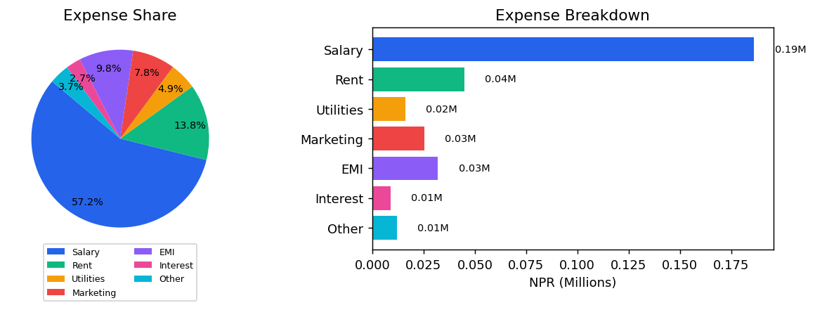
Expenses
Nepal E-Commerce BI Report – Monthly
Category | NPR
Salary | 186273
Rent | 45000
Utilities | 16035
Marketing | 25339
EMI | 32000
Interest | 8808
Other | 11940

Monthly Cash Flow
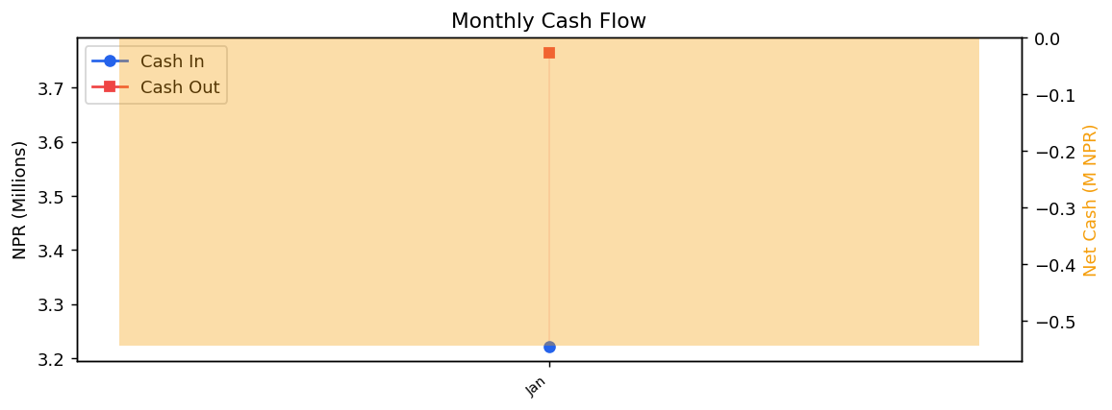
Monthly Cash Flow
Nepal E-Commerce BI Report – Monthly
PeriodIndex | PeriodLabel | CashIn | CashOut | NetCash
1 | Jan | 3221421 | 3765564 | -544143

Break-Even
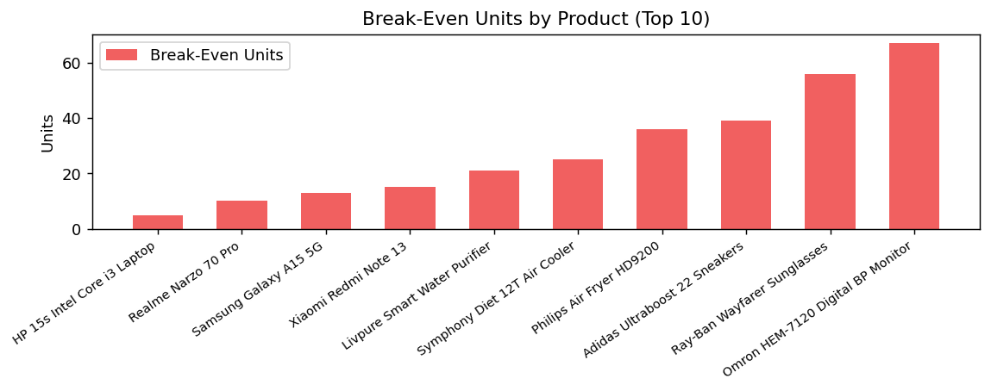
Break-Even
Nepal E-Commerce BI Report – Monthly
ItemID | ItemName | BreakEvenUnits | ContribPerUnit
ELEC011 | HP 15s Intel Core i3 Laptop | 5.44 | 59805.14
ELEC002 | Realme Narzo 70 Pro | 10.56 | 30805.14
ELEC001 | Samsung Galaxy A15 5G | 13.12 | 24805.14
ELEC003 | Xiaomi Redmi Note 13 | 15.27 | 21305.14
HOME012 | Livpure Smart Water Purifier | 21.26 | 15305.14
HOME011 | Symphony Diet 12T Air Cooler | 25.41 | 12805.14
HOME005 | Philips Air Fryer HD9200 | 36.96 | 8805.14
FASH010 | Adidas Ultraboost 22 Sneakers | 39.18 | 8305.14
FASH014 | Ray-Ban Wayfarer Sunglasses | 56.05 | 5805.14
HLTH008 | Omron HEM-7120 Digital BP Monitor | 67.72 | 4805.14
TOYZ001 | LEGO Classic Bricks Creative Box 484pcs | 67.72 | 4805.14
FASH009 | Titan Raga Ladies Watch | 67.72 | 4805.14
FASH015 | Arrow Formal Blazer Men | 85.51 | 3805.14
TOYZ005 | Fisher-Price Baby Activity Gym | 90.26 | 3605.14
SPRT007 | Strauss Adjustable Dumbbell 20kg Pair | 90.26 | 3605.14
SPRT009 | SG Cricket Bat English Willow Grade 2 | 98.45 | 3305.14
AUTO008 | Steelbird SBH-17 Full Face Helmet | 129.89 | 2505.14
FASH007 | Woodland Casual Leather Shoes | 154.57 | 2105.14
HLTH007 | Dr. Morepen Blood Pressure Monitor BP02 | 154.57 | 2105.14
SPRT004 | Li-Ning Badminton Racket G-Force 3700 | 154.57 | 2105.14

Reorder Alerts
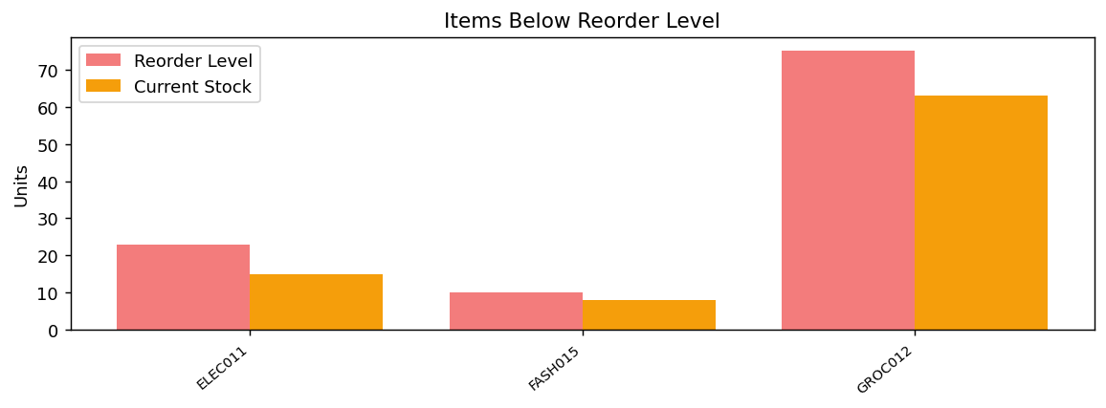
Reorder Alerts
Nepal E-Commerce BI Report – Monthly
ItemID | ItemName | ClosingStock | ReorderLevel
ELEC011 | HP 15s Intel Core i3 Laptop | 15 | 23.5
FASH015 | Arrow Formal Blazer Men | 8 | 10
GROC012 | Maggi 2-Minute Noodles 12 pack | 63 | 75

