Pen Parade
OOPG Pen's Parade - No-Addback Monthly Per-Capita Scenario

Pre poverty | Post poverty | Change | People pushed | Households pushed | Negative raw post | Pre welfare | OOPG | Raw post | Post floor
20.27% | 23.40% | 3.13% | 898,800 | 264 | 42 | pcep / 12 | (oopg / hhsize) / paasche | pre - OOPG | max(raw post, 0)
Percent | Percent | Percentage points | People | Households | Households | Monthly real PC NPR | Monthly real PC NPR | Monthly real PC NPR | Monthly real PC NPR

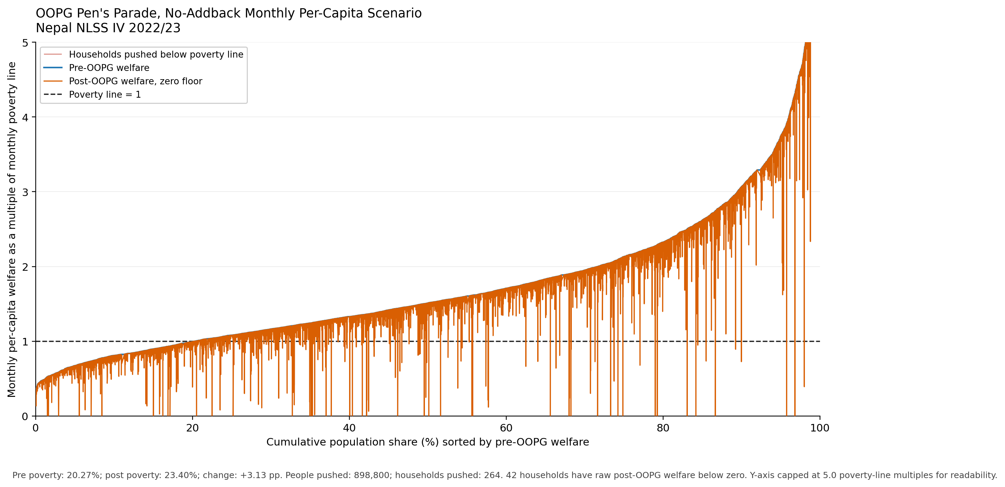

Poverty line=1 | rank | Pre-OOPG HH Consumption | Post-OOPG HH Consumption | psu_number | hh_number | pcep_mo_real | oopg_pc_mo_real | raw_post_oopg_mo_real | negative_raw_post_oopg
1.000 | 0.015 | 0.522 | 0.000 | 4320 | 10 | 3,170.51 | 3,929.37 | -758.87 | TRUE
1.000 | 0.016 | 0.532 | 0.000 | 4676 | 12 | 3,230.43 | 3,386.85 | -156.42 | TRUE
1.000 | 0.029 | 0.584 | 0.000 | 4275 | 12 | 3,547.03 | 4,817.69 | -1,270.65 | TRUE
1.000 | 0.056 | 0.691 | 0.000 | 4088 | 7 | 4,197.76 | 9,428.15 | -5,230.39 | TRUE
...

