Tools
...
 |  | Rate Limit Reset - Github - Time
 |  | {"resources":{"core":{"limit":60,"remaining":0,"reset":1709753793,"used":60,"resource":"core"},"graphql":{"limit":0,"remaining":0,"reset":1709756114,"used":0,"resource":"graphql"},"integration_manifest":{"limit":5000,"remaining":5000,"reset":1709756114,"used":0,"resource":"integration_manifest"},"search":{"limit":10,"remaining":10,"reset":1709752574,"used":0,"resource":"search"}},"rate":{"limit":60,"remaining":0,"reset":1709753793,"used":60,"resource":"core"}}
 |  | 2024-03-06 20:36:33
...
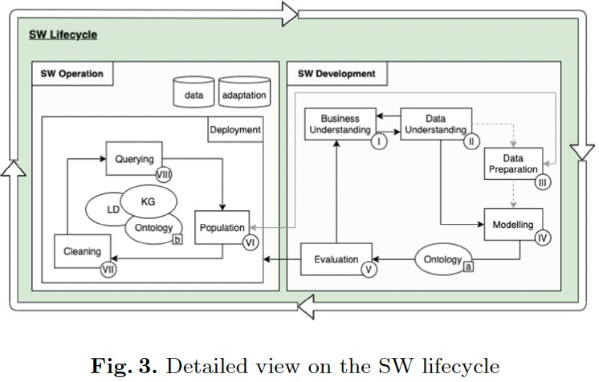
 |  | Link to document: https://docs.google.com/document/d/1DG7_jGO6tXxDTA5vTElpzgaVfGvPEEpD4S_OTG4ZFMQ/edit?usp=sharing
 | cf.: | Breit, Anna; Waltersdorfer, Laura; Ekaputra, Fajar J.; Miksa, Tomasz; Sabou, Marta (2022): A Lifecycle Framework for Semantic Web Machine Learning Systems. In Gabriele Kotsis, A. Min Tjoa, Ismail Khalil, Bernhard Moser, Alfred Taudes, Atif Mashkoor et al. (Eds.): Database and Expert Systems Applications - DEXA 2022 Workshops, vol. 1633. Cham: Springer International Publishing (Communications in Computer and Information Science), pp. 359–368.
 |  | https://zenodo.org/records/6504670
OC - Publication |  | https://kgdev.net/products/
OC - Maintenance
OC Use - API / Library
OC - Others
...

