Visualizations

01_val_psnr_AFG
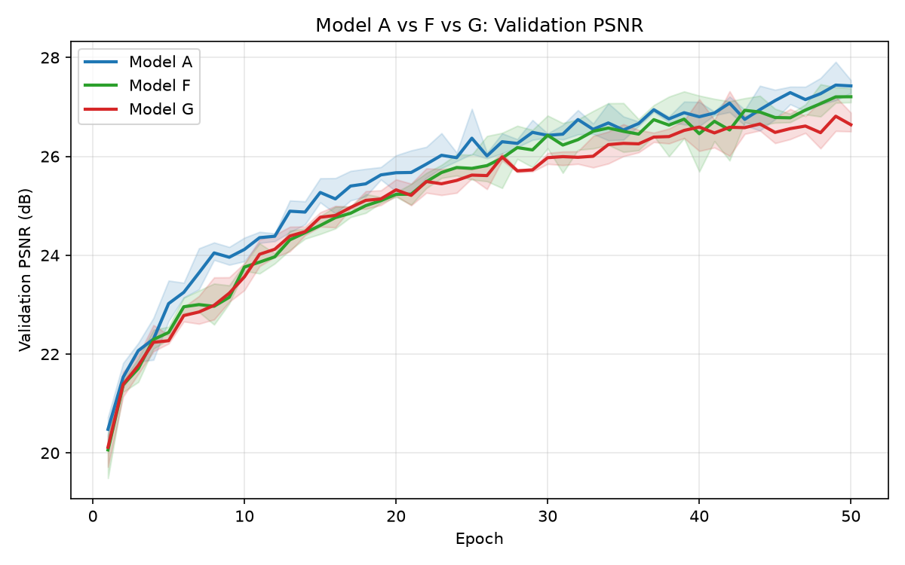

02_val_ssim_AFG
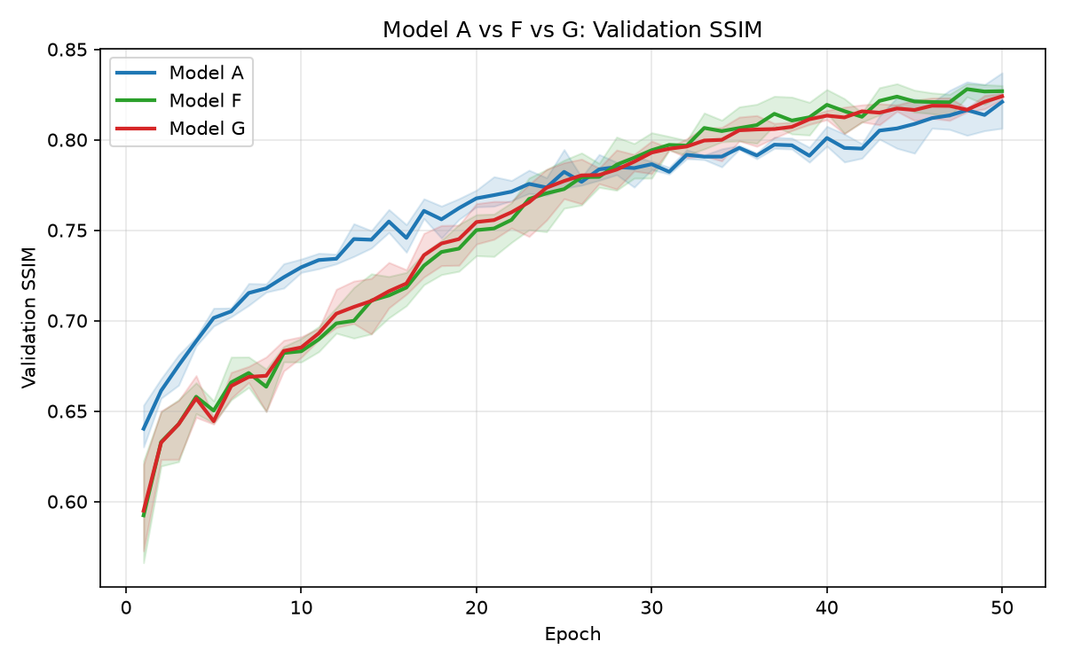

03_per_degradation_psnr
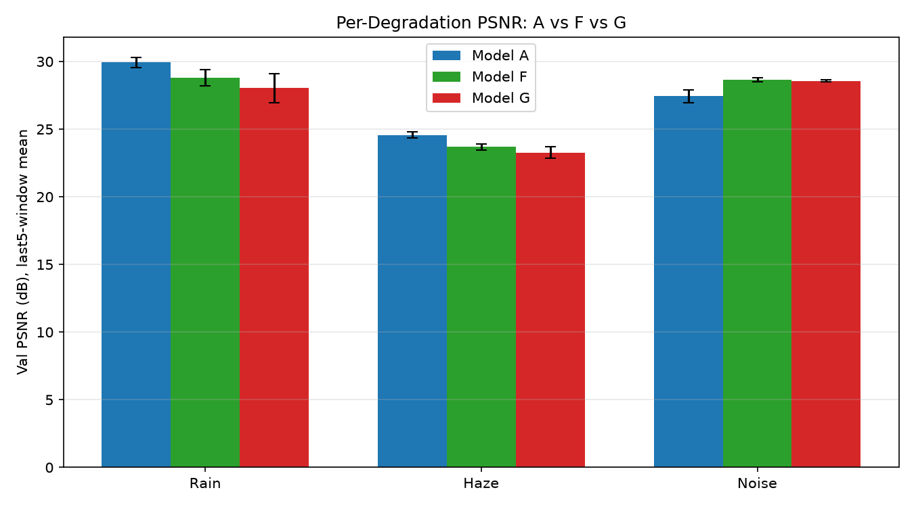

04_G_minus_F_per_degradation
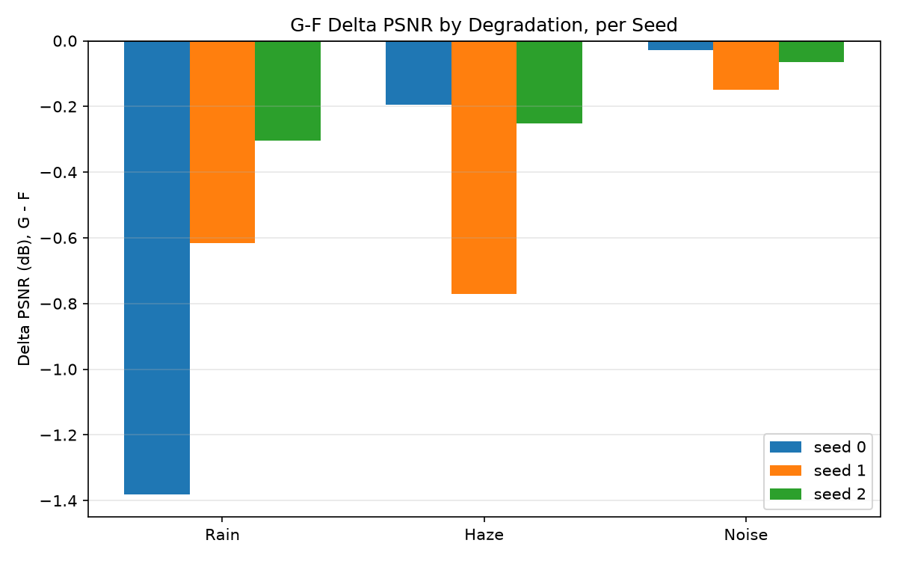

05_collapse_monitor_trends


06_stage_alignment_validity
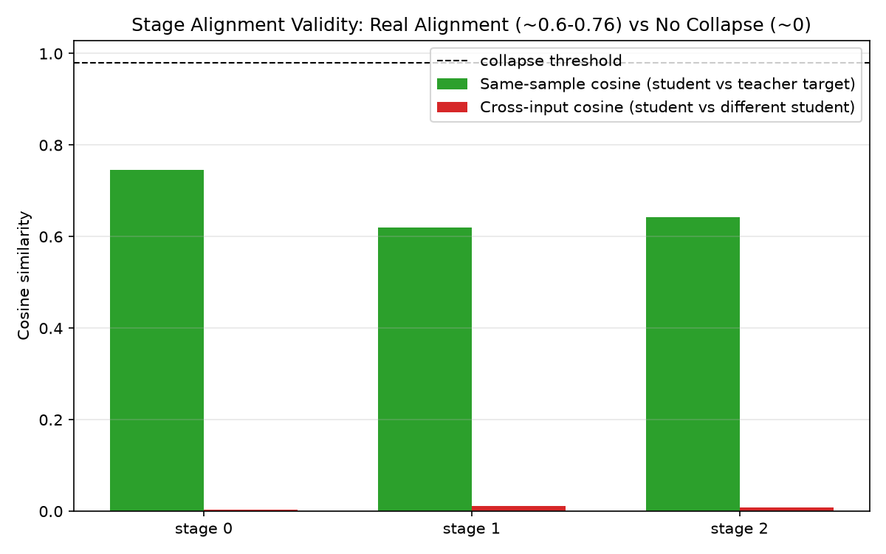

07_complexity_comparison
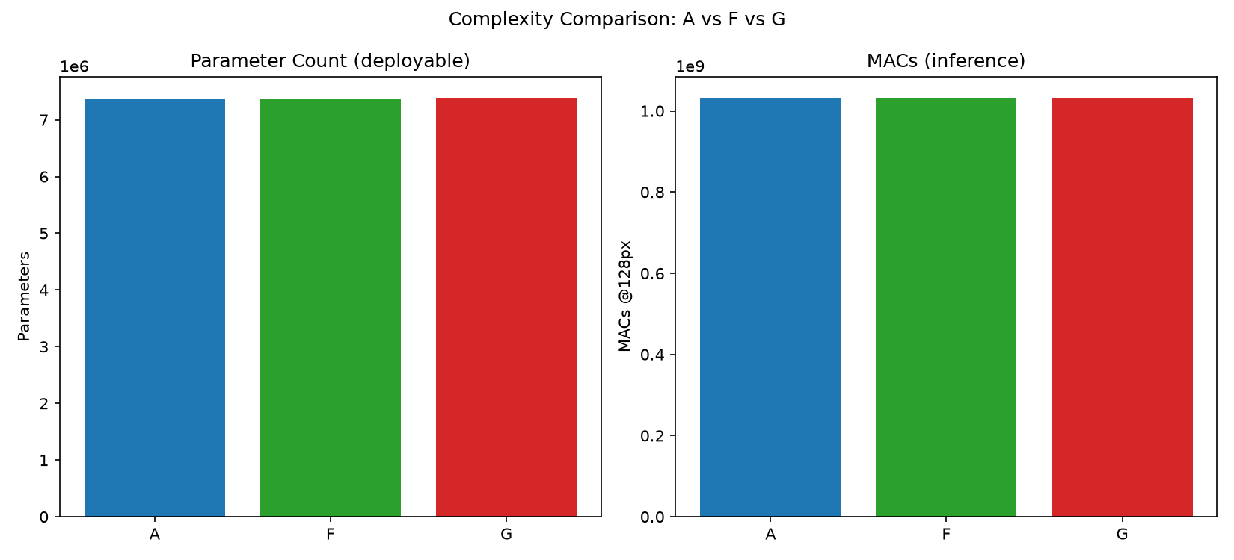

target_pairwise_cosine_histogram


target_pairwise_distance_histogram


target_pca_distribution

