Visualizations
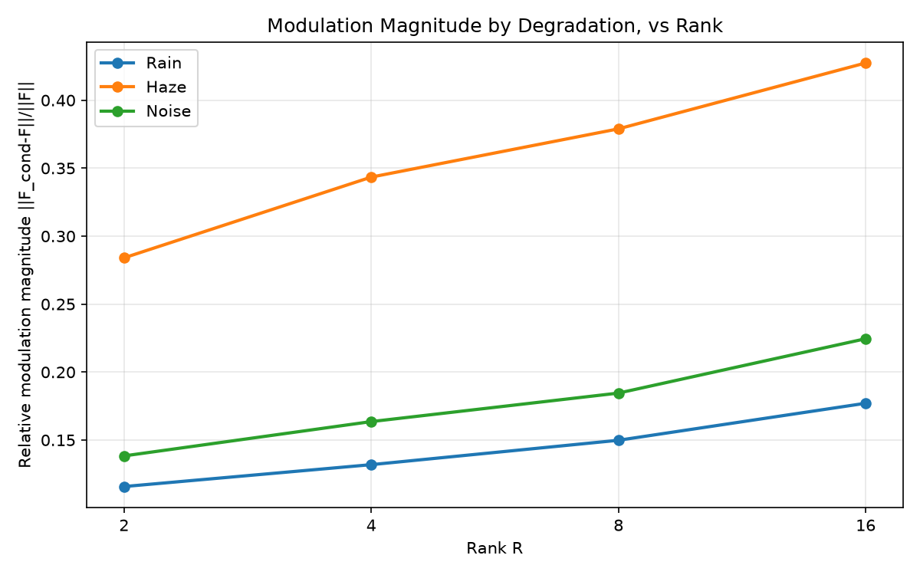
01_overall_psnr_vs_rank
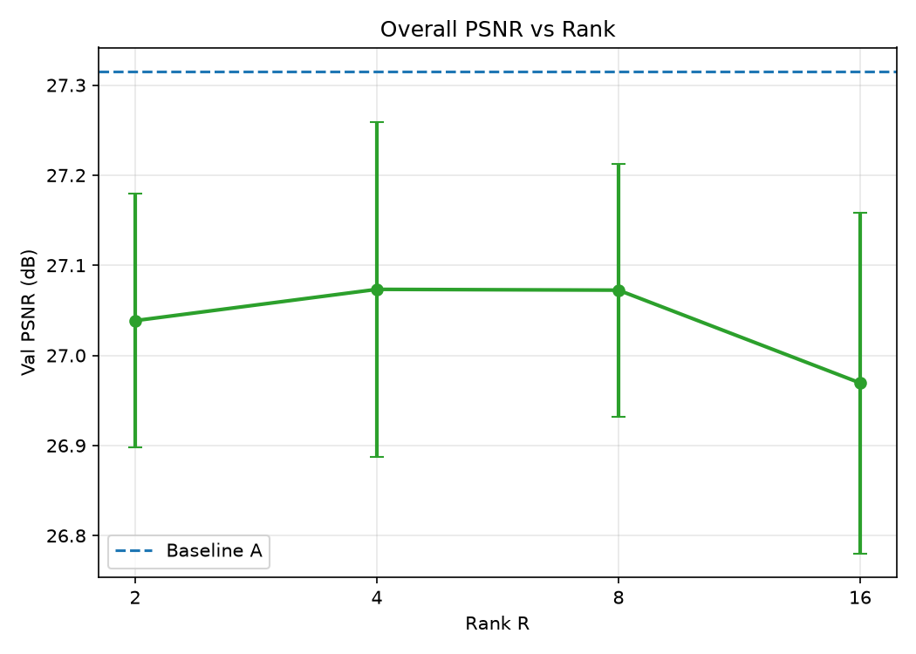

02_overall_ssim_vs_rank
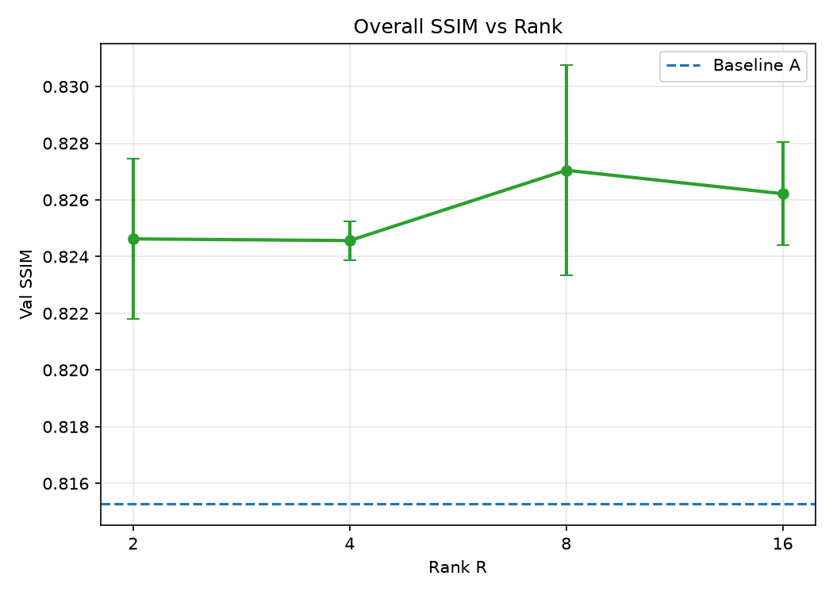

03_rain_psnr_vs_rank
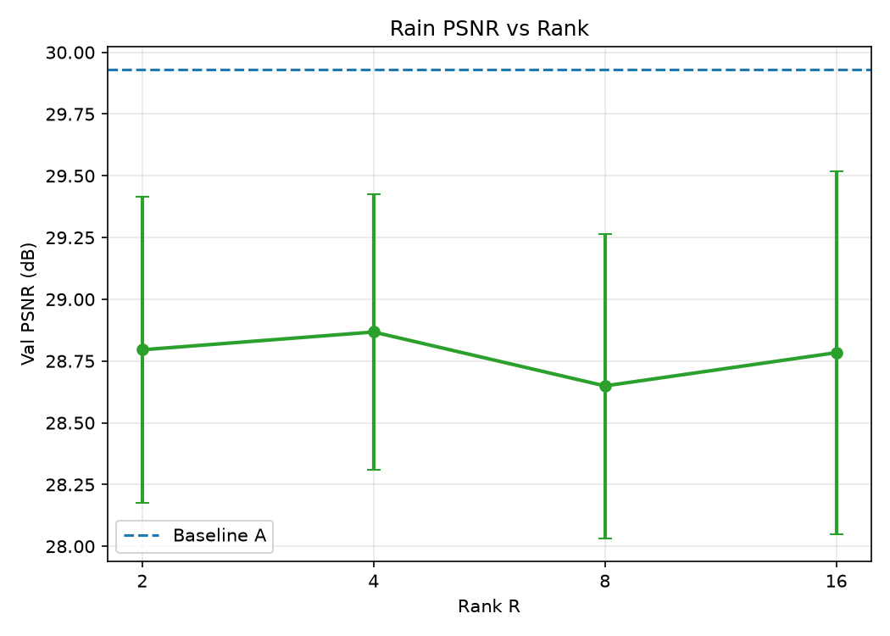

04_haze_psnr_vs_rank
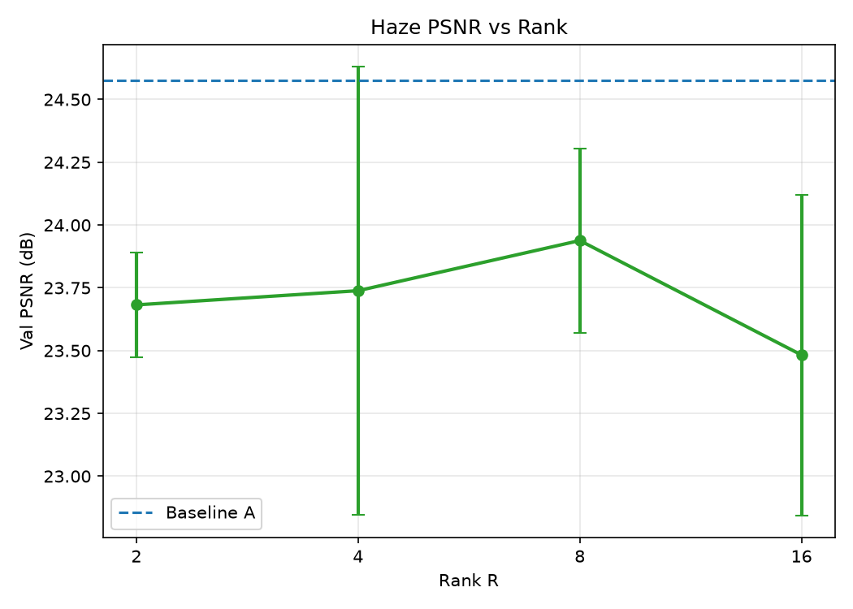

05_noise_psnr_vs_rank
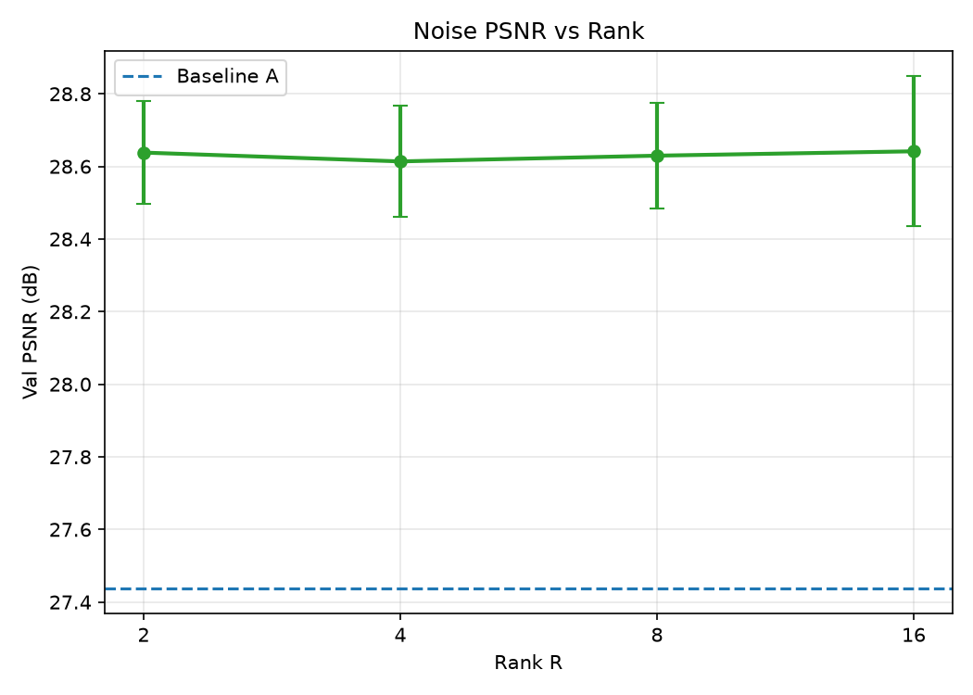

06_delta_psnr_vs_baseline
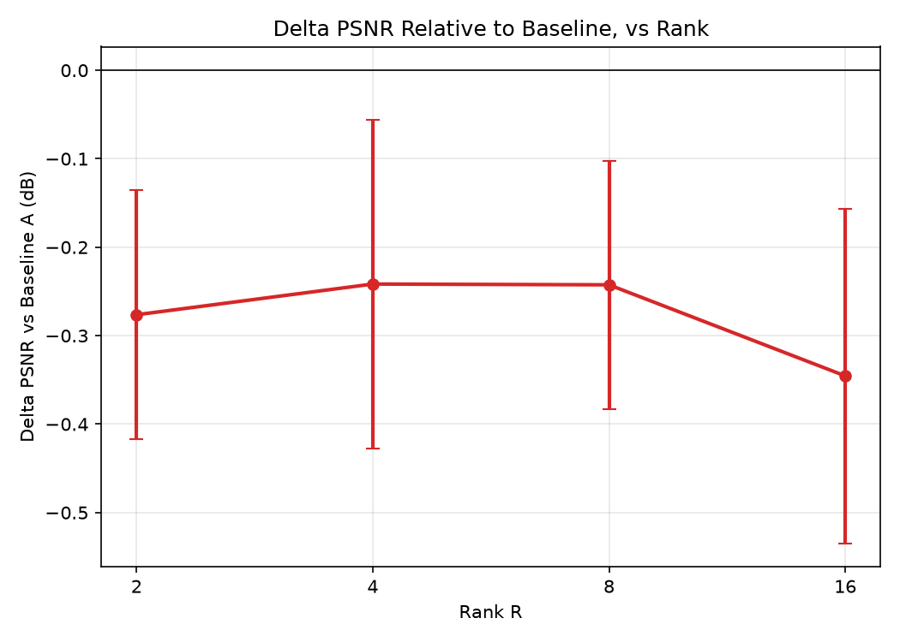

07_param_overhead_vs_rank
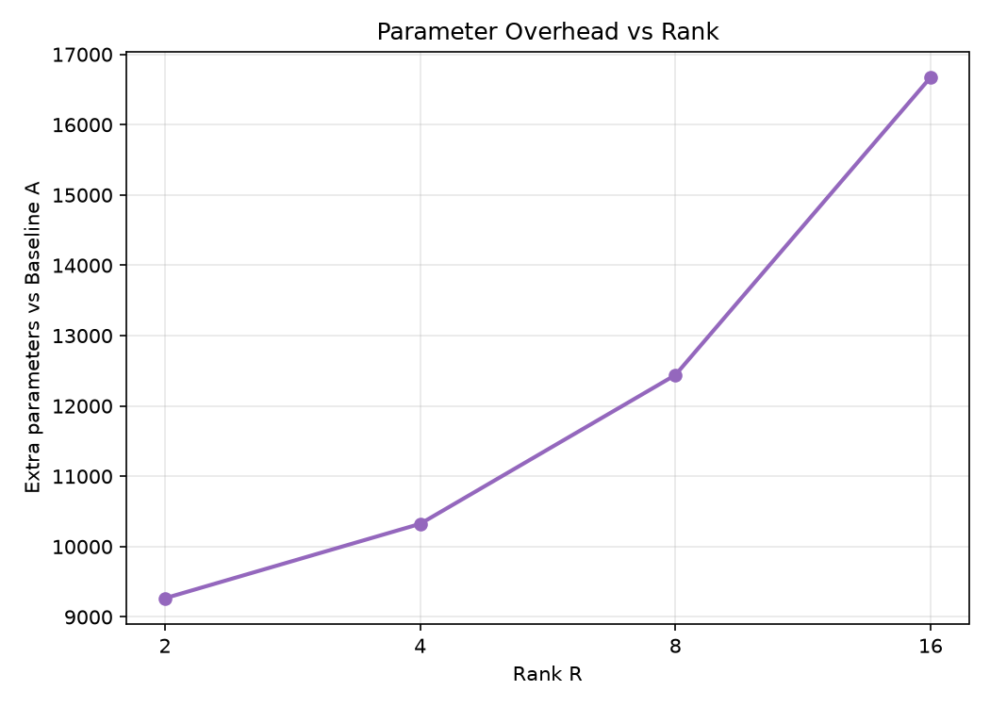

08_effective_rank_vs_configured
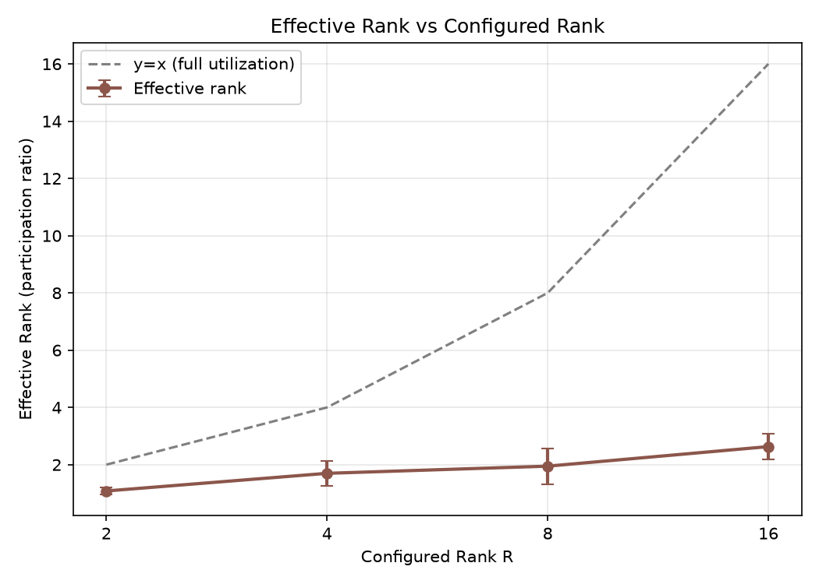

09_coefficient_magnitude_by_degradation
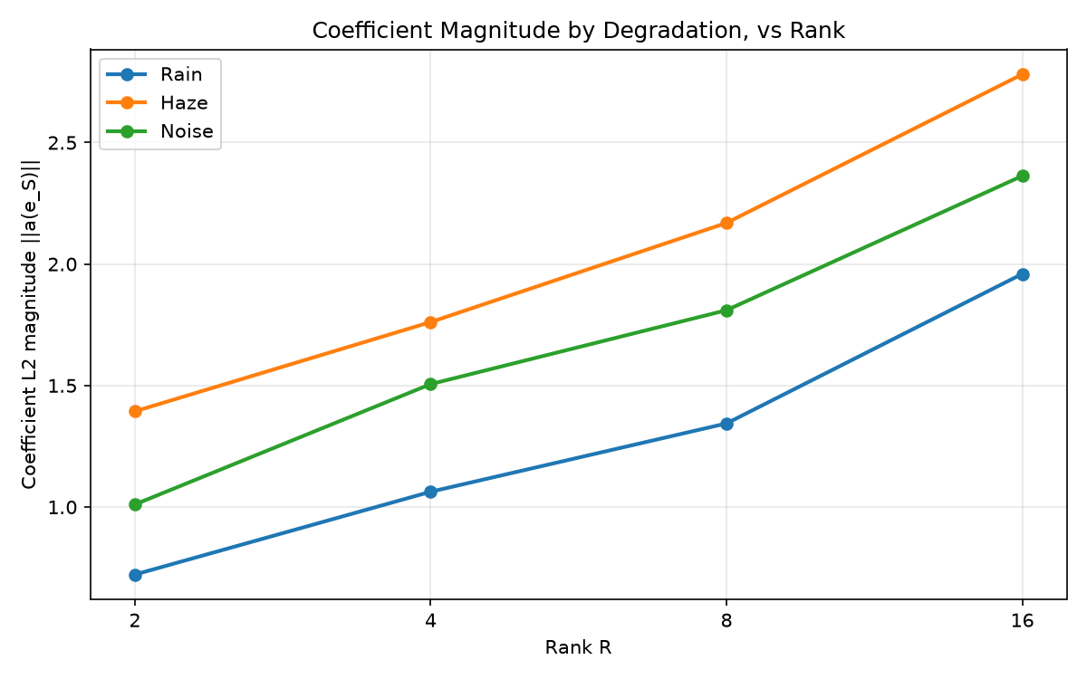

10_modulation_magnitude_by_degradation

