iris
Field: PetalLength and Field: PetalWidth appear highly correlated.
SepalLength | SepalWidth | PetalLength | PetalWidth | Class
5.8 | 4 | 1.2 | 0.2 | Iris-setosa
5.7 | 4.4 | 1.5 | 0.4 | Iris-setosa
5.7 | 3.8 | 1.7 | 0.3 | Iris-setosa
5.5 | 3.5 | 1.3 | 0.2 | Iris-setosa
'SepalWidth' and 'PetalLength' appear to cluster into 2 groups with 1 outlier.
5.5 | 4.2 | 1.4 | 0.2 | Iris-setosa
5.4 | 3.9 | 1.3 | 0.4 | Iris-setosa
5.4 | 3.7 | 1.5 | 0.2 | Iris-setosa
5.4 | 3.4 | 1.5 | 0.4 | Iris-setosa
5.4 | 3.4 | 1.7 | 0.2 | Iris-setosa
5.4 | 3.9 | 1.7 | 0.4 | Iris-setosa
5.3 | 3.7 | 1.5 | 0.2 | Iris-setosa
5.2 | 3.4 | 1.4 | 0.2 | Iris-setosa
5.2 | 4.1 | 1.5 | 0.1 | Iris-setosa
5.2 | 3.5 | 1.5 | 0.2 | Iris-setosa
5.1 | 3.5 | 1.4 | 0.2 | Iris-setosa
5.1 | 3.5 | 1.4 | 0.3 | Iris-setosa
SepalLength and PetalLength appear to cluster into 2 groups.
5.1 | 3.4 | 1.5 | 0.2 | Iris-setosa
5.1 | 3.8 | 1.5 | 0.3 | Iris-setosa
Field: SepalLength and Field: PetalWidth appear highly correlated.
5.1 | 3.7 | 1.5 | 0.4 | Iris-setosa
5.1 | 3.8 | 1.6 | 0.2 | Iris-setosa
5.1 | 3.3 | 1.7 | 0.5 | Iris-setosa
5.1 | 3.8 | 1.9 | 0.4 | Iris-setosa
5 | 3.2 | 1.2 | 0.2 | Iris-setosa
5 | 3.5 | 1.3 | 0.3 | Iris-setosa
5 | 3.6 | 1.4 | 0.2 | Iris-setosa
5 | 3.3 | 1.4 | 0.2 | Iris-setosa
5 | 3.4 | 1.5 | 0.2 | Iris-setosa
5 | 3 | 1.6 | 0.2 | Iris-setosa
5 | 3.4 | 1.6 | 0.4 | Iris-setosa
5 | 3.5 | 1.6 | 0.6 | Iris-setosa
4.9 | 3 | 1.4 | 0.2 | Iris-setosa
4.9 | 3.1 | 1.5 | 0.1 | Iris-setosa
4.9 | 3.1 | 1.5 | 0.1 | Iris-setosa
4.9 | 3.1 | 1.5 | 0.1 | Iris-setosa
4.8 | 3 | 1.4 | 0.1 | Iris-setosa
4.8 | 3 | 1.4 | 0.3 | Iris-setosa
4.8 | 3.4 | 1.6 | 0.2 | Iris-setosa
4.8 | 3.1 | 1.6 | 0.2 | Iris-setosa
4.8 | 3.4 | 1.9 | 0.2 | Iris-setosa
4.7 | 3.2 | 1.3 | 0.2 | Iris-setosa
4.7 | 3.2 | 1.6 | 0.2 | Iris-setosa
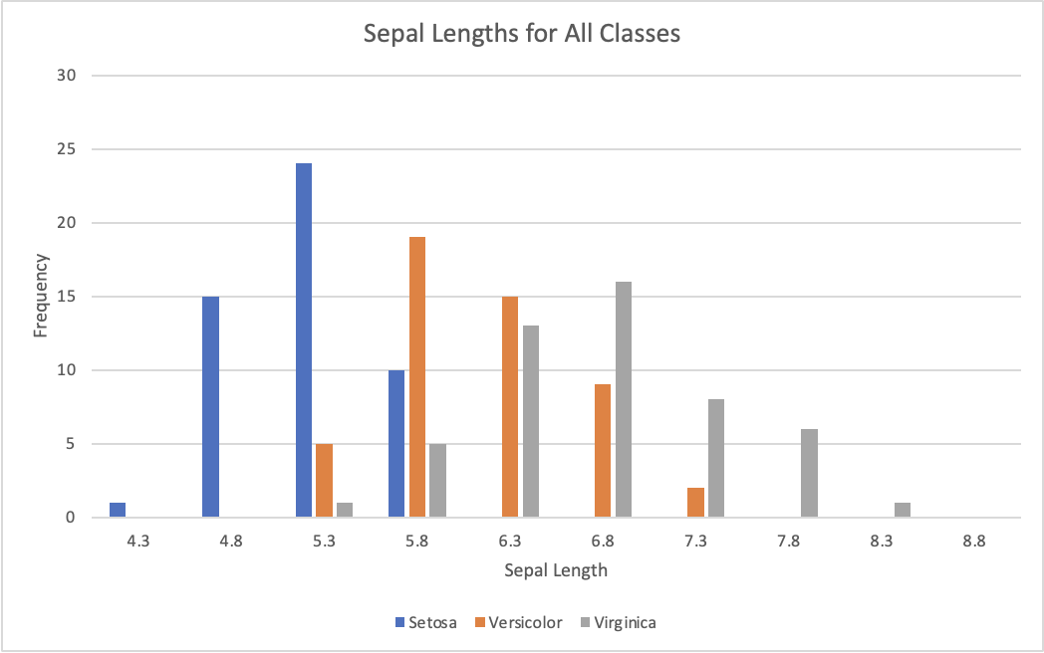
4.6 | 3.6 | 1 | 0.2 | Iris-setosa
4.6 | 3.2 | 1.4 | 0.2 | Iris-setosa
4.6 | 3.4 | 1.4 | 0.3 | Iris-setosa
4.6 | 3.1 | 1.5 | 0.2 | Iris-setosa
4.5 | 2.3 | 1.3 | 0.3 | Iris-setosa
4.4 | 3 | 1.3 | 0.2 | Iris-setosa
4.4 | 3.2 | 1.3 | 0.2 | Iris-setosa
4.4 | 2.9 | 1.4 | 0.2 | Iris-setosa
4.3 | 3 | 1.1 | 0.1 | Iris-setosa
7 | 3.2 | 4.7 | 1.4 | Iris-versicolor
6.9 | 3.1 | 4.9 | 1.5 | Iris-versicolor
6.8 | 2.8 | 4.8 | 1.4 | Iris-versicolor
6.7 | 3.1 | 4.4 | 1.4 | Iris-versicolor
6.7 | 3.1 | 4.7 | 1.5 | Iris-versicolor
6.7 | 3 | 5 | 1.7 | Iris-versicolor
6.6 | 3 | 4.4 | 1.4 | Iris-versicolor
6.6 | 2.9 | 4.6 | 1.3 | Iris-versicolor
6.5 | 2.8 | 4.6 | 1.5 | Iris-versicolor
6.4 | 2.9 | 4.3 | 1.3 | Iris-versicolor
6.4 | 3.2 | 4.5 | 1.5 | Iris-versicolor
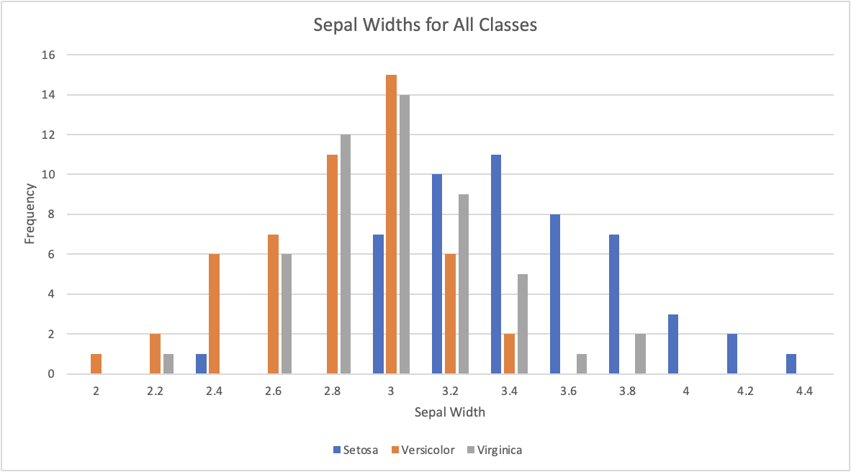
6.3 | 2.3 | 4.4 | 1.3 | Iris-versicolor
6.3 | 3.3 | 4.7 | 1.6 | Iris-versicolor
6.3 | 2.5 | 4.9 | 1.5 | Iris-versicolor
6.2 | 2.9 | 4.3 | 1.3 | Iris-versicolor
6.2 | 2.2 | 4.5 | 1.5 | Iris-versicolor
6.1 | 2.8 | 4 | 1.3 | Iris-versicolor
6.1 | 3 | 4.6 | 1.4 | Iris-versicolor
6.1 | 2.8 | 4.7 | 1.2 | Iris-versicolor
6.1 | 2.9 | 4.7 | 1.4 | Iris-versicolor
6 | 2.2 | 4 | 1 | Iris-versicolor
6 | 2.9 | 4.5 | 1.5 | Iris-versicolor
6 | 3.4 | 4.5 | 1.6 | Iris-versicolor
6 | 2.7 | 5.1 | 1.6 | Iris-versicolor
5.9 | 3 | 4.2 | 1.5 | Iris-versicolor
5.9 | 3.2 | 4.8 | 1.8 | Iris-versicolor
5.8 | 2.7 | 3.9 | 1.2 | Iris-versicolor
5.8 | 2.6 | 4 | 1.2 | Iris-versicolor
5.8 | 2.7 | 4.1 | 1 | Iris-versicolor
5.7 | 2.6 | 3.5 | 1 | Iris-versicolor
5.7 | 2.8 | 4.1 | 1.3 | Iris-versicolor
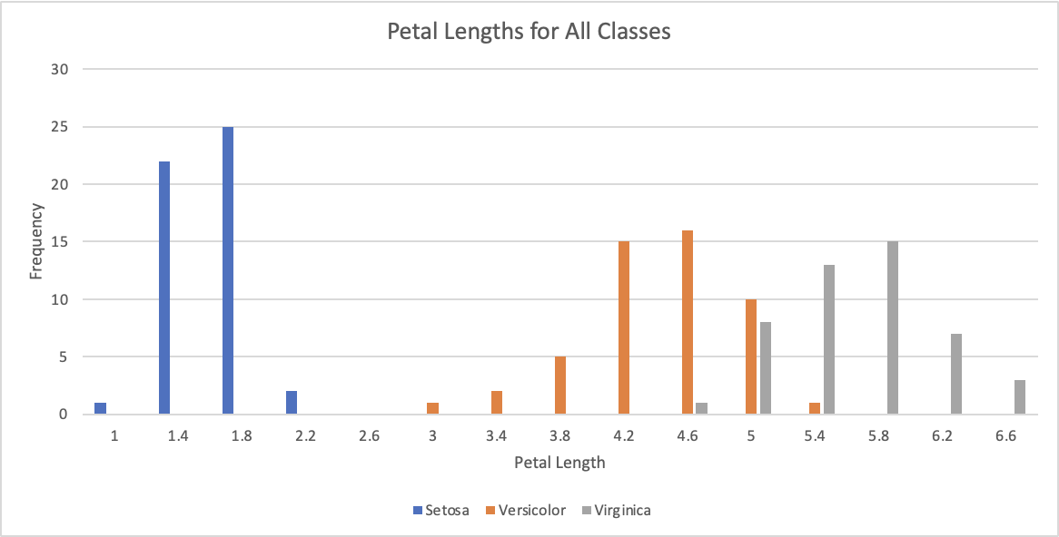
5.7 | 3 | 4.2 | 1.2 | Iris-versicolor
5.7 | 2.9 | 4.2 | 1.3 | Iris-versicolor
5.7 | 2.8 | 4.5 | 1.3 | Iris-versicolor
5.6 | 2.9 | 3.6 | 1.3 | Iris-versicolor
5.6 | 2.5 | 3.9 | 1.1 | Iris-versicolor
5.6 | 3 | 4.1 | 1.3 | Iris-versicolor
5.6 | 2.7 | 4.2 | 1.3 | Iris-versicolor
5.6 | 3 | 4.5 | 1.5 | Iris-versicolor
5.5 | 2.4 | 3.7 | 1 | Iris-versicolor
5.5 | 2.4 | 3.8 | 1.1 | Iris-versicolor
5.5 | 2.3 | 4 | 1.3 | Iris-versicolor
5.5 | 2.5 | 4 | 1.3 | Iris-versicolor
5.5 | 2.6 | 4.4 | 1.2 | Iris-versicolor
5.4 | 3 | 4.5 | 1.5 | Iris-versicolor
5.2 | 2.7 | 3.9 | 1.4 | Iris-versicolor
5.1 | 2.5 | 3 | 1.1 | Iris-versicolor
5 | 2.3 | 3.3 | 1 | Iris-versicolor
5 | 2 | 3.5 | 1 | Iris-versicolor
4.9 | 2.4 | 3.3 | 1 | Iris-versicolor
7.9 | 3.8 | 6.4 | 2 | Iris-virginica
7.7 | 3 | 6.1 | 2.3 | Iris-virginica
7.7 | 2.8 | 6.7 | 2 | Iris-virginica
7.7 | 3.8 | 6.7 | 2.2 | Iris-virginica
7.7 | 2.6 | 6.9 | 2.3 | Iris-virginica
7.6 | 3 | 6.6 | 2.1 | Iris-virginica
7.4 | 2.8 | 6.1 | 1.9 | Iris-virginica
7.3 | 2.9 | 6.3 | 1.8 | Iris-virginica
7.2 | 3 | 5.8 | 1.6 | Iris-virginica
7.2 | 3.2 | 6 | 1.8 | Iris-virginica
7.2 | 3.6 | 6.1 | 2.5 | Iris-virginica
7.1 | 3 | 5.9 | 2.1 | Iris-virginica
6.9 | 3.1 | 5.1 | 2.3 | Iris-virginica
6.9 | 3.1 | 5.4 | 2.1 | Iris-virginica
6.9 | 3.2 | 5.7 | 2.3 | Iris-virginica
6.8 | 3 | 5.5 | 2.1 | Iris-virginica
6.8 | 3.2 | 5.9 | 2.3 | Iris-virginica
6.7 | 3 | 5.2 | 2.3 | Iris-virginica
6.7 | 3.1 | 5.6 | 2.4 | Iris-virginica
6.7 | 3.3 | 5.7 | 2.1 | Iris-virginica
6.7 | 3.3 | 5.7 | 2.5 | Iris-virginica
6.7 | 2.5 | 5.8 | 1.8 | Iris-virginica
6.5 | 3.2 | 5.1 | 2 | Iris-virginica
6.5 | 3 | 5.2 | 2 | Iris-virginica
6.5 | 3 | 5.5 | 1.8 | Iris-virginica
6.5 | 3 | 5.8 | 2.2 | Iris-virginica
6.4 | 2.7 | 5.3 | 1.9 | Iris-virginica
6.4 | 3.2 | 5.3 | 2.3 | Iris-virginica
6.4 | 3.1 | 5.5 | 1.8 | Iris-virginica
6.4 | 2.8 | 5.6 | 2.1 | Iris-virginica
6.4 | 2.8 | 5.6 | 2.2 | Iris-virginica
6.3 | 2.7 | 4.9 | 1.8 | Iris-virginica
6.3 | 2.5 | 5 | 1.9 | Iris-virginica
6.3 | 2.8 | 5.1 | 1.5 | Iris-virginica
6.3 | 2.9 | 5.6 | 1.8 | Iris-virginica
6.3 | 3.4 | 5.6 | 2.4 | Iris-virginica
6.3 | 3.3 | 6 | 2.5 | Iris-virginica
6.2 | 2.8 | 4.8 | 1.8 | Iris-virginica
6.2 | 3.4 | 5.4 | 2.3 | Iris-virginica
6.1 | 3 | 4.9 | 1.8 | Iris-virginica
6.1 | 2.6 | 5.6 | 1.4 | Iris-virginica
6 | 3 | 4.8 | 1.8 | Iris-virginica
6 | 2.2 | 5 | 1.5 | Iris-virginica
5.9 | 3 | 5.1 | 1.8 | Iris-virginica
5.8 | 2.7 | 5.1 | 1.9 | Iris-virginica
5.8 | 2.7 | 5.1 | 1.9 | Iris-virginica
5.8 | 2.8 | 5.1 | 2.4 | Iris-virginica
5.7 | 2.5 | 5 | 2 | Iris-virginica
5.6 | 2.8 | 4.9 | 2 | Iris-virginica
4.9 | 2.5 | 4.5 | 1.7 | Iris-virginica

Suggestion2
'Class': Iris-virginica has noticeably higher 'PetalWidth'.
Row Labels | Average of PetalWidth
Iris-virginica | 2.026
Iris-versicolor | 1.326
Iris-setosa | 0.244
Grand Total | 1.1986666667

