Tax exemption-sample
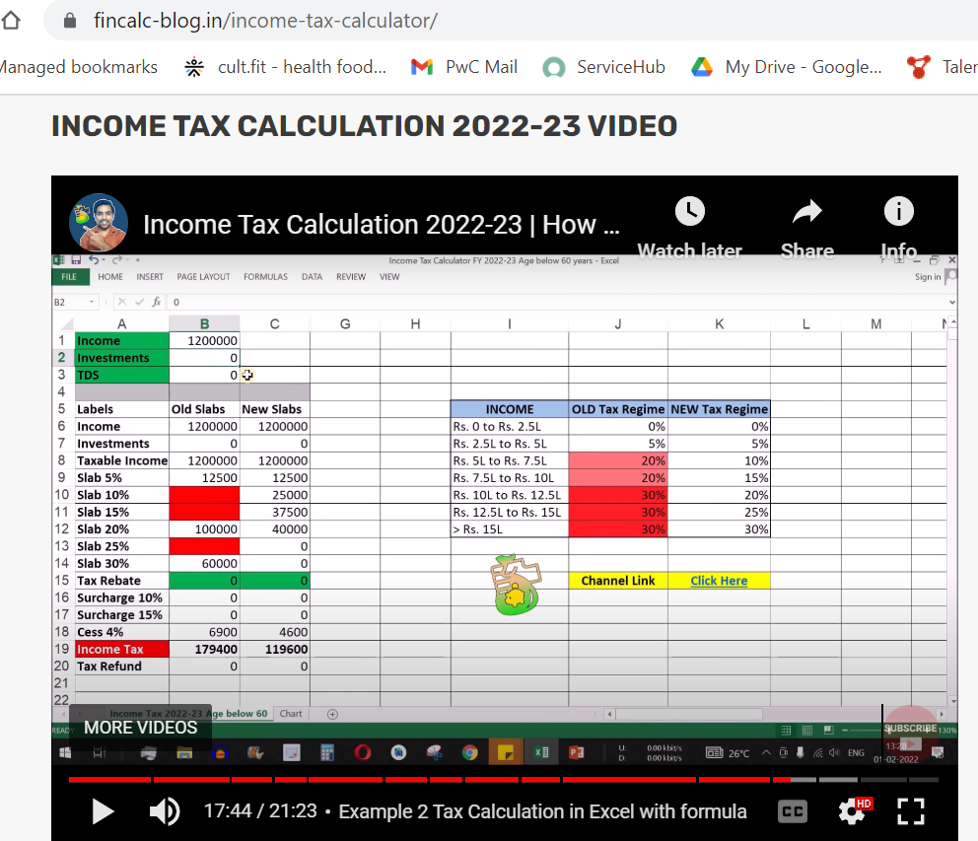
Total income | 1550000 | 101566.66667
Pf of both | 134400
standard deduction | 50000 |  |  |  |  | 220000
HRA exempted | 160000 |  |  |  |  | 36000
professional tax | 2400 |  |  |  |  | 256000
80 C | 150000
Total deductions | 496800

Taxable amount | 1053200
 |  | From | To | Difference | Slab | Income tax
 |  | 0 | 250000 | 1053200 | Nill
 |  | 250000 | 500000 | 803200 | 5% | 12500
 |  | 500000 | 750000 | 553200 | 20% | 50000
 |  | 750000 | 1000000 | 303200 | 20% | 50000
 |  | 1000000 | 1250000 | 53200 | 30% | 15960
 |  | 1250000 | 1500000 | -196800 | 30%
 |  | 1500000 | Above |  | 30% | 0
 | Tax |  |  |  |  | 128460
 | Cess | 4% |  |  |  | 5138.4
 | Total Tax |  |  |  |  | 133598.4 | HRA-40000
 | Per month |  |  |  |  | 11133.2

