Sheet1
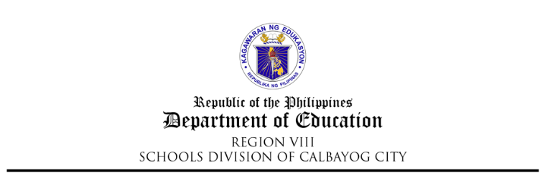

REQUEST FOR COMPENSATORY TIME – OFF (CTO)

Hours Earned Beginning Balance | Date/s of CTO |  | Used COCs | Remaining COCs |  | Remarks

 | 1111-11-11 | 1111-11-11

Approved by: |  | Recommending Approval by: |  |  | Requested by:

MARGARITO A. CADAYONA, JR. PhD, CESO VI |  | JUN NILOU D. DULFO PhD |  |  | Admin
OIC - Schools Division Superintendent |  | OIC - Asst. Schools Division Superintendent |  |  | Administrator

Date: |  | Date: |  |  | Date:
CCD/m3-forms…request for cto

REQUEST FOR COMPENSATORY TIME – OFF (CTO)

Hours Earned Beginning Balance | Date/s of CTO |  | Used COCs | Remaining COCs |  | Remarks

Approved by: |  | Recommending Approval by: |  |  | Requested by:

MARGARITO A. CADAYONA, JR. PhD, CESO VI
OIC - SCHOOLS DIVISION SUPERINTENDENT

Date: |  | Date: |  |  | Date:
CCD/m3-forms…request for cto

