Sheet1
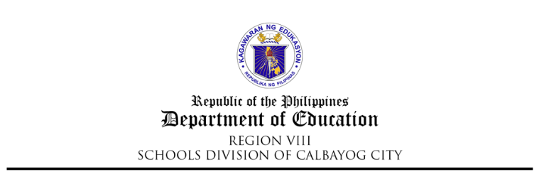

REQUEST FOR COMPENSATORY TIME – OFF (CTO)

Hours Earned Beginning Balance | Date/s of CTO |  |  | Used COCs | Remaining COCs |  | Remarks

 |  | -

Approved by: |  |  | Recommending Approval by: |  |  | Requested by:

MARGARITO A. CADAYONA, JR. PhD, CESO VI
OIC - Schools Division Superintendent

Date: |  |  | Date: |  |  | Date:
CCD/m3-forms…request for cto

REQUEST FOR COMPENSATORY TIME – OFF (CTO)

Hours Earned Beginning Balance | Date/s of CTO |  |  | Used COCs | Remaining COCs |  | Remarks

 | 0 | - | 0

Approved by: |  |  | Recommending Approval by: |  |  | Requested by:

MARGARITO A. CADAYONA, JR. PhD, CESO VI |  |  | 0 |  |  | 0
OIC - SCHOOLS DIVISION SUPERINTENDENT |  |  | 0 |  |  | 0

Date: |  |  | Date: |  |  | Date: | 0
CCD/m3-forms…request for cto

