Window
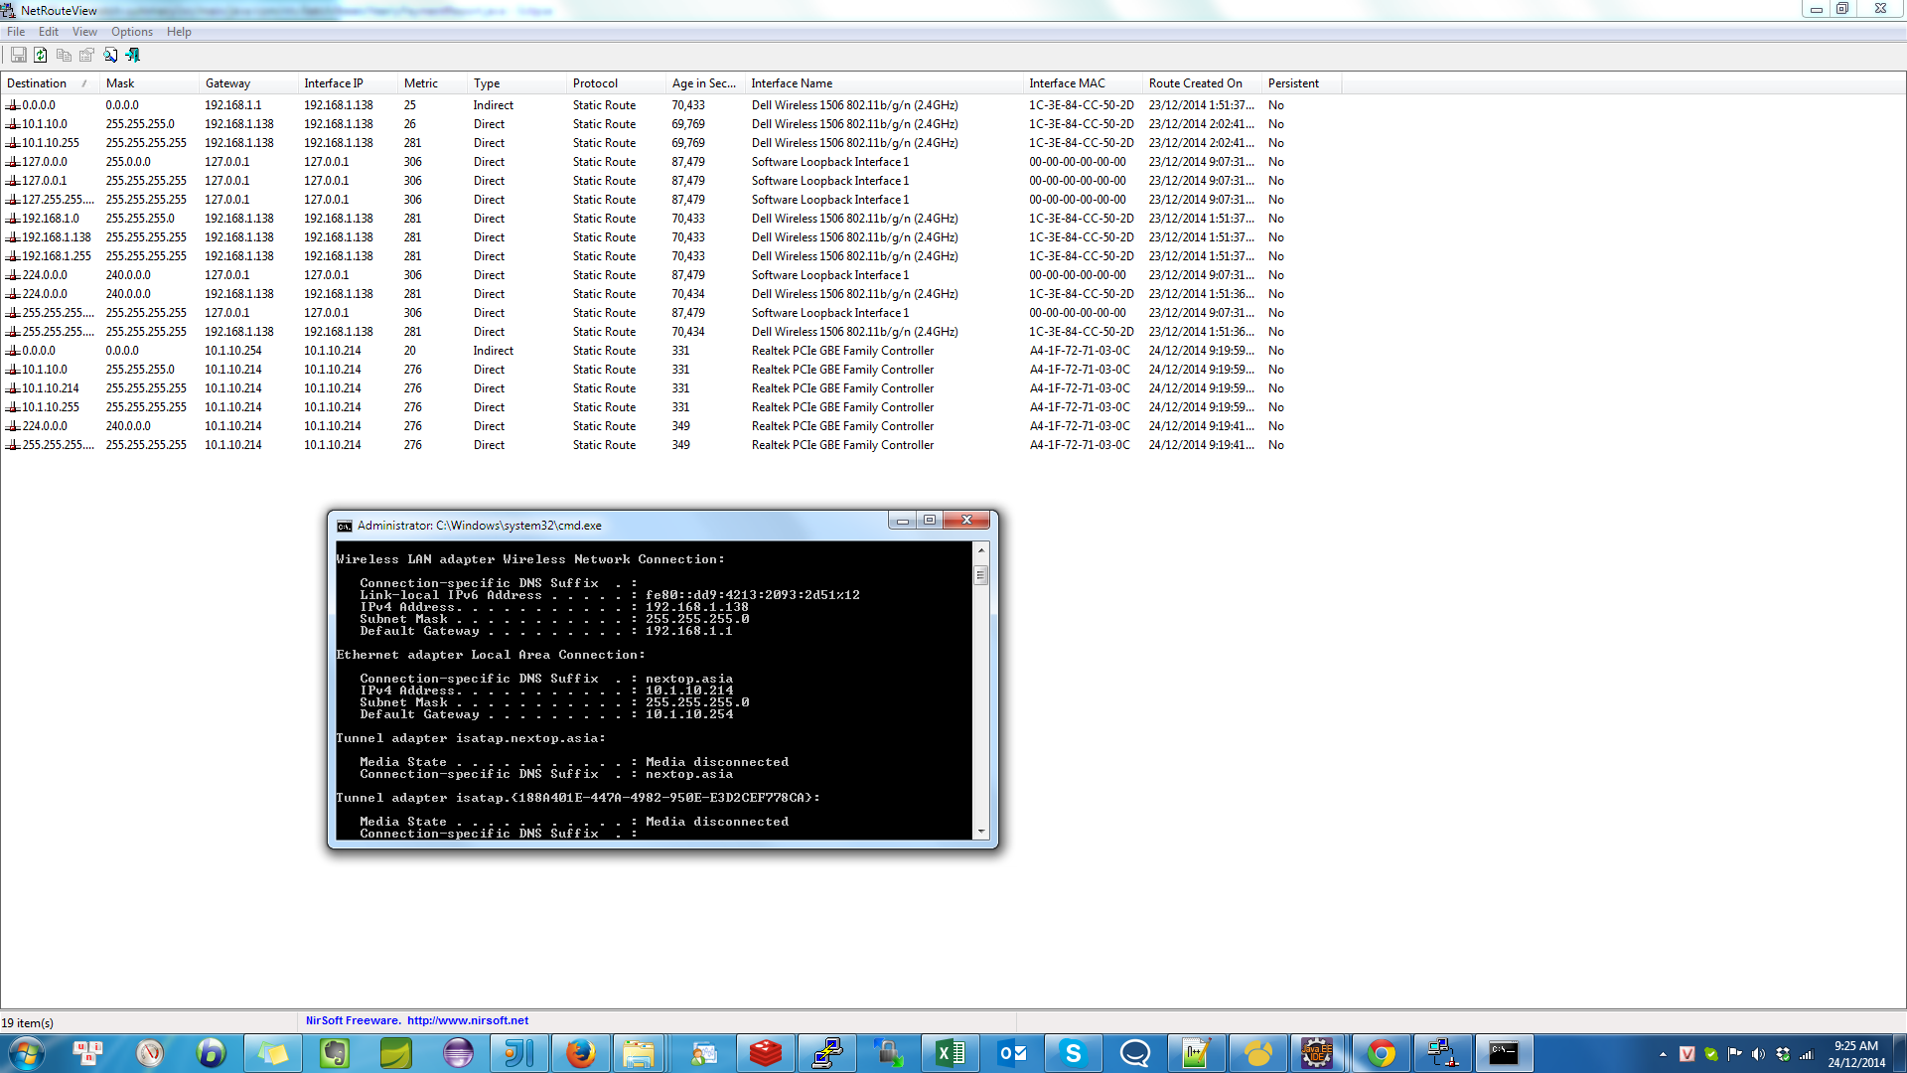
change in source computer :
1.Change to static IP
2.Default gateway to wifi computer

Change in proxy computer :

ROUTE PRINT
route add 0.0.0.0 mask 0.0.0.0 192.168.1.138 IF 10.1.10.214
route CHANGE 0.0.0.0 mask 0.0.0.0 192.168.1.138 IF 10.1.10.214

Example in picture :

