Author_Frequency
Unique Names | Frequency
Li | 6
Zhang | 4
Wiklund | 3
Ghaemi | 2
Wu | 2
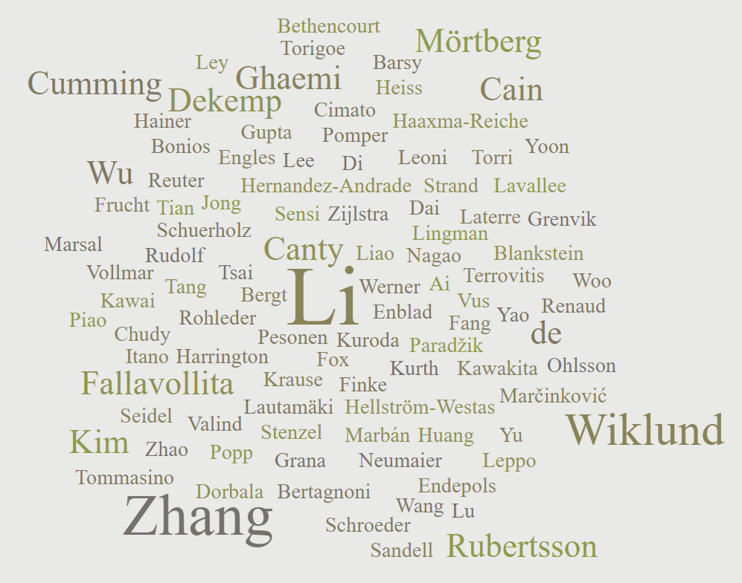
Fallavollita | 2
Canty | 2
deKemp | 2
Mörtberg | 2
Cumming | 2
Rubertsson | 2
Cain | 2
Kim | 2
Guérit | 1
Bol | 1
Georges | 1
de Barsy | 1
Laterre | 1
Tommasino | 1
Grana | 1
Lucignani | 1
Torri | 1
Fazio | 1
Rudolf | 1
Haupt | 1
Szelies | 1
Heiss | 1
Thorngren-Jerneck | 1
Ley | 1
Hellström-Westas | 1
Hernandez-Andrade | 1
Lingman | 1
Ohlsson | 1
Oskarsson | 1
Pesonen | 1
Sandell | 1
Strand | 1
Werner | 1
Marsal | 1
Edgren | 1
Enblad | 1
Grenvik | 1
Lilja | 1
Valind | 1
Hedstrand | 1
Stjernström | 1
Persson | 1
Pontén | 1
Långström | 1
Bajorat | 1
Kurth | 1
Stenzel | 1
Vollmar | 1
Krause | 1
Reuter | 1
Schuerholz | 1
Bergt | 1
Bertagnoni | 1
Lupi | 1
Fedeli | 1
Sensi | 1
Nogara | 1
Schroeder | 1
Popp | 1
Rohleder | 1
Vus | 1
Bethencourt | 1
Finke | 1
Zlatopolskiy | 1
Zischler | 1
Drzezga | 1
Herff | 1
Annecke | 1
Hucho | 1
Neumaier | 1
Böttiger | 1
Endepols | 1
Mitchell | 1
Fang | 1
Tsai | 1
Piao | 1
Ousta | 1
Leoni | 1
Chen | 1
Sharp | 1
Wang | 1
Moody | 1
Kaps | 1
Britt | 1
Lavallee | 1
Renaud | 1
Zelt | 1
Beanlands | 1
Schaafsma | 1
de Jong | 1
Bams | 1
Haaxma-Reiche | 1
Pruim | 1
Zijlstra | 1
Frucht | 1
Trost | 1
Ma | 1
Eidelberg | 1
Wall | 1
Nakamura | 1
Kuroda | 1
Torigoe | 1
Abe | 1
Yamashita | 1
Kawakita | 1
Kawai | 1
Tamiya | 1
Itano | 1
Nagao | 1
Terrovitis | 1
Lautamäki | 1
Bonios | 1
Fox | 1
Engles | 1
Yu | 1
Leppo | 1
Pomper | 1
Wahl | 1
Seidel | 1
Tsui | 1
Bengel | 1
Abraham | 1
Marbán | 1
Yang | 1
Heavey | 1
Luisi | 1
Michalek | 1
Baldwa | 1
Mashtare | 1
Hutson | 1
Haka | 1
Sajjad | 1
Cimato | 1
Curtis | 1
Liao | 1
Lu | 1
Liu | 1
Hu | 1
Dai | 1
Shi | 1
Jiang | 1
Huang | 1
Yao | 1
Tang | 1
Ai | 1
Gupta | 1
Harrington | 1
Albert | 1
Bajaj | 1
Hainer | 1
Morgan | 1
Bibbo | 1
Bravo | 1
Osborne | 1
Dorbala | 1
Blankstein | 1
Taqueti | 1
Bhatt | 1
Stevenson | 1
Di Carli | 1
Chudy | 1
Deletis | 1
Almahariq | 1
Marčinković | 1
Škrlin | 1
Paradžik | 1
Yoon | 1
Lee | 1
Woo | 1
Tian | 1
Zhao | 1
Zhu | 1
Mi | 1

