ERD - Overview
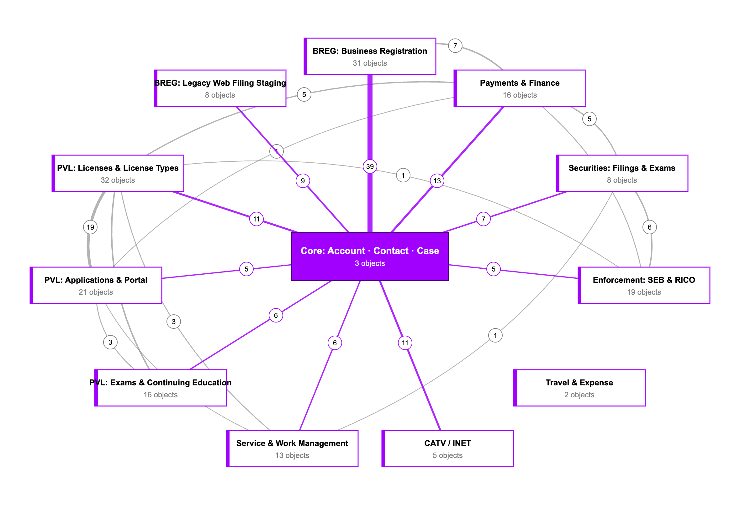
ERD: Domain Overview
Account, Contact and Case at the centre; lines show relationship fields crossing between domains (number and thickness = count; purple = to/from Core).
‹ Back to README
Use View ▸ Zoom to enlarge; the image is stored at 2× resolution so it stays sharp when zoomed in.

ERD - Core Acct-Contact-Case
ERD: Core: Account · Contact · Case
Shared CRM backbone used by every division.
‹ Back to README
Legend: solid line = master-detail (child owned by parent) · dashed line = lookup · crow's foot = "many" side · boxes with attribute rows = objects in this domain (Label, Fields, CodeRefs) · plain boxes = objects from other domains or managed packages. Lookups to User are omitted.

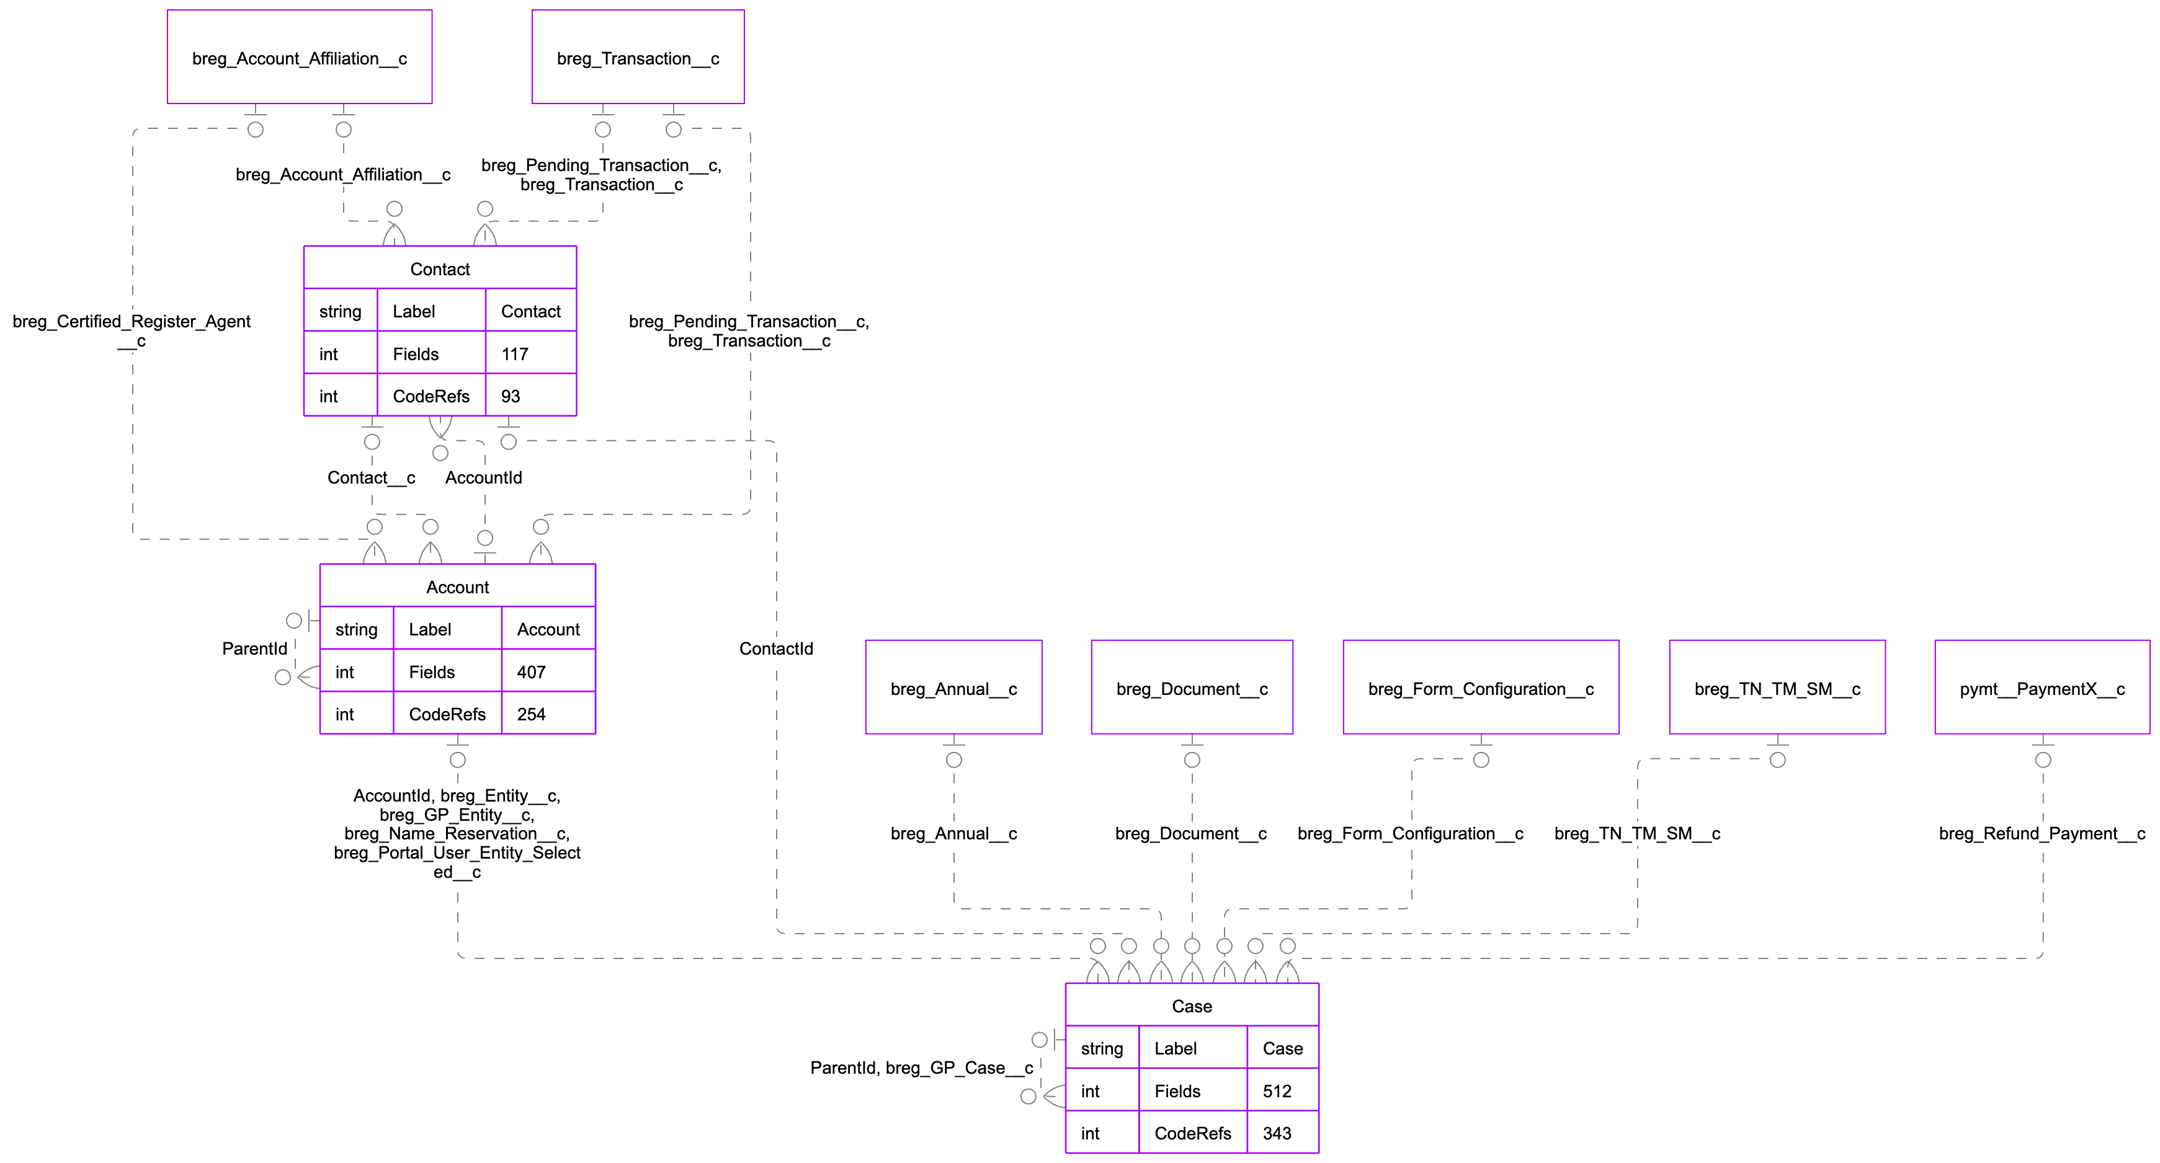

Objects in this domain (3) |  |  |  |  | Shown with 7 related objects from other domains.
Object API Name | Label | Fields | Relationship Fields | Code References
Account
Case
Contact

ERD - PVL Applications
ERD: PVL: Applications & Portal
Professional & Vocational Licensing applications, draft/metadata-driven online forms and portal users.
‹ Back to README
Legend: solid line = master-detail (child owned by parent) · dashed line = lookup · crow's foot = "many" side · boxes with attribute rows = objects in this domain (Label, Fields, CodeRefs) · plain boxes = objects from other domains or managed packages. Lookups to User are omitted.

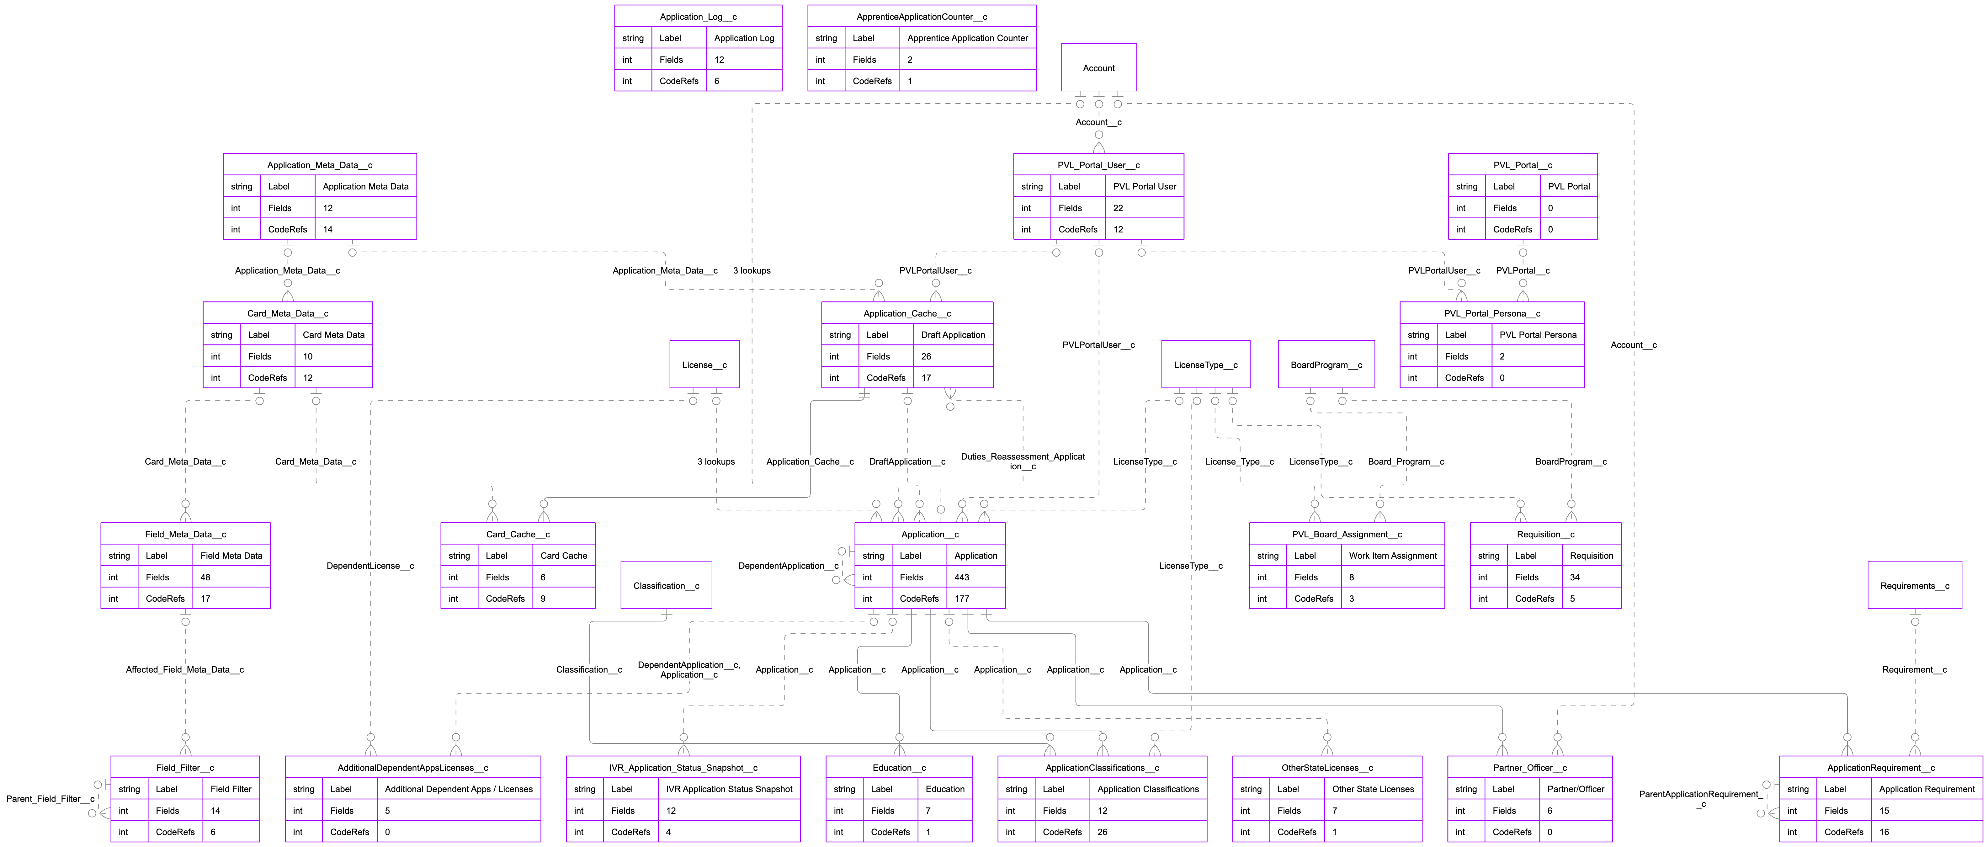

Objects in this domain (21) |  |  |  |  | Shown with 6 related objects from other domains.
Object API Name | Label | Fields | Relationship Fields | Code References
AdditionalDependentAppsLicenses__c
ApplicationClassifications__c
ApplicationRequirement__c
Application_Cache__c
Application_Log__c
Application_Meta_Data__c
Application__c
ApprenticeApplicationCounter__c
Card_Cache__c
Card_Meta_Data__c
Education__c
Field_Filter__c
Field_Meta_Data__c
IVR_Application_Status_Snapshot__c
OtherStateLicenses__c
PVL_Board_Assignment__c
PVL_Portal_Persona__c
PVL_Portal_User__c
PVL_Portal__c
Partner_Officer__c
Requisition__c

ERD - PVL Exams & CE
ERD: PVL: Exams & Continuing Education
Licensing exam requirements, courses, schools, instructors and earned CE / pre-licence credit.
‹ Back to README
Legend: solid line = master-detail (child owned by parent) · dashed line = lookup · crow's foot = "many" side · boxes with attribute rows = objects in this domain (Label, Fields, CodeRefs) · plain boxes = objects from other domains or managed packages. Lookups to User are omitted.

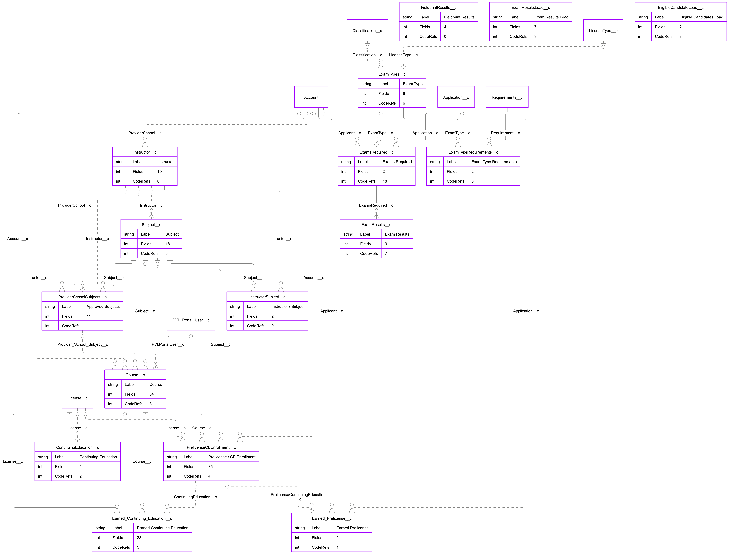

Objects in this domain (16) |  |  |  |  | Shown with 7 related objects from other domains.
Object API Name | Label | Fields | Relationship Fields | Code References
ContinuingEducation__c
Course__c
Earned_Continuing_Education__c
Earned_Prelicense__c
EligibleCandidateLoad__c
ExamResultsLoad__c
ExamResults__c
ExamTypeRequirements__c
ExamTypes__c
ExamsRequired__c
FieldprintResults__c
InstructorSubject__c
Instructor__c
PrelicenseCEEnrollment__c
ProviderSchoolSubjects__c
Subject__c

ERD - Payments & Finance
ERD: Payments & Finance
Transactions, line items, PaymentConnect payments, fees, deposits and reconciliation.
‹ Back to README
Legend: solid line = master-detail (child owned by parent) · dashed line = lookup · crow's foot = "many" side · boxes with attribute rows = objects in this domain (Label, Fields, CodeRefs) · plain boxes = objects from other domains or managed packages. Lookups to User are omitted.

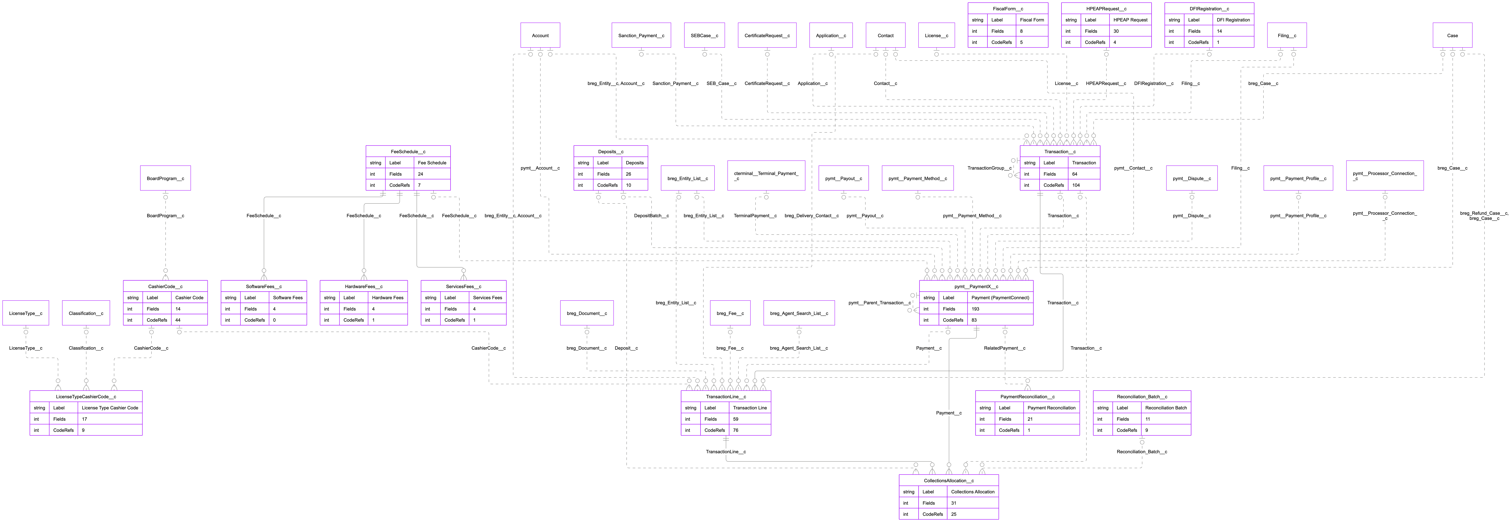

Objects in this domain (16) |  |  |  |  | Shown with 22 related objects from other domains.
Object API Name | Label | Fields | Relationship Fields | Code References
CashierCode__c
CollectionsAllocation__c
DFIRegistration__c
Deposits__c
FeeSchedule__c
FiscalForm__c
HPEAPRequest__c
HardwareFees__c
LicenseTypeCashierCode__c
PaymentReconciliation__c
Reconciliation_Batch__c
ServicesFees__c
SoftwareFees__c
TransactionLine__c
Transaction__c
pymt__PaymentX__c

ERD - Securities
ERD: Securities: Filings & Exams
Securities registrations (broker-dealer, investment adviser, offerings) and compliance examinations.
‹ Back to README
Legend: solid line = master-detail (child owned by parent) · dashed line = lookup · crow's foot = "many" side · boxes with attribute rows = objects in this domain (Label, Fields, CodeRefs) · plain boxes = objects from other domains or managed packages. Lookups to User are omitted.

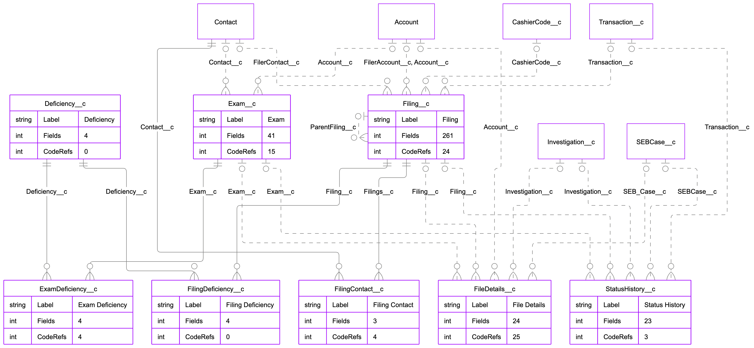

Objects in this domain (8) |  |  |  |  | Shown with 6 related objects from other domains.
Object API Name | Label | Fields | Relationship Fields | Code References
Deficiency__c
ExamDeficiency__c
Exam__c
FileDetails__c
FilingContact__c
FilingDeficiency__c
Filing__c
StatusHistory__c

ERD - Enforcement SEB-RICO
ERD: Enforcement: SEB & RICO
Securities Enforcement Branch cases, investigations, sanctions and RICO referrals.
‹ Back to README
Legend: solid line = master-detail (child owned by parent) · dashed line = lookup · crow's foot = "many" side · boxes with attribute rows = objects in this domain (Label, Fields, CodeRefs) · plain boxes = objects from other domains or managed packages. Lookups to User are omitted.

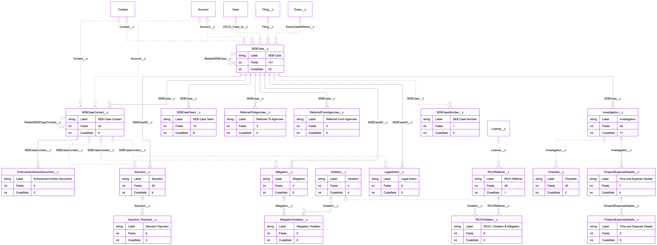

Objects in this domain (19) |  |  |  |  | Shown with 6 related objects from other domains.
Object API Name | Label | Fields | Relationship Fields | Code References
AllegationViolation__c
Allegation__c
Checklist__c
EnforcementActionDocument__c
Investigation__c
LegalAction__c
RICOReferral__c
RICOViolation__c
ReferredFromAgencies__c
ReferredToAgencies__c
SEBCaseContact__c
SEBCaseNumber__c
SEBCaseTeam__c
SEBCase__c
Sanction_Payment__c
Sanction__c
TimeandExpenseDetails__c
TimeandExpenseHeader__c
Violation__c

ERD - CATV INET
ERD: CATV / INET
Cable TV portal access requests and INET (Institutional Network) requests, quotes, POs and invoices.
‹ Back to README
Legend: solid line = master-detail (child owned by parent) · dashed line = lookup · crow's foot = "many" side · boxes with attribute rows = objects in this domain (Label, Fields, CodeRefs) · plain boxes = objects from other domains or managed packages. Lookups to User are omitted.

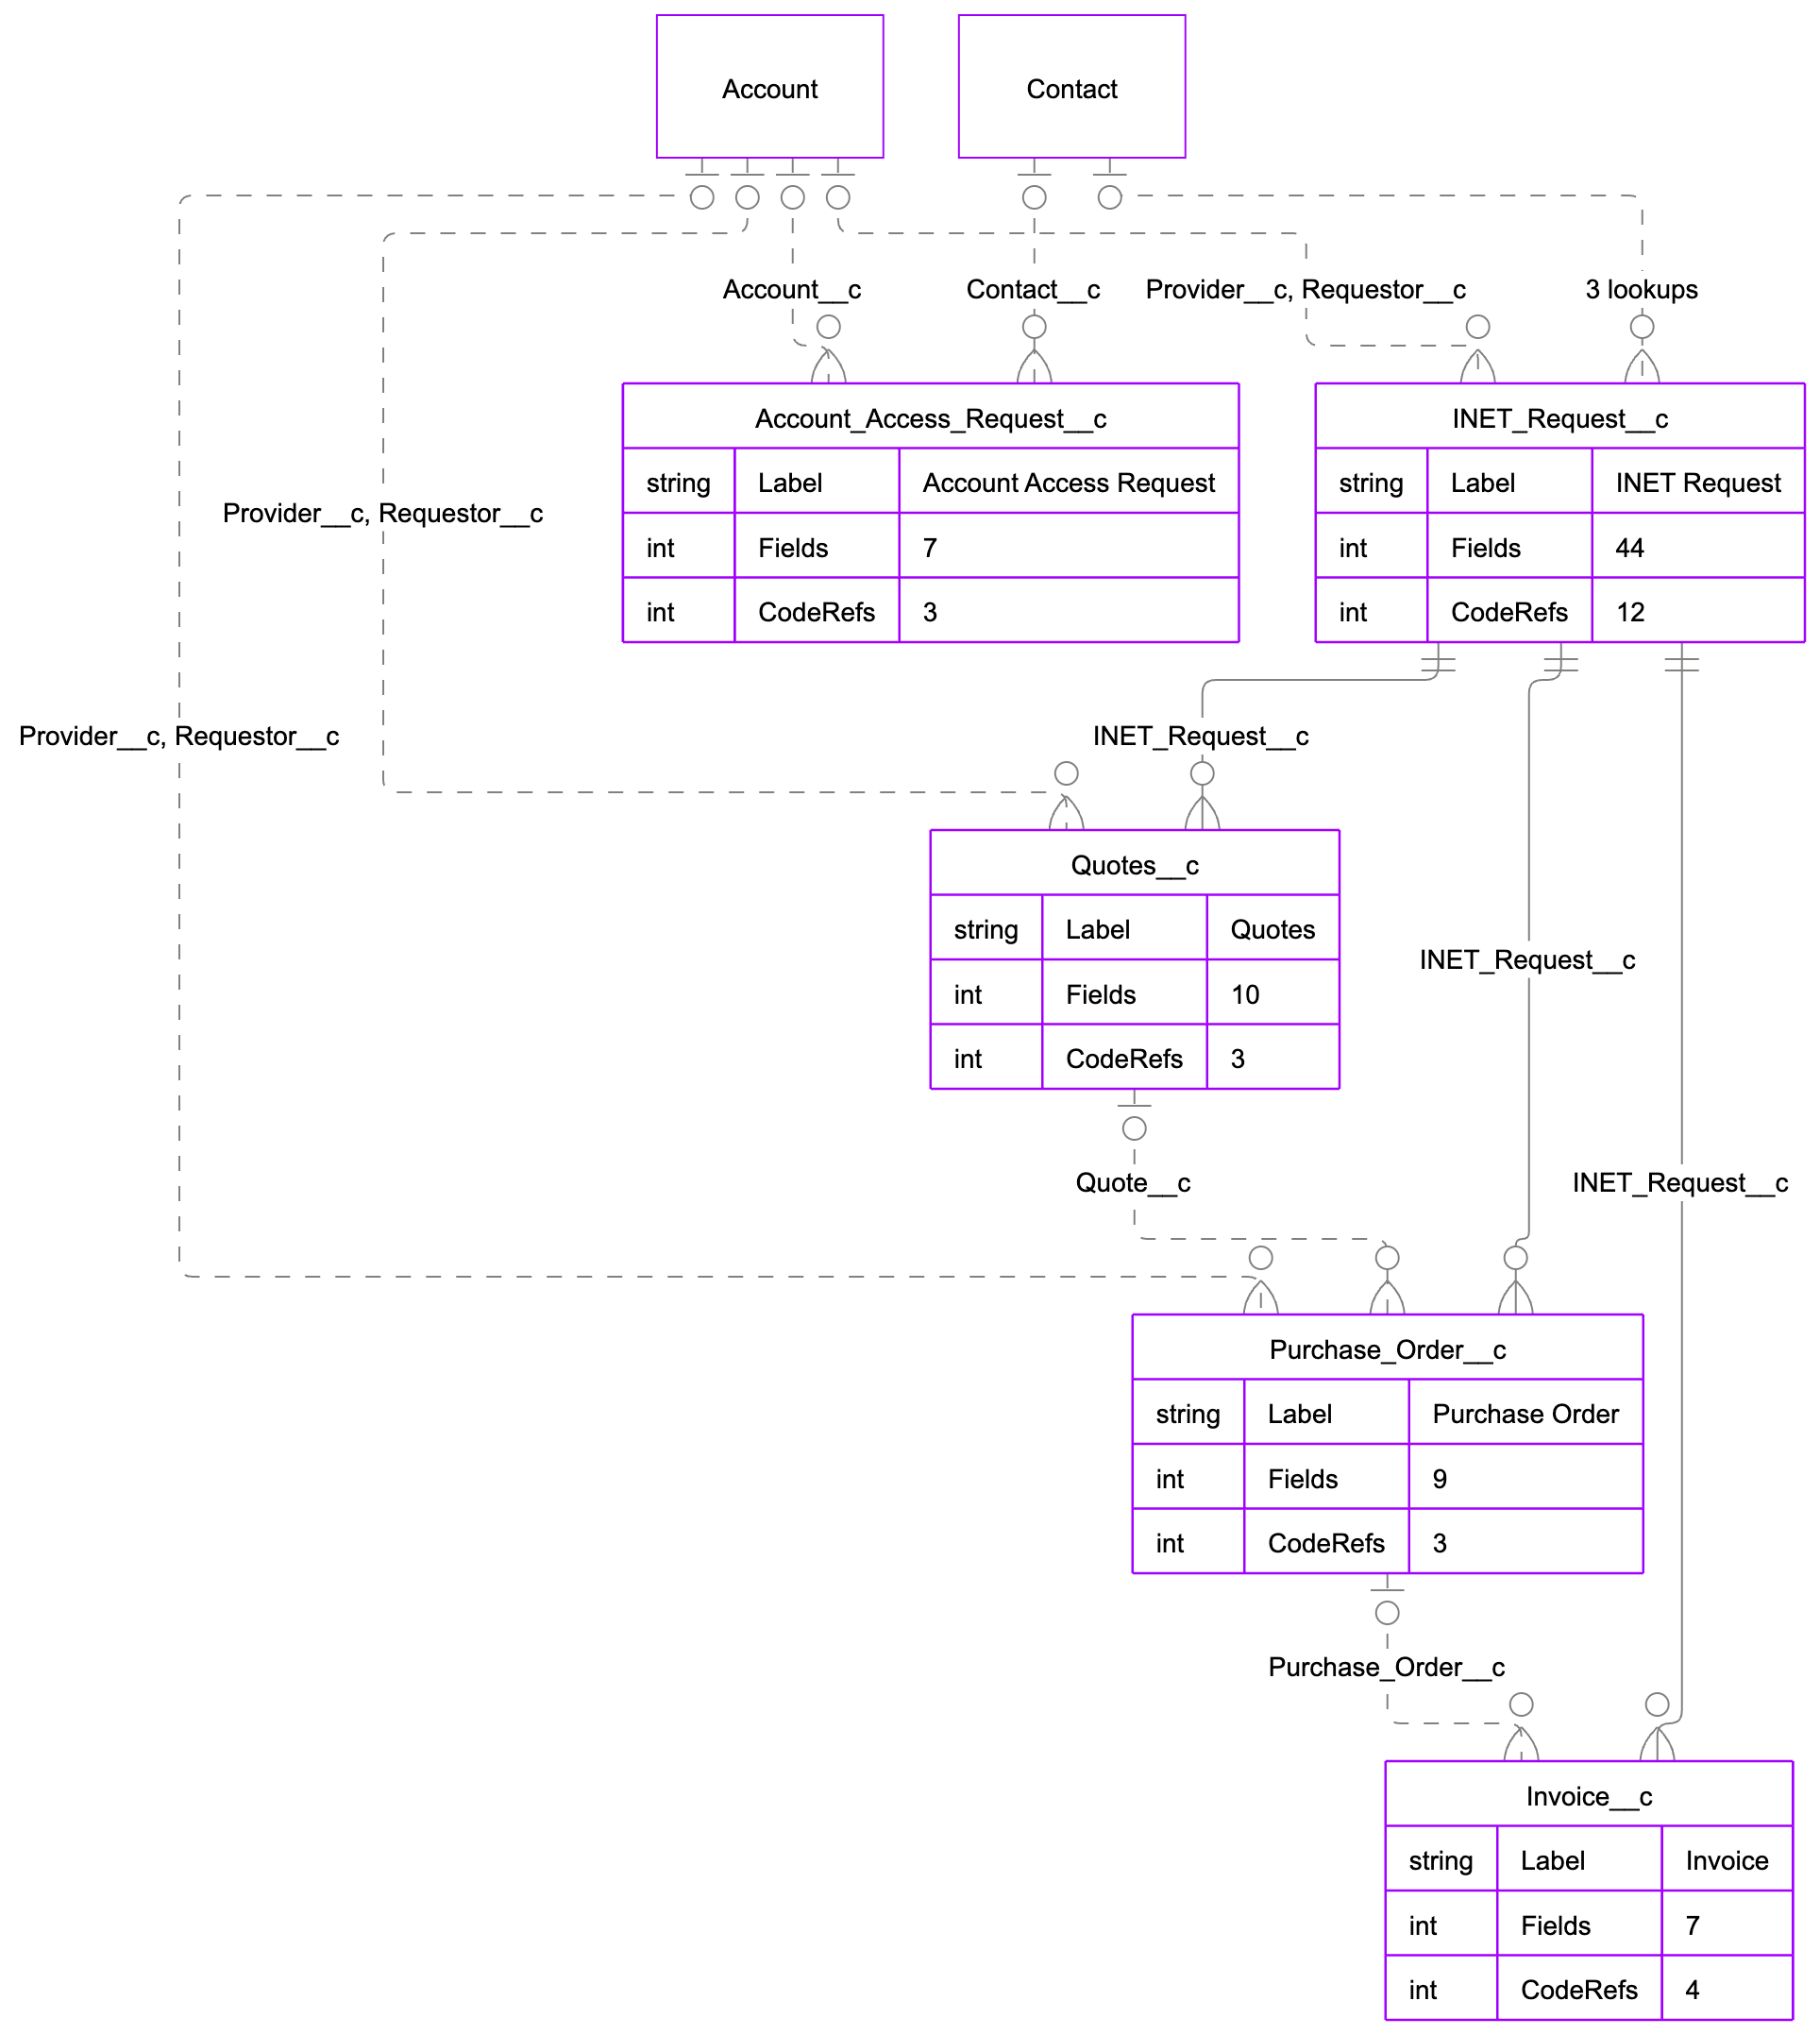

Objects in this domain (5) |  |  |  |  | Shown with 2 related objects from other domains.
Object API Name | Label | Fields | Relationship Fields | Code References
Account_Access_Request__c
INET_Request__c
Invoice__c
Purchase_Order__c
Quotes__c

ERD - Travel & Expense
ERD: Travel & Expense
Staff travel approval with expense worksheets (DocuSign approval).
‹ Back to README
Legend: solid line = master-detail (child owned by parent) · dashed line = lookup · crow's foot = "many" side · boxes with attribute rows = objects in this domain (Label, Fields, CodeRefs) · plain boxes = objects from other domains or managed packages. Lookups to User are omitted.

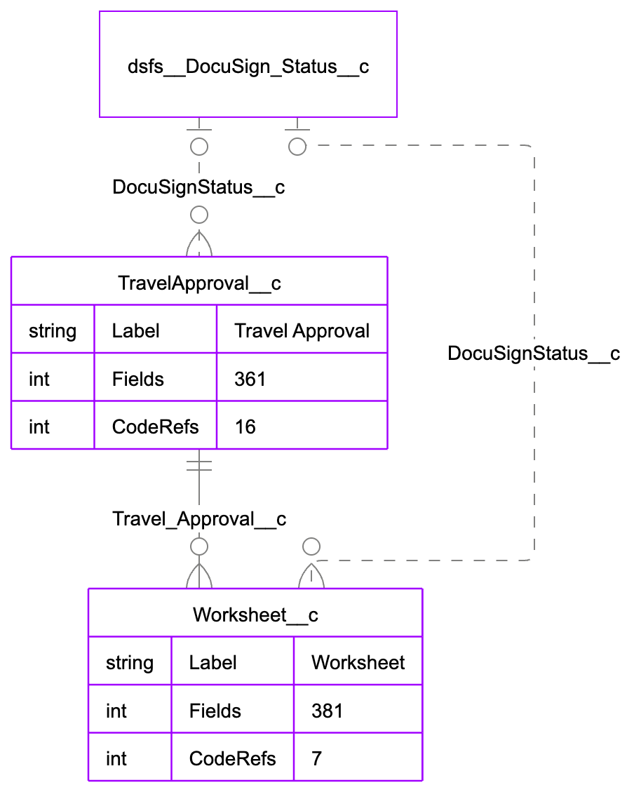

Objects in this domain (2) |  |  |  |  | Shown with 1 related objects from other domains.
Object API Name | Label | Fields | Relationship Fields | Code References
TravelApproval__c
Worksheet__c

