Sheet1
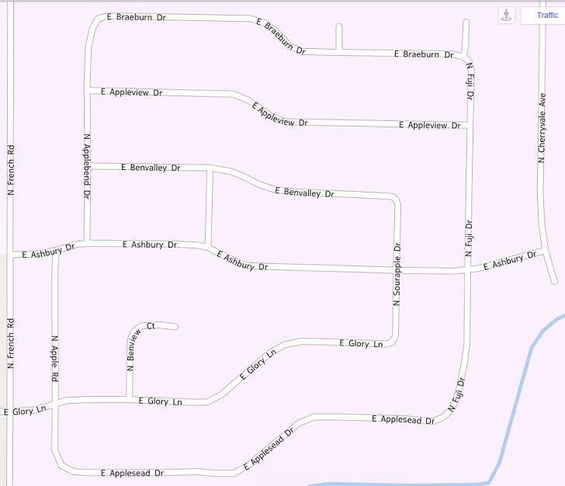
40
Apple Creek Estates Annual Rummage Sale * May 17th & 18th, 8am - 4pm
 | 15. 4217 E Glory Lane: Household items/small furniture, Kids toys/books, Miscellaneous items, 8-12 Friday and Saturday

32
38
39
33
31
36
34
35
 | 16. 4813 N Fuji Dr: Misc
 | 17. 4819 N Fuji Dr: Books, puzzles, small appliances, misc. vintage and retro collectibles and good stuff.
 | 18. 4822 N Fuji Dr: ceiling fan, bar stools, fire pit, Nesco, B/D jig saw, trimmer, power painter, cooler, Girls nb-12 mo. Women s/m, storage shelves, books, games, Hunting knives and sporting items. Will open Thur at 2pm
37
29
28
27
30
42
20
25
 | 19. 4819 N. Apple Rd: Various household. No children's things. 20. 3931 E Ashbury Dr: Household, toys, books. Open Thurs AM-afternoon
 | 21. 4027 E Ashbury Dr: Toys, Kids clothing, household. Opening Thurs. PM
 | 22. 4109 E Ashbury Dr: Girls 7-12, Boys3-5, John Deere power gator, books, games, scooters, toys, American Girl, Womens SM-MD, petite, & mens
22
21
26
23
24
 | 23. 4201 E Ashbury Dr: Electric stove, refrigerator, toys, misc. furniture, household decor, Christmas decor.
18
11
 | 24. 4217 E Ashbury Dr: Home decor, girls clothes, adult clothes, toys, bikes, kids toys, American Girl dolls, play house, books plus lots more
17
19
9
10
 | 25. 4836 N Sourapple Dr: Two rocking chairs, coffee table, Baby Bjorn
14
16
8
13
12
15
 | 26. 4831 N Fuji Dr. No More Babies Sale (furniture, clothes girls NB - 2T, boys NB -4T, toys, accessories)! Drywall lift, tools, household items.
6
 | 27. 3921 E Benvalley Dr: Boys clothes /shoes, Adult clothes /shoes, Toys/games/books, House hold items / decorations
4
7
5
3
2
41
1
 | 28. 4226 E Benvalley Dr: Boys 2T-7 clothes, shoes & boots. Children bedroom items. Books & toys! Women’s clothes. Perennials. Misc. household.
 | 29. 4912 Sourapple Dr:StampinUp products and papers and other surprises
 | 30. 4902 N Fuji Dr: Women’s clothes PINK, Aerie, Nike, Under Armour. Queen frame & mattress. Desks, gaming chair/ottoman. Household. Books.
1. 4017 E Appleseed Dr: Multifamily sale, Girls to size 6, Goys to size 10, books, games, kids bikes and toys, household misc | 31. 4009 E Appleview Dr: 4T/5T boy’s clothes, shoes, train table, toys, stroller, men’s and women’s clothes and shoes, jewelry, furniture
2. 4202 E Appleseed Dr: Opening Thurs PM. Multi-Family, Girl twins 2T-3T, Girls NB-20, Boys 0-3T & 8-14, Jr, Misses & Mens Clothes, Toys, Highchair, Housewares, Gardening, Furniture | 32. 4024 E Appleview Dr: TONS of girl clothes, (Size NB to 5), toys, accessories, household items, Open Thurs all day, Fri 1 to 4pm & Sat all day
3. 4210 E Appleseed Dr: Hargrove ink/paint framed pictures, CDs, DVDs, antiqued bookcase, garage and home miscellaneous. Metal patio table and chairs. | 33. 4118 E Appleview Dr: Loads of name brand girls clothing infant-teen. Kids toys/games/books. Furniture. Misc. household. Kids bikes
4. 4218 E Appleseed Dr: Multi family, tons of kids clothes 0-6 boys and girl, toys, books, jackets, bedding, baby items, 46 inch flat screen tv, holiday decor and lots more | 34. 4217 E Appleview Dr: Older girls & boys clothes! Household items. Everything will be very cheap! Open Thursday PM & Friday all day.
5. 4308 E Appleseed Dr: patio set, power wheels, scooters, home goods, kid clothes 6. 4802 N Apple Rd: Kids toys and numerous household items. | 35. 4225 E. Appleview Dr. Everything you could ever want...that we don’t.
7. 4011 E Glory Ln: Furniture | 36. 4310 E Appleview Dr: Girls clothes 4T-6x kids toys and books many household/ decorative items. Dining table. Opening Thurs PM.
8. 4802 Benview Ct: Girls clothing 7/8-10 and boys 6/8, toys, household items, no slip adjustable headbands, shoes | 37. 5010 N Fuji Dr : Multi family sale. Girl/teen clothes (Justice, Old Navy, American Eagle, Hollister) household & kitchen, toys, books, sporting goods.
9. 4813 Benview Ct: 0-5 boys. Some girl stuff too. | 38. 4225 E Braeburn Dr: Girls 4T- 6/7, Boys 4T- 6/7, Household, Sporting goods, Camping gear, Bikes, Toys, Indoor trampoline, Utility trailer
10. 4824 Benview Ct: Girls 4-12, Boys 18 mths-5T, toys (LT kitchen, small trampoline, Thomas & Friends), console table, Bob stroller, Instep dble bike trailer; Thurs, Fri, Sat AM | 39. 4301 E Braeburn Dr: Baby gear, girls nb-3T, boys nb-9 mth, Clothes: womens, JRs, scrubs, maternity, mens, household. Also Open Thurs 9-2
11. 4830 Benview Ct: Boys clothes 2T- 4T, girls clothes 4T-6, toddler toys and puzzles, kids toys, kids and adult jackets, men and women's clothes, coach purses, misc items. | 40. 5124 N Fuji Ct: Multi Family. Boys 7-14, Girls 7-16, decor, bikes, antiques, furniture, games, Soccer net, dolly/hand cart, edger, leaf blower
12. 4108 E Glory Ln: Miscellaneous items 13. 4116 E Glory Ln: Lots of furniture, household items and collectibles. | 41. 3923 E Glory Ln: Household, baby/jrs/adult clothes, microwave, mini fridge 42. 42. 4917 N Cherryvale Ave: Riding lawnmower, area rugs, kids & adults. Open Thurs & Fri
14. 4119 E Glory Ln: Jr, Misses & Men’s brand name clothing, furniture, decor, Coach & Dooney & Bourke purses, women’s shoes. ATV plow, welder, Handmaid crafts. | Also in the area: 4734 N Fallview Lane 2830 Gardenia Dr: Boys nb-3T. Girls nb-5T. Strollers, bouncer, car seat bases

