Instructions
File requirements:
1 | A *COPY* of the roster file which resulted in 'Format errors were found…"

2 | The error file exported during the import.
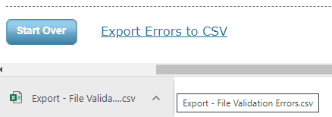

Setup
1 | Clear out any errors present in the 'Export - File Validation Errors' section of the Errors tab (B2 - F22)
2 | Place a COPY of your roster file in the same directory as this file AND open the copy.
3 | Enter the filename of the roster file in B2 of the Dashboard tab. (Do not include the file extension '.csv.')
4 | Copy up to 50 errors from your associated error file to the 'Export - File Validation Errors' section of the Errors tab.
 | a) | The errors are located from A thru E column in the exported file.
 | b) | Do not include the error file heading (row 1) when copying over the errors.
5 | After correcting an error, remove the "RF" or entire row from the Errors tab.
 | a) | Only the top most error (with 'RF') will be used by the tool.

General Information

This file is only for assisting with finding the 'format errors' that were detected during an import. It does not detect errors on its own, instead it utilizes the errors copied from the associated 'Export - File Validation Errors.cvs' to display helpful information concerning each particular error.

DASHBOARD ERRORS
Error |  | Description / Reason | Solution
LAST ROW |  | Data past the last detected row was found. This file uses only the column with heading 'School Name' to determine the last row of the roster file, but also checks past it by 100 rows (cols A-AC) for any data (generating this error). | Ensure the last row has an entry for 'School Name'
ERRONEOUOS DATA MISSING |  | Erroneuous Data' must be included for all errors EXCEPT 'Field cannot be empty' errors. | Replace missing data from source file. (ex. Export - File Validation Errors.csv')

