Hoja4
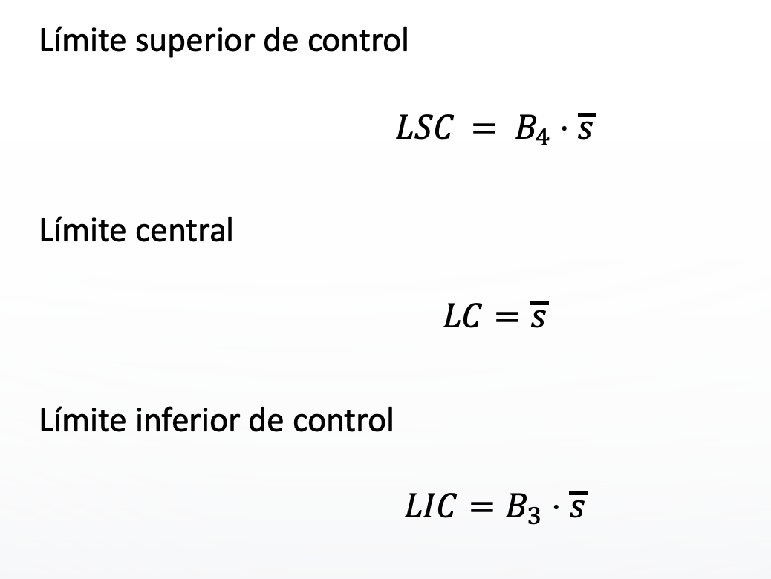
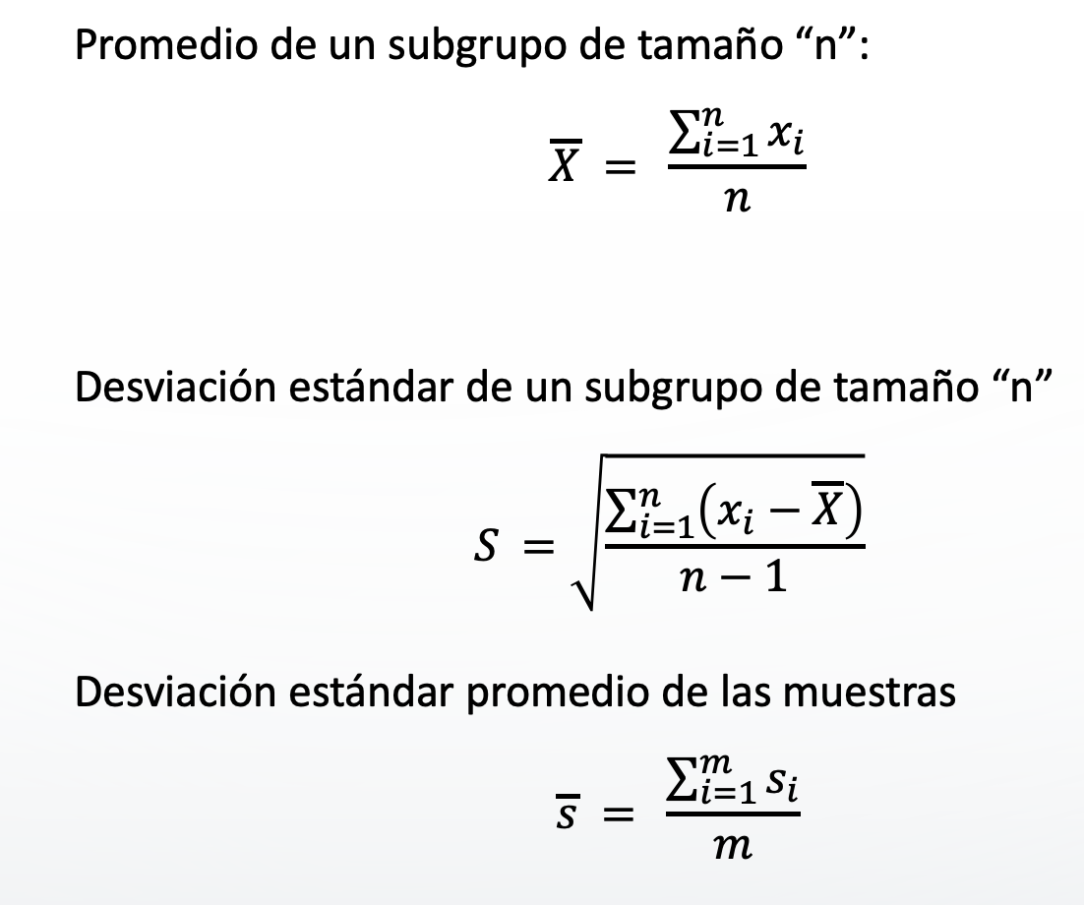
 |  |  |  |  |  |  |  |  |  |  |  | B3 | 0.284
 |  |  |  |  |  |  |  |  |  |  |  | B4 | 1.716

 | X1 | X2 | X3 | X4 | X5 | X6 | X7 | X8 | X9 | X10 | X | X_ | S | s_ | LIC | LSC
1 | 8.868 | 8.95 | 8.911 | 8.839 | 8.84 | 8.868 | 8.872 | 8.822 | 8.873 | 8.803 | 8.8646 | 8.8973666667 | 0.04277122605 | 0.053674229701 | 0.015243481235 | 0.092104978167
2 | 8.931 | 8.916 | 8.918 | 8.917 | 8.854 | 8.919 | 8.891 | 8.976 | 8.841 | 8.967 | 8.913 | 8.8973666667 | 0.042744720272 | 0.053674229701 | 0.015243481235 | 0.092104978167
3 | 8.804 | 8.905 | 8.864 | 8.96 | 8.858 | 8.837 | 8.995 | 8.814 | 8.941 | 8.988 | 8.8966 | 8.8973666667 | 0.071180833875 | 0.053674229701 | 0.015243481235 | 0.092104978167
4 | 8.912 | 8.845 | 8.927 | 8.853 | 8.899 | 8.974 | 8.812 | 8.865 | 8.87 | 8.86 | 8.8817 | 8.8973666667 | 0.046790431121 | 0.053674229701 | 0.015243481235 | 0.092104978167
5 | 8.833 | 8.965 | 8.87 | 8.903 | 8.809 | 8.848 | 8.883 | 9 | 8.991 | 8.989 | 8.9091 | 8.8973666667 | 0.071702239234 | 0.053674229701 | 0.015243481235 | 0.092104978167
6 | 8.843 | 8.822 | 8.959 | 8.865 | 8.909 | 8.839 | 8.81 | 8.934 | 8.899 | 8.802 | 8.8682 | 8.8973666667 | 0.054354392647 | 0.053674229701 | 0.015243481235 | 0.092104978167
7 | 8.915 | 8.817 | 8.817 | 8.969 | 8.839 | 8.887 | 8.988 | 8.896 | 8.919 | 8.949 | 8.8996 | 8.8973666667 | 0.06071280297 | 0.053674229701 | 0.015243481235 | 0.092104978167
8 | 8.967 | 8.871 | 8.899 | 8.825 | 8.937 | 8.849 | 8.905 | 8.887 | 8.972 | 8.907 | 8.9019 | 8.8973666667 | 0.047512454508 | 0.053674229701 | 0.015243481235 | 0.092104978167
9 | 8.823 | 8.834 | 8.813 | 8.95 | 8.946 | 8.8 | 8.926 | 8.926 | 8.994 | 8.954 | 8.8966 | 8.8973666667 | 0.071069918625 | 0.053674229701 | 0.015243481235 | 0.092104978167
10 | 8.879 | 8.889 | 8.9 | 8.853 | 8.93 | 8.827 | 8.863 | 8.809 | 8.876 | 8.914 | 8.874 | 8.8973666667 | 0.037508517551 | 0.053674229701 | 0.015243481235 | 0.092104978167
11 | 8.904 | 8.989 | 8.951 | 8.889 | 8.8 | 8.871 | 8.978 | 8.935 | 8.959 | 8.888 | 8.9164 | 8.8973666667 | 0.057488549585 | 0.053674229701 | 0.015243481235 | 0.092104978167
12 | 8.985 | 8.915 | 8.973 | 8.939 | 8.929 | 8.885 | 8.883 | 8.865 | 8.903 | 8.915 | 8.9192 | 8.8973666667 | 0.038625840516 | 0.053674229701 | 0.015243481235 | 0.092104978167
13 | 8.826 | 8.856 | 8.891 | 8.985 | 8.916 | 8.91 | 8.963 | 8.872 | 8.901 | 8.937 | 8.9057 | 8.8973666667 | 0.048157265519 | 0.053674229701 | 0.015243481235 | 0.092104978167
14 | 8.834 | 8.874 | 8.969 | 8.888 | 8.946 | 8.94 | 8.806 | 8.973 | 8.943 | 8.946 | 8.9119 | 8.8973666667 | 0.05808700371 | 0.053674229701 | 0.015243481235 | 0.092104978167
15 | 8.914 | 8.999 | 8.845 | 8.9 | 8.885 | 8.96 | 8.871 | 8.87 | 8.958 | 8.818 | 8.902 | 8.8973666667 | 0.056407249337 | 0.053674229701 | 0.015243481235 | 0.092104978167

