config
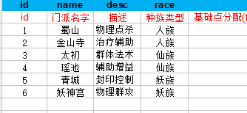
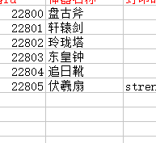
int | int | string | int | int
strength_open_level | spirit_open_level | school2artifact | maincost | strengthcost
强化开启等级 | 器灵开启等级 | 门派对应神器索引 | 神器升级消耗的材料 | 神器强化消耗的材料
999 | 10 | {[6]=22800,[1]=22801,[4]=22802,[3]=22803,[5]=22804,[2]=22805} | 10169 | 10170

