Feuille 2
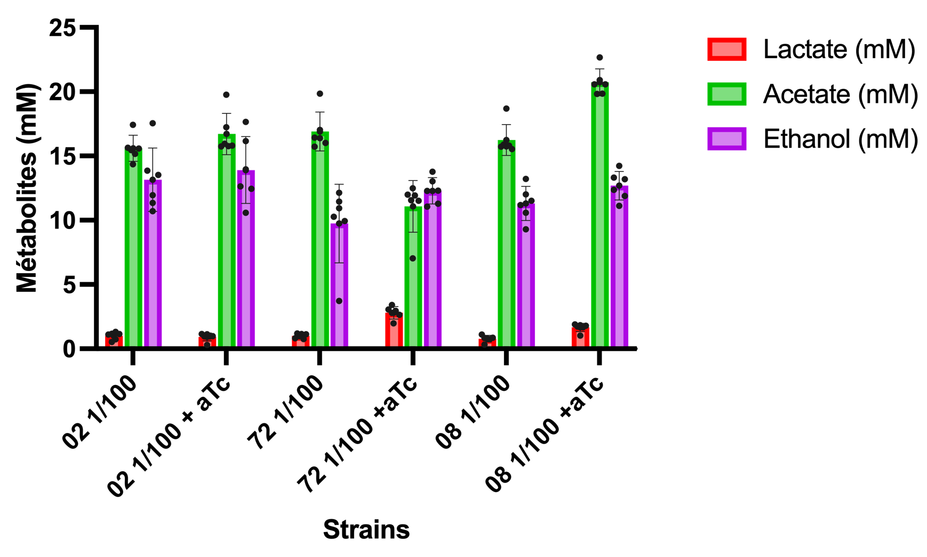
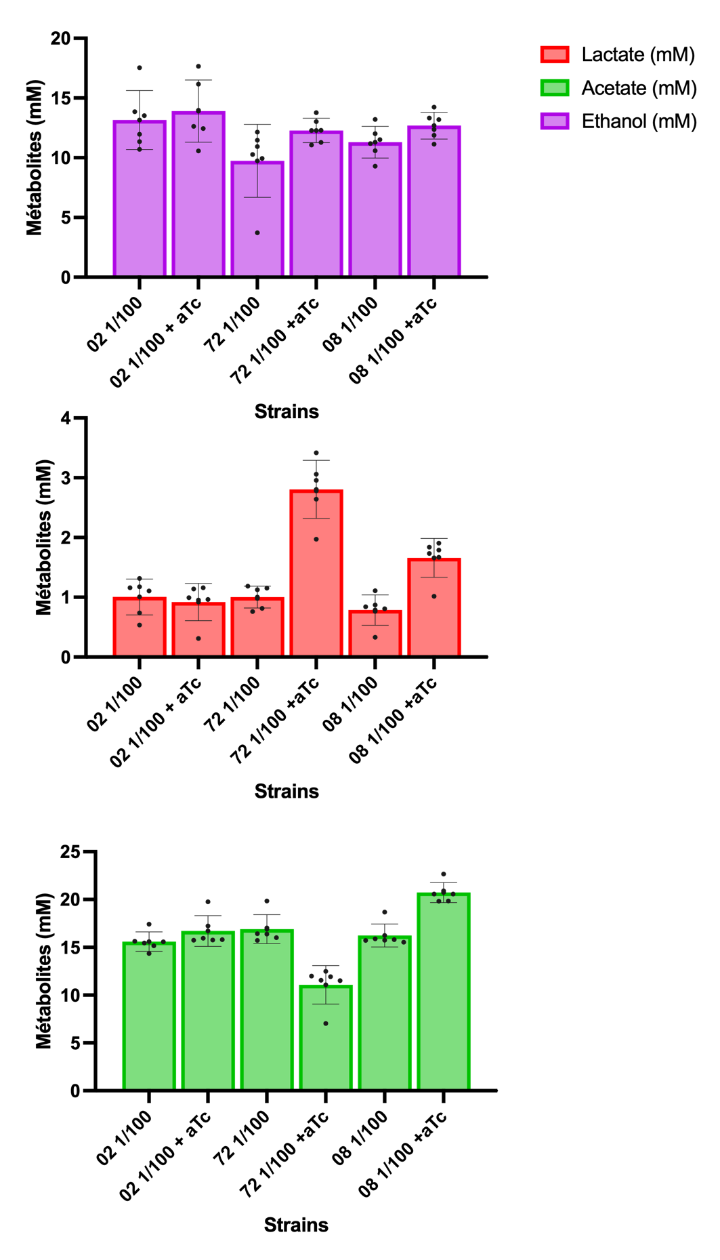
Name (to change) |  | Area
Metabolites | B1 | B2 | B3 | B4 | B5 | B6 | B7 | B8 | B9 | B10 | B11 | B12 | C1 | C2 | C3 | C4 | C5 | C6 | C7 | C8 | C9 | C10 | C11 | C12 | D1 | D2 | D3 | D4 | D5 | D6 | D7 | D8 | D9 | D10 | D11 | D12 | E1 | E2 | E3 | E4 | E5 | E6 | E7 | E8 | E9 | E10 | E11 | E12 | F1 | F2 | F3 | F4 | F5 | F6 | F7 | F8 | F9 | F10 | F11 | F12 | G1 | G2 | G3 | G4 | G5 | G6 | G7 | G8 | G9 | G10 | G11 | G12
Glucose |  |  |  |  |  |  |  |  |  |  |  |  |  |  |  |  |  |  |  |  |  |  |  |  |  |  |  |  |  |  |  |  |  |  |  |  |  | 1921 | 1713 | 1774 | 1707 | 1692 | 260739 | 214698 | 200619 | 265293 | 326508 | 830694 | 653967 |  | 1648 | 1475 |  | 1472 | 76378 | 70408 | 112855 | 463167 | 527559 | 823483 | 837425 | 106132 | 75323 | 1966 |  |  | 600435 | 429637 | 771392
Lactate | 4451 | 6145 | 10954 | 9782 | 9211 | 9637 | 2581 | 9638 | 7945 | 8006 | 8258 | 9472 | 6319 | 6785 | 9876 | 8164 | 9576 | 9364 | 16410 | 25469 | 24589 | 21989 | 23143 | 28436 | 2736 | 9228 | 7238 | 6722 | 6989 | 6347 | 8452 | 15312 | 14883 | 14407 | 15866 | 13896 | 843983 | 14328 | 3373 | 13662 | 12337 | 6365 | 4148 | 9148 | 8859 | 18797 | 6646 | 4888 | 115527 | 15651 | 6108 | 13243 | 7347 | 5112 | 8447 | 11846 | 12380 | 14263 | 14094 | 41481 | 8702 | 5229 | 6194 | 19699 | 14947 | 15643 | 7785 | 1969 | 2502 | 21910 | 21911 | 52547
Acetate | 86716 | 77827 | 75436 | 77508 | 71359 | 76867 | 78297 | 78379 | 85696 | 79312 | 78656 | 98364 | 98722 | 84705 | 78264 | 79706 | 81706 | 81474 | 57265 | 59317 | 57506 | 62120 | 59620 | 34993 | 92968 | 79085 | 78661 | 78254 | 78366 | 77318 | 102372 | 98589 | 98725 | 102391 | 103965 | 112706 | 4919 | 89989 | 88036 | 90796 | 90969 | 90816 | 70267 | 73810 | 73762 | 71545 | 62827 | 4553 | 8493 | 90511 | 90136 | 89630 | 93429 | 90455 | 87128 | 86238 | 82495 | 54218 | 48863 | 7823 | 4649 | 80694 | 84314 | 128428 | 125542 | 125025 | 38909 | 51625 | 14566 | 124303 | 126094 | 126809
Ethanol | 44326 | 37241 | 45438 | 35099 | 57507 | 39214 | 57888 | 52960 | 41422 | 40787 | 45790 | 34688 | 12212 | 37580 | 39819 | 35857 | 33674 | 32591 | 37001 | 45144 | 40318 | 40258 | 42700 | 36282 | 30501 | 34721 | 36682 | 37748 | 39399 | 43330 | 40549 | 43238 | 46672 | 43670 | 38982 | 36490 | 8603 | 57351 | 58013 | 49961 | 48803 | 52776 | 39323 | 39956 | 37642 | 39966 | 33606 | 20127 | 7192 | 59564 | 54534 | 53517 | 46433 | 49979 | 43088 | 48584 | 41812 | 44283 | 39866 | 34645 | 10347 | 34813 | 37944 | 46445 | 49636 | 49851 | 33149 | 39747 | 40501 | 45554 | 45348 | 38470

mM
 | B1 | B2 | B3 | B4 | B5 | B6 | B7 | B8 | B9 | B10 | B11 | B12 | C1 | C2 | C3 | C4 | C5 | C6 | C7 | C8 | C9 | C10 | C11 | C12
Glucose consommé | 27.775 | 27.775 | 27.775 | 27.775 | 27.775 | 27.775 | 27.775 | 27.775 | 27.775 | 27.775 | 27.775 | 27.775 | 27.775 | 27.775 | 27.775 | 27.775 | 27.775 | 27.775 | 27.775 | 27.775 | 27.775 | 27.775 | 27.775 | 27.775 | 27.775 | 27.775 | 27.775 | 27.775 | 27.775 | 27.775 | 27.775 | 27.775 | 27.775 | 27.775 | 27.775 | 27.775 | 27.775 | 27.715581361 | 27.72201503 | 27.720128233 | 27.722200616 | 27.722664583 | 19.710056541 | 21.134155206 | 21.569634129 | 19.569196323 | 17.675749183 | 2.0807228046 | 7.5470828914 | 27.775 | 27.724025551 | 27.729376631 | 27.775 | 27.729469424 | 25.412544627 | 25.59720328 | 24.28427098 | 13.448736315 | 11.457021078 | 2.3037669494 | 1.8725255866 | 24.492220749 | 25.445176935 | 27.714189462 | 27.775 | 27.775 | 9.2028864085 | 14.485856018 | 3.9149987549 | 27.775 | 27.775 | 27.775
Lactate | 0.53500559702 | 0.73862264518 | 1.316659472 | 1.175786284 | 1.1071526745 | 1.1583574339 | 0.31023353087 | 1.1584776329 | 0.95498078372 | 0.96231292064 | 0.99260306003 | 1.1385246046 | 0.75953726524 | 0.81554998333 | 1.1870849868 | 0.98130435724 | 1.151025297 | 1.1255431163 | 1.9724650297 | 3.0613474614 | 2.9555723714 | 2.6430550602 | 2.7817646668 | 3.4179777931 | 0.32886437058 | 1.1091960569 | 0.87000011486 | 0.80797744848 | 0.84007057236 | 0.76290283628 | 1.0159216594 | 1.8404865652 | 1.7889212088 | 1.7317065011 | 1.9070767923 | 1.6702848295 | 101.4458838 | 1.7222107828 | 0.40543111183 | 1.6421582715 | 1.4828946418 | 0.76506641767 | 0.49858531037 | 1.0995801396 | 1.0648426385 | 2.2593799612 | 0.79884232708 | 0.5875325451 | 13.886225928 | 1.8812340146 | 0.73417528344 | 1.5917949048 | 0.88310180214 | 0.61445711345 | 1.0153206646 | 1.4238769495 | 1.4880631973 | 1.71439785 | 1.6940842248 | 4.9859733026 | 1.0459714009 | 0.62852039246 | 0.74451239451 | 2.3677994284 | 1.7966139426 | 1.8802724229 | 0.93574894918 | 0.23667176377 | 0.30073781257 | 2.6335593419 | 2.6336795409 | 6.3160950588
Acetate | 17.432813924 | 15.645827867 | 15.165156963 | 15.581698206 | 14.345543715 | 15.452835785 | 15.740313573 | 15.756798314 | 17.227759837 | 15.944362493 | 15.812484571 | 19.774451184 | 19.846421148 | 17.02853572 | 15.733679471 | 16.02356966 | 16.425636497 | 16.378996744 | 11.512178714 | 11.924699289 | 11.560627768 | 12.488195961 | 11.985612415 | 7.0347624158 | 18.689674857 | 15.898727907 | 15.813489738 | 15.731669136 | 15.754184879 | 15.543501857 | 20.580193125 | 19.819683703 | 19.847024248 | 20.58401276 | 20.900439361 | 22.657672473 | 0.98888338592 | 18.090796303 | 17.698178037 | 18.253030272 | 18.287809053 | 18.25705094 | 14.126015222 | 14.838276624 | 14.82862702 | 14.382935931 | 12.630326588 | 0.91530515472 | 1.7073768239 | 18.195735748 | 18.120348216 | 18.018625306 | 18.782351263 | 18.184477876 | 17.515639693 | 17.33671995 | 16.584251864 | 10.899629888 | 9.8230959313 | 1.5726844334 | 0.93460436291 | 16.222190678 | 16.949931653 | 25.818319879 | 25.238137433 | 25.134203156 | 7.8220092829 | 10.378350233 | 2.9282527748 | 24.989057028 | 25.34910788 | 25.492846775
Ethanol | 13.519768589 | 11.35878947 | 13.858937083 | 10.705463108 | 17.540074274 | 11.960569541 | 17.656282184 | 16.153204541 | 12.634026407 | 12.440346556 | 13.966299772 | 10.580104968 | 3.7247532828 | 11.462187059 | 12.145099162 | 10.936658898 | 10.270827223 | 9.9405039501 | 11.285587636 | 13.769264838 | 12.297297974 | 12.278997515 | 13.023826169 | 11.066287144 | 9.3030379854 | 10.59017022 | 11.1882902 | 11.513428342 | 12.016995954 | 13.215980981 | 12.367754738 | 13.187920278 | 14.235316509 | 13.319683578 | 11.889807768 | 11.129728733 | 2.623980715 | 17.492493082 | 17.694408139 | 15.238486633 | 14.885287787 | 16.097083135 | 11.993815373 | 12.186885208 | 11.481097533 | 12.189935285 | 10.250086703 | 6.1388887424 | 2.1936149369 | 18.167474986 | 16.633286564 | 16.323093796 | 14.162419684 | 15.24397677 | 13.142169133 | 14.818491114 | 12.752979386 | 13.506653261 | 12.159434521 | 10.56698964 | 3.1559140367 | 10.618230923 | 11.57320984 | 14.166079775 | 15.13935915 | 15.204935793 | 10.110698212 | 12.123138612 | 12.353114372 | 13.894317969 | 13.831486396 | 11.733643857

mM (Glucose consommé)
 | B1 | B2 | B3 | B4 | B5 | B6 | B7 | B8 | B9 | B10 | B11 | B12 | C1 | C2 | C3 | C4 | C5 | C6 | C7 | C8 | C9 | C10 | C11 | C12 | D1 | D2 | D3 | D4 | D5
Glucose consommé % | 100 | 100 | 100 | 100 | 100 | 100 | 100 | 100 | 100 | 100 | 100 | 100 | 100 | 100 | 100 | 100 | 100 | 100 | 100 | 100 | 100 | 100 | 100 | 100 | 100 | 100 | 100 | 100 | 100 | 100 | 100 | 100 | 100 | 100 | 100 | 100 | 100 | 99.786071509 | 99.809235031 | 99.802441882 | 99.809903209 | 99.811573656 | 70.963299878 | 76.090567798 | 77.65844871 | 70.456152377 | 63.639060963 | 7.4913512317 | 27.17221563 | 100 | 99.816473631 | 99.835739446 | 100 | 99.836073535 | 91.494310088 | 92.159147722 | 87.432118738 | 48.420292762 | 41.24940082 | 8.2943904571 | 6.7417662884 | 88.180812777 | 91.611798146 | 99.78106017 | 100 | 100 | 33.133704441 | 52.154297093 | 14.095405058 | 100 | 100 | 100
mM (normalized glucose)
 | B1 | B2 | B3 | B4 | B5 | B6 | B7 | B8 | B9 | B10 | B11 | B12 | C1 | C2 | C3 | C4 | C5 | C6 | C7 | C8 | C9 | C10 | C11 | C12 | D1 | D2 | D3 | D4 | D5 | D6 | D7 | D8 | D9 | D10 | D11 | D12 | E1 | E2 | E3 | E4 | E5 | E6 | E7 | E8 | E9 | E10 | E11 |  | F1 | F2 | F3 | F4 | F5 | F6 | F7 | F8 | F9 | F10 | F11 | F12 | G1 | G2 | G3 | G4 | G5 | G6 | G7 | G8 | G9 | G10 | G11 | G12
Glucose | 27.775 | 27.775 | 27.775 | 27.775 | 27.775 | 27.775 | 27.775 | 27.775 | 27.775 | 27.775 | 27.775 | 27.775 | 27.775 | 27.775 | 27.775 | 27.775 | 27.775 | 27.775 | 27.775 | 27.775 | 27.775 | 27.775 | 27.775 | 27.775 | 27.775 | 27.775 | 27.775 | 27.775 | 27.775 | 27.775 | 27.775 | 27.775 | 27.775 | 27.775 | 27.775 | 27.775 | 27.775 | 27.775 | 27.775 | 27.775 | 27.775 | 27.775 | 27.775 | 27.775 | 27.775 | 27.775 | 27.775 | 27.775 | 27.775 | 27.775 | 27.775 | 27.775 | 27.775 | 27.775 | 27.775 | 27.775 | 27.775 | 27.775 | 27.775 | 27.775 | 27.775 | 27.775 | 27.775 | 27.775 | 27.775 | 27.775 | 27.775 | 27.775 | 27.775 | 27.775 | 27.775 | 27.775
Lactate | 0.53500559702 | 0.73862264518 | 1.316659472 | 1.175786284 | 1.1071526745 | 1.1583574339 | 0.31023353087 | 1.1584776329 | 0.95498078372 | 0.96231292064 | 0.99260306003 | 1.1385246046 | 0.75953726524 | 0.81554998333 | 1.1870849868 | 0.98130435724 | 1.151025297 | 1.1255431163 | 1.9724650297 | 3.0613474614 | 2.9555723714 | 2.6430550602 | 2.7817646668 | 3.4179777931 | 0.32886437058 | 1.1091960569 | 0.87000011486 | 0.80797744848 | 0.84007057236 | 0.76290283628 | 1.0159216594 | 1.8404865652 | 1.7889212088 | 1.7317065011 | 1.9070767923 | 1.6702848295 | 101.4458838 | 1.725902981 | 0.4062060106 | 1.6454089104 | 1.4857189458 | 0.76651072581 | 0.70259600558 | 1.4450938815 | 1.37118711 | 3.2067887402 | 1.2552704502 | 7.8428113558 | 51.104503649 | 1.8812340146 | 0.73552516607 | 1.5944138979 | 0.88310180214 | 0.61546602515 | 1.1097090776 | 1.5450196586 | 1.7019640136 | 3.5406598188 | 4.1069305035 | 60.112594511 | 15.514797697 | 0.7127632108 | 0.81268178289 | 2.3729948593 | 1.7966139426 | 1.8802724229 | 2.8241603677 | 0.45379149363 | 2.1335875864 | 2.6335593419 | 2.6336795409 | 6.3160950588
Acetate | 17.432813924 | 15.645827867 | 15.165156963 | 15.581698206 | 14.345543715 | 15.452835785 | 15.740313573 | 15.756798314 | 17.227759837 | 15.944362493 | 15.812484571 | 19.774451184 | 19.846421148 | 17.02853572 | 15.733679471 | 16.02356966 | 16.425636497 | 16.378996744 | 11.512178714 | 11.924699289 | 11.560627768 | 12.488195961 | 11.985612415 | 7.0347624158 | 18.689674857 | 15.898727907 | 15.813489738 | 15.731669136 | 15.754184879 | 15.543501857 | 20.580193125 | 19.819683703 | 19.847024248 | 20.58401276 | 20.900439361 | 22.657672473 | 0.98888338592 | 18.129580642 | 17.73200449 | 18.289161996 | 18.322639804 | 18.291516977 | 19.906085606 | 19.500809435 | 19.094673234 | 20.414024107 | 19.846814829 | 12.218158332 | 6.2835392118 | 18.195735748 | 18.153664978 | 18.048271497 | 18.782351263 | 18.214335993 | 19.143966085 | 18.811719052 | 18.968145921 | 22.510458458 | 23.813911805 | 18.960819865 | 13.862900654 | 18.396508454 | 18.501909138 | 25.874970496 | 25.238137433 | 25.134203156 | 23.607409479 | 19.899319542 | 20.774520227 | 24.989057028 | 25.34910788 | 25.492846775
Ethanol | 13.519768589 | 11.35878947 | 13.858937083 | 10.705463108 | 17.540074274 | 11.960569541 | 17.656282184 | 16.153204541 | 12.634026407 | 12.440346556 | 13.966299772 | 10.580104968 | 3.7247532828 | 11.462187059 | 12.145099162 | 10.936658898 | 10.270827223 | 9.9405039501 | 11.285587636 | 13.769264838 | 12.297297974 | 12.278997515 | 13.023826169 | 11.066287144 | 9.3030379854 | 10.59017022 | 11.1882902 | 11.513428342 | 12.016995954 | 13.215980981 | 12.367754738 | 13.187920278 | 14.235316509 | 13.319683578 | 11.889807768 | 11.129728733 | 2.623980715 | 17.529994735 | 17.728227386 | 15.268651092 | 14.913638135 | 16.127471541 | 16.901434113 | 16.016288958 | 14.784093326 | 17.30144902 | 16.106596402 | 81.946347895 | 8.0730072466 | 18.167474986 | 16.663869158 | 16.349950315 | 14.162419684 | 15.269006713 | 14.363919592 | 16.079240619 | 14.586149312 | 27.894612961 | 29.477845204 | 127.39923078 | 46.811382978 | 12.04143009 | 12.632881434 | 14.19716302 | 15.13935915 | 15.204935793 | 30.514843972 | 23.244755059 | 87.639300329 | 13.894317969 | 13.831486396 | 11.733643857

Mean (mM)
 | B1 |  |  |  |  |  | B7 |  |  |  |  |  | C1 |  |  |  |  |  | C7 |  |  |  |  |  | D1 |  |  |  |  |  | D7 |  |  |  |  |  | E1 |  |  |  |  |  | E7 |  |  |  |  |  | F1 |  |  |  |  |  | F7 |  |  |  |  |  | G1 |  |  |  |  |  | G7
Glucose | 27.775 |  |  |  |  |  | 27.775 |  |  |  |  |  | 27.775 |  |  |  |  |  | 27.775 |  |  |  |  |  | 27.775 |  |  |  |  |  | 27.775 |  |  |  |  |  | 27.775 |  |  |  |  |  | 27.775 |  |  |  |  |  | 27.775 |  |  |  |  |  | 27.775 |  |  |  |  |  | 27.775 |  |  |  |  |  | 27.775
Lactate | 1.0052640178 |  |  |  |  |  | 0.91952208879 |  |  |  |  |  | 1.0033408343 |  |  |  |  |  | 2.8053637304 |  |  |  |  |  | 0.78650189991 |  |  |  |  |  | 1.6590662594 |  |  |  |  |  | 17.912605229 |  |  |  |  |  | 2.6372912572 |  |  |  |  |  | 9.4690407591 |  |  |  |  |  | 12.019479597 |  |  |  |  |  | 3.848353986 |  |  |  |  |  | 2.8324788982
Acetate | 15.60397941 |  |  |  |  |  | 16.709361662 |  |  |  |  |  | 16.906139873 |  |  |  |  |  | 11.084346094 |  |  |  |  |  | 16.238541396 |  |  |  |  |  | 20.731504278 |  |  |  |  |  | 15.292297882 |  |  |  |  |  | 18.496760924 |  |  |  |  |  | 16.279649782 |  |  |  |  |  | 20.368170198 |  |  |  |  |  | 21.168104889 |  |  |  |  |  | 23.352043488
Ethanol | 13.157267011 |  |  |  |  |  | 13.905044071 |  |  |  |  |  | 9.7466715957 |  |  |  |  |  | 12.286876879 |  |  |  |  |  | 11.304650614 |  |  |  |  |  | 12.688368601 |  |  |  |  |  | 14.031993934 |  |  |  |  |  | 27.176034952 |  |  |  |  |  | 14.780954684 |  |  |  |  |  | 38.30016641 |  |  |  |  |  | 19.337858744 |  |  |  |  |  | 30.143057931

Métabolites | Glucose consomé (mM) | Lactate (mM) | Acétate (mM) | Ethanol (mM)
02 1/100 | 27.775 | 1.0052640178 | 15.60397941 | 13.157267011 |  |  | Métabolites | Lactate (mM) | Acétate (mM) | Ethanol (mM)
02 1/100 + aTc | 27.775 | 0.91952208879 | 16.709361662 | 13.905044071 |  |  | 02 1/100 + aTc | 0.91952208879 | 16.709361662 | 13.905044071
72 1/100 | 27.775 | 1.0033408343 | 16.906139873 | 9.7466715957 |  |  | 72 1/100 +aTc | 2.8053637304 | 11.084346094 | 12.286876879
72 1/100 +aTc | 27.775 | 2.8053637304 | 11.084346094 | 12.286876879 |  |  | 08 1/100 +aTc | 1.6590662594 | 20.731504278 | 12.688368601
08 1/100 | 27.775 | 0.78650189991 | 16.238541396 | 11.304650614
08 1/100 +aTc | 27.775 | 1.6590662594 | 20.731504278 | 12.688368601
Lactate (mM), Acétate (mM) et Ethanol (mM)
 | Lactate (mM) | Acétate (mM) | Ethanol (mM)
02 1/100 + aTc | 0.91952208879 | 16.709361662 | 13.905044071
72 1/100 +aTc | 2.8053637304 | 11.084346094 | 12.286876879
08 1/100 +aTc | 1.6590662594 | 20.731504278 | 12.688368601
94 1/100 | 27.775 | 17.912605229 | 15.292297882 | 14.031993934
94 1/100 +aTc | 27.775 | 2.6372912572 | 18.496760924 | 27.176034952
95 1/100 | 27.775 | 9.4690407591 | 16.279649782 | 14.780954684
95 1/100 +aTc | 27.775 | 12.019479597 | 20.368170198 | 38.30016641
100 1/100 | 27.775
100 1/100 +aTc | 27.775 | 2.8324788982 | 23.352043488 | 30.143057931

