Basic Arithmetic Operations
Test Environment
OS: Windows 11
Compiler: g++ (MinGW-w64) on Windows
IDE (Optional): Visual Studio, VS Code

S/No | Test Case | Input | Expected Output | Actual Output | Status
1 | Addition | 1. Enter an operator: + 2. Enter first number: 5 3. Enter second number: 3 4. Result: 8 | Result: 8 | 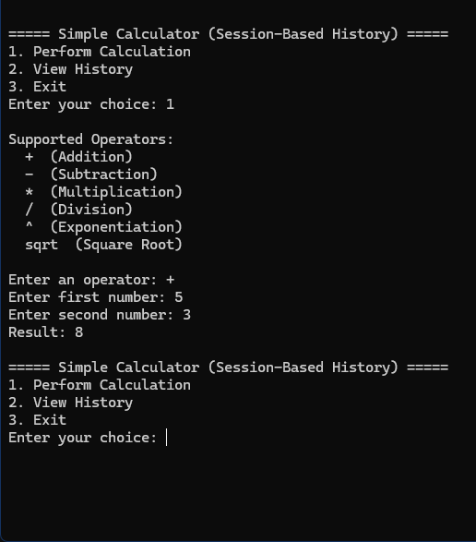 | Pass
2 | Subtraction | 1. Enter an operator: - 2. Enter first number: 10 3. Enter second number: 7 4. Result: 3 | Result: 3 | 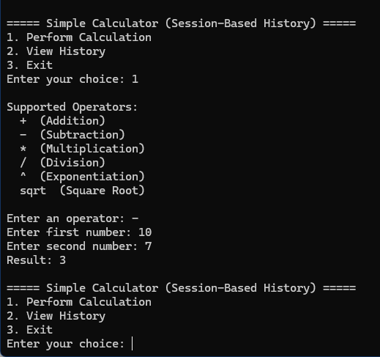 | Pass
3 | Multiplication | 1. Enter an operator: * 2. Enter first number: 4 3. Enter second number: 6 4. Result: 24 | Result: 24 | 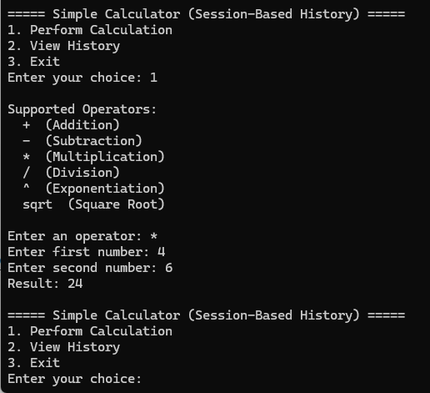 | Pass
4 | Division | 1. Enter an operator: / 2. Enter first number: 9 3. Enter second number: 3 4. Result: 3 | Result: 3 | 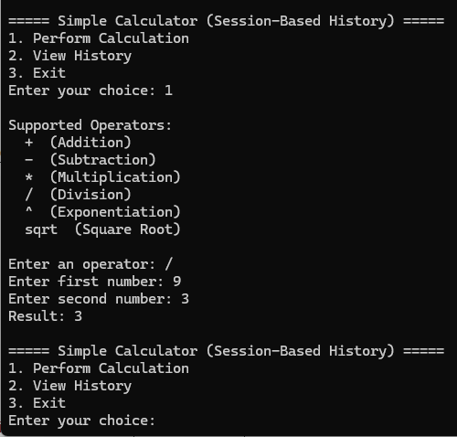 | Pass
5 | Division by Zero | 1. Enter an operator: / 2. Enter first number: 0 3. Prompts error message, "Error: Cannot divide by zero!" | Prompts error message, "Error: Cannot divide by zero!" | 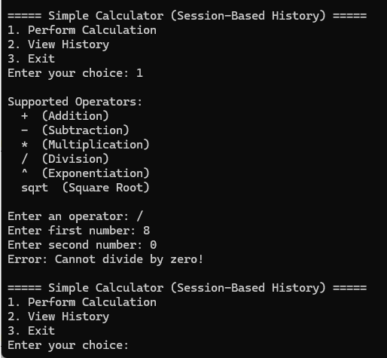 | Pass
6 | Exponentiation | 1. Enter an operator: ^ 2. Enter first number: 2 3. Enter second number: 5 4. Result: 32 | Result: 32 | 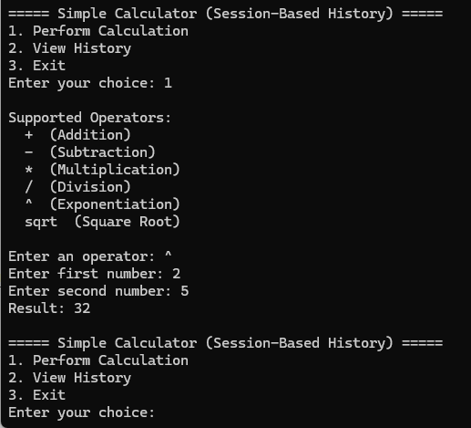 | Pass
7 | Square Root | 1. Enter an operator: sqrt 2. Enter first number: 25 3. Result: 5 | Result: 5 | 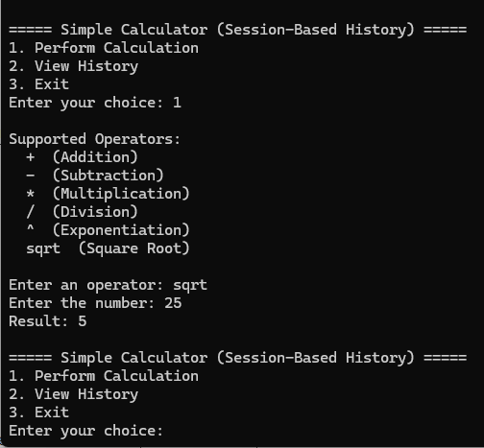 | Pass
8 | Square Root (Negative) | 1. Enter an operator: sqrt 2. Enter first number: -4 3. Prompts error message, "Error: Cannot take square root of a negative number!" | Prompts error message, "Error: Cannot take square root of a negative number!" | 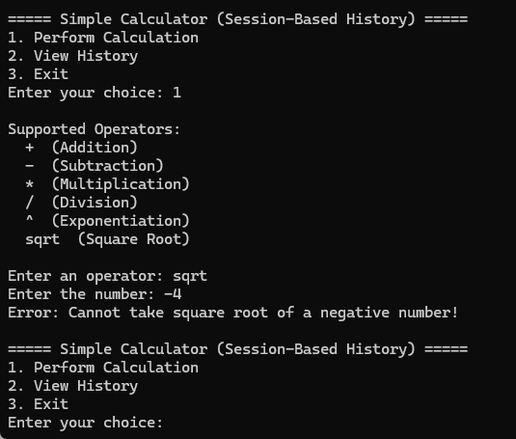 | Pass
9 | Non-Numeric Input | 1. Enter an operator: + (This can be any listed operators) 2. Enter first number: five 3. Prompts error message, "Error: Please enter a valid number." | Prompts error message, "Error: Please enter a valid number." | 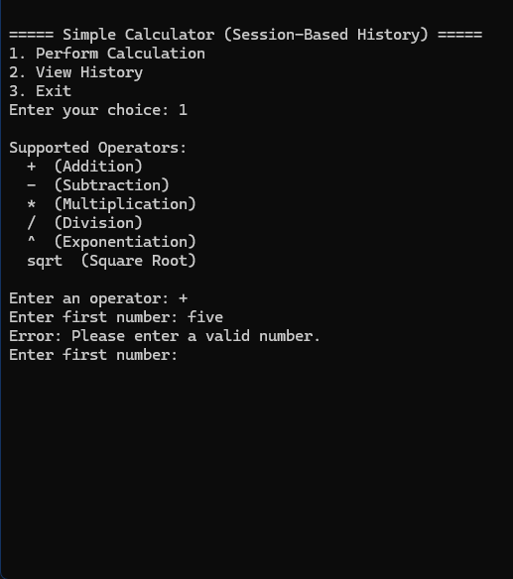 | Pass
10 | Incorrect Operator | 1. Enter an operator: & (This can be any but the listed operators) 2. Prompts error message, "Invalid operator! Please use one from the list above." | Prompts error message, "Invalid operator! Please use one from the list above." | 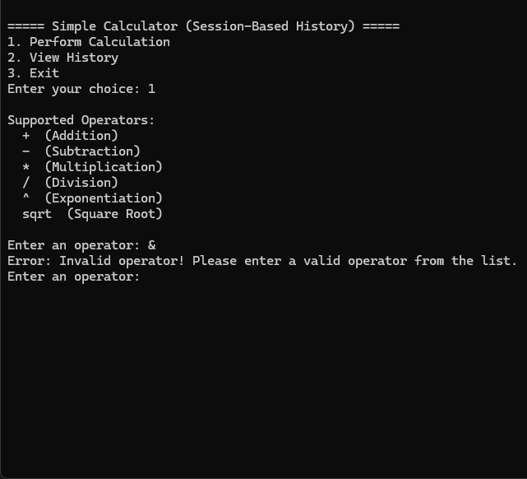 | Pass
11 | Empty Input | 1. Enter an operator: + (This can be any listed operators) 2. Enter first number: " " 3. Prompts error message, "Input cannot be empty! Please enter a number." | Prompts error message, "Input cannot be empty! Please enter a number." | 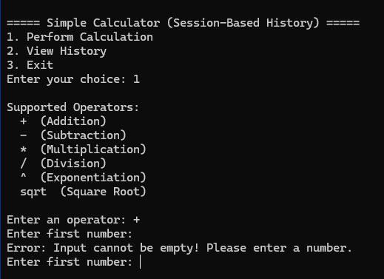 | Pass

Memory-Based History Testing
Test Environment
OS: Windows 11
Compiler: g++ (MinGW-w64) on Windows
IDE (Optional): Visual Studio, VS Code

S/No | Test Case | Scenario | Expected Output | Actual Output | Status
1 | View History Before Calculation | 1. Start program 2. To view history, Enter your choice: 2 3. Prompts message, "No history available." | Prompts message, "No history available." | 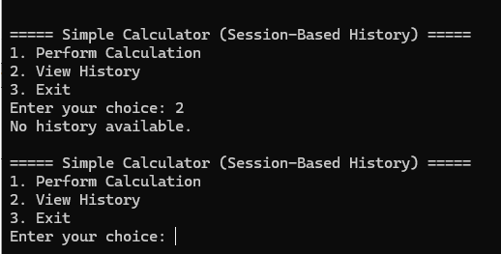 | Pass
2 | Perform a Calculation & View History | 1. Perform a calculation by Enter your choice: 1 2. Perform addition by: Enter your operator: + Enter your first number: 5 Enter your second number: 3 Result: 8 3. Select view history again 4. Shows 5 + 3 = 8 | Shows 5 + 3 = 8 | 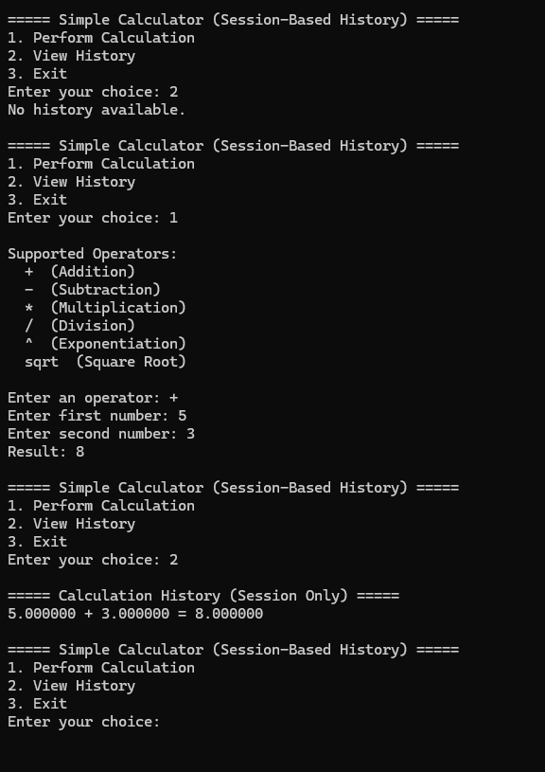 | Pass
3 | Restart Program & View History | 1. Close and start up the program again. 2. View history again by Enter your choice: 2 3. Prompts message, "No history available." | Prompts message, "No history available." |  | Pass

Edge Case Tests
Test Environment
OS: Windows 11
Compiler: g++ (MinGW-w64) on Windows
IDE (Optional): Visual Studio, VS Code

S/No | Test Case | Input | Expected Output | Actual Output | Status
1 | Large Number Input | 1. Enter an operator: * 2. Enter first number: 999999999 3. Enter second number: 999999999 4. Result: 1e+18 | Result: 1e+18 | 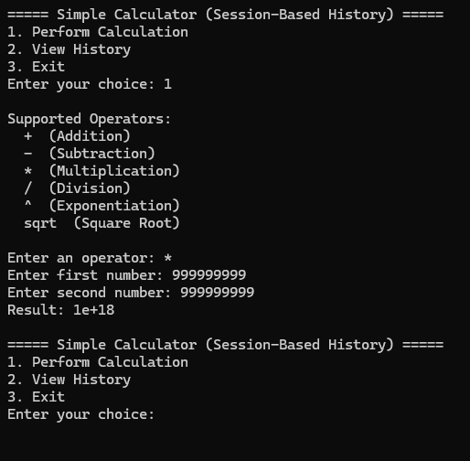 | Pass
2 | Floating-Point Precision | 1. Enter an operator: * 2. Enter first number: 0.1 3. Enter second number: 0.2 4. Result: 0.3 | Result: 0.3 | 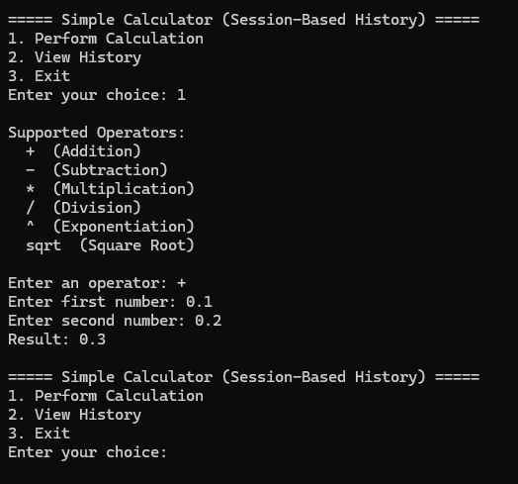 | Pass
3 | Multiple Consecutive Operations | 1. Perform First Calculation where 2 + 2 = 4 2. Perform Next Calculation where 4 * 4 = 16 3. Perform Third Calculation where 8 / 2 = 4 | Each calculation is independent (i.e., the result of the previous calculation is NOT used as the first operand for the next calculation). The calculator does NOT store previous results for automatic reuse. The user must enter two new numbers for each operation | 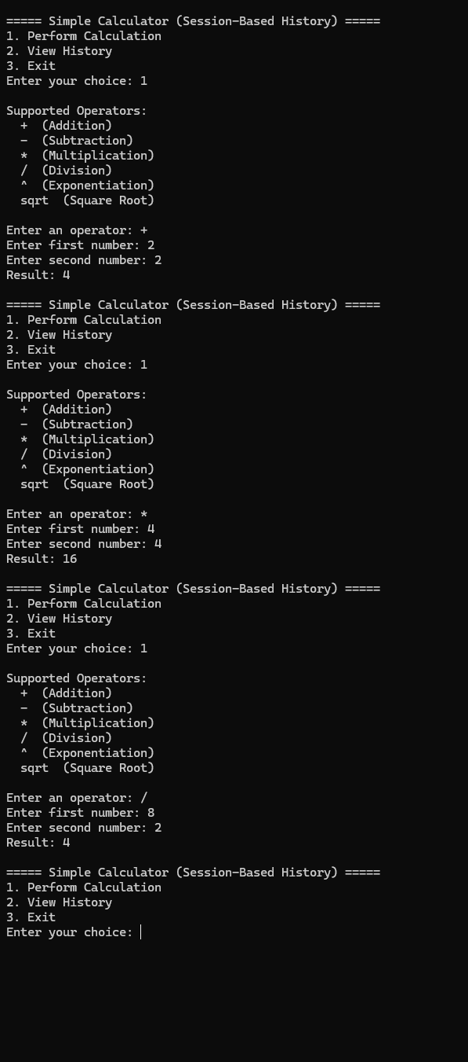 | Pass

