Introduction
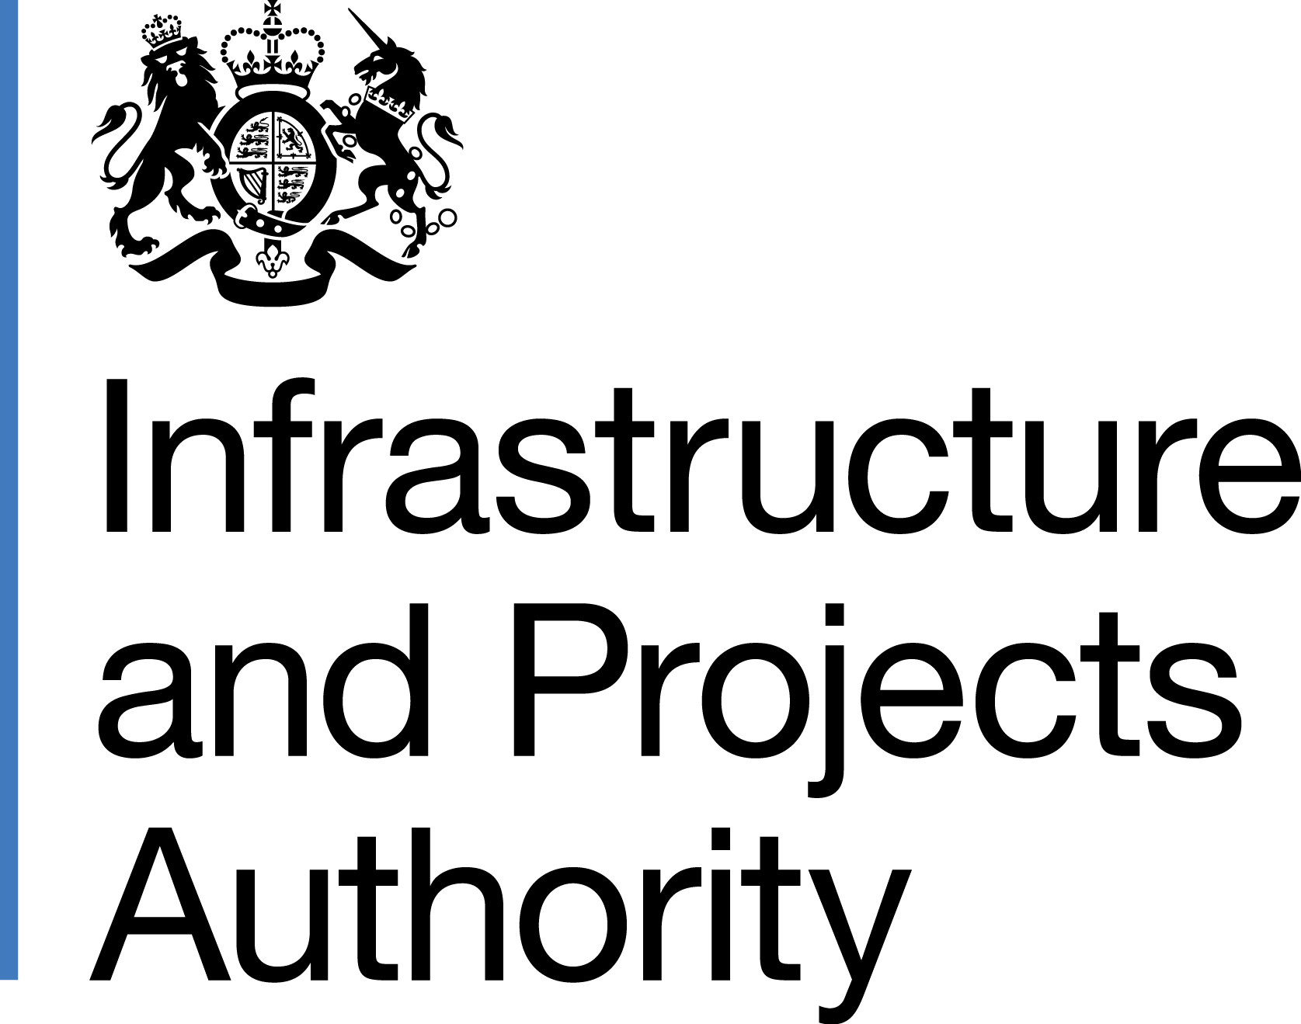
National Infrastructure and Construction Pipeline
Autumn 2017 Update
This workbook contains the infrastructure and construction investment pipeline that has been compiled by the government.
The overall pipeline is not a statement of need or a commitment to undertake all or any specific projects or programmes shown. All of the publicly funded elements of the infrastructure and construction pipeline represent announced government projects or spending commitments. It provides a strategic overview of the level of public and private infrastructure investment planned to 2021 and beyond (though in a number of sectors such as energy, ports and waste, the decision to go ahead with individual projects will be determined by the market).
The pipeline is based on unaudited administrative data and should not be considered as national statistics or as official statistics. The data are owned by Departments, Local Authorities or Companies that provided it. Anyone using the pipeline data does so at their own risk and no responsibility is accepted by HM Government for any loss or liability which may arise from such use directly or indirectly. In preparing and collating this National Infrastructure and Construction Pipeline, commercially sensitive information has been removed for reasons of confidentiality.

