Sheet1
Numbers To Words - Test Plan

 |  |  | Tester | Adam Boiko
Tested on Edge Browser. Link is https://numberstowordstechone.azurewebsites.net/ |  |  | Date | 2021-06-11
 |  |  | Build | 516c91d3712353a48ab529970551af173051607c
 |  |  | Result | PASS

Step | Action | Expected Result | Result | Testers Comments | General Information
 | Scenario1
1.00 | Verify that going to https://numberstowordstechone.azurewebsites.net/, produces a working numbers to words application | Application works | PASS |  | 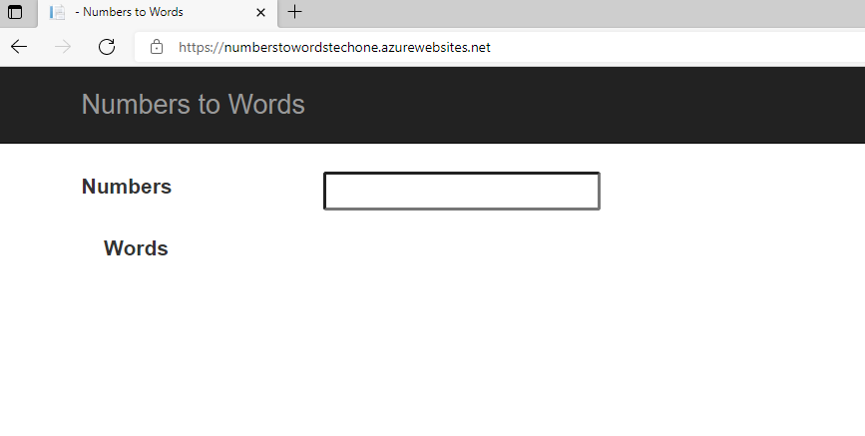
2.00 | Check client side validation, verify error message thrown if nothing entered. | Enter number, click away. Remove number, click away. | PASS
3.00 | Verify range limitiations exist. Enter number 0, -12, 100000000000000000 | "Number is invalid" | PASS
4.00 | Verify numbers that are in range work |  | PASS
4.00 | Check the client side will filter random character strings, insert "#$%^^&&" | Paste #$%^^&& into text field | PASS

