Instructions
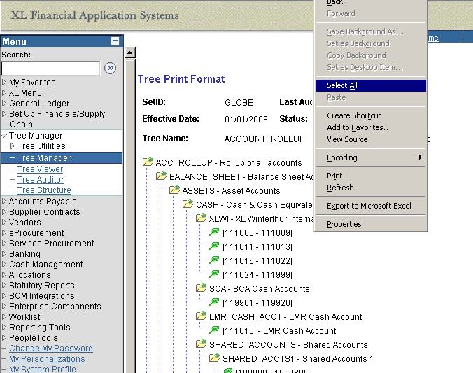
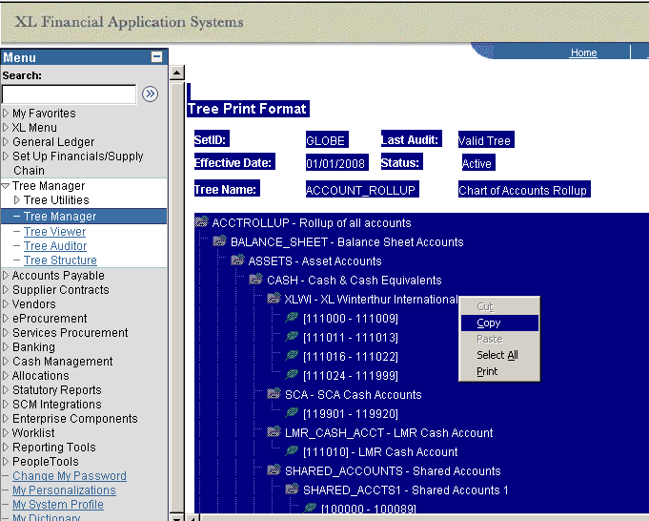
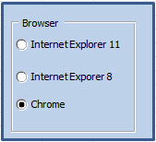
Open Parse Tree.xls file
Launch Web Browser
Sign into PeopleSoft
Navigate to Tree Manager\Viewer
Select Tree
Select Print Format
Right Click on Tree --> Select All (*for Chrome browser, use keyboard shortcut CTRL-A to select all)
Right Click on Tree --> Copy
Activate Parse Tree.xls file
Select "Main" Sheet
Select Your Browser
Click on "Parse Tree" Button

