Task2 results
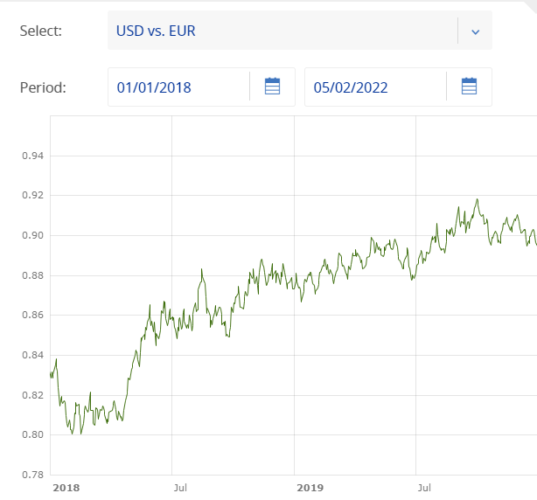
TASK2 results. I exported the table dbsix.dbo.task_2_results into excel file, so I can add comments for explanation. Please be sure you read them

 |  |  | Revenues in local currencies |  |  | Exchange rates
region | H1_In_Year | Sales_calculated_to_Usd | Sales_in_EUR | Sales_in_GBP | Sales_in_USD | Moving_AVG_EUR | Moving_AVG_GBP
ROW | 2018 | 56361789.038 | 38804475 | 3210521 | 4949435 | 0.826165 | 0.727101
ROW | 2019 | 53306143.63 | 39054344 | 3260788 | 4968148 | 0.88523 | 0.773389
Difference |  | -5.42% | 0.64% | 1.57% | 0.38% | 7.15% | 6.37%
US | 2018 | 34136068 | 0 | 0 | 34136068
US | 2019 | 34465087 | 0 | 0 | 34465087
Difference |  | 0.96% |  |  | 0.96%

The growth of USD currency is so big, so even when the ROW revenues in local currencies grew similar to US revenues in USD, value exchanged to stronger USD is for ROW smaller by 5,42%. That makes almost all the difference.

How would the exchanged USD revenues in ROW look like, if the 2019 USD exchange rate stay on the same level as in 2018?
56724635.649 | USD
So in this case the ROW revenues would grow in 2019 by:
0.64%

Source of the low revenues in ROW compared to US region is due to stronger USD in 2019.
ROW regional manager should not compare revenues only by exchanging them to USD, because the exchange rates might be very volatile.
He achieved slight grow of revenues around 0,64%, very similar growth as his US colleagues.
My recommandation: For ROW, watch growth of EUR, GBP and USD markets separately. If we need to keep high revenues in USD, adjust the product prices in EUR and GBP according to actual exchange rates.

Extra information: Rates from source tables are copying the real exchange rates on global market

