ETH USD EMA21
ETH/USD – cena zamknięcia i EMA(21),D1
event_date | close_price_usd | market_cap_usd | volume_usd | SMA21 | EMA21 |  |  |  | Data | Cena zamknięcia | EMA21
2015-08-07 00:00:00 UTC | 1.33075 | 0 | 90622 |  |  |  | alpha | 0.090909090909 | 2026-06-19 | 1708.8785539 | 1782.141021
2015-08-08 00:00:00 UTC | 0.68758570908 | 80339475 | 368070 |  |  |  |  |  | 2026-06-20 | 1739.2769353 | 1778.2442859
${EMA}_{t}=αP_{t}+(1−α$)${EMA}_{t−1}$
2015-08-10 00:00:00 UTC | 1.0673788794 | 41556309.211 | 400464.07454 |  |  |  |  |  | 2026-06-21 | 1704.9130137 | 1771.5778066
2015-08-11 00:00:00 UTC | 1.2566131751 | 64539006.306 | 1518998.2053 |  |  |  |  |  | 2026-06-22 | 1725.1620209 | 1767.3581897
2015-08-12 00:00:00 UTC | 1.8253954463 | 76013261.054 | 2073893.345 |  |  |  |  |  | 2026-06-23 | 1665.7162407 | 1758.1180126
2015-08-13 00:00:00 UTC | 1.8259748914 | 110468836.22 | 4380142.704 |  |  |  |  |  | 2026-06-24 | 1620.6434083 | 1745.6203213
2015-08-14 00:00:00 UTC | 1.6709496689 | 110555313.26 | 4355618.3786 |  |  |  |  |  | 2026-06-25 | 1566.0081298 | 1729.2919402
2015-08-15 00:00:00 UTC | 1.4766072542 | 101215246.38 | 2519633.2708 |  |  |  |  |  | 2026-06-26 | 1576.9176482 | 1715.4397318
2015-08-16 00:00:00 UTC | 1.2038714312 | 89480939.24 | 3032657.6564 |  |  |  |  |  | 2026-06-27 | 1571.9371269 | 1702.3940405
2015-08-17 00:00:00 UTC | 1.2813930517 | 87313387.945 | 1880092.2147 |  |  |  |  |  | 2026-06-28 | 1570.0805519 | 1690.3655415
2015-08-18 00:00:00 UTC | 1.2527386517 | 92957858.062 | 1696013.4723 |  |  |  |  |  | 2026-06-29 | 1609.7511856 | 1683.0369637
2015-08-19 00:00:00 UTC | 1.4841950742 | 90920695.865 | 1537200.841 |  |  |  |  |  | 2026-06-30 | 1569.8271748 | 1672.7451647
2015-08-20 00:00:00 UTC | 1.4063147738 | 107749185.84 | 2967730.5022 |  |  |  |  |  | 2026-07-01 | 1608.2543872 | 1666.8823668
2015-08-21 00:00:00 UTC | 1.3807215365 | 102131022.83 | 1742881.8082 |  |  |  |  |  | 2026-07-02 | 1698.5610522 | 1669.7622473
2015-08-22 00:00:00 UTC | 1.3551821005 | 100308763.78 | 914588.65397 |  |  |  |  |  | 2026-07-03 | 1756.9804642 | 1677.6911761
2015-08-23 00:00:00 UTC | 1.2465716827 | 98488001.445 | 1610695.8728 |  |  |  |  |  | 2026-07-04 | 1779.9083851 | 1686.9836496
2015-08-24 00:00:00 UTC | 1.1608283279 | 90625948.318 | 696476.55533 |  |  |  |  |  | 2026-07-05 | 1784.2622992 | 1695.8271632
2015-08-25 00:00:00 UTC | 1.1196391565 | 84423109.081 | 1053169.3862 |  |  |  |  |  | 2026-07-06 | 1798.557105 | 1705.1662488
2015-08-26 00:00:00 UTC | 1.133690694 | 81454879.47 | 1151700.0416 |  |  |  |  |  | 2026-07-07 | 1771.2223954 | 1711.1713531
2015-08-27 00:00:00 UTC | 1.1888956987 | 82504022.823 | 681460.23944 |  |  |  |  |  | 2026-07-08 | 1742.2494537 | 1713.9966349
2015-08-28 00:00:00 UTC | 1.1743439053 | 86549490.633 | 715178.78993 | 1.3109352909 | 1.3109352909 | Początkowa wartość EMA. |  |  | 2026-07-09 | 1744.6953885 | 1716.7874307
2015-08-29 00:00:00 UTC | 1.3223508799 | 85515599.874 | 607200.89145 |  | 1.3119730717 |  |  |  | 2026-07-10 | 1795.2394655 | 1723.9194339
2015-08-30 00:00:00 UTC | 1.3533684174 | 96321049.692 | 1045589.3213 |  | 1.315736285 |  |  |  | 2026-07-11 | 1787.9485944 | 1729.7402667
2015-08-31 00:00:00 UTC | 1.3507866887 | 98608290.54 | 1197102.0493 |  | 1.3189226853 |  |  |  | 2026-07-12 | 1805.4862854 | 1736.6262684
2015-09-01 00:00:00 UTC | 1.2788107653 | 98446826.494 | 610368.24309 |  | 1.3152761471 |  |  |  | 2026-07-13 | 1774.0909253 | 1740.0321463
2015-09-02 00:00:00 UTC | 1.2627707195 | 93224371.259 | 629746.11932 |  | 1.3105029264 |  |  |  | 2026-07-14 | 1890.3093924 | 1753.6937141
2015-09-03 00:00:00 UTC | 1.2695200999 | 92075482.633 | 583923.74525 |  | 1.3067772149 |  |  |  | 2026-07-15 | 1916.7586465 | 1768.5177989
2015-09-04 00:00:00 UTC | 1.3349762294 | 92596631.553 | 333502.66116 |  | 1.3093407617 |  |  |  | 2026-07-16 | 1863.0065007 | 1777.1076808
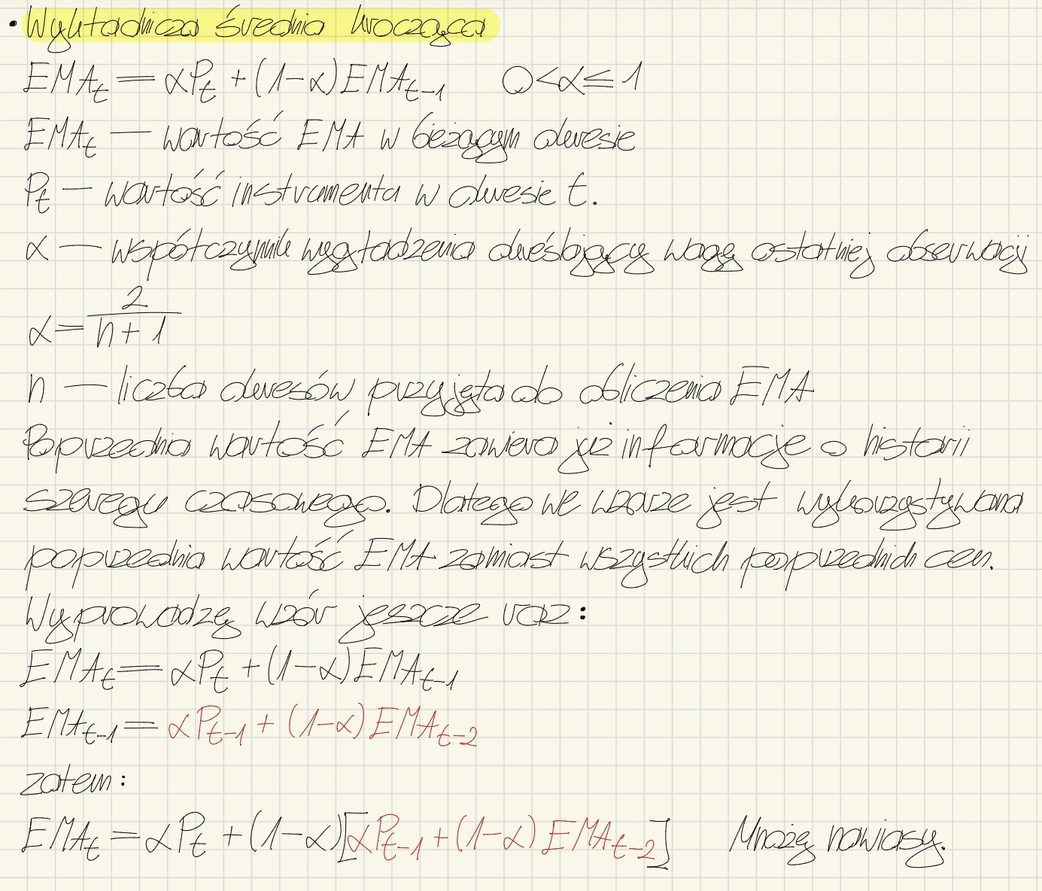
2015-09-05 00:00:00 UTC | 1.2988831341 | 97402782.619 | 350815.46689 |  | 1.3083900683 |  |  |  | 2026-07-17 | 1840.7681193 | 1782.8949934
2015-09-06 00:00:00 UTC | 1.25622344 | 94801706.705 | 317470.09434 |  | 1.3036476475 |  |  |  | 2026-07-18 | 1862.322348 | 1790.115662
2015-09-07 00:00:00 UTC | 1.2360332609 | 91718481.318 | 487005.2028 |  | 1.2975008851 |  |  |  | 2026-07-19 | 1870.817035 | 1797.4521505
2015-09-08 00:00:00 UTC | 1.2065299451 | 90274690.399 | 419148.80183 |  | 1.2892307997 |  |  |  | 2026-07-20 | 1901.7735153 | 1806.9359109
2015-09-09 00:00:00 UTC | 1.1672348414 | 88150718.669 | 367774.33189 |  | 1.278140258 |  |  |  | 2026-07-21 | 1928.6558957 | 1818.0013641
2015-09-10 00:00:00 UTC | 0.97650909269 | 85308945.823 | 639527.91749 |  | 1.250719243 |  |  |  | 2026-07-22 | 1933.4132583 | 1828.4933545
2015-09-11 00:00:00 UTC | 1.0382035853 | 71394234.95 | 1901710.6949 |  | 1.2313996377 |  |  |  | 2026-07-23 | 1877.4606077 | 1832.9449229
2015-09-12 00:00:00 UTC | 0.93865215026 | 75931677.013 | 800623.29985 |  | 1.2047862298 |  |  |  | 2026-07-24 | 1860.4425012 | 1835.4447028
2015-09-13 00:00:00 UTC | 0.87402296243 | 68673818.801 | 658895.19599 |  | 1.1747168418 |  |  |  | 2026-07-25 | 1874.4572768 | 1838.9913004
2015-09-14 00:00:00 UTC | 0.94182318573 | 63965969.211 | 739213.72592 |  | 1.1535446913 |  |  |  | 2026-07-26 | 1952.902007 | 1849.3468192
2015-09-15 00:00:00 UTC | 0.90321991957 | 68951445.23 | 725816.47112 |  | 1.1307878938 |  |  |  | 2026-07-27 | 1890.4523209 | 1853.083683
2015-09-16 00:00:00 UTC | 0.88307872891 | 66147947.58 | 629370.08491 |  | 1.1082688789 |  |  |  | 2026-07-28 | 1920.4888661 | 1859.2114269
2015-09-17 00:00:00 UTC | 0.84607091939 | 64693831.079 | 910704.95123 |  | 1.0844327007 |  |  |  | 2026-07-29 | 1908.7417326 | 1863.714182
2015-09-18 00:00:00 UTC | 0.88210379969 | 62003275.121 | 478606.39692 |  | 1.0660391643 |  |  |  | 2026-07-30 | 1917.5713635 | 1868.6102894
2015-09-19 00:00:00 UTC | 0.93632776149 | 64666306.23 | 387803.61671 |  | 1.0542472186 |  |  |  | 2026-07-31 | 1860.5923268 | 1867.8813837
2015-09-20 00:00:00 UTC | 0.90109287909 | 68666556.125 | 514836.10862 |  | 1.0403240968 |  |  |  | 2026-08-01 | 1843.4435634 | 1865.6597637
2015-09-21 00:00:00 UTC | 0.89714226506 | 66105164.812 | 429253.50431 |  | 1.0273075666 |  |  |  | 2026-08-02 | 1882.930559 | 1867.229836
2015-09-22 00:00:00 UTC | 0.8940475223 | 65835322.779 | 485738.95539 |  | 1.0151930171 |  |  |  | 2026-08-03 | 1858.537697 | 1866.4396415
2015-09-23 00:00:00 UTC | 0.81603730809 | 65633959.755 | 204065.4059 |  | 0.99708795269 |  |  |  | 2026-08-04 | 1868.6213816 | 1866.6379815
2015-09-24 00:00:00 UTC | 0.74051929985 | 59927327.714 | 818263.06822 |  | 0.9737635297 |  |  |  | 2026-08-05 | 1907.436044 | 1870.3468963
2015-09-25 00:00:00 UTC | 0.77780149915 | 54400658.247 | 901151.61901 |  | 0.95594879965 |  |  |  | 2026-08-06 | 1902.1622721 | 1873.2392032
2015-09-26 00:00:00 UTC | 0.72135842311 | 57158415.438 | 379124.1859 |  | 0.93462240178 |  |  |  | 2026-08-07 | 1912.9851571 | 1876.8524717
2015-09-27 00:00:00 UTC | 0.5830570047 | 53028193.823 | 408380.63904 |  | 0.90266191114 |  |  |  | 2026-08-08 | 1915.4478109 | 1880.3611389
2015-09-28 00:00:00 UTC | 0.65783248952 | 42874816.973 | 1214056.2118 |  | 0.88040469099 |  |  |  | 2026-08-09 | 1908.9407341 | 1882.9592839
2015-09-29 00:00:00 UTC | 0.7347630536 | 48389042.903 | 936630.32961 |  | 0.86716454214 |  |  |  | 2026-08-10 | 1871.3976552 | 1881.9082268
2015-09-30 00:00:00 UTC | 0.68581218971 | 54065419.508 | 640217.62265 |  | 0.85067796464 |  |  |  | 2026-08-11 | 1880.4862006 | 1881.7789517
2015-10-01 00:00:00 UTC | 0.67622173388 | 50481342.529 | 588839.7815 |  | 0.8348183073 |  |  |  | 2026-08-12 | 1877.7435301 | 1881.4120952
2015-10-02 00:00:00 UTC | 0.68747575754 | 49792779.289 | 220969.48495 |  | 0.82142353005 |  |  |  | 2026-08-13 | 1884.3941577 | 1881.6831918
2015-10-03 00:00:00 UTC | 0.66754685794 | 50638684.015 | 163820.85348 |  | 0.80743474168 |  |  |  | 2026-08-14 | 1880.3285281 | 1881.5600405
2015-10-04 00:00:00 UTC | 0.62825507424 | 49187272.35 | 104370.45073 |  | 0.791145681 |  |  |  | 2026-08-15 | 1880.9591562 | 1881.5054147
2015-10-05 00:00:00 UTC | 0.64565776231 | 46307572.652 | 221647.20707 |  | 0.77791950657 |  |  |  | 2026-08-16 | 1874.4018982 | 1880.8596404
2015-10-06 00:00:00 UTC | 0.61001269736 | 47605896.394 | 268523.03788 |  | 0.76265525119 |  |  |  | 2026-08-17 | 1912.2734692 | 1883.7154431
2015-10-07 00:00:00 UTC | 0.62348330216 | 44984157.191 | 216715.50685 |  | 0.75000325582 |  |  |  | 2026-08-18 | 1916.3998901 | 1886.6867564
2015-10-08 00:00:00 UTC | 0.65076876468 | 45977519.799 | 310876.14411 |  | 0.74098193845 |  |  |  | 2026-08-19 | 2251.734614 | 1919.8729253
2015-10-09 00:00:00 UTC | 0.62979494173 | 47989631.253 | 379233.12204 |  | 0.73087402966 |  |  |  | 2026-08-20 | 2326.5282334 | 1956.8415897
2015-10-10 00:00:00 UTC | 0.63704398069 | 46490996.55 | 145554.93808 |  | 0.7223440252 |  |  |  | 2026-08-21 | 2514.9675777 | 2007.5803159
2015-10-11 00:00:00 UTC | 0.62878728183 | 47026115.242 | 87074.799618 |  | 0.71383886672 |  |  |  | 2026-08-22 | 2423.4127407 | 2045.3832636
2015-10-12 00:00:00 UTC | 0.60262727233 | 46416611.842 | 108895.52922 |  | 0.70372872177 |  |  |  | 2026-08-23 | 2462.4039248 | 2083.2942328
2015-10-13 00:00:00 UTC | 0.5176894356 | 44485499.299 | 297117.0771 |  | 0.68681605939 |  |  |  | 2026-08-24 | 2481.8794307 | 2119.5292508
2015-10-14 00:00:00 UTC | 0.56149900426 | 38272635.021 | 944847.80471 |  | 0.67542359983 |  |  |  | 2026-08-25 | 2442.0111121 | 2148.8457836
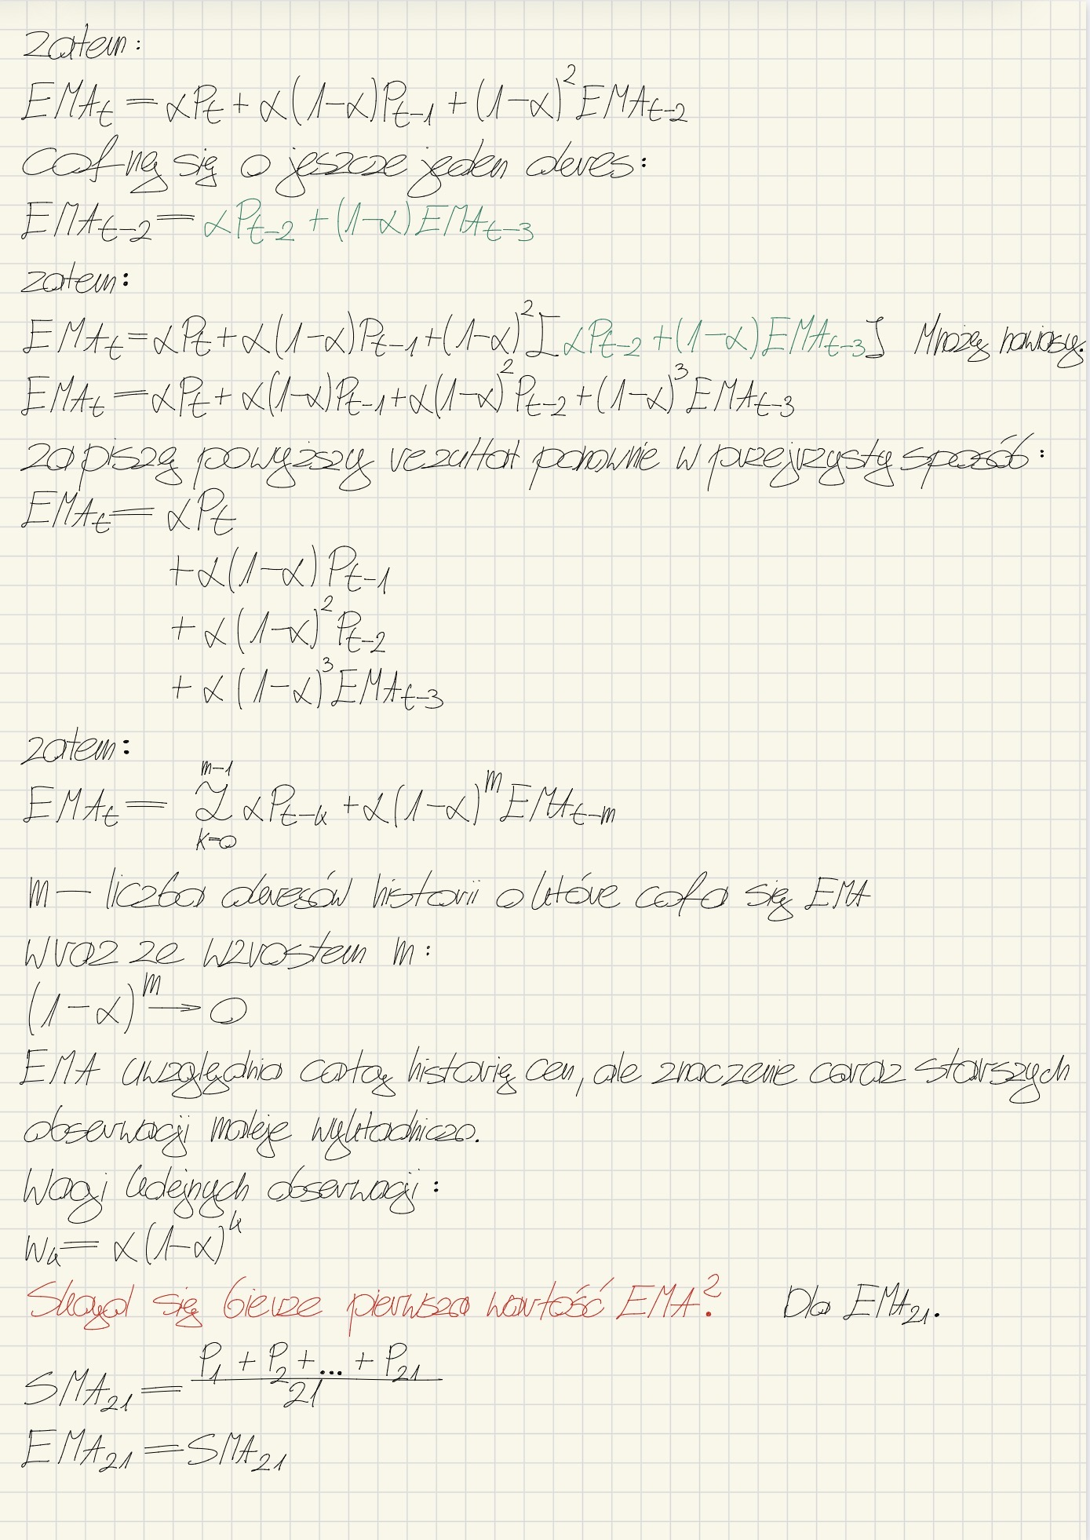
2015-10-15 00:00:00 UTC | 0.53314802 | 41527413.544 | 376563.07151 |  | 0.66248945621 |  |  |  | 2026-08-26 | 2506.3431057 | 2181.3455402
2015-10-16 00:00:00 UTC | 0.549028309 | 39443831.317 | 247071.24724 |  | 0.65217480647 |  |  |  | 2026-08-27 | 2511.4612411 | 2211.3560584
2015-10-17 00:00:00 UTC | 0.51844454736 | 40632190.617 | 317377.76178 |  | 0.64001751018 |  |  |  | 2026-08-28 | 2442.4076148 | 2232.3607454
2015-10-18 00:00:00 UTC | 0.48706729842 | 38382124.417 | 133661.67045 |  | 0.62611294548 |  |  |  | 2026-08-29 | 2457.0893352 | 2252.7906172
2015-10-19 00:00:00 UTC | 0.43297859903 | 36070935.311 | 240250.37657 |  | 0.60855527762 |  |  |  | 2026-08-30 | 2416.2418165 | 2267.6498171
2015-10-20 00:00:00 UTC | 0.4397689744 | 32076052.632 | 352361.06186 |  | 0.59321106824 |  |  |  | 2026-08-31 | 2466.5656591 | 2285.7330755
2015-10-21 00:00:00 UTC | 0.56546150668 | 32590298.008 | 599041.01315 |  | 0.59068838082 |  |  |  | 2026-09-01 | 2417.6758885 | 2297.7278767
2015-10-22 00:00:00 UTC | 0.5407377668 | 41918540.783 | 979304.07242 |  | 0.58614741591 |  |  |  | 2026-09-02 | 2390.7830447 | 2306.1874374
2015-10-23 00:00:00 UTC | 0.56857376851 | 40100107.014 | 866798.48885 |  | 0.5845498116 |  |  |  | 2026-09-03 | 2507.6482841 | 2324.5020598
2015-10-24 00:00:00 UTC | 0.63193880922 | 42179070.758 | 259157.66241 |  | 0.58885790229 |  |  |  | 2026-09-04 | 2456.0850664 | 2336.4641513
2015-10-25 00:00:00 UTC | 0.74395790973 | 46895926.257 | 476617.7386 |  | 0.60295790297 |  |  |  | 2026-09-05 | 2480.0031686 | 2349.5131529
2015-10-26 00:00:00 UTC | 0.85445525048 | 55226993.789 | 1174026.8191 |  | 0.6258212982 |  |  |  | 2026-09-06 | 2514.0092688 | 2364.4673452
2015-10-27 00:00:00 UTC | 1.0104097213 | 63451496.574 | 1887568.9059 |  | 0.66078388211 |  |  |  | 2026-09-07 | 2489.3967544 | 2375.8245643
2015-10-28 00:00:00 UTC | 1.1637486356 | 75057962.813 | 2447633.7976 |  | 0.70650795061 |  |  |  | 2026-09-08 | 2485.069704 | 2385.7559406
2015-10-29 00:00:00 UTC | 1.0418490549 | 86478981.552 | 2236842.2104 |  | 0.73699350555 |  |  |  | 2026-09-09 | 2467.529168 | 2393.1898704
2015-10-30 00:00:00 UTC | 0.90709162842 | 77447839.427 | 2384549.9981 |  | 0.75245697126 |  |  |  | 2026-09-10 | 2437.5148125 | 2397.2194106
2015-10-31 00:00:00 UTC | 1.0585419413 | 67453442.477 | 652271.58732 |  | 0.78028287763 |  |  |  | 2026-09-11 | 2514.8468192 | 2407.9128113
2015-11-01 00:00:00 UTC | 0.95504586032 | 78742733.245 | 603996.19903 |  | 0.79617042151 |  |  |  | 2026-09-12 | 2525.2672616 | 2418.5813977
2015-11-02 00:00:00 UTC | 1.0023448029 | 71066352.058 | 970665.67831 |  | 0.81491354709 |  |  |  | 2026-09-13 | 2476.6825262 | 2423.8633185
2015-11-03 00:00:00 UTC | 0.90180866055 | 74613449.563 | 1878273.0109 |  | 0.82281310286 |  |  |  | 2026-09-14 | 2514.7595505 | 2432.1266123
2015-11-04 00:00:00 UTC | 0.90660113681 | 67152505.551 | 3218064.8808 |  | 0.83043019686 |  |  |  | 2026-09-15 | 2397.4972602 | 2428.9784894
2015-11-05 00:00:00 UTC | 0.90944219872 | 67532501.097 | 1202885.38 |  | 0.83761310612 |  |  |  | 2026-09-16 | 2415.9596535 | 2427.7949589
2015-11-06 00:00:00 UTC | 0.9224820912 | 67767390.101 | 913629.16969 |  | 0.8453284684 |  |  |  | 2026-09-17 | 2446.1432522 | 2429.4629855
2015-11-07 00:00:00 UTC | 1.0304995142 | 68761146.278 | 904631.86996 |  | 0.86216219983 |  |  |  | 2026-09-18 | 2611.5555571 | 2446.0168557
2015-11-08 00:00:00 UTC | 0.99580298452 | 76839299.325 | 1040086.7545 |  | 0.87431136208 |  |  |  | 2026-09-19 | 2632.009597 | 2462.9252867
2015-11-09 00:00:00 UTC | 0.9348342219 | 74277547.076 | 1972521.3874 |  | 0.87981344024
2015-11-10 00:00:00 UTC | 0.78876117727 | 69753492.144 | 865031.54124 |  | 0.87153596179
2015-11-11 00:00:00 UTC | 0.9007420665 | 58873875.707 | 1243322.7527 |  | 0.87419106222
2015-11-12 00:00:00 UTC | 0.90408155794 | 67254888.204 | 826829.66892 |  | 0.87690838001
2015-11-13 00:00:00 UTC | 0.8842289054 | 67527257.41 | 545086.26589 |  | 0.87757388232
2015-11-14 00:00:00 UTC | 0.9108255482 | 66066714.489 | 361586.11601 |  | 0.88059676104
2015-11-15 00:00:00 UTC | 0.93384078396 | 68078325.795 | 432023.40783 |  | 0.88543712676
2015-11-16 00:00:00 UTC | 0.99527335788 | 69812830.407 | 616346.92985 |  | 0.89542223868
2015-11-17 00:00:00 UTC | 0.99442857992 | 74440734.301 | 1128249.5445 |  | 0.90442281515
2015-11-18 00:00:00 UTC | 0.95147128924 | 74402718.745 | 687203.3331 |  | 0.90869994916
2015-11-19 00:00:00 UTC | 0.92680311896 | 71212297.761 | 434385.48151 |  | 0.91034569187
2015-11-20 00:00:00 UTC | 0.97357243427 | 69388368.58 | 606560.33836 |  | 0.91609357754
2015-11-21 00:00:00 UTC | 0.96473853235 | 72914368.803 | 454926.919 |  | 0.92051584616
2015-11-22 00:00:00 UTC | 0.94522033623 | 72276339.251 | 371962.88333 |  | 0.9227617089
2015-11-23 00:00:00 UTC | 0.89936113547 | 70839197.819 | 437126.39427 |  | 0.92063438404
2015-11-24 00:00:00 UTC | 0.86770709177 | 67424299.398 | 354914.08621 |  | 0.91582281201
2015-11-25 00:00:00 UTC | 0.89487477079 | 65072847.333 | 708867.17768 |  | 0.91391844463
2015-11-26 00:00:00 UTC | 0.87071280025 | 67132055.607 | 959696.47194 |  | 0.90999065878
2015-11-27 00:00:00 UTC | 0.91739877544 | 65341845.393 | 398595.49964 |  | 0.91066412393
2015-11-28 00:00:00 UTC | 0.87174495379 | 68868768.287 | 465064.93869 |  | 0.90712601755
2015-11-29 00:00:00 UTC | 0.87360093209 | 65463342.966 | 436939.13021 |  | 0.90407828251
2015-11-30 00:00:00 UTC | 0.87500399764 | 65624853.97 | 775372.54057 |  | 0.9014351657
2015-12-01 00:00:00 UTC | 0.82273378114 | 65752486.029 | 643109.85792 |  | 0.89428049438
2015-12-02 00:00:00 UTC | 0.82476518888 | 61844779.032 | 494205.89285 |  | 0.88796092115
2015-12-03 00:00:00 UTC | 0.83879095128 | 62018808.085 | 541681.13687 |  | 0.88349092389
2015-12-04 00:00:00 UTC | 0.86458372976 | 63094325.078 | 241947.49444 |  | 0.88177208806
2015-12-05 00:00:00 UTC | 0.83499248696 | 65056337.642 | 226084.41072 |  | 0.87751939705
2015-12-06 00:00:00 UTC | 0.80075028393 | 62850264.415 | 429681.28947 |  | 0.87054038677
2015-12-07 00:00:00 UTC | 0.81885270888 | 60292476.613 | 494657.61803 |  | 0.86584150696
2015-12-08 00:00:00 UTC | 0.79182934831 | 61675859.11 | 435966.80885 |  | 0.8591131289
2015-12-09 00:00:00 UTC | 0.84744224204 | 59661067.181 | 627128.92605 |  | 0.85805213919
2015-12-10 00:00:00 UTC | 0.91673894244 | 63872552.276 | 374543.00587 |  | 0.86338730312
2015-12-11 00:00:00 UTC | 0.97125830975 | 69119370.627 | 765839.87381 |  | 0.87319375827
2015-12-12 00:00:00 UTC | 0.95830317356 | 73250296.073 | 1385279.0437 |  | 0.88093097784
2015-12-13 00:00:00 UTC | 0.99548983463 | 72302484.284 | 279257.61044 |  | 0.89134541937
2015-12-14 00:00:00 UTC | 1.0170637001 | 75133022.395 | 562723.38602 |  | 0.90277435398
2015-12-15 00:00:00 UTC | 0.98891244238 | 76787012.602 | 573171.62049 |  | 0.91060508929
2015-12-16 00:00:00 UTC | 0.94022832519 | 74686005.228 | 207316.98728 |  | 0.91329811073
2015-12-17 00:00:00 UTC | 0.92117178311 | 71033582.406 | 641112.35051 |  | 0.91401389913
2015-12-18 00:00:00 UTC | 0.90963291693 | 69616990.988 | 297866.39713 |  | 0.91361562802
2015-12-19 00:00:00 UTC | 0.90323164291 | 68767429.85 | 333313.42383 |  | 0.91267162938
2015-12-20 00:00:00 UTC | 0.89680628702 | 68305705.245 | 467489.59333 |  | 0.91122932553
2015-12-21 00:00:00 UTC | 0.87895931306 | 67842615.392 | 543846.39781 |  | 0.90829568803
2015-12-22 00:00:00 UTC | 0.86756545527 | 66514758.193 | 468144.56043 |  | 0.9045929396
2015-12-23 00:00:00 UTC | 0.86136301649 | 65674405.654 | 333657.86031 |  | 0.90066294659
2015-12-24 00:00:00 UTC | 0.87071834397 | 65226512.003 | 353090.34036 |  | 0.89794070999
2015-12-25 00:00:00 UTC | 0.8530178649 | 65957619.838 | 169208.76049 |  | 0.89385681498
2015-12-26 00:00:00 UTC | 0.85888708688 | 64637552.4 | 424123.0967 |  | 0.89067774879
2015-12-27 00:00:00 UTC | 0.84216961303 | 65104495.778 | 208247.21866 |  | 0.88626791826
2015-12-28 00:00:00 UTC | 0.86948781078 | 63858382.554 | 228592.5876 |  | 0.88474245395
2015-12-29 00:00:00 UTC | 0.90035430174 | 65951485.156 | 211396.56751 |  | 0.88616171284
2015-12-30 00:00:00 UTC | 0.93653996778 | 68315404.547 | 584414.47057 |  | 0.8907415542
2015-12-31 00:00:00 UTC | 0.94631334307 | 71083912.7 | 668846.07045 |  | 0.895793535
2016-01-01 00:00:00 UTC | 0.93812616217 | 71849843.665 | 202032.13337 |  | 0.89964195565
2016-01-02 00:00:00 UTC | 0.9721969755 | 71252107.969 | 252880.23532 |  | 0.90623786655
2016-01-03 00:00:00 UTC | 0.95929783521 | 73864483.222 | 402755.90841 |  | 0.91106150006
2016-01-04 00:00:00 UTC | 0.95310224114 | 72909192.005 | 341506.82137 |  | 0.91488338562
2016-01-05 00:00:00 UTC | 0.96843401179 | 72462361.879 | 217443.2381 |  | 0.91975162436
2016-01-06 00:00:00 UTC | 0.95897678039 | 73650960.933 | 328507.15238 |  | 0.92331754764
2016-01-07 00:00:00 UTC | 0.99557478119 | 72931723.306 | 642269.51765 |  | 0.92988638705
2016-01-08 00:00:00 UTC | 1.0247809678 | 75767382.44 | 554403.40182 |  | 0.93851316712
2016-01-09 00:00:00 UTC | 1.0199658561 | 78016544.334 | 254045.62911 |  | 0.94591795702
2016-01-10 00:00:00 UTC | 1.0687266211 | 77676004.652 | 404315.93496 |  | 0.95708238103
2016-01-11 00:00:00 UTC | 1.1673629008 | 81416101.638 | 1025253.0383 |  | 0.97619879192
2016-01-12 00:00:00 UTC | 1.1295883464 | 88958959.899 | 2962550.3946 |  | 0.99014329687
2016-01-13 00:00:00 UTC | 1.1573775533 | 86108971.483 | 1003321.3605 |  | 1.0053464111
2016-01-14 00:00:00 UTC | 1.2107354629 | 88257219.963 | 731050.84838 |  | 1.0240181431
2016-01-15 00:00:00 UTC | 1.215691295 | 92329493.825 | 4049516.2125 |  | 1.0414429751
2016-01-16 00:00:00 UTC | 1.3218557118 | 92765190.353 | 2377737.1426 |  | 1.066935042
2016-01-17 00:00:00 UTC | 1.3983011269 | 100866229.13 | 1176009.0067 |  | 1.0970592316
2016-01-18 00:00:00 UTC | 1.376990019 | 106770205 | 4073710.1203 |  | 1.122507485
2016-01-19 00:00:00 UTC | 1.5654119045 | 105177492.61 | 1684557.2914 |  | 1.1627715231
2016-01-20 00:00:00 UTC | 1.5446918622 | 119608403.91 | 2899771.051 |  | 1.197491554
2016-01-21 00:00:00 UTC | 1.4713418225 | 118064297.76 | 1670627.3219 |  | 1.2223870329
2016-01-22 00:00:00 UTC | 1.6921562849 | 112494896.69 | 1585027.9918 |  | 1.2650933285
2016-01-23 00:00:00 UTC | 2.1316914954 | 129390552.65 | 2212028.7972 |  | 1.3438749801
2016-01-24 00:00:00 UTC | 2.4813960865 | 163090024.69 | 9578400.6188 |  | 1.4472859898
2016-01-25 00:00:00 UTC | 2.086782727 | 189898537.78 | 10884776.211 |  | 1.5054220568
2016-01-26 00:00:00 UTC | 2.3845011587 | 159744115.07 | 11669540.232 |  | 1.5853383388
2016-01-27 00:00:00 UTC | 2.5197197345 | 182534589.03 | 7048626.2188 |  | 1.670282102
2016-01-28 00:00:00 UTC | 2.4862032321 | 193030853.2 | 5043090.6976 |  | 1.7444567502
2016-01-29 00:00:00 UTC | 2.4376012735 | 190524391.84 | 6527897.6616 |  | 1.8074698887
2016-01-30 00:00:00 UTC | 2.2987665574 | 186862759.72 | 3674090.3975 |  | 1.8521332222
2016-01-31 00:00:00 UTC | 2.2218830594 | 176275775.71 | 5834817.7066 |  | 1.8857468438
2016-02-01 00:00:00 UTC | 2.4031118553 | 170434539.3 | 3991411.3414 |  | 1.9327800266
2016-02-02 00:00:00 UTC | 2.5159499335 | 184396131.6 | 3602402.3081 |  | 1.9857954727
2016-02-03 00:00:00 UTC | 2.5571789443 | 193120920.36 | 4030697.3392 |  | 2.0377394247
2016-02-04 00:00:00 UTC | 2.5328785655 | 196350197.91 | 3532651.0203 |  | 2.0827520738
2016-02-05 00:00:00 UTC | 2.5177763693 | 194548161.02 | 2640353.6148 |  | 2.1222997371
2016-02-06 00:00:00 UTC | 2.9507761132 | 193450250.47 | 1924574.7181 |  | 2.1976157713
2016-02-07 00:00:00 UTC | 3.1653356937 | 226795324.21 | 7099203.5519 |  | 2.2855903097
2016-02-08 00:00:00 UTC | 3.7204532867 | 243366581.58 | 9781404.7368 |  | 2.4160323985
2016-02-09 00:00:00 UTC | 4.4274314377 | 286139280.98 | 16355217.945 |  | 2.5988868566
2016-02-10 00:00:00 UTC | 6.0050003081 | 340624194.15 | 29316397.613 |  | 2.908533534
2016-02-11 00:00:00 UTC | 5.4756492837 | 462140079.76 | 28752968.924 |  | 3.1419076931
2016-02-12 00:00:00 UTC | 5.3732849219 | 421542668.46 | 9902598.2441 |  | 3.3447601684
2016-02-13 00:00:00 UTC | 5.1695124364 | 413798928.62 | 25637385.48 |  | 3.5106467382
2016-02-14 00:00:00 UTC | 5.3190582864 | 398234915.54 | 11552061.708 |  | 3.6750477881
2016-02-15 00:00:00 UTC | 4.3689701221 | 409885035.83 | 13786358.784 |  | 3.7381316366
2016-02-16 00:00:00 UTC | 3.7440224707 | 336781865.26 | 15444552.586 |  | 3.738667167
2016-02-17 00:00:00 UTC | 4.397939042 | 288700599.27 | 14847989.05 |  | 3.7986009738
2016-02-18 00:00:00 UTC | 4.493895383 | 339233532.71 | 17707643.869 |  | 3.8618095565
2016-02-19 00:00:00 UTC | 4.3018756776 | 346746765.74 | 7215680.1321 |  | 3.9018155675
2016-02-20 00:00:00 UTC | 4.6539702733 | 332040532.29 | 8703306.9405 |  | 3.970193268
2016-02-21 00:00:00 UTC | 5.6087142576 | 359334417.72 | 6458218.2331 |  | 4.1191497216
2016-02-22 00:00:00 UTC | 5.6120914398 | 433193897.22 | 15140246.89 |  | 4.254871696
2016-02-23 00:00:00 UTC | 6.134381259 | 433593972.8 | 13534870.664 |  | 4.4257362017
2016-02-24 00:00:00 UTC | 5.9362574332 | 474102955.52 | 11396482.659 |  | 4.5630563137
2016-02-25 00:00:00 UTC | 5.8973516264 | 458942242.84 | 20614025.807 |  | 4.6843558876
2016-02-26 00:00:00 UTC | 6.3570917622 | 456082096.86 | 9515283.2574 |  | 4.8364227852
2016-02-27 00:00:00 UTC | 6.4406508488 | 491795616.49 | 8967228.0518 |  | 4.9822617001
2016-02-28 00:00:00 UTC | 6.312028458 | 498424354.01 | 9683081.0059 |  | 5.1031495872
2016-02-29 00:00:00 UTC | 7.5601570496 | 488620056.24 | 7546069.554 |  | 5.326513902
2016-03-01 00:00:00 UTC | 8.398318163 | 585403826.39 | 20945587.168 |  | 5.6057688348
2016-03-02 00:00:00 UTC | 9.504937043 | 650547162.22 | 29743237.912 |  | 5.9602386719
2016-03-03 00:00:00 UTC | 10.037764751 | 736507630.91 | 40441406.846 |  | 6.3309228609
2016-03-04 00:00:00 UTC | 10.935197739 | 778040245.14 | 35604151.849 |  | 6.7494933044
2016-03-05 00:00:00 UTC | 10.964661782 | 847886363.78 | 54303350.01 |  | 7.1326904387
2016-03-06 00:00:00 UTC | 9.3974698688 | 850440219.93 | 41487265.462 |  | 7.3385794778
2016-03-07 00:00:00 UTC | 9.8006907873 | 729122199.52 | 31891736.915 |  | 7.5624077787
2016-03-08 00:00:00 UTC | 11.971579756 | 760648959.23 | 26473661.601 |  | 7.9632415948
2016-03-09 00:00:00 UTC | 11.20642297 | 929438076.28 | 28637679.638 |  | 8.2580762653
2016-03-10 00:00:00 UTC | 11.208936693 | 870327228.73 | 26154096.467 |  | 8.5263363042
2016-03-11 00:00:00 UTC | 13.376206674 | 870802676.03 | 21083465.444 |  | 8.9672336105
2016-03-12 00:00:00 UTC | 14.893599785 | 1039511436 | 49863322.386 |  | 9.5059941718
2016-03-13 00:00:00 UTC | 12.289824607 | 1157819809 | 41625885.684 |  | 9.7590696659
2016-03-14 00:00:00 UTC | 12.966897674 | 955721344.45 | 56738456.432 |  | 10.050690394
2016-03-15 00:00:00 UTC | 12.529433145 | 1008754617.8 | 30654519.108 |  | 10.276030644
2016-03-16 00:00:00 UTC | 10.956232215 | 975104638.06 | 23016882.432 |  | 10.33786715
2016-03-17 00:00:00 UTC | 10.797650339 | 856001603.17 | 41222397.15 |  | 10.379665622
2016-03-18 00:00:00 UTC | 10.439535868 | 843946887.93 | 56331932.498 |  | 10.385108372
2016-03-19 00:00:00 UTC | 10.217490974 | 816289545.74 | 26241552.222 |  | 10.369870426
2016-03-20 00:00:00 UTC | 11.851122694 | 799245003.43 | 17365910.956 |  | 10.504529724
2016-03-21 00:00:00 UTC | 11.317427675 | 927407651 | 28692538.039 |  | 10.578429537
2016-03-22 00:00:00 UTC | 12.403191507 | 886765230.09 | 19752147.757 |  | 10.744316989
2016-03-23 00:00:00 UTC | 11.127622186 | 972225642.28 | 19194415.657 |  | 10.779162916
2016-03-24 00:00:00 UTC | 10.640691432 | 872598276.44 | 25440037.394 |  | 10.766574599
2016-03-25 00:00:00 UTC | 10.965522445 | 834753145.06 | 13369781.433 |  | 10.784660767
2016-03-26 00:00:00 UTC | 10.377516818 | 860590847.12 | 9099232.9999 |  | 10.747647681
2016-03-27 00:00:00 UTC | 11.67625154 | 814770808.15 | 16296116.833 |  | 10.832066214
2016-03-28 00:00:00 UTC | 11.73817083 | 917099302.49 | 23146182.981 |  | 10.914439361
2016-03-29 00:00:00 UTC | 11.88228676 | 922332031.7 | 17227685.669 |  | 11.002425488
2016-03-30 00:00:00 UTC | 11.354630543 | 934038009.03 | 18966041.62 |  | 11.034444129
2016-03-31 00:00:00 UTC | 11.636071803 | 892916961.58 | 14483801.493 |  | 11.089137554
2016-04-01 00:00:00 UTC | 11.563977632 | 915415691.53 | 11085851.667 |  | 11.132304834
2016-04-02 00:00:00 UTC | 11.51238012 | 910108352.62 | 8250251.461 |  | 11.166857133
2016-04-03 00:00:00 UTC | 11.186881239 | 906254482.47 | 6190954.9544 |  | 11.168677506
2016-04-04 00:00:00 UTC | 10.41948469 | 881135506.24 | 8612716.0393 |  | 11.100569068
2016-04-05 00:00:00 UTC | 10.66622342 | 821026031.46 | 19160809.105 |  | 11.0610831
2016-04-06 00:00:00 UTC | 10.029568404 | 840796803.77 | 16326497.506 |  | 10.967309037
2016-04-07 00:00:00 UTC | 9.758944911 | 790923840.98 | 12647730.143 |  | 10.857457753
2016-04-08 00:00:00 UTC | 9.8997195954 | 769898368.47 | 14041839.904 |  | 10.770390647
2016-04-09 00:00:00 UTC | 8.8146171758 | 781106339.06 | 12961939.644 |  | 10.592593059
2016-04-10 00:00:00 UTC | 8.6682921189 | 695943784.18 | 42148631.996 |  | 10.41765661
2016-04-11 00:00:00 UTC | 7.5168122342 | 684660770.88 | 14850316.573 |  | 10.153943485
2016-04-12 00:00:00 UTC | 8.0156045931 | 593949307.45 | 22286939.435 |  | 9.9595490402
2016-04-13 00:00:00 UTC | 8.4336560213 | 633611436.05 | 30653780.44 |  | 9.820831493
2016-04-14 00:00:00 UTC | 8.2061374587 | 666925784.5 | 13178565.115 |  | 9.6740411263
2016-04-15 00:00:00 UTC | 8.555981967 | 649194329.04 | 11510142.23 |  | 9.5723993845
2016-04-16 00:00:00 UTC | 9.3231702763 | 677141041.34 | 9164981.8916 |  | 9.5497421929
2016-04-17 00:00:00 UTC | 8.9604824051 | 738147546.39 | 23406128.933 |  | 9.4961731213
2016-04-18 00:00:00 UTC | 8.6967730387 | 709720474.79 | 20650475.766 |  | 9.4235003865
2016-04-19 00:00:00 UTC | 8.4841507226 | 689106961.89 | 11931697.805 |  | 9.3381049625
2016-04-20 00:00:00 UTC | 8.1110407451 | 672532357.99 | 14929127.402 |  | 9.22655367
2016-04-21 00:00:00 UTC | 7.8551066652 | 643204549.65 | 12241737.003 |  | 9.1018766696
2016-04-22 00:00:00 UTC | 8.377192624 | 623163882.73 | 12838519.619 |  | 9.0359963018
2016-04-23 00:00:00 UTC | 7.9953612072 | 664843804.31 | 14263735.838 |  | 8.9413931114
2016-04-24 00:00:00 UTC | 7.8127516561 | 634792414.64 | 10251449.904 |  | 8.8387893427
2016-04-25 00:00:00 UTC | 7.4246632662 | 620380381.47 | 9849771.9057 |  | 8.7102324267
2016-04-26 00:00:00 UTC | 7.7246945499 | 589953549.07 | 17588527.338 |  | 8.6206380742
2016-04-27 00:00:00 UTC | 7.2502160052 | 614038719.77 | 18898653.058 |  | 8.4960542498
2016-04-28 00:00:00 UTC | 7.4758176098 | 576551379.91 | 10503191.403 |  | 8.4033054643
2016-04-29 00:00:00 UTC | 8.8929700918 | 594731702.48 | 8232651.0357 |  | 8.4478204305
2016-04-30 00:00:00 UTC | 8.8324543728 | 707751631.32 | 36023474.611 |  | 8.4827871525
2016-05-01 00:00:00 UTC | 10.107821169 | 703213705.28 | 16329848.835 |  | 8.6305175176
2016-05-02 00:00:00 UTC | 9.285335811 | 805073117.8 | 40531647.259 |  | 8.6900464534
2016-05-03 00:00:00 UTC | 9.4141361361 | 739862094.29 | 20068196.224 |  | 8.7558727882
2016-05-04 00:00:00 UTC | 9.8271301785 | 750420702.3 | 16758119.375 |  | 8.8532598236
2016-05-05 00:00:00 UTC | 9.2770421468 | 783653892.61 | 17630163.28 |  | 8.8917854894
2016-05-06 00:00:00 UTC | 9.3812028936 | 740079043.02 | 20206557.476 |  | 8.9362779807
2016-05-07 00:00:00 UTC | 9.5292020623 | 748684467.92 | 10242971.602 |  | 8.9901801699
2016-05-08 00:00:00 UTC | 9.3532765456 | 760794311.5 | 14850766.416 |  | 9.0231889313
2016-05-09 00:00:00 UTC | 9.3502837039 | 747045608.44 | 10349090.133 |  | 9.0529248197
2016-05-10 00:00:00 UTC | 9.9813029205 | 747107780.4 | 8837274.1517 |  | 9.1373228289
2016-05-11 00:00:00 UTC | 10.091492288 | 797843002.26 | 14650764.255 |  | 9.224065507
2016-05-12 00:00:00 UTC | 10.585661577 | 806976736.48 | 22804335.073 |  | 9.3478469679
2016-05-13 00:00:00 UTC | 10.176098568 | 846829870.61 | 27489270.97 |  | 9.4231425679
2016-05-14 00:00:00 UTC | 9.9604468929 | 814388813.03 | 18055946.185 |  | 9.4719884156
2016-05-15 00:00:00 UTC | 11.133645983 | 797447113.7 | 8453161.3117 |  | 9.6230481945
...

