Notes
CLUSTERS

Self-Organizing Map Clusters

 |  |  |  | MLR: Input Variable Type |  |  |  |  |  |  |  |  |  |  | One-size-fits-all Models
Method | Config-uration | Cluster # | Model | All Demographics Variables | All Behavioral Variables | # In Each Cluster | Sum of # in clusters | # in Validation partition | RASE for Cluster | Sum of # in validation partition | Weighted Avg. RASE
SOM | 2x2 | 1 | MLR | X |  | 623 |  | 249 | 0.4648 |  |  |  |  | MLR: Input Variable Type
SOM | 2x2 | 2 | MLR | X |  | 218 |  | 88 | 0.4114 |  |  | 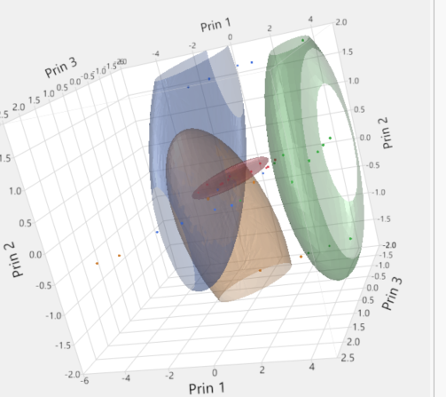 |  | All Demographics Variables | All Behavioral Variables | # in Validation partition | RASE
SOM | 2x2 | 3 | MLR | X |  | 1295 |  | 542 | 0.4828 |  |  |  | One MLR model on all records | X |  | 1356 | 2029.2
SOM | 2x2 | 4 | MLR | X |  | 1254 | 3390 | 477 | 0.4817 | 1356 | 0.5 |  | One MLR model on all records | X | X | 1356 | 1751.59
SOM | 2x2 | 1 | MLR | X | X | 728 |  | 286 | 0.5469
SOM | 2x2 | 2 | MLR | X | X | 612 |  | 263 | 0.5742
SOM | 2x2 | 3 | MLR | X | X | 805 |  | 329 | 0.5309
SOM | 2x2 | 4 | MLR | X | X | 1245 | 3390 | 478 | 0.4431 | 1356 | 0.51172264012
SOM | 4X1 | 1 | MLR | X
SOM | 4X1 | 2 | MLR | X
SOM | 4X1 | 3 | MLR | X
SOM | 4X1 | 4 | MLR | X |  |  | 0 |  |  | 0 | #DIV/0!
SOM | 4X1 | 1 | MLR | X | X
SOM | 4X1 | 2 | MLR | X | X
SOM | 4X1 | 3 | MLR | X | X
SOM | 4X1 | 4 | MLR | X | X |  | 0 |  |  | 0 | #DIV/0!
SOM | 2X3 | 1 | MLR | X | X
SOM | 2X3 | 2 | MLR | X | X
SOM | 2X3 | 3 | MLR | X | X
SOM | 2X3 | 4 | MLR | X | X
SOM | 2X3 | 5 | MLR | X | X
SOM | 2X3 | 6 | MLR | X | X |  | 0 |  |  | 0 | #DIV/0!
SOM | 4X2 | 1 | MLR | X | X
SOM | 4X2 | 2 | MLR | X | X
SOM | 4X2 | 3 | MLR | X | X
SOM | 4X2 | 4 | MLR | X | X
SOM | 4X2 | 5 | MLR | X | X
SOM | 4X2 | 6 | MLR | X | X
SOM | 4X2 | 7 | MLR | X | X
SOM | 4X2 | 8 | MLR | X | X |  | 0 |  |  | 0 | #DIV/0!

KNN Clusters

KNN | 3 Clusters | 1 | MLR | X | X
KNN | 3 Clusters | 2 | MLR | X | X
KNN | 3 Clusters | 3 | MLR | X | X
KNN | 5 Clusters | 1 | MLR | X | X
KNN | 5 Clusters | 2 | MLR | X | X
KNN | 5 Clusters | 3 | MLR | X | X
KNN | 5 Clusters | 4 | MLR | X | X
KNN | 5 Clusters | 5 | MLR | X | X

