Notes
CLUSTERS

Self-Organizing Map Clusters

 |  |  |  | MLR: Input Variable Type |  |  |  |  |  |  |  |  |  |  | One-size-fits-all Models
Method | Config-uration | Cluster # | Model | All Demographics Variables | All Behavioral Variables | # In Each Cluster | Sum of # in clusters | # in Validation partition | RASE for Cluster | Sum of # in validation partition | Weighted Avg. RASE
SOM | 2x2 | 1 | MLR | X |  | 623 |  | 249 | 0.4648 |  |  |  |  | MLR: Input Variable Type
SOM | 2x2 | 2 | MLR | X |  | 218 |  | 88 | 0.4114 |  |  | 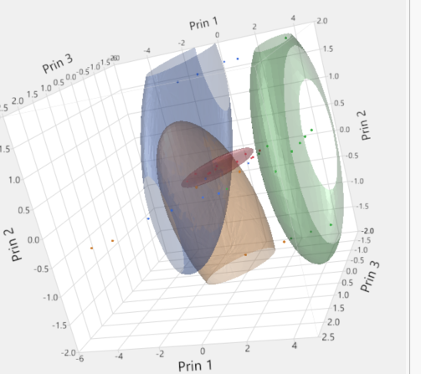 |  | All Demographics Variables | All Behavioral Variables | # in Validation partition | RASE
SOM | 2x2 | 3 | MLR | X |  | 1295 |  | 542 | 0.4828 |  |  |  | One MLR model on all records | X |  | 1356 | 2029.2
SOM | 2x2 | 4 | MLR | X |  | 1254 | 3390 | 477 | 0.4817 | 1356 | 0.5 |  | One MLR model on all records | X | X | 1356 | 1751.59
SOM | 2x2 | 1 | MLR | X | X |  |  | 631 | 1850.6
SOM | 2x2 | 2 | MLR | X | X |  |  | 369 | 1976.5
SOM | 2x2 | 3 | MLR | X | X |  |  | 547 | 1499.9
SOM | 2x2 | 4 | MLR | X | X |  | 0 | 453 | 1568.6 | 2000 | 1714.0391
SOM | 4X1 | 1 | MLR | X |  |  |  | 479 | 1430.6
SOM | 4X1 | 2 | MLR | X |  |  |  | 646 | 2264.1
SOM | 4X1 | 3 | MLR | X |  |  |  | 454 | 2292.9
SOM | 4X1 | 4 | MLR | X |  |  | 0 | 421 | 1679.3 | 2000 | 1947.91395
SOM | 4X1 | 1 | MLR | X | X |  |  | 479 | 1231.2
SOM | 4X1 | 2 | MLR | X | X |  |  | 646 | 1967.1
SOM | 4X1 | 3 | MLR | X | X |  |  | 454 | 1891.1
SOM | 4X1 | 4 | MLR | X | X |  | 0 | 421 | 1550 | 2000 | 1685.8004
SOM | 2X3 | 1 | MLR | X | X |  |  | 421 | 1861.3
SOM | 2X3 | 2 | MLR | X | X |  |  | 302 | 2013.5
SOM | 2X3 | 3 | MLR | X | X |  |  | 362 | 1699.1
SOM | 2X3 | 4 | MLR | X | X |  |  | 320 | 1671
SOM | 2X3 | 5 | MLR | X | X |  |  | 325 | 1308.6
SOM | 2X3 | 6 | MLR | X | X |  | 0 | 270 | 1414 | 2000 | 1674.27675
SOM | 4X2 | 1 | MLR | X | X |  |  | 250 | 1538.9
SOM | 4X2 | 2 | MLR | X | X |  |  | 333 | 2007
SOM | 4X2 | 3 | MLR | X | X |  |  | 284 | 2042.7
SOM | 4X2 | 4 | MLR | X | X |  |  | 195 | 1673.4
SOM | 4X2 | 5 | MLR | X | X |  |  | 218 | 1772.7
SOM | 4X2 | 6 | MLR | X | X |  |  | 254 | 1415.6
SOM | 4X2 | 7 | MLR | X | X |  |  | 225 | 1509.1
SOM | 4X2 | 8 | MLR | X | X |  | 0 | 241 | 1453.1 | 2000 | 1697.6257

KNN Clusters

KNN | 3 Clusters | 1 | MLR | X | X
KNN | 3 Clusters | 2 | MLR | X | X
KNN | 3 Clusters | 3 | MLR | X | X
KNN | 5 Clusters | 1 | MLR | X | X
KNN | 5 Clusters | 2 | MLR | X | X
KNN | 5 Clusters | 3 | MLR | X | X
KNN | 5 Clusters | 4 | MLR | X | X
KNN | 5 Clusters | 5 | MLR | X | X

