How to search
Search, filter or sort records
At the top of each column select the down arrow to search, filter or sort the records:

To remove the filter or search results select 'Clear Filter From ....'
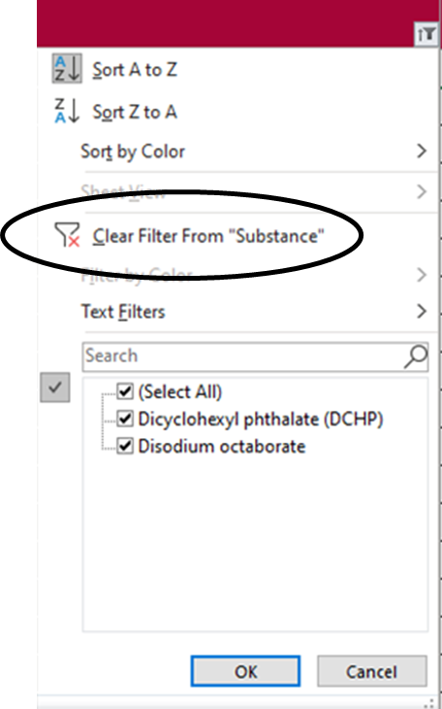

 | Go to Candidate List

