Computational
Comparison of Computational Resource used in Cyberbullying Detection on Social Media Platforms

Dataset | Classes | Parameter | BERT | RoBERTa | XLNet | DistilBERT | GPT-2.0
Kaggle | 5 | Memory Usage (MB) | 35.28 | 314.00 | 212.55 | 1.09 | 252.68
 |  | CPU/GPU Usage (%) | 0.400 | 2.400 | 0.001 | 0.600 | 5.300
 |  | Energy Consumption(kWh) | 0.000263 | 0.000028 | 0.000884 | 0.021100 | 0.036500
IEEE Data Port | 5 | Memory Usage (MB) | 105.23 | 456.04 | 414.9 | 1.20 | 132.04
 |  | CPU/GPU Usage (%) | 1.90 | 1.20 | 0.10 | 1.30 | 3.10
 |  | Energy Consumption(kWh) | 0.011200 | 0.000001 | 0.000002 | 0.008400 | 0.008500
Tweeteval | 5 | Memory Usage (MB) | 47.58 | 342.24 | 231.66 | 100.96 | 133.17
 |  | CPU/GPU Usage (%) | 2.6000 | 5.7000 | 0.0011 | 2.6000 | 2.5000
 |  | Energy Consumption(kWh) | 0.000507 | 0.000118 | 0.000964 | 0.000109 | 0.054900

Comparison of Computational Resources

Analysis
Evaluating the Effectiveness of Detection Methods in Text Classification for Cyberbullying Instances on Social Media Platforms

Comparison of Accuracy |  |  |  |  |  |  | Detection Methods |  |  |  |  |  |  | Detection Methods
 |  | BERT | RoBERTa | XLNet | DistilBERT | GPT-2.0 |  |  | BERT | RoBERTa | XLNet | DistilBERT | GPT-2.0 |  |  | BERT | RoBERTa | XLNet | DistilBERT | GPT-2.0
Dataset | Classes | (%) | (%) | (%) | (%) | (%) | Dataset | Classes | (%) | (%) | (%) | (%) | (%) | Dataset | Classes | (%) | (%) | (%) | (%) | (%)
Kaggle | 5 | 94 | 93 | 93 | 92 | 85 | Kaggle | 5 | 95 | 94 | 93 | 91 | 85 | Kaggle | 5 | 94 | 93 | 93 | 92 | 85
IEEE Data Port | 5 | 83 | 82 | 85 | 87 | 76 | IEEE Data Port | 5 | 83 | 83 | 86 | 88 | 80 | IEEE Data Port | 5 | 83 | 82 | 85 | 87 | 76
Tweeteval | 5 | 95 | 96 | 94 | 84 | 74 | Tweeteval | 5 | 95 | 95 | 95 | 78 | 74 | Tweeteval | 5 | 95 | 96 | 94 | 84 | 74

Comparison of Accuracy
Comparison of Precision
Comparison of Recall

Detection Methods |  |  |  |  |  |  | Detection Methods |  |  |  |  |  |  | Detection Methods |  |  |  |  |  |  | sn
 |  | BERT | RoBERTa | XLNet | DistilBERT | GPT-2.0 |  |  | BERT | RoBERTa | XLNet | DistilBERT | GPT-2.0 |  |  | BERT | RoBERTa | XLNet | DistilBERT | GPT-2.0
Dataset | Classes | (%) | (%) | (%) | (%) | (%) | Dataset | Classes | (%) | (%) | (%) | (%) | (%) | Dataset | Classes | (sec) | (sec) | (sec) | (sec) | (sec)
Kaggle | 5 | 94 | 93 | 93 | 91 | 84 | Kaggle | 5 | 6 | 7 | 7 | 8 | 15 | Kaggle | 5 | 0.053 | 0.029 | 0.397 | 0.06 | 0.012
IEEE Data Port | 5 | 83 | 82 | 84 | 88 | 77 | IEEE Data Port | 5 | 17 | 18 | 15 | 13 | 24 | IEEE Data Port | 5 | 0.079 | 0.063 | 0.022 | 0.001 | 0.017
Tweeteval | 5 | 95 | 95 | 94 | 81 | 73 | Tweeteval | 5 | 5 | 4 | 6 | 16 | 26 | Tweeteval | 5 | 0.095 | 0.048 | 0.432 | 0.015 | 0.007
Comparison of Inference Time
Comparison of F1 Score
Comparison of Error Rate

Datasets
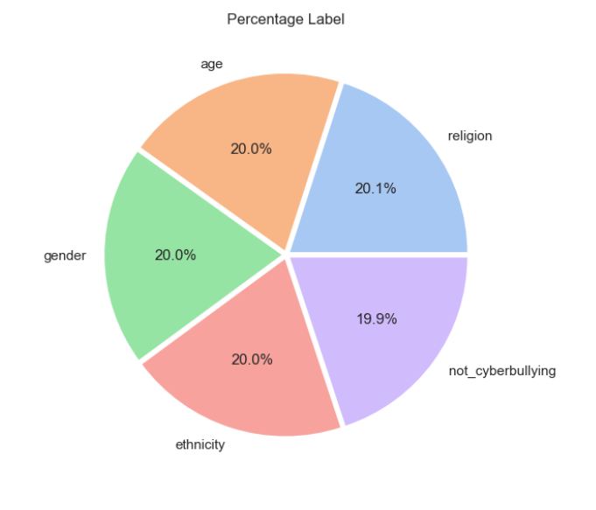
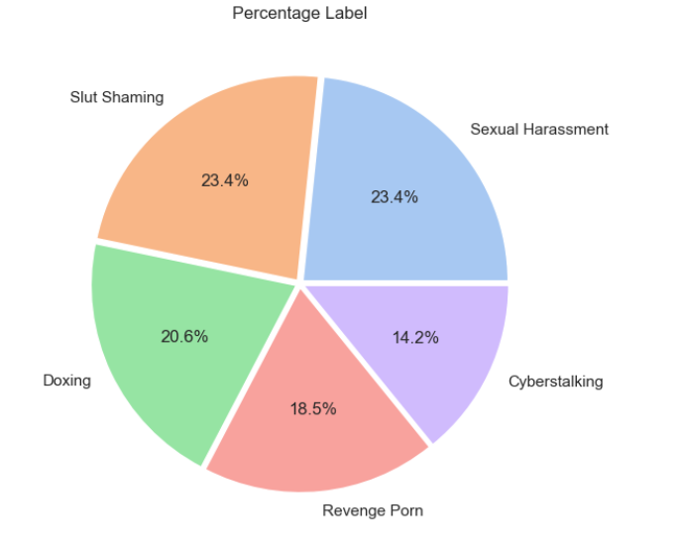
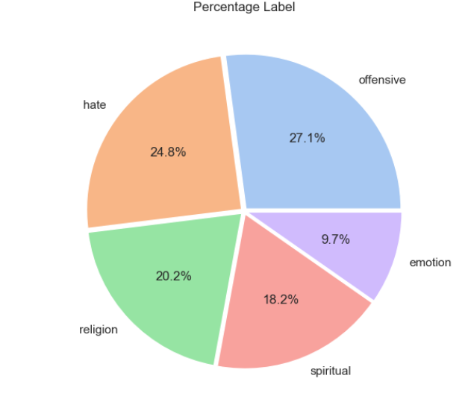
Comparison of Datasets in Detecting Cyberbullying on Social Media Platforms

Dataset | Classes | Class Distribution | Aggressive | Repetitive | Harm | Size | Balance | Agreement | Context | year
Kaggle | 5 | low | Yes | Yes | Yes | 47,693 | 0.20% | Yes | Yes
IEEE Data | 5 | low | Yes | Yes | Yes | 2,141 | 6.40% | Yes | Yes
Tweeteval | 5 | Medium | Yes | Yes | Yes | 51,987 | 17.40% | Yes | Yes

