Oscilloscope app
Signal generator

Oscilloscope
Channel 1
Signal splitter

Amplifier

Channel 2

Speaker

Piezo electric coupler
Mic
Piezo electric coupler

NI app
NI System
Data Acquisition Assistant(cDAQ)
Signal Geneartor

Channel 2
Channel 1

Signal splitter

Amplifier

Speaker
Mic
Piezo electric coupler

amp_only
NI System
Data Acquisition Assistant(cDAQ)
Signal Geneartor

Channel 2
Channel 1

Signal splitter

Amplifier

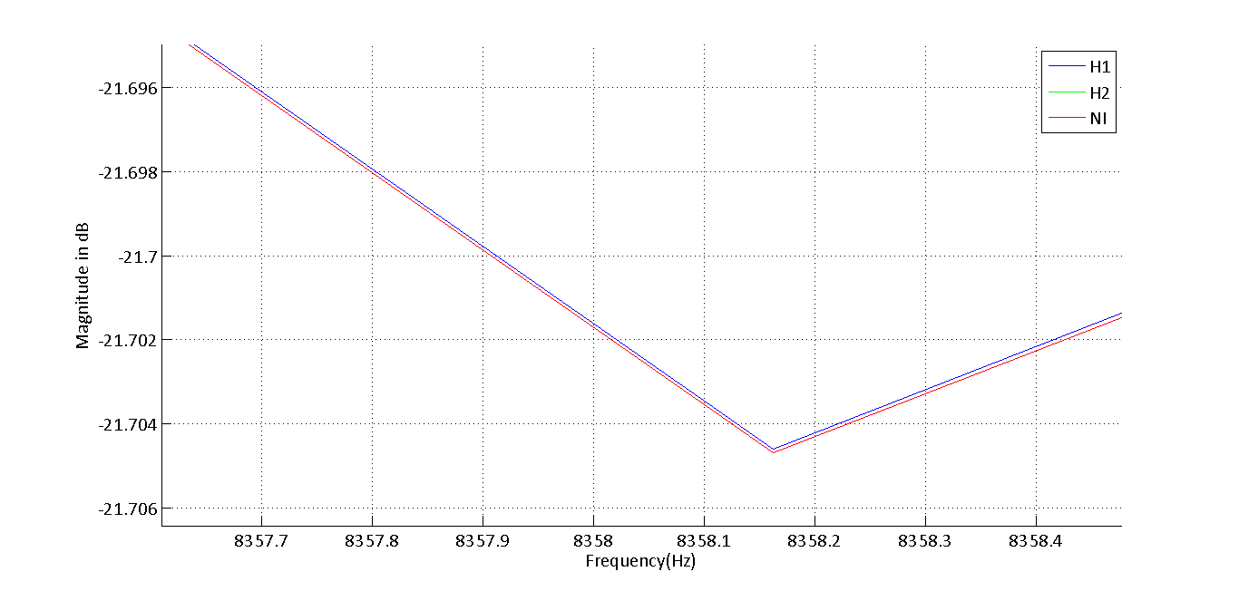
Vout/Vin

