Sheet1
Raspberry Pi Pinout
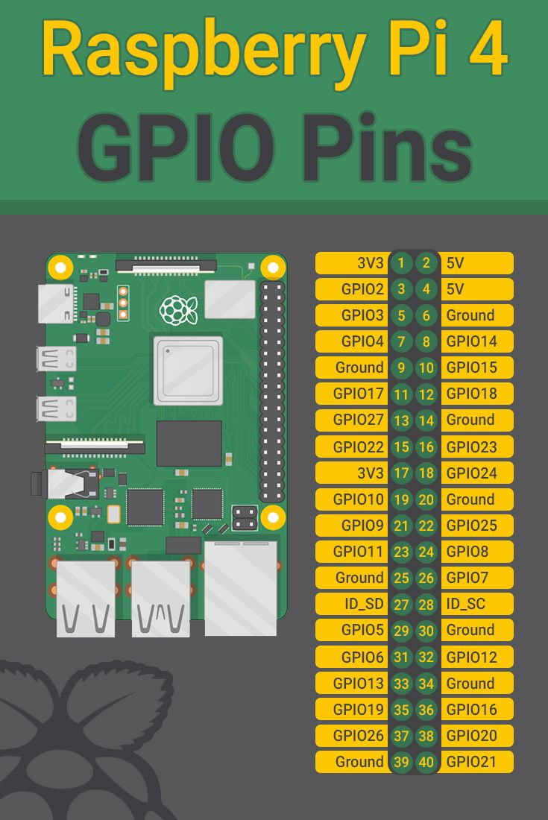

 | Board Pin # | GPIO # | Connected to | Purpose | Pin # | Wire color
 | 1 |  | Fan | Cooling
 | 2 |  | HC SR-04 sensors (all three) | 5V supply |  | Red
 | 3 | 2 | SDA - MPU 6050 |  |  | Orange
 | 4
 | 5 | 3 | SCL - MPU 6050 |  |  | Grey
 | 6 |  | HC SR-04 sensors (all three) | GND for HC-SR-04 (all three) |  | Black
 | 7 | 4 | HC-SR-04 Trigger (all three) |  |  | Blue
 | 8 | 14
 | 9 |  | MPU 6050
 | 10 | 15 | HC-SR-04 Echo - Left |  |  | White
 | 11 | 17 | HC-SR-04 Echo - Right |  |  | White
 | 12 | 18 | HC-SR-04 Echo - Center |  |  | White
 | 13 | 27 | Motor Front Right PWM |  |  | Blue
 | 14 | GND | Front Motors GND |  |  | Black
 | 15 | 22 | Motor Front Right FWD DO |  |  | Brown
 | 16 | 23 | Motor Front Left PWM |  |  | White
 | 17 |  | Vcc MPU 6050 |  |  | Red
 | 18 | 24 | Motor Front Left RVS DO |  |  | Yellow
 | 19 | 10 | Motor Front Right RVS DO |  |  | Red
 | 20 | GND
 | 21 | 9
 | 22 | 25 | Motor Front Left FWD DO |  |  | Green
 | 23 | 11
 | 24 | 8
 | 25 | GND
 | 26 | 7
 | 27
 | 28
 | 29 | 5
 | 30
 | 31 | 6
 | 32 | 12
 | 33 | 13 | Motor Rear Left FWD DO
 | 34 | GND |  |  |  | White
 | 35 | 19 | Motor Rear Left FWD DO |  |  | Green
 | 36 | 16 | Motor Rear Right RVS DO |  |  | Grey
 | 37 | 26 | Motor Rear Left PWM |  |  | Yellow
 | 38 | 20 | Motor Rear Right FWD DO |  |  | Orange
 | 39 | GND | Read Motor GND |  |  | Black
 | 40 | 21 | Motor Rear Right PWM |  |  | Purple

