Category Statistics
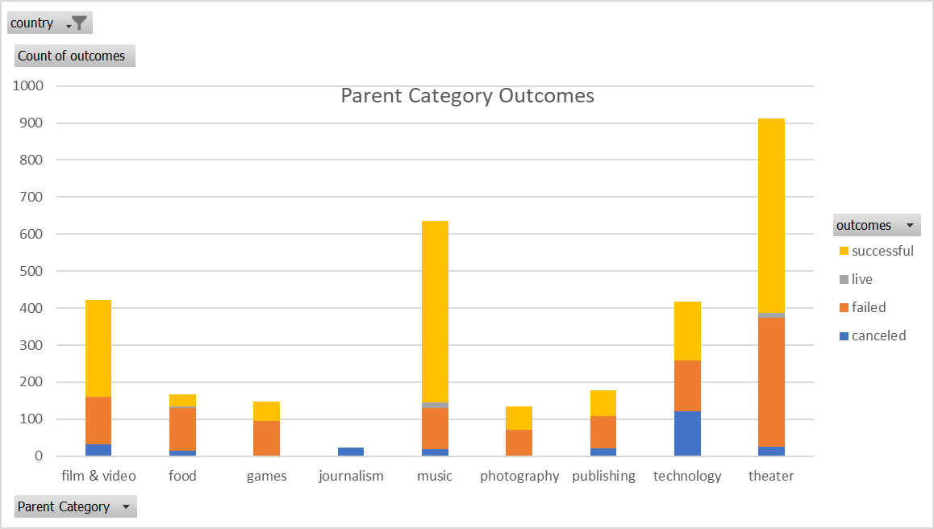
country | US

Count of outcomes | Column Labels
Row Labels | canceled | failed | live | successful | Grand Total
theater | 26 | 349 | 12 | 525 | 912
Grand Total | 26 | 349 | 12 | 525 | 912

Parent Category Outcomes

Subcategory Statistics
country | (All)
Parent Category | (All)

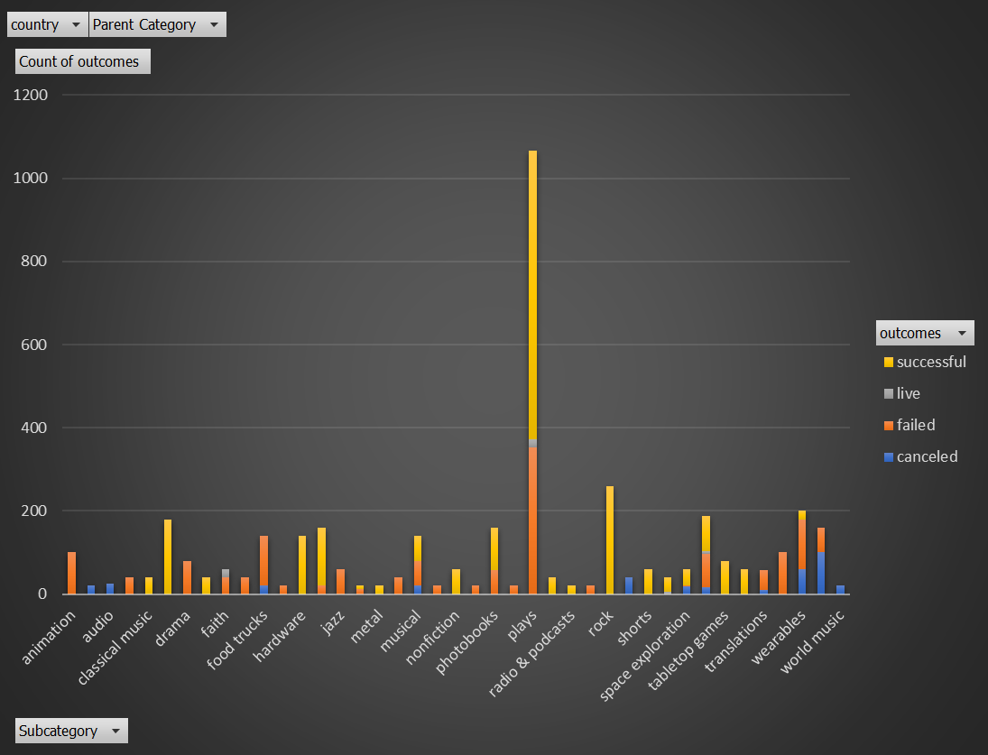
Count of outcomes | Column Labels
Row Labels | failed | live | successful | Grand Total
plays | 353 | 19 | 694 | 1066
Grand Total | 353 | 19 | 694 | 1066

Outcomes Based on Launch Date
Parent Category | theater
Years | (All)

 | canceled | failed | live | successful
Jan | 7 | 33 | 2 | 56
Feb | 3 | 39 | 8 | 71
Mar | 3 | 33 | 14 | 56
Apr | 2 | 40 |  | 71
May | 3 | 52 |  | 111
Jun | 4 | 49 |  | 100
Jul | 1 | 50 |  | 87
Aug | 4 | 47 |  | 72
Sep | 4 | 34 |  | 59
Oct |  | 50 |  | 65
Nov | 3 | 31 |  | 54
Dec | 3 | 35 |  | 37
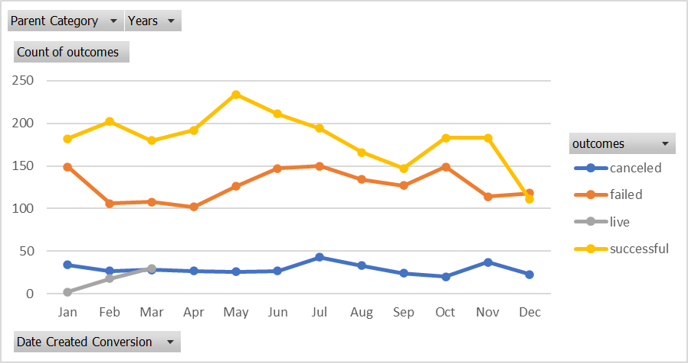
Count of outcomes | Column Labels
Row Labels | canceled | failed | live | successful | Grand Total
Jan | 7 | 33 | 2 | 56 | 98
Feb | 3 | 39 | 8 | 71 | 121
Mar | 3 | 33 | 14 | 56 | 106
Apr | 2 | 40 |  | 71 | 113
May | 3 | 52 |  | 111 | 166
Jun | 4 | 49 |  | 100 | 153
Jul | 1 | 50 |  | 87 | 138
Aug | 4 | 47 |  | 72 | 123
Sep | 4 | 34 |  | 59 | 97
Oct |  | 50 |  | 65 | 115
Nov | 3 | 31 |  | 54 | 88
Dec | 3 | 35 |  | 37 | 75
Grand Total | 37 | 493 | 24 | 839 | 1393

Theater Outcomes by Launch Date
Parent Category | theater
Year | (All)

Theater Outcomes Based on Launch Date
 | successful | failed | canceled
Jan | 56 | 33 | 7
Feb | 71 | 39 | 3
Mar | 56 | 33 | 3
Apr | 71 | 40 | 2
May | 111 | 52 | 3
Jun | 100 | 49 | 4
Jul | 87 | 50 | 1
Aug | 72 | 47 | 4
Sep | 59 | 34 | 4
Oct | 65 | 50
Nov | 54 | 31 | 3
Dec | 37 | 35 | 3
Count of outcomes | Column Labels
Row Labels | successful | failed | canceled | Grand Total
Jan | 56 | 33 | 7 | 96
Feb | 71 | 39 | 3 | 113
Mar | 56 | 33 | 3 | 92
Apr | 71 | 40 | 2 | 113
May | 111 | 52 | 3 | 166
Jun | 100 | 49 | 4 | 153
Jul | 87 | 50 | 1 | 138
Aug | 72 | 47 | 4 | 123
Sep | 59 | 34 | 4 | 97
Oct | 65 | 50 |  | 115
Nov | 54 | 31 | 3 | 88
Dec | 37 | 35 | 3 | 75
Grand Total | 839 | 493 | 37 | 1369

Pvt - Outcomes Based on Goals
Row Labels | Sum of Percentage Successful | Sum of Percentage Failed | Sum of Percentage Cancled
Less Than 1000 | 75.806451613 | 24.193548387 | 0
1000 to 4999 | 72.65917603 | 27.34082397 | 0
10000 to 14999 | 54.166666667 | 45.833333333 | 0
15000 to 19999 | 50 | 50 | 0
20000 to 24999 | 45 | 55 | 0
25000 to 29999 | 20 | 80 | 0
30000 to 34999 | 27.272727273 | 72.727272727 | 0
35000 to 39999 | 66.666666667 | 33.333333333 | 0
40000 to 44999 | 66.666666667 | 33.333333333 | 0
45000 to 49999 | 0 | 100 | 0
5000 to 9999 | 55.029585799 | 44.970414201 | 0
50000 or More | 12.5 | 87.5 | 0
Grand Total | 545.76794071 | 654.23205929 | 0

