SummaryResults
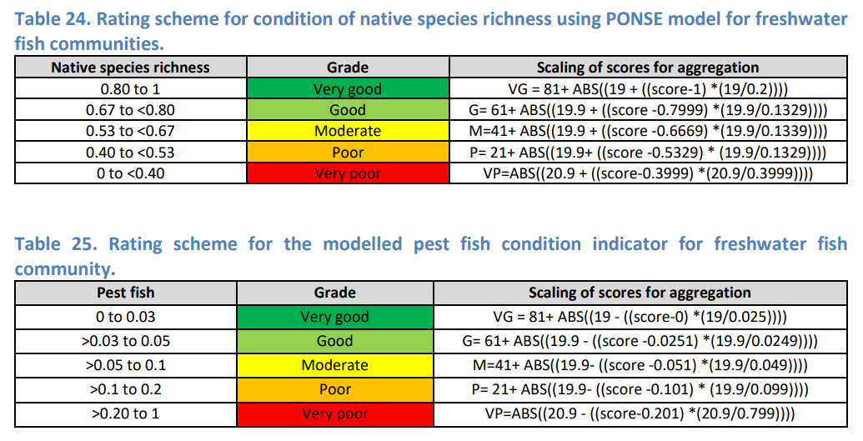
Regional Report Cards - 2024 - Summary results

Basin | POISE |  | Prop. Non-indigenous
 | 2019 | 2024 | 2019 | 2024
Black | 0.700 | #REF! | 0.012 | #REF!
Ross | 0.620 | #REF! | 0.051 | #REF!

