Gameplan
Phase | Complete
Lit review | x
Download 2017 data | x
Download auxiliary data | x
Download 2010 data | x
Download auxiliary data | x
Adjust 2010 currency for inflation | x
Compute 2010-2017 change | x
Population floor | x
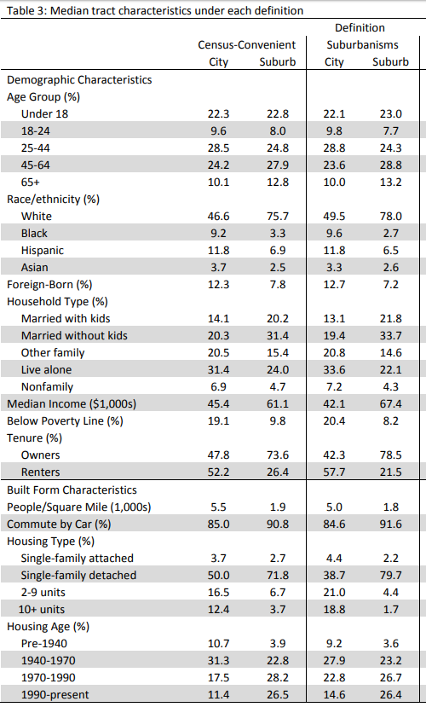
Check variable distribution and spread | x
Combine into single file | x
Export single file | x
Regressions I | x
Check variable distribution and multicollinearity | x
Regressions II | x
Check variable common sense | x
Regressions III | x
Download 2017 data *excluding rent variables* | x
Regressions IV | x
Regressions V (if necessary) | x
Lit review
Test for statistically significant change I | x | Current maps show only 3 variables: fewer mean hours worked, more ethnic minority, fewer own homes
Compute MOEs for racial minority, unemployment, and 199% FPL
Test for statistically significant change II |  | "Regional data view," esp. if you allow people to toggle and view all input datasets. Tableau Public or ArcGIS Online
Use these scores to suggest MCDs of interest
Each MCD should be individually inspected to make sure it isn't an outlier
How does your prior work loop back into this?
Can you learn anything from the Boston JCHS paper?
Create index through factor weighting? But 1-0 is easy to understand |  | For Patty's input. And yes, this is a *good* binary backed up by data, y'all.
Back up metrics to 2000 because we have all the variables |  | For Patty's input. Yes, you can conduct statistical testing between ACS and decennial. https://www2.census.gov/programs-surveys/acs/tech_docs/statistical_testing/2017StatisticalTesting5year.pdf
Tabulate by region, county, typology, and MCD |  | For Patty's input. See image and http://harvardcga.maps.arcgis.com/apps/MapSeries/index.html?appid=90e2bc4e4f7a457094f11d6a9f6176ae
Include the structure-based model and highlight shortcomings |  | To show Patty. Not only the *significant* variables are important: the ones that drop from the model are, too

