Property_test
<<PR_Dev>> | 'Property_test'!D159
 |  | Meta Info

 |  |  | ModuleName | <<PR_Dev>> |  | StartYear | 2009
 |  |  | SheetName | Property_test |  | EndYear | 2021
 |  |  | LOBAgg | Property_test |  | Remarks

 |  | Summary |  |  |  |  |  |  |  |  |  |  |  |  |  |  |  |  |  |  |  |  | Premium |  |  |  |  |  |  |  |  |  |  |  |  |  |  |  | Incurred |  |  |  |  |  |  |  |  |  |  |  |  |  |  |  |  |  |  |  |  |  |  |  |  |  |  |  |  |  |  |  | Paid

 |  |  |  | Premium |  |  |  |  |  | Actual Loss |  |  |  |  |  |  |  |  |  |  | Loss Report % |  |  | Premium Triangle |  |  |  |  |  |  |  |  |  |  |  |  |  |  |  | Incurred Triangle |  |  |  |  |  |  |  |  |  |  |  |  |  |  |  | Incurred excl. Mega |  |  |  |  |  |  |  |  |  |  |  |  |  |  |  | Paid Triangle |  |  |  |  |  |  |  |  |  |  |  |  |  |  |  | Paid excl. Mega
 |  |  | Underwriting | Reported | % | Ultimate | Selected |  | Underwriting | Paid Amount |  | Paid L/R (to Actual Prem) |  | Incurred Amount |  |  | Incurred L/R (to Actual Prem) |  |  |  |  |  | Underwriting |  |  |  |  |  |  |  |  |  |  |  |  |  |  | Latest | Underwriting |  |  |  |  |  |  |  |  |  |  |  |  |  |  | Latest | Underwriting |  |  |  |  |  |  |  |  |  |  |  |  |  |  | Latest | Underwriting |  |  |  |  |  |  |  |  |  |  |  |  |  |  | Latest | Underwriting |  |  |  |  |  |  |  |  |  |  |  |  |  |  | Latest
 |  |  | Year | Premium | Reported | Premium | Premium |  | Year | excl. Mega | Total | excl. Mega | Total | excl. Mega | Mega | Total | excl. Mega | Mega | Total |  | Paid% | Incurred% | Year | 1 | 2 | 3 | 4 | 5 | 6 | 7 | 8 | 9 | 10 | 11 | 12 | 13 | 20 | Premium | Year | 1 | 2 | 3 | 4 | 5 | 6 | 7 | 8 | 9 | 10 | 11 | 12 | 13 | 20 | Incurred | Year | 1 | 2 | 3 | 4 | 5 | 6 | 7 | 8 | 9 | 10 | 11 | 12 | 13 | 20 | Incurred (no Mega) | Year | 1 | 2 | 3 | 4 | 5 | 6 | 7 | 8 | 9 | 10 | 11 | 12 | 13 | 20 | Paid | Year | 1 | 2 | 3 | 4 | 5 | 6 | 7 | 8 | 9 | 10 | 11 | 12 | 13 | 20 | Paid (no Mega)
 |  |  | 2009 | 628,641,372 | 100.0% | 628,641,372 | 628,641,372 |  | 2009 | 261,701,500 | 261,701,500 | 41.6% | 41.6% | 233,176,037 | 0 | 233,176,037 | 37.1% | 0.0% | 37.1% |  | 100.0% | 100.0% | 2009 | 518,501,583 | 626,913,590 | 628,257,749 | 628,641,372 | 628,641,372 | 628,641,372 | 628,641,372 | 628,641,372 | 628,641,372 | 628,641,372 | 628,641,372 | 628,641,372 | 628,641,372 |  | 628,641,372 | 2009 | 142,749,829 | 306,507,518 | 279,052,620 | 233,176,037 | 233,176,037 | 233,176,037 | 233,176,037 | 233,176,037 | 233,176,037 | 233,176,037 | 233,176,037 | 233,176,037 | 233,176,037 |  | 233,176,037 | 2009 | 142,749,829 | 306,507,518 | 279,052,620 | 233,176,037 | 233,176,037 | 233,176,037 | 233,176,037 | 233,176,037 | 233,176,037 | 233,176,037 | 233,176,037 | 233,176,037 | 233,176,037 |  | 233,176,037 | 2009 | 15,530,093 | 133,537,943 | 266,076,996 | 261,701,500 | 261,701,500 | 261,701,500 | 261,701,500 | 261,701,500 | 261,701,500 | 261,701,500 | 261,701,500 | 261,701,500 | 261,701,500 |  | 261,701,500 | 2009 | 15,530,093 | 133,537,943 | 266,076,996 | 261,701,500 | 261,701,500 | 261,701,500 | 261,701,500 | 261,701,500 | 261,701,500 | 261,701,500 | 261,701,500 | 261,701,500 | 261,701,500 |  | 261,701,500
 |  |  | 2010 | 832,441,998 | 100.0% | 832,441,998 | 832,441,998 |  | 2010 | 1,007,565,720 | 1,007,565,720 | 121.0% | 121.0% | 897,741,057 | 0 | 897,741,057 | 107.8% | 0.0% | 107.8% |  | 100.0% | 100.0% | 2010 | 699,766,221 | 830,375,054 | 831,480,900 | 831,708,693 | 832,441,998 | 832,441,998 | 832,441,998 | 832,441,998 | 832,441,998 | 832,441,998 | 832,441,998 | 832,441,998 |  |  | 832,441,998 | 2010 | 306,317,507 | 855,283,680 | 867,815,037 | 902,597,656 | 897,812,337 | 897,812,337 | 897,741,057 | 897,741,057 | 897,741,057 | 897,741,057 | 897,741,057 | 897,741,057 |  |  | 897,741,057 | 2010 | 306,317,507 | 855,283,680 | 867,815,037 | 902,597,656 | 897,812,337 | 897,812,337 | 897,741,057 | 897,741,057 | 897,741,057 | 897,741,057 | 897,741,057 | 897,741,057 |  |  | 897,741,057 | 2010 | 18,012,747 | 576,878,921 | 753,166,777 | 999,561,122 | 1,007,645,720 | 1,007,645,720 | 1,007,565,720 | 1,007,565,720 | 1,007,565,720 | 1,007,565,720 | 1,007,565,720 | 1,007,565,720 |  |  | 1,007,565,720 | 2010 | 18,012,747 | 576,878,921 | 753,166,777 | 999,561,122 | 1,007,645,720 | 1,007,645,720 | 1,007,565,720 | 1,007,565,720 | 1,007,565,720 | 1,007,565,720 | 1,007,565,720 | 1,007,565,720 |  |  | 1,007,565,720
 |  |  | 2011 | 849,436,802 | 100.0% | 849,436,802 | 849,436,802 |  | 2011 | 886,353,180 | 886,353,180 | 104.3% | 104.3% | 790,329,145 | 0 | 790,329,145 | 93.0% | 0.0% | 93.0% |  | 100.0% | 100.0% | 2011 | 740,357,503 | 852,115,161 | 848,849,621 | 849,376,085 | 849,282,358 | 849,282,358 | 849,282,358 | 849,282,358 | 849,436,802 | 849,436,802 | 849,436,802 |  |  |  | 849,436,802 | 2011 | 189,002,982 | 588,875,048 | 681,787,947 | 804,024,976 | 792,818,257 | 790,329,145 | 790,329,145 | 790,329,145 | 790,329,145 | 790,329,145 | 790,329,145 |  |  |  | 790,329,145 | 2011 | 189,002,982 | 588,875,048 | 681,787,947 | 804,024,976 | 792,818,257 | 790,329,145 | 790,329,145 | 790,329,145 | 790,329,145 | 790,329,145 | 790,329,145 |  |  |  | 790,329,145 | 2011 | 31,873,503 | 263,285,930 | 582,096,058 | 815,447,842 | 861,401,611 | 862,026,428 | 873,696,418 | 874,225,663 | 886,009,762 | 886,353,180 | 886,353,180 |  |  |  | 886,353,180 | 2011 | 31,873,503 | 263,285,930 | 582,096,058 | 815,447,842 | 861,401,611 | 862,026,428 | 873,696,418 | 874,225,663 | 886,009,762 | 886,353,180 | 886,353,180 |  |  |  | 886,353,180
 |  |  | 2012 | 979,691,295 | 100.0% | 979,691,295 | 979,691,295 |  | 2012 | 731,088,131 | 731,088,131 | 74.6% | 74.6% | 651,399,524 | 0 | 651,399,524 | 66.5% | 0.0% | 66.5% |  | 100.0% | 100.0% | 2012 | 859,964,915 | 979,218,607 | 979,221,974 | 980,608,510 | 979,732,230 | 979,691,295 | 979,691,295 | 979,691,295 | 979,691,295 | 979,691,295 |  |  |  |  | 979,691,295 | 2012 | 286,067,882 | 542,592,373 | 681,237,351 | 660,862,475 | 657,503,040 | 651,399,524 | 651,399,524 | 651,399,524 | 651,399,524 | 651,399,524 |  |  |  |  | 651,399,524 | 2012 | 286,067,882 | 542,592,373 | 681,237,351 | 660,862,475 | 657,503,040 | 651,399,524 | 651,399,524 | 651,399,524 | 651,399,524 | 651,399,524 |  |  |  |  | 651,399,524 | 2012 | 26,646,942 | 338,245,710 | 539,124,587 | 702,975,765 | 730,911,866 | 731,088,131 | 731,088,131 | 731,088,131 | 731,088,131 | 731,088,131 |  |  |  |  | 731,088,131 | 2012 | 26,646,942 | 338,245,710 | 539,124,587 | 702,975,765 | 730,911,866 | 731,088,131 | 731,088,131 | 731,088,131 | 731,088,131 | 731,088,131 |  |  |  |  | 731,088,131
 |  |  | 2013 | 1,062,547,835 | 100.0% | 1,062,547,835 | 1,062,547,835 |  | 2013 | 1,350,751,698 | 1,350,751,698 | 127.1% | 127.1% | 1,209,254,454 | 0 | 1,209,254,454 | 113.8% | 0.0% | 113.8% |  | 100.0% | 100.0% | 2013 | 916,885,167 | 1,062,022,017 | 1,062,569,273 | 1,062,588,490 | 1,062,588,292 | 1,062,547,835 | 1,062,547,835 | 1,062,547,835 | 1,062,547,835 |  |  |  |  |  | 1,062,547,835 | 2013 | 326,677,830 | 1,219,942,264 | 1,232,206,201 | 1,211,250,287 | 1,157,856,008 | 1,209,254,454 | 1,209,254,454 | 1,209,254,454 | 1,209,254,454 |  |  |  |  |  | 1,209,254,454 | 2013 | 326,677,830 | 1,219,942,264 | 1,232,206,201 | 1,211,250,287 | 1,157,856,008 | 1,209,254,454 | 1,209,254,454 | 1,209,254,454 | 1,209,254,454 |  |  |  |  |  | 1,209,254,454 | 2013 | 26,319,221 | 803,569,631 | 1,196,760,932 | 1,249,951,571 | 1,263,124,883 | 1,329,031,614 | 1,344,719,546 | 1,350,751,698 | 1,350,751,698 |  |  |  |  |  | 1,350,751,698 | 2013 | 26,319,221 | 803,569,631 | 1,196,760,932 | 1,249,951,571 | 1,263,124,883 | 1,329,031,614 | 1,344,719,546 | 1,350,751,698 | 1,350,751,698 |  |  |  |  |  | 1,350,751,698
 |  |  | 2014 | 1,197,566,179 | 100.0% | 1,197,608,673 | 1,197,608,673 |  | 2014 | 940,060,532 | 940,060,532 | 78.5% | 78.5% | 840,591,785 | 0 | 840,591,785 | 70.2% | 0.0% | 70.2% |  | 99.7% | 100.0% | 2014 | 1,041,855,940 | 1,198,839,923 | 1,198,160,804 | 1,197,853,183 | 1,197,802,185 | 1,197,802,185 | 1,197,600,399 | 1,197,566,179 |  |  |  |  |  |  | 1,197,566,179 | 2014 | 249,049,334 | 789,773,549 | 851,757,516 | 852,525,920 | 842,556,706 | 840,591,785 | 840,591,785 | 840,591,785 |  |  |  |  |  |  | 840,591,785 | 2014 | 249,049,334 | 789,773,549 | 851,757,516 | 852,525,920 | 842,556,706 | 840,591,785 | 840,591,785 | 840,591,785 |  |  |  |  |  |  | 840,591,785 | 2014 | 39,072,976 | 352,518,170 | 845,060,134 | 893,431,880 | 903,366,093 | 905,955,260 | 913,859,525 | 940,060,532 |  |  |  |  |  |  | 940,060,532 | 2014 | 39,072,976 | 352,518,170 | 845,060,134 | 893,431,880 | 903,366,093 | 905,955,260 | 913,859,525 | 940,060,532 |  |  |  |  |  |  | 940,060,532
 |  |  | 2015 | 1,219,597,349 | 100.0% | 1,219,640,624 | 1,219,640,624 |  | 2015 | 1,057,312,532 | 1,057,312,532 | 86.7% | 86.7% | 952,076,853 | 0 | 952,076,853 | 78.1% | 0.0% | 78.1% |  | 99.1% | 100.0% | 2015 | 1,069,639,995 | 1,221,031,052 | 1,219,709,338 | 1,220,397,093 | 1,220,186,246 | 1,219,611,255 | 1,219,597,349 |  |  |  |  |  |  |  | 1,219,597,349 | 2015 | 435,573,455 | 1,007,055,133 | 1,052,445,003 | 1,042,998,923 | 1,038,912,586 | 1,038,912,586 | 952,076,853 |  |  |  |  |  |  |  | 952,076,853 | 2015 | 435,573,455 | 1,007,055,133 | 1,052,445,003 | 1,042,998,923 | 1,038,912,586 | 1,038,912,586 | 952,076,853 |  |  |  |  |  |  |  | 952,076,853 | 2015 | 29,785,163 | 529,138,046 | 932,906,483 | 1,066,531,527 | 1,087,385,086 | 1,061,374,098 | 1,057,312,532 |  |  |  |  |  |  |  | 1,057,312,532 | 2015 | 29,785,163 | 529,138,046 | 932,906,483 | 1,066,531,527 | 1,087,385,086 | 1,061,374,098 | 1,057,312,532 |  |  |  |  |  |  |  | 1,057,312,532
 |  |  | 2016 | 1,307,589,407 | 100.0% | 1,307,635,804 | 1,307,635,804 |  | 2016 | 2,370,064,668 | 2,370,064,668 | 181.3% | 181.3% | 2,131,489,637 | 0 | 2,131,489,637 | 163.0% | 0.0% | 163.0% |  | 98.6% | 100.0% | 2016 | 1,112,039,141 | 1,304,100,267 | 1,307,570,627 | 1,307,799,478 | 1,308,514,607 | 1,307,589,407 |  |  |  |  |  |  |  |  | 1,307,589,407 | 2016 | 706,146,884 | 2,145,815,876 | 2,152,379,897 | 2,125,777,916 | 2,155,826,708 | 2,131,489,637 |  |  |  |  |  |  |  |  | 2,131,489,637 | 2016 | 706,146,884 | 2,145,815,876 | 2,152,379,897 | 2,125,777,916 | 2,155,826,708 | 2,131,489,637 |  |  |  |  |  |  |  |  | 2,131,489,637 | 2016 | 105,042,002 | 1,137,997,472 | 2,155,956,551 | 2,271,381,254 | 2,375,921,356 | 2,370,064,668 |  |  |  |  |  |  |  |  | 2,370,064,668 | 2016 | 105,042,002 | 1,137,997,472 | 2,155,956,551 | 2,271,381,254 | 2,375,921,356 | 2,370,064,668 |  |  |  |  |  |  |  |  | 2,370,064,668
 |  |  | 2017 | 1,453,962,817 | 100.0% | 1,454,014,408 | 1,454,014,408 |  | 2017 | 1,375,949,885 | 1,375,949,885 | 94.6% | 94.6% | 1,274,953,074 | 0 | 1,274,953,074 | 87.7% | 0.0% | 87.7% |  | 98.1% | 99.8% | 2017 | 1,186,650,206 | 1,451,747,040 | 1,453,571,000 | 1,453,668,067 | 1,453,962,817 |  |  |  |  |  |  |  |  |  | 1,453,962,817 | 2017 | 543,320,246 | 1,258,217,955 | 1,312,283,538 | 1,292,900,059 | 1,274,953,074 |  |  |  |  |  |  |  |  |  | 1,274,953,074 | 2017 | 543,320,246 | 1,258,217,955 | 1,312,283,538 | 1,292,900,059 | 1,274,953,074 |  |  |  |  |  |  |  |  |  | 1,274,953,074 | 2017 | 80,553,176 | 722,893,534 | 1,107,976,102 | 1,347,100,386 | 1,375,949,885 |  |  |  |  |  |  |  |  |  | 1,375,949,885 | 2017 | 80,553,176 | 722,893,534 | 1,107,976,102 | 1,347,100,386 | 1,375,949,885 |  |  |  |  |  |  |  |  |  | 1,375,949,885
 |  |  | 2018 | 1,570,134,318 | 100.0% | 1,570,274,224 | 1,570,274,224 |  | 2018 | 1,293,778,526 | 1,293,778,526 | 82.4% | 82.4% | 1,256,143,662 | 0 | 1,256,143,662 | 80.0% | 0.0% | 80.0% |  | 95.6% | 99.8% | 2018 | 1,310,117,128 | 1,561,528,310 | 1,566,879,812 | 1,570,134,318 |  |  |  |  |  |  |  |  |  |  | 1,570,134,318 | 2018 | 425,114,829 | 1,140,928,224 | 1,285,220,230 | 1,256,143,662 |  |  |  |  |  |  |  |  |  |  | 1,256,143,662 | 2018 | 425,114,829 | 1,140,928,224 | 1,285,220,230 | 1,256,143,662 |  |  |  |  |  |  |  |  |  |  | 1,256,143,662 | 2018 | 67,639,230 | 659,880,057 | 1,207,548,779 | 1,293,778,526 |  |  |  |  |  |  |  |  |  |  | 1,293,778,526 | 2018 | 67,639,230 | 659,880,057 | 1,207,548,779 | 1,293,778,526 |  |  |  |  |  |  |  |  |  |  | 1,293,778,526
 |  |  | 2019 | 1,697,016,690 | 99.9% | 1,698,162,713 | 1,698,162,713 |  | 2019 | 1,233,366,904 | 1,233,366,904 | 72.7% | 72.7% | 1,301,811,282 | 0 | 1,301,811,282 | 76.7% | 0.0% | 76.7% |  | 84.0% | 99.8% | 2019 | 1,377,545,690 | 1,692,668,653 | 1,697,016,690 |  |  |  |  |  |  |  |  |  |  |  | 1,697,016,690 | 2019 | 437,413,553 | 1,170,729,335 | 1,301,811,282 |  |  |  |  |  |  |  |  |  |  |  | 1,301,811,282 | 2019 | 437,413,553 | 1,170,729,335 | 1,301,811,282 |  |  |  |  |  |  |  |  |  |  |  | 1,301,811,282 | 2019 | 142,062,654 | 777,433,895 | 1,233,366,904 |  |  |  |  |  |  |  |  |  |  |  | 1,233,366,904 | 2019 | 142,062,654 | 777,433,895 | 1,233,366,904 |  |  |  |  |  |  |  |  |  |  |  | 1,233,366,904
 |  |  | 2020 | 1,787,184,293 | 99.8% | 1,790,172,260 | 1,790,172,260 |  | 2020 | 900,762,055 | 900,762,055 | 50.4% | 50.4% | 1,407,908,155 | 0 | 1,407,908,155 | 78.8% | 0.0% | 78.8% |  | 48.9% | 94.1% | 2020 | 1,498,501,485 | 1,787,184,293 |  |  |  |  |  |  |  |  |  |  |  |  | 1,787,184,293 | 2020 | 700,366,748 | 1,407,908,155 |  |  |  |  |  |  |  |  |  |  |  |  | 1,407,908,155 | 2020 | 700,366,748 | 1,407,908,155 |  |  |  |  |  |  |  |  |  |  |  |  | 1,407,908,155 | 2020 | 131,966,831 | 900,762,055 |  |  |  |  |  |  |  |  |  |  |  |  | 900,762,055 | 2020 | 131,966,831 | 900,762,055 |  |  |  |  |  |  |  |  |  |  |  |  | 900,762,055
 |  |  | 2021 | 1,761,095,967 | 84.5% | 2,083,883,590 | 2,083,883,590 |  | 2021 | 263,424,862 | 263,424,862 | 15.0% | 15.0% | 789,134,112 | 0 | 789,134,112 | 44.8% | 0.0% | 44.8% |  | 4.9% | 35.9% | 2021 | 1,761,095,967 |  |  |  |  |  |  |  |  |  |  |  |  |  | 1,761,095,967 | 2021 | 789,134,112 |  |  |  |  |  |  |  |  |  |  |  |  |  | 789,134,112 | 2021 | 789,134,112 |  |  |  |  |  |  |  |  |  |  |  |  |  | 789,134,112 | 2021 | 263,424,862 |  |  |  |  |  |  |  |  |  |  |  |  |  | 263,424,862 | 2021 | 263,424,862 |  |  |  |  |  |  |  |  |  |  |  |  |  | 263,424,862
 |  |  | Total | 16,346,906,321 |  | 16,674,151,597 | 16,674,151,597 |  | Total | 13,672,180,193 | 13,672,180,193 |  |  | 13,736,008,778 | 0 | 13,736,008,778
 |  |  | Projected |  |  | 2022 EPI >>

 |  |  |  | Mega Selection |  | excl. Mega Selection |  |  |  | excl. Mega Projections Summary |  |  |  |  | Weights |  |  |  |  | excl. Mega: a priori ELR |  |  |  | Premium Link Ratio |  |  |  |  |  |  |  |  |  |  |  |  |  |  |  | Incurred Mega to Exclude |  |  |  |  |  |  |  |  |  |  |  |  |  |  |  | Incurred Link Ratio: excl. Mega |  |  |  |  |  |  |  |  |  |  |  |  |  |  |  | Paid Mega to Exclude |  |  |  |  |  |  |  |  |  |  |  |  |  |  |  | Paid Link Ratio: excl. Mega
 |  |  | Underwriting | Actual | Selected | excl. Mega | excl. Mega |  | Underwriting | Paid | Incurred | Paid | Incurred | Expected | Paid | Incurred | Paid | Incurred | Expected |  | Selected | Prior | Underwriting | Reported Premium Development Factors by Development Year |  |  |  |  |  |  |  |  |  |  |  |  |  | Premium | Underwriting |  |  |  |  |  |  |  |  |  |  |  |  |  |  | Latest | Underwriting | Reported Premium Development Factors by Development Year |  |  |  |  |  |  |  |  |  |  |  |  |  | Incurred (no Mega) | Underwriting |  |  |  |  |  |  |  |  |  |  |  |  |  |  | Latest | Underwriting |  |  |  |  |  |  |  |  |  |  |  |  |  |  | Paid (no Mega)
 |  |  | Year | Mega Incurred | Mega | Ult. Loss | ULR |  | Year | Chain-Ladder | Chain-Ladder | B-F | B-F | Loss Ratio | Chain-Ladder | Chain-Ladder | B-F | B-F | Loss Ratio | Incl. Year | ELR | ELR | Year | 1:2 | 2:3 | 3:4 | 4:5 | 5:6 | 6:7 | 7:8 | 8:9 | 9:10 | 10:11 | 11:12 | 12:13 | 13:14 |  | % Report | Year | 1 | 2 | 3 | 4 | 5 | 6 | 7 | 8 | 9 | 10 | 11 | 12 | 13 | 20 | Mega Incurred | Year | 1:2 | 2:3 | 3:4 | 4:5 | 5:6 | 6:7 | 7:8 | 8:9 | 9:10 | 10:11 | 11:12 | 12:13 | 13:14 |  | % Report | Year | 1 | 2 | 3 | 4 | 5 | 6 | 7 | 8 | 9 | 10 | 11 | 12 | 13 | 20 | Mega Paid | Year | 1:2 | 2:3 | 3:4 | 4:5 | 5:6 | 6:7 | 7:8 | 8:9 | 9:10 | 10:11 | 11:12 | 12:13 | 13:14 |  | % Report
 |  |  | 2009 | 0 | 0 | 233,176,037 | 37.1% |  | 2009 | 261,701,500 | 233,176,037 | 261,701,500 | 233,176,037 | 567,264,050 |  |  |  | 100% | 0% | 1 | 90.2% |  | 2009 | 1.209 | 1.002 | 1.001 | 1.000 | 1.000 | 1.000 | 1.000 | 1.000 | 1.000 | 1.000 | 1.000 | 1.000 |  |  | 100.0% | 2009 |  |  |  |  |  |  |  |  |  |  |  |  |  |  | 0 | 2009 | 2.147 | 0.910 | 0.836 | 1.000 | 1.000 | 1.000 | 1.000 | 1.000 | 1.000 | 1.000 | 1.000 | 1.000 |  |  | 100.0% | 2009 |  |  |  |  |  |  |  |  |  |  |  |  |  |  | 0 | 2009 | 8.599 | 1.993 | 0.984 | 1.000 | 1.000 | 1.000 | 1.000 | 1.000 | 1.000 | 1.000 | 1.000 | 1.000 |  |  | 100.0%
 |  |  | 2010 | 0 | 0 | 897,741,057 | 107.8% |  | 2010 | 1,007,565,720 | 897,741,057 | 1,007,565,720 | 897,741,057 | 751,166,627 |  |  |  | 100% | 0% | 1 | 90.2% |  | 2010 | 1.187 | 1.001 | 1.000 | 1.001 | 1.000 | 1.000 | 1.000 | 1.000 | 1.000 | 1.000 | 1.000 |  |  |  | 100.0% | 2010 |  |  |  |  |  |  |  |  |  |  |  |  |  |  | 0 | 2010 | 2.792 | 1.015 | 1.040 | 0.995 | 1.000 | 1.000 | 1.000 | 1.000 | 1.000 | 1.000 | 1.000 |  |  |  | 100.0% | 2010 |  |  |  |  |  |  |  |  |  |  |  |  |  |  | 0 | 2010 | 32.026 | 1.306 | 1.327 | 1.008 | 1.000 | 1.000 | 1.000 | 1.000 | 1.000 | 1.000 | 1.000 |  |  |  | 100.0%
 |  |  | 2011 | 0 | 0 | 790,329,145 | 93.0% |  | 2011 | 886,353,180 | 790,329,145 | 886,353,180 | 790,329,145 | 766,502,145 |  |  |  | 100% | 0% | 1 | 90.2% |  | 2011 | 1.151 | 0.996 | 1.001 | 1.000 | 1.000 | 1.000 | 1.000 | 1.000 | 1.000 | 1.000 |  |  |  |  | 100.0% | 2011 |  |  |  |  |  |  |  |  |  |  |  |  |  |  | 0 | 2011 | 3.116 | 1.158 | 1.179 | 0.986 | 0.997 | 1.000 | 1.000 | 1.000 | 1.000 | 1.000 |  |  |  |  | 100.0% | 2011 |  |  |  |  |  |  |  |  |  |  |  |  |  |  | 0 | 2011 | 8.260 | 2.211 | 1.401 | 1.056 | 1.001 | 1.014 | 1.001 | 1.013 | 1.000 | 1.000 |  |  |  |  | 100.0%
 |  |  | 2012 | 0 | 0 | 651,399,524 | 66.5% |  | 2012 | 731,088,131 | 651,399,524 | 731,088,131 | 651,399,524 | 884,039,258 |  |  |  | 100% | 0% | 1 | 90.2% |  | 2012 | 1.139 | 1.000 | 1.001 | 0.999 | 1.000 | 1.000 | 1.000 | 1.000 | 1.000 |  |  |  |  |  | 100.0% | 2012 |  |  |  |  |  |  |  |  |  |  |  |  |  |  | 0 | 2012 | 1.897 | 1.256 | 0.970 | 0.995 | 0.991 | 1.000 | 1.000 | 1.000 | 1.000 |  |  |  |  |  | 100.0% | 2012 |  |  |  |  |  |  |  |  |  |  |  |  |  |  | 0 | 2012 | 12.694 | 1.594 | 1.304 | 1.040 | 1.000 | 1.000 | 1.000 | 1.000 | 1.000 |  |  |  |  |  | 100.0%
 |  |  | 2013 | 0 | 0 | 1,209,254,454 | 113.8% |  | 2013 | 1,350,912,409 | 1,209,254,454 | 1,350,865,762 | 1,209,254,454 | 958,806,109 |  |  |  | 100% | 0% | 1 | 90.2% |  | 2013 | 1.158 | 1.001 | 1.000 | 1.000 | 1.000 | 1.000 | 1.000 | 1.000 |  |  |  |  |  |  | 100.0% | 2013 |  |  |  |  |  |  |  |  |  |  |  |  |  |  | 0 | 2013 | 3.734 | 1.010 | 0.983 | 0.956 | 1.044 | 1.000 | 1.000 | 1.000 |  |  |  |  |  |  | 100.0% | 2013 |  |  |  |  |  |  |  |  |  |  |  |  |  |  | 0 | 2013 | 30.532 | 1.489 | 1.044 | 1.011 | 1.052 | 1.012 | 1.004 | 1.000 |  |  |  |  |  |  | 100.0%
 |  |  | 2014 | 0 | 0 | 840,591,785 | 70.2% |  | 2014 | 942,794,442 | 840,591,785 | 943,194,283 | 840,591,785 | 1,080,680,299 |  |  |  | 100% | 0% | 1 | 90.2% |  | 2014 | 1.151 | 0.999 | 1.000 | 1.000 | 1.000 | 1.000 | 1.000 |  |  |  |  |  |  |  | 100.0% | 2014 |  |  |  |  |  |  |  |  |  |  |  |  |  |  | 0 | 2014 | 3.171 | 1.078 | 1.001 | 0.988 | 0.998 | 1.000 | 1.000 |  |  |  |  |  |  |  | 100.0% | 2014 |  |  |  |  |  |  |  |  |  |  |  |  |  |  | 0 | 2014 | 9.022 | 2.397 | 1.057 | 1.011 | 1.003 | 1.009 | 1.029 |  |  |  |  |  |  |  | 99.7%
 |  |  | 2015 | 0 | 0 | 952,076,853 | 78.1% |  | 2015 | 1,067,156,060 | 952,076,853 | 1,067,464,192 | 952,076,853 | 1,100,561,163 |  |  |  | 100% | 0% | 1 | 90.2% |  | 2015 | 1.142 | 0.999 | 1.001 | 1.000 | 1.000 | 1.000 |  |  |  |  |  |  |  |  | 100.0% | 2015 |  |  |  |  |  |  |  |  |  |  |  |  |  |  | 0 | 2015 | 2.312 | 1.045 | 0.991 | 0.996 | 1.000 | 0.916 |  |  |  |  |  |  |  |  | 100.0% | 2015 |  |  |  |  |  |  |  |  |  |  |  |  |  |  | 0 | 2015 | 17.765 | 1.763 | 1.143 | 1.020 | 0.976 | 0.996 |  |  |  |  |  |  |  |  | 99.1%
 |  |  | 2016 | 0 | 0 | 2,131,489,637 | 163.0% |  | 2016 | 2,404,217,321 | 2,131,489,637 | 2,386,826,437 | 2,131,489,637 | 1,179,964,946 |  |  |  | 100% | 0% | 1 | 90.2% |  | 2016 | 1.173 | 1.003 | 1.000 | 1.001 | 0.999 |  |  |  |  |  |  |  |  |  | 100.0% | 2016 |  |  |  |  |  |  |  |  |  |  |  |  |  |  | 0 | 2016 | 3.039 | 1.003 | 0.988 | 1.014 | 0.989 |  |  |  |  |  |  |  |  |  | 100.0% | 2016 |  |  |  |  |  |  |  |  |  |  |  |  |  |  | 0 | 2016 | 10.834 | 1.895 | 1.054 | 1.046 | 0.998 |  |  |  |  |  |  |  |  |  | 98.6%
 |  |  | 2017 | 0 | 0 | 1,277,731,718 | 87.9% |  | 2017 | 1,401,929,750 | 1,277,658,881 | 1,400,264,178 | 1,277,731,718 | 1,312,051,893 |  |  |  | 100% | 0% | 1 | 90.2% |  | 2017 | 1.223 | 1.001 | 1.000 | 1.000 |  |  |  |  |  |  |  |  |  |  | 100.0% | 2017 |  |  |  |  |  |  |  |  |  |  |  |  |  |  | 0 | 2017 | 2.316 | 1.043 | 0.985 | 0.986 |  |  |  |  |  |  |  |  |  |  | 99.8% | 2017 |  |  |  |  |  |  |  |  |  |  |  |  |  |  | 0 | 2017 | 8.974 | 1.533 | 1.216 | 1.021 |  |  |  |  |  |  |  |  |  |  | 98.1%
 |  |  | 2018 | 0 | 0 | 1,259,144,480 | 80.2% |  | 2018 | 1,353,785,695 | 1,258,809,550 | 1,356,585,956 | 1,259,144,480 | 1,416,960,696 |  |  |  | 100% | 0% | 1 | 90.2% |  | 2018 | 1.192 | 1.003 | 1.002 |  |  |  |  |  |  |  |  |  |  |  | 100.0% | 2018 |  |  |  |  |  |  |  |  |  |  |  |  |  |  | 0 | 2018 | 2.684 | 1.126 | 0.977 |  |  |  |  |  |  |  |  |  |  |  | 99.8% | 2018 |  |  |  |  |  |  |  |  |  |  |  |  |  |  | 0 | 2018 | 9.756 | 1.830 | 1.071 |  |  |  |  |  |  |  |  |  |  |  | 95.6%
 |  |  | 2019 | 0 | 0 | 1,305,056,498 | 76.9% |  | 2019 | 1,467,624,646 | 1,304,574,090 | 1,477,957,953 | 1,305,056,498 | 1,532,362,808 |  |  |  | 100% | 0% | 1 | 90.2% |  | 2019 | 1.229 | 1.003 |  |  |  |  |  |  |  |  |  |  |  |  | 99.9% | 2019 |  |  |  |  |  |  |  |  |  |  |  |  |  |  | 0 | 2019 | 2.676 | 1.112 |  |  |  |  |  |  |  |  |  |  |  |  | 99.8% | 2019 |  |  |  |  |  |  |  |  |  |  |  |  |  |  | 0 | 2019 | 5.472 | 1.586 |  |  |  |  |  |  |  |  |  |  |  |  | 84.0%
 |  |  | 2020 | 0 | 0 | 1,503,967,871 | 84.0% |  | 2020 | 1,842,212,670 | 1,496,923,260 | 1,726,295,939 | 1,503,967,871 | 1,615,389,015 |  |  |  | 100% | 0% | 1 | 90.2% |  | 2020 | 1.193 |  |  |  |  |  |  |  |  |  |  |  |  |  | 99.8% | 2020 |  |  |  |  |  |  |  |  |  |  |  |  |  |  | 0 | 2020 | 2.010 |  |  |  |  |  |  |  |  |  |  |  |  |  | 94.1% | 2020 |  |  |  |  |  |  |  |  |  |  |  |  |  |  | 0 | 2020 | 6.826 |  |  |  |  |  |  |  |  |  |  |  |  |  | 48.9%
 |  |  | 2021 | 0 | 0 | 1,994,213,824 | 95.7% |  | 2021 | 5,426,016,837 | 2,197,259,866 | 2,052,557,019 | 1,994,213,824 | 1,880,423,875 |  |  |  | 100% | 0% | 1 | 90.2% |  | 2021 |  |  |  |  |  |  |  |  |  |  |  |  |  |  | 84.5% | 2021 |  |  |  |  |  |  |  |  |  |  |  |  |  |  | 0 | 2021 |  |  |  |  |  |  |  |  |  |  |  |  |  |  | 35.9% | 2021 |  |  |  |  |  |  |  |  |  |  |  |  |  |  | 0 | 2021 |  |  |  |  |  |  |  |  |  |  |  |  |  |  | 4.9%
 |  |  | Total | 0 | 0 | 15,046,172,883 | 90.2%
Ultimate Premium
 | Prior UltPrem | Current UltPrem
2009 | 636,328,216 | 628,641,372
2010 | 842,620,858 | 832,441,998
2011 | 859,823,469 | 849,436,802
2012 | 991,670,677 | 979,691,295
2013 | 1,075,540,362 | 1,062,547,835
2014 | 1,212,252,685 | 1,197,608,673
2015 | 1,234,546,425 | 1,219,640,624
2016 | 1,323,574,866 | 1,307,635,804
2017 | 1,559,736,579 | 1,454,014,408
2018 | 1,684,449,709 | 1,570,274,224
2019 | 1,821,637,039 | 1,698,162,713
2020 | 1,920,336,650 | 1,790,172,260
2021 | 2,235,403,888 | 2,083,883,590
Ultimate Loss Ratio
 | Prior ULR | Current ULR
 | 41.1% | 37.1%
 | 119.6% | 107.8%
 | 103.2% | 93.0%
 | 73.7% | 66.5%
 | 126.2% | 113.8%
 | 77.8% | 70.2%
 | 86.6% | 78.1%
 | 180.7% | 163.0%
 | 91.7% | 87.9%
 | 83.9% | 80.2%
 | 80.8% | 76.9%
 | 92.8% | 84.0%
 | 96.5% | 95.7%
 | 0.0% | 90.2%
 |  |  |  |  |  |  |  |  |  |  |  |  |  |  |  |  |  |  |  | Cape-Cod | excl. Mega | incl. Meta |  | Premium Link Ratio |  |  |  |  |  |  |  |  |  |  |  |  |  |  |  |  |  |  |  |  |  |  |  |  |  |  |  |  |  |  |  | Incurred Link Ratio: excl. Mega |  |  |  |  |  |  |  |  |  |  |  |  |  |  |  |  |  |  |  |  |  |  |  |  |  |  |  |  |  |  |  | Paid Link Ratio: excl. Mega
 |  |  |  |  |  |  |  |  |  |  |  |  |  |  |  |  |  |  |  | All-Year | 90.2% | 90.2% | For UY | 2021 | 2020 | 2019 | 2018 | 2017 | 2016 | 2015 | 2014 | 2013 | 2012 | 2011 | 2010 | 2009 | 2002 |  |  |  |  |  |  |  |  |  |  |  |  |  |  |  |  |  | For UY | 2021 | 2020 | 2019 | 2018 | 2017 | 2016 | 2015 | 2014 | 2013 | 2012 | 2011 | 2010 | 2009 | 2002 |  |  |  |  |  |  |  |  |  |  |  |  |  |  |  |  |  | For UY | 2021 | 2020 | 2019 | 2018 | 2017 | 2016 | 2015 | 2014 | 2013 | 2012 | 2011 | 2010 | 2009 | 2002
 |  |  |  |  |  |  |  |  |  |  |  |  |  |  |  |  |  |  |  | Selected Years | 90.2% | 90.2% | Simple Avg | 1.179 | 1.001 | 1.001 | 1.000 | 1.000 | 1.000 | 1.000 | 1.000 | 1.000 | 1.000 | 1.000 | 1.000 |  |  |  |  |  |  |  |  |  |  |  |  |  |  |  |  |  |  |  | Simple Avg | 2.658 | 1.069 | 0.995 | 0.991 | 1.002 | 0.988 | 1.000 | 1.000 | 1.000 | 1.000 | 1.000 | 1.000 |  |  |  |  |  |  |  |  |  |  |  |  |  |  |  |  |  |  |  | Simple Avg | 13.397 | 1.781 | 1.160 | 1.024 | 1.004 | 1.004 | 1.006 | 1.003 | 1.000 | 1.000 | 1.000 | 1.000
 |  |  |  |  |  |  |  |  |  |  |  |  |  |  |  |  |  |  |  |  |  |  | Wtd Avg | 1.181 | 1.001 | 1.001 | 1.000 | 1.000 | 1.000 | 1.000 | 1.000 | 1.000 | 1.000 | 1.000 | 1.000 |  |  |  |  |  |  |  |  |  |  |  |  |  |  |  |  |  |  |  | Wtd Avg | 2.619 | 1.061 | 0.999 | 0.992 | 1.002 | 0.985 | 1.000 | 1.000 | 1.000 | 1.000 | 1.000 | 1.000 |  |  |  |  |  |  |  |  |  |  |  |  |  |  |  |  |  |  |  | Wtd Avg | 10.072 | 1.719 | 1.137 | 1.027 | 1.004 | 1.005 | 1.006 | 1.003 | 1.000 | 1.000 | 1.000 | 1.000
 |  |  |  |  |  |  |  |  |  |  |  |  |  |  |  |  |  |  |  |  |  |  | Last 4 Wtd Avg | 1.209 | 1.002 | 1.001 | 1.000 | 1.000 | 1.000 | 1.000 | 1.000 | 1.000 | 1.000 | 1.000 | 1.000 |  |  |  |  |  |  |  |  |  |  |  |  |  |  |  |  |  |  |  | Last 4 Wtd Avg | 2.363 | 1.059 | 0.985 | 1.000 | 1.005 | 0.977 | 1.000 | 1.000 | 1.000 | 1.000 | 1.000 | 1.000 |  |  |  |  |  |  |  |  |  |  |  |  |  |  |  |  |  |  |  | Last 4 Wtd Avg | 7.250 | 1.730 | 1.106 | 1.029 | 1.007 | 1.005 | 1.008 | 1.003 | 1.000 | 1.000 | 1.000 | 1.000
 |  |  |  |  |  |  |  |  |  |  |  |  |  |  |  |  |  |  |  |  |  |  | User Define |  |  |  |  |  |  |  |  |  |  |  |  |  |  |  |  |  |  |  |  |  |  |  |  |  |  |  |  |  |  |  | User Define |  |  |  |  |  |  |  |  |  |  |  |  |  |  |  |  |  |  |  |  |  |  |  |  |  |  |  |  |  |  |  | User Define
 |  |  |  |  |  |  |  |  |  |  |  |  |  |  |  |  |  |  |  |  |  |  | Prior |  |  |  |  |  |  |  |  |  |  |  |  |  |  |  |  |  |  |  |  |  |  |  |  |  |  |  |  |  |  |  | Prior |  |  |  |  |  |  |  |  |  |  |  |  |  |  |  |  |  |  |  |  |  |  |  |  |  |  |  |  |  |  |  | Prior
 |  |  |  |  |  |  |  |  |  |  |  |  |  |  |  |  |  |  |  |  |  |  | Selected | 1.181 | 1.001 | 1.001 | 1.000 | 1.000 | 1.000 | 1.000 | 1.000 | 1.000 | 1.000 | 1.000 | 1.000 |  | 1.000 |  |  |  |  |  |  |  |  |  |  |  |  |  |  |  |  |  | Selected | 2.619 | 1.061 | 1.000 | 1.000 | 1.002 | 1.000 | 1.000 | 1.000 | 1.000 | 1.000 | 1.000 | 1.000 |  | 1.000 |  |  |  |  |  |  |  |  |  |  |  |  |  |  |  |  |  | Selected | 10.072 | 1.719 | 1.137 | 1.027 | 1.004 | 1.005 | 1.006 | 1.003 | 1.000 | 1.000 | 1.000 | 1.000 |  | 1.000
 |  |  |  |  |  |  |  |  |  |  |  |  |  |  |  |  |  |  |  |  |  |  | Cumulative | 1.183 | 1.002 | 1.001 | 1.000 | 1.000 | 1.000 | 1.000 | 1.000 | 1.000 | 1.000 | 1.000 | 1.000 | 1.000 | 1.000 |  |  |  |  |  |  |  |  |  |  |  |  |  |  |  |  |  | Cumulative | 2.784 | 1.063 | 1.002 | 1.002 | 1.002 | 1.000 | 1.000 | 1.000 | 1.000 | 1.000 | 1.000 | 1.000 | 1.000 | 1.000 |  |  |  |  |  |  |  |  |  |  |  |  |  |  |  |  |  | Cumulative | 20.598 | 2.045 | 1.190 | 1.046 | 1.019 | 1.014 | 1.009 | 1.003 | 1.000 | 1.000 | 1.000 | 1.000 | 1.000 | 1.000
 |  |  |  |  |  |  |  |  |  |  |  |  |  |  |  |  |  |  |  |  |  |  | % Reported | 84.5% | 99.8% | 99.9% | 100.0% | 100.0% | 100.0% | 100.0% | 100.0% | 100.0% | 100.0% | 100.0% | 100.0% | 100.0% | 100.0% |  |  |  |  |  |  |  |  |  |  |  |  |  |  |  |  |  | % Reported | 35.9% | 94.1% | 99.8% | 99.8% | 99.8% | 100.0% | 100.0% | 100.0% | 100.0% | 100.0% | 100.0% | 100.0% | 100.0% | 100.0% |  |  |  |  |  |  |  |  |  |  |  |  |  |  |  |  |  | % Reported | 4.9% | 48.9% | 84.0% | 95.6% | 98.1% | 98.6% | 99.1% | 99.7% | 100.0% | 100.0% | 100.0% | 100.0% | 100.0% | 100.0%
 |  |  |  |  |  |  |  |  |  |  |  |  |  |  |  |  |  |  |  |  |  |  | Diagonal Age | 12 | 24 | 36 | 48 | 60 | 72 | 84 | 96 | 108 | 120 | 132 | 144 | 156 | 240 |  |  |  |  |  |  |  |  |  |  |  |  |  |  |  |  |  | Diagonal Age | 12 | 24 | 36 | 48 | 60 | 72 | 84 | 96 | 108 | 120 | 132 | 144 | 156 | 240 |  |  |  |  |  |  |  |  |  |  |  |  |  |  |  |  |  | Diagonal Age | 12 | 24 | 36 | 48 | 60 | 72 | 84 | 96 | 108 | 120 | 132 | 144 | 156 | 240
 |  |  |  |  |  |  |  |  |  |  |  |  |  |  |  |  |  |  |  |  |  |  | Factor Age | 12 | 24 | 36 | 48 | 60 | 72 | 84 | 96 | 108 | 120 | 132 | 144 | 156 | 240 |  |  |  |  |  |  |  |  |  |  |  |  |  |  |  |  |  | Factor Age | 12 | 24 | 36 | 48 | 60 | 72 | 84 | 96 | 108 | 120 | 132 | 144 | 156 | 240 |  |  |  |  |  |  |  |  |  |  |  |  |  |  |  |  |  | Factor Age | 12 | 24 | 36 | 48 | 60 | 72 | 84 | 96 | 108 | 120 | 132 | 144 | 156 | 240
 |  |  |  |  |  |  |  |  |  |  |  |  |  |  |  |  |  |  |  |  |  |  | Interp. % Reported | 84.5% | 99.8% | 99.9% | 100.0% | 100.0% | 100.0% | 100.0% | 100.0% | 100.0% | 100.0% | 100.0% | 100.0% | 100.0% | 100.0% |  |  |  |  |  |  |  |  |  |  |  |  |  |  |  |  |  | Interp. % Reported | 35.9% | 94.1% | 99.8% | 99.8% | 99.8% | 100.0% | 100.0% | 100.0% | 100.0% | 100.0% | 100.0% | 100.0% | 100.0% | 100.0% |  |  |  |  |  |  |  |  |  |  |  |  |  |  |  |  |  | Interp. % Reported | 4.9% | 48.9% | 84.0% | 95.6% | 98.1% | 98.6% | 99.1% | 99.7% | 100.0% | 100.0% | 100.0% | 100.0% | 100.0% | 100.0%
 |  |  |  |  |  |  |  |  |  |  |  |  |  |  |  |  |  |  |  |  |  |  | Interp. Cumulative | 1.183 | 1.002 | 1.001 | 1.000 | 1.000 | 1.000 | 1.000 | 1.000 | 1.000 | 1.000 | 1.000 | 1.000 | 1.000 | 1.000 |  |  |  |  |  |  |  |  |  |  |  |  |  |  |  |  |  | Interp. Cumulative | 2.784 | 1.063 | 1.002 | 1.002 | 1.002 | 1.000 | 1.000 | 1.000 | 1.000 | 1.000 | 1.000 | 1.000 | 1.000 | 1.000 |  |  |  |  |  |  |  |  |  |  |  |  |  |  |  |  |  | Interp. Cumulative | 20.598 | 2.045 | 1.190 | 1.046 | 1.019 | 1.014 | 1.009 | 1.003 | 1.000 | 1.000 | 1.000 | 1.000 | 1.000 | 1.000

 |  |  |  | Final Loss |  |  |  |  |  | Large & Event Losses |  |  |  |  |  | Prior Year (All in Amount, No Ratios) |  |  |  |  |  |  |  | Actual Incurred Loss Ratio
 |  |  | Underwriting | Ultimate | Ultimate | Prior | Implied |  | Underwriting | Large |  | Cat |  |  | Underwriting | Actual | Actual | Actual | Ultimate | Ultimate | Large | Event | Underwriting
 |  |  | Year | Loss Amount | Loss Ratio | ULR | Attri. L/R |  | Year | Loss | ULR | Loss | ULR |  | Year | Premium | Paid | Incurred | Premium | Incurred | Risk Loss | Loss | Year | 1 | 2 | 3 | 4 | 5 | 6 | 7 | 8 | 9 | 10 | 11 | 12 | 13 | 20
 |  |  | 2009 | 233,176,037 | 37.1% | 41.1% | 35.7% |  | 2009 | 0 | 0.0% | 8,505,719 | 1.4% |  | 2009 | 636,328,216 | 261,701,500 | 261,701,500 | 636,328,216 | 261,701,500 | 0 | 8,505,719 | 2009 | 27.5% | 48.9% | 44.4% | 37.1% | 37.1% | 37.1% | 37.1% | 37.1% | 37.1% | 37.1% | 37.1% | 37.1% | 37.1%
 |  |  | 2010 | 897,741,057 | 107.8% | 119.6% | 40.9% |  | 2010 | 499,145,903 | 60.0% | 58,406,229 | 7.0% |  | 2010 | 842,620,858 | 1,007,565,720 | 1,007,565,720 | 842,620,858 | 1,007,565,720 | 499,145,903 | 58,406,229 | 2010 | 43.8% | 103.0% | 104.4% | 108.5% | 107.9% | 107.9% | 107.8% | 107.8% | 107.8% | 107.8% | 107.8% | 107.8%
 |  |  | 2011 | 790,329,145 | 93.0% | 103.2% | 58.1% |  | 2011 | 278,617,319 | 32.8% | 18,203,633 | 2.1% |  | 2011 | 859,823,469 | 886,353,180 | 887,013,631 | 859,823,469 | 887,013,631 | 278,617,319 | 18,203,633 | 2011 | 25.5% | 69.1% | 80.3% | 94.7% | 93.4% | 93.1% | 93.1% | 93.1% | 93.0% | 93.0% | 93.0%
 |  |  | 2012 | 651,399,524 | 66.5% | 73.7% | 41.8% |  | 2012 | 178,691,352 | 18.2% | 62,900,000 | 6.4% |  | 2012 | 991,670,677 | 731,088,131 | 731,088,131 | 991,670,677 | 731,088,131 | 178,691,352 | 62,900,000 | 2012 | 33.3% | 55.4% | 69.6% | 67.4% | 67.1% | 66.5% | 66.5% | 66.5% | 66.5% | 66.5%
 |  |  | 2013 | 1,209,254,454 | 113.8% | 126.2% | 48.0% |  | 2013 | 579,326,803 | 54.5% | 119,853,519 | 11.3% |  | 2013 | 1,075,540,362 | 1,350,751,698 | 1,357,187,939 | 1,075,540,362 | 1,357,187,939 | 579,326,803 | 119,853,519 | 2013 | 35.6% | 114.9% | 116.0% | 114.0% | 109.0% | 113.8% | 113.8% | 113.8% | 113.8%
 |  |  | 2014 | 840,591,785 | 70.2% | 77.8% | 40.5% |  | 2014 | 279,598,664 | 23.3% | 75,720,711 | 6.3% |  | 2014 | 1,212,209,672 | 940,060,532 | 943,425,123 | 1,212,252,685 | 943,425,123 | 279,598,664 | 75,720,711 | 2014 | 23.9% | 65.9% | 71.1% | 71.2% | 70.3% | 70.2% | 70.2% | 70.2%
 |  |  | 2015 | 952,076,853 | 78.1% | 86.6% | 44.9% |  | 2015 | 164,247,657 | 13.5% | 240,135,140 | 19.7% |  | 2015 | 1,234,510,232 | 1,057,312,532 | 1,068,548,657 | 1,234,546,425 | 1,068,548,657 | 164,247,657 | 240,135,140 | 2015 | 40.7% | 82.5% | 86.3% | 85.5% | 85.1% | 85.2% | 78.1%
 |  |  | 2016 | 2,131,489,637 | 163.0% | 180.7% | 54.8% |  | 2016 | 728,428,458 | 55.7% | 686,761,205 | 52.5% |  | 2016 | 1,323,578,232 | 2,370,064,668 | 2,392,244,262 | 1,323,574,866 | 2,392,244,262 | 728,428,458 | 686,761,205 | 2016 | 63.5% | 164.5% | 164.6% | 162.5% | 164.8% | 163.0%
 |  |  | 2017 | 1,277,731,718 | 87.9% | 91.7% | 48.0% |  | 2017 | 227,281,326 | 15.6% | 352,220,206 | 24.2% |  | 2017 | 1,560,045,941 | 1,375,949,885 | 1,430,923,765 | 1,559,736,579 | 1,430,923,765 | 227,281,326 | 352,220,206 | 2017 | 45.8% | 86.7% | 90.3% | 88.9% | 87.7%
 |  |  | 2018 | 1,259,144,480 | 80.2% | 83.9% | 41.4% |  | 2018 | 43,600,713 | 2.8% | 565,165,842 | 36.0% |  | 2018 | 1,684,693,474 | 1,293,778,526 | 1,409,813,313 | 1,684,449,709 | 1,413,886,058 | 43,600,713 | 565,165,842 | 2018 | 32.4% | 73.1% | 82.0% | 80.0%
 |  |  | 2019 | 1,305,056,498 | 76.9% | 80.8% | 54.1% |  | 2019 | 38,421,040 | 2.3% | 347,123,490 | 20.4% |  | 2019 | 1,820,833,358 | 1,233,366,904 | 1,461,067,657 | 1,821,637,039 | 1,472,776,318 | 38,421,040 | 347,123,490 | 2019 | 31.8% | 69.2% | 76.7%
 |  |  | 2020 | 1,503,967,871 | 84.0% | 92.8% | 46.8% |  | 2020 | 88,048,901 | 4.9% | 578,460,465 | 32.3% |  | 2020 | 1,917,579,713 | 900,762,055 | 1,580,143,832 | 1,920,336,650 | 1,782,382,487 | 88,048,901 | 578,460,465 | 2020 | 46.7% | 78.8%
 |  |  | 2021 | 1,994,213,824 | 95.7% | 96.5% | 68.7% |  | 2021 | 78,164,028 | 3.8% | 484,823,171 | 23.3% |  | 2021 | 1,889,587,947 | 263,424,862 | 885,672,404 | 2,235,403,888 | 2,157,062,826 | 78,164,028 | 484,823,171 | 2021 | 44.8%
 |  |  | Projected | 0 | 90.2% |  |  |  | Projected |  | 5.5% |  | 27.1% |  | Projected
 |  |  |  |  |  |  |  |  |  |  |  |  |  |  |  |  |  |  | Prior L/R →
 |  |  |  | All Year | 90.2% | 2020 Attri. L/R | 46.8% |  |  | All Year | 19.1% | All Year | 21.6% |  |  | ↑ All in Amount, NO Ratios ↑
 |  |  |  | 5 Years | 85.4% | 2020 Mega buffer | 0.0% |  |  | 5 Years | 5.5% | 5 Years | 27.1%
 |  |  |  | excl. Last | 89.5% | 2021 Attri. L/R | 46.8% |  |  | excl. Last | 21.3% | excl. Last | 21.3%
 |  |  |  | 5 Years excl. Last | 95.6% | 2021 Mega buffer | 21.8% |  |  | 5 Years excl. Last | 14.4% | 5 Years excl. Last | 32.3%

 |  | Charts

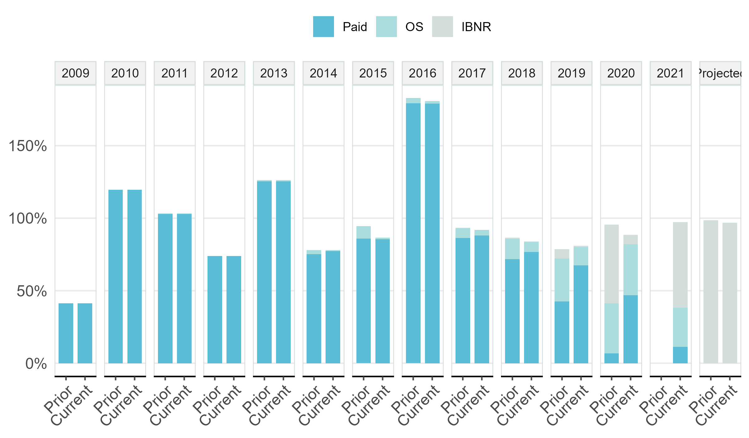
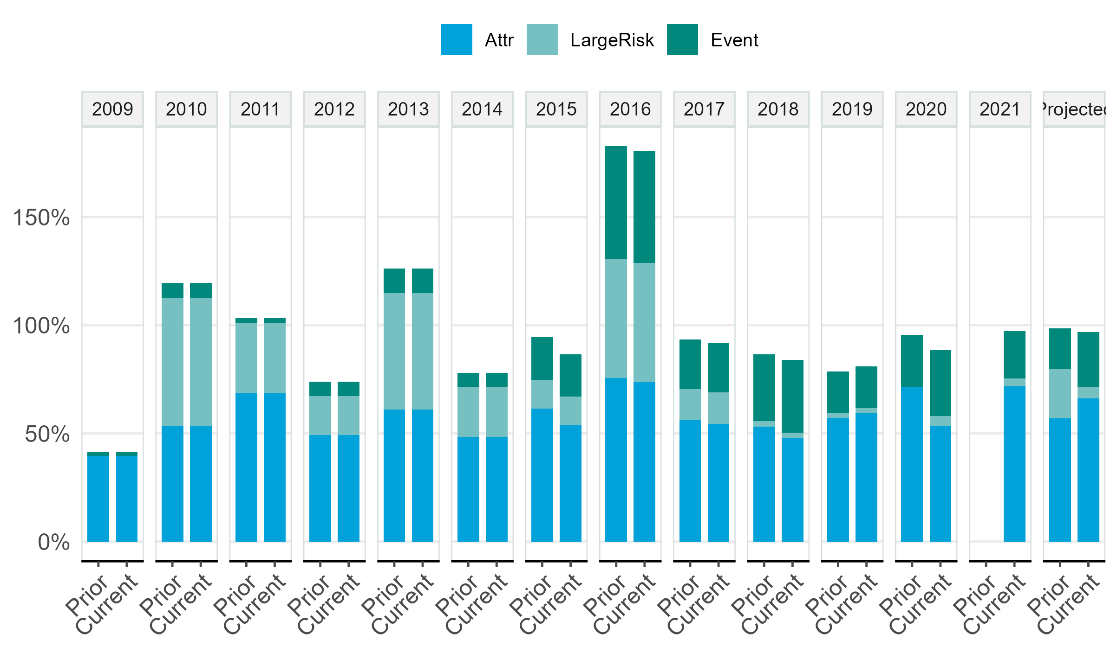
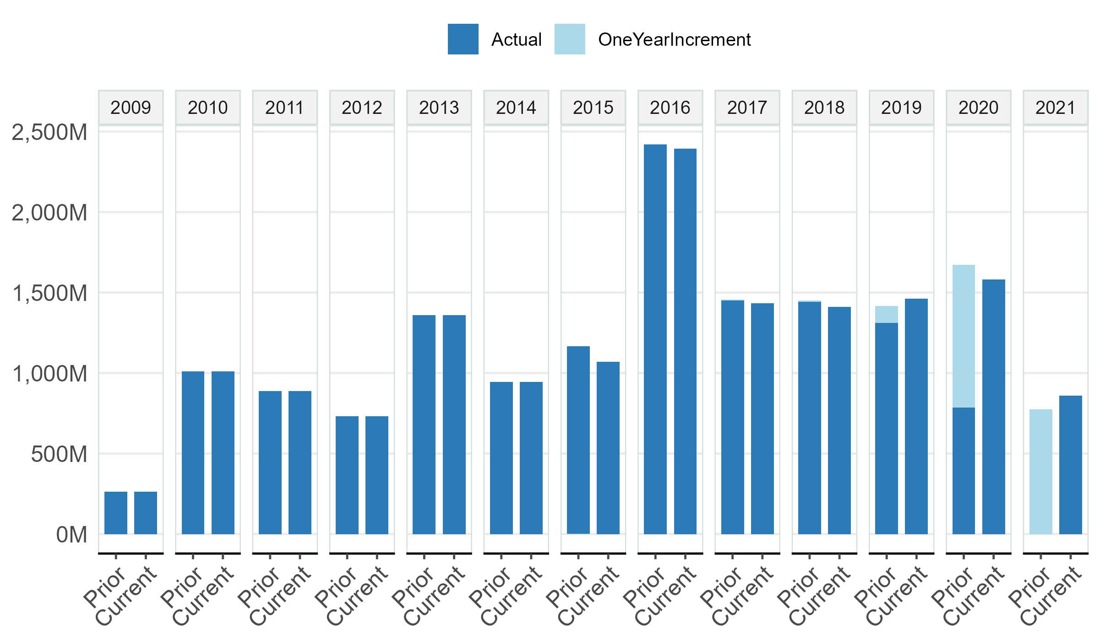
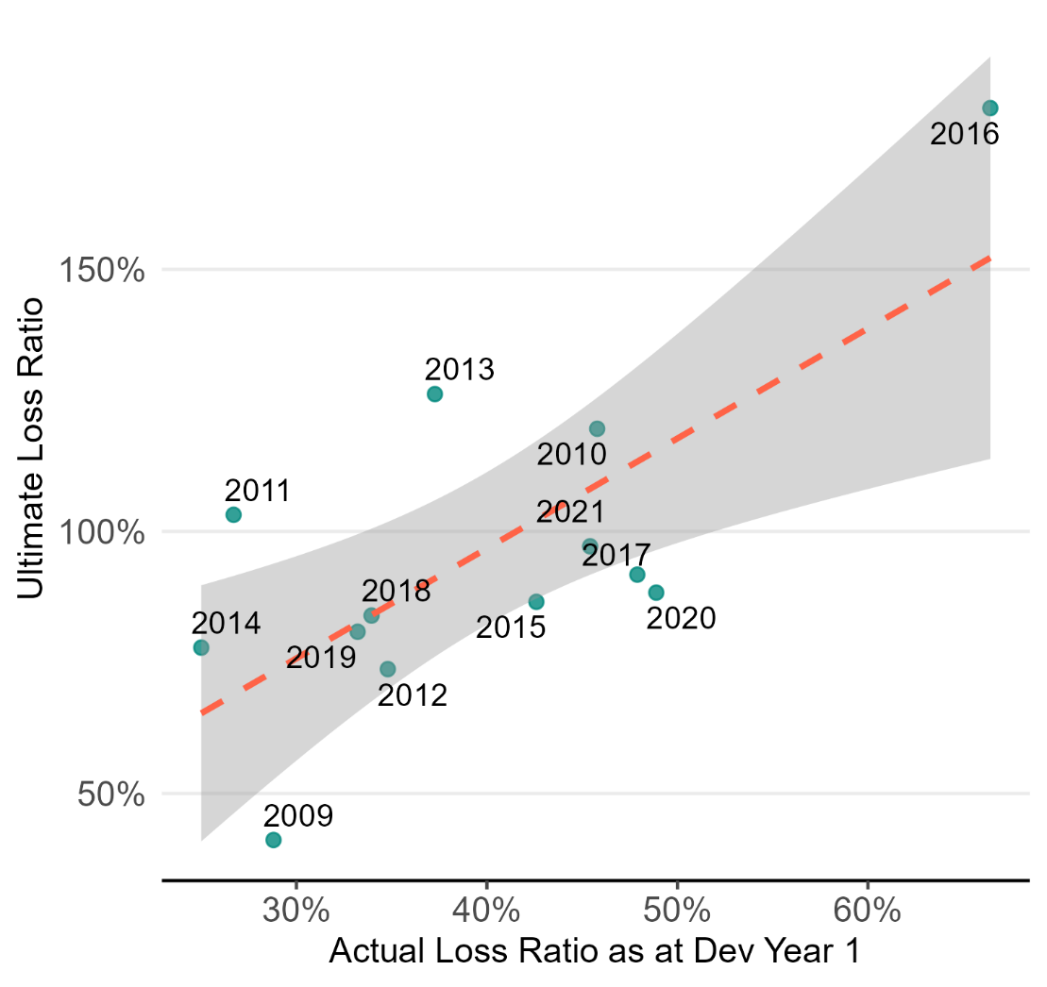

 |  | Tidy Data (for external reference only)

 |  |  | LOBAgg | SheetName | UY | Prior_ActualPrem | Prior_ActualPaid | Prior_ActualIncurred | Prior_UltPrem | Prior_UltIncurred | Prior_LargeRisk | Prior_Event | Prior_NonCat | Current_ActualPrem | Current_ActualPaid | Current_ActualIncurred | Current_UltPrem | Current_UltIncurred | Current_LargeRisk | Current_Event | Current_NonCat
 |  |  | Property_test | Property_test | 2002 | 0 | 0 | 0 | 0 | 0 | 0 | 0 | 0 | 0 | 0 | 0 | 0 | 0 | #N/A | #N/A | #N/A
 |  |  | Property_test | Property_test | 2003 | 0 | 0 | 0 | 0 | 0 | 0 | 0 | 0 | 0 | 0 | 0 | 0 | 0 | #N/A | #N/A | #N/A
 |  |  | Property_test | Property_test | 2004 | 0 | 0 | 0 | 0 | 0 | 0 | 0 | 0 | 0 | 0 | 0 | 0 | 0 | #N/A | #N/A | #N/A
 |  |  | Property_test | Property_test | 2005 | 0 | 0 | 0 | 0 | 0 | 0 | 0 | 0 | 0 | 0 | 0 | 0 | 0 | #N/A | #N/A | #N/A
 |  |  | Property_test | Property_test | 2006 | 0 | 0 | 0 | 0 | 0 | 0 | 0 | 0 | 0 | 0 | 0 | 0 | 0 | #N/A | #N/A | #N/A
 |  |  | Property_test | Property_test | 2007 | 0 | 0 | 0 | 0 | 0 | 0 | 0 | 0 | 0 | 0 | 0 | 0 | 0 | #N/A | #N/A | #N/A
 |  |  | Property_test | Property_test | 2008 | 0 | 0 | 0 | 0 | 0 | 0 | 0 | 0 | 0 | 0 | 0 | 0 | 0 | #N/A | #N/A | #N/A
 |  |  | Property_test | Property_test | 2009 | 636,328,216 | 261,701,500 | 261,701,500 | 636,328,216 | 261,701,500 | 0 | 8,505,719 | 253,195,781 | 628,641,372 | 261,701,500 | 233,176,037 | 628,641,372 | 233,176,037 | 0 | 8,505,719 | 224,670,318
 |  |  | Property_test | Property_test | 2010 | 842,620,858 | 1,007,565,720 | 1,007,565,720 | 842,620,858 | 1,007,565,720 | 499,145,903 | 58,406,229 | 949,159,491 | 832,441,998 | 1,007,565,720 | 897,741,057 | 832,441,998 | 897,741,057 | 499,145,903 | 58,406,229 | 839,334,827
 |  |  | Property_test | Property_test | 2011 | 859,823,469 | 886,353,180 | 887,013,631 | 859,823,469 | 887,013,631 | 278,617,319 | 18,203,633 | 868,809,998 | 849,436,802 | 886,353,180 | 790,329,145 | 849,436,802 | 790,329,145 | 278,617,319 | 18,203,633 | 772,125,512
 |  |  | Property_test | Property_test | 2012 | 991,670,677 | 731,088,131 | 731,088,131 | 991,670,677 | 731,088,131 | 178,691,352 | 62,900,000 | 668,188,131 | 979,691,295 | 731,088,131 | 651,399,524 | 979,691,295 | 651,399,524 | 178,691,352 | 62,900,000 | 588,499,524
 |  |  | Property_test | Property_test | 2013 | 1,075,540,362 | 1,350,751,698 | 1,357,187,939 | 1,075,540,362 | 1,357,187,939 | 579,326,803 | 119,853,519 | 1,237,334,420 | 1,062,547,835 | 1,350,751,698 | 1,209,254,454 | 1,062,547,835 | 1,209,254,454 | 579,326,803 | 119,853,519 | 1,089,400,935
 |  |  | Property_test | Property_test | 2014 | 1,212,209,672 | 940,060,532 | 943,425,123 | 1,212,252,685 | 943,425,123 | 279,598,664 | 75,720,711 | 867,704,413 | 1,197,566,179 | 940,060,532 | 840,591,785 | 1,197,608,673 | 840,591,785 | 279,598,664 | 75,720,711 | 764,871,074
 |  |  | Property_test | Property_test | 2015 | 1,234,510,232 | 1,057,312,532 | 1,068,548,657 | 1,234,546,425 | 1,068,548,657 | 164,247,657 | 240,135,140 | 828,413,517 | 1,219,597,349 | 1,057,312,532 | 952,076,853 | 1,219,640,624 | 952,076,853 | 164,247,657 | 240,135,140 | 711,941,714
 |  |  | Property_test | Property_test | 2016 | 1,323,578,232 | 2,370,064,668 | 2,392,244,262 | 1,323,574,866 | 2,392,244,262 | 728,428,458 | 686,761,205 | 1,705,483,057 | 1,307,589,407 | 2,370,064,668 | 2,131,489,637 | 1,307,635,804 | 2,131,489,637 | 728,428,458 | 686,761,205 | 1,444,728,432
 |  |  | Property_test | Property_test | 2017 | 1,560,045,941 | 1,375,949,885 | 1,430,923,765 | 1,559,736,579 | 1,430,923,765 | 227,281,326 | 352,220,206 | 1,078,703,559 | 1,453,962,817 | 1,375,949,885 | 1,274,953,074 | 1,454,014,408 | 1,277,731,718 | 227,281,326 | 352,220,206 | 925,511,512
 |  |  | Property_test | Property_test | 2018 | 1,684,693,474 | 1,293,778,526 | 1,409,813,313 | 1,684,449,709 | 1,413,886,058 | 43,600,713 | 565,165,842 | 848,720,216 | 1,570,134,318 | 1,293,778,526 | 1,256,143,662 | 1,570,274,224 | 1,259,144,480 | 43,600,713 | 565,165,842 | 693,978,639
 |  |  | Property_test | Property_test | 2019 | 1,820,833,358 | 1,233,366,904 | 1,461,067,657 | 1,821,637,039 | 1,472,776,318 | 38,421,040 | 347,123,490 | 1,125,652,828 | 1,697,016,690 | 1,233,366,904 | 1,301,811,282 | 1,698,162,713 | 1,305,056,498 | 38,421,040 | 347,123,490 | 957,933,008
 |  |  | Property_test | Property_test | 2020 | 1,917,579,713 | 900,762,055 | 1,580,143,832 | 1,920,336,650 | 1,782,382,487 | 88,048,901 | 578,460,465 | 1,203,922,021 | 1,787,184,293 | 900,762,055 | 1,407,908,155 | 1,790,172,260 | 1,503,967,871 | 88,048,901 | 578,460,465 | 925,507,406
 |  |  | Property_test | Property_test | 2021 | 1,889,587,947 | 263,424,862 | 885,672,404 | 2,235,403,888 | 2,157,062,826 | 78,164,028 | 484,823,171 | 1,672,239,656 | 1,761,095,967 | 263,424,862 | 789,134,112 | 2,083,883,590 | 1,994,213,824 | 78,164,028 | 484,823,171 | 1,509,390,653
 |  |  | Property_test | Property_test | Projected | 0 | 0 | 0 | 0 | 0 | 0 | 0 | 0 |  |  |  | 0 | 0 | 0 | 0 | 0

 |  | Data Spec

 |  |  | Name | Address | Type | Filter | Dir
 |  |  | Dev | 'Property_test'!D134:V155 | df | FALSE
 |  |  | TriLR | 'Property_test'!Z77:AT97 | df | FALSE
 |  |  | Meta | 'Property_test'!G4:H5 | list | FALSE

