POCs + Sample Data
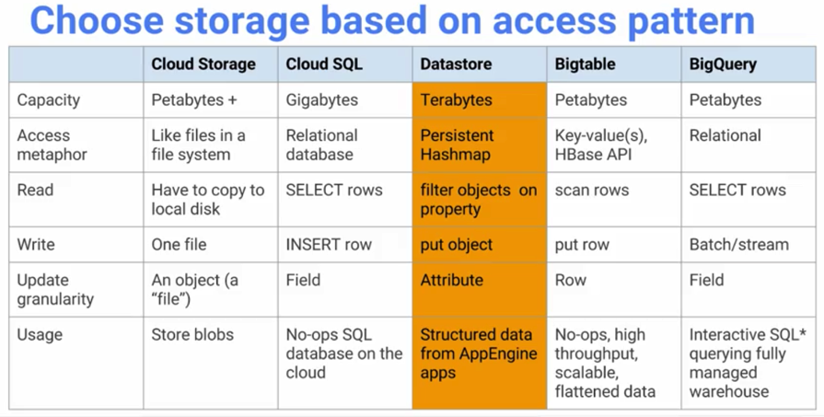
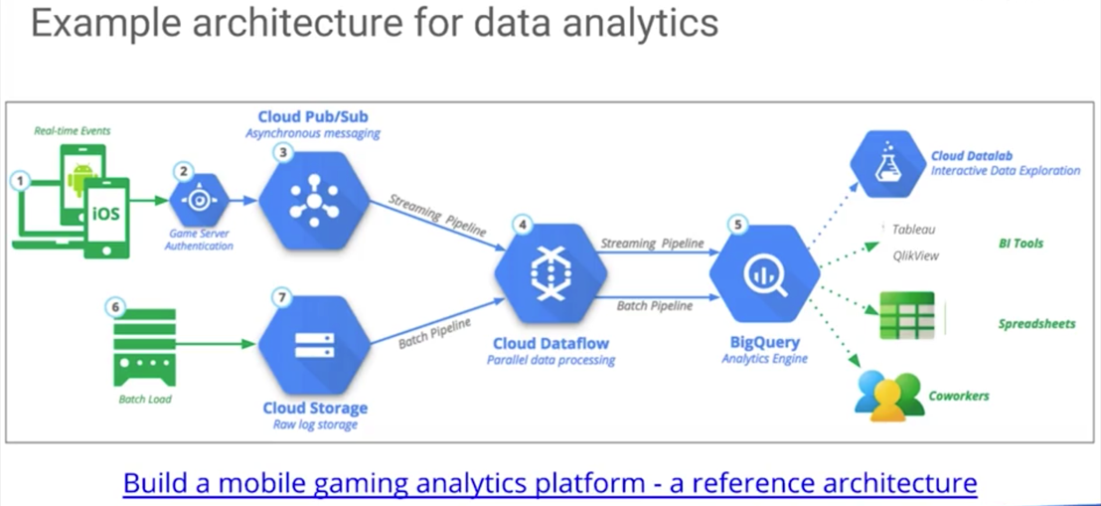
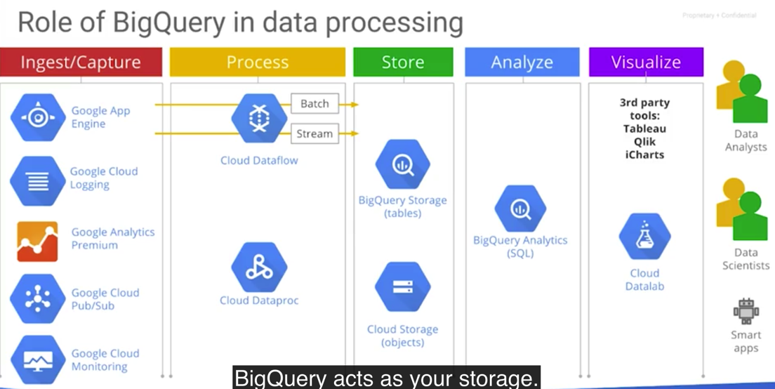
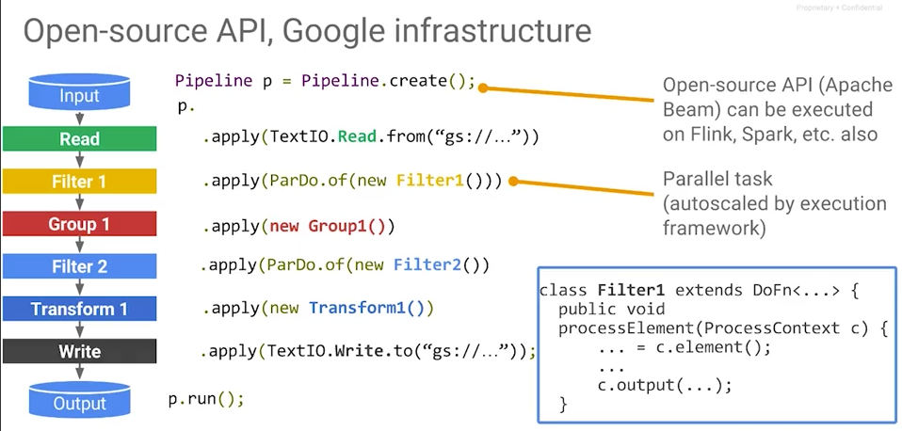
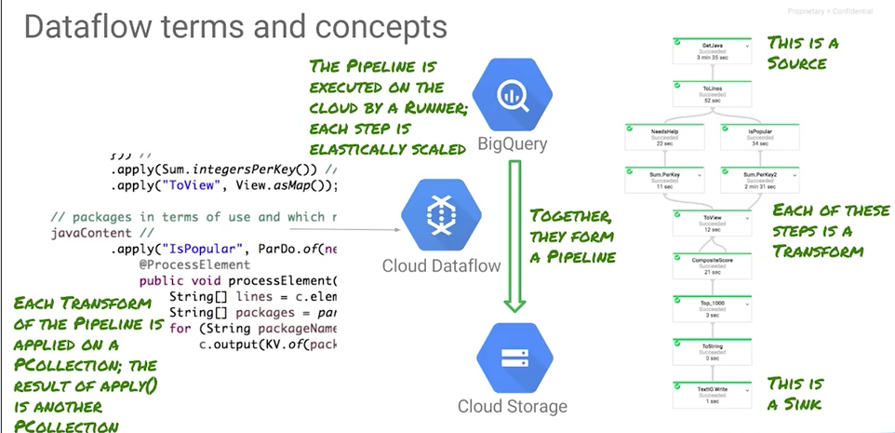
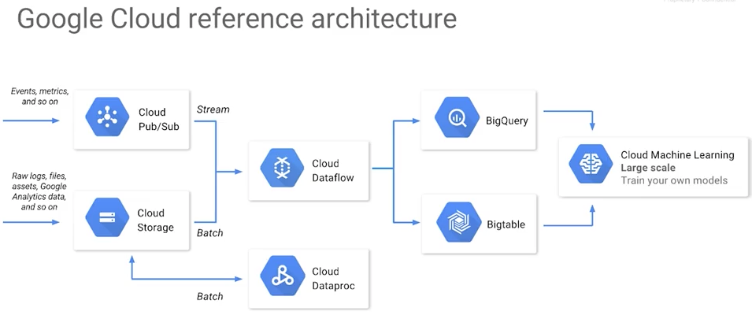

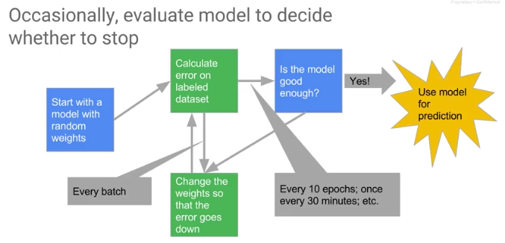
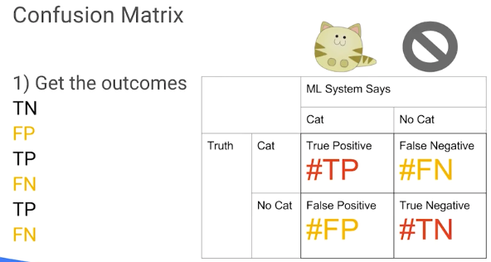
+--------------------------------+
| Tables_in_recommendation_spark |
+--------------------------------+
| Accommodation |
| Rating |
| Recommendation |
+--------------------------------+

mysql> select r.userid, r.accoid, r.prediction, a.title, a.location, a.price, a.rooms, a.rating, a.type from Recommendation as r, Accommodation as a where r.accoid = a.id and r.userid = 10;
+--------+--------+------------+-------------------------+--------------+-------+-------+--------+---------+
| userid | accoid | prediction | title | location | price | rooms | rating | type |
+--------+--------+------------+-------------------------+--------------+-------+-------+--------+---------+
| 10 | 35 | 1.5892509 | Colossal Quiet Chateau | NYC | 2300 | 14 | 4.6 | castle |
| 10 | 21 | 1.466752 | Big Peaceful Cabin | Seattle | 80 | 2 | 4.9 | cottage |
| 10 | 74 | 1.3969284 | Giant Calm Fort | Melbourne | 2400 | 12 | 2.3 | castle |
| 10 | 31 | 1.2914568 | Colossal Private Castle | Buenos Aires | 1400 | 15 | 3.3 | castle |
| 10 | 45 | 1.265546 | Vast Quiet Chateau | Tokyo | 1100 | 19 | 2.3 | castle |
+--------+--------+------------+-------------------------+--------------+-------+-------+--------+---------+

mysql> select * from Accommodation where id < 6;
+----+------------------------+-----------+-------+-------+--------+---------+
| id | title | location | price | rooms | rating | type |
+----+------------------------+-----------+-------+-------+--------+---------+
| 1 | Comfy Quiet Chalet | Vancouver | 50 | 3 | 3.1 | cottage |
| 2 | Cozy Calm Hut | London | 65 | 2 | 4.1 | cottage |
| 3 | Agreable Calm Place | London | 65 | 4 | 4.8 | house |
| 4 | Colossal Quiet Chateau | Paris | 3400 | 16 | 2.7 | castle |
| 5 | Homy Quiet Shack | Paris | 50 | 1 | 1.1 | cottage |
+----+------------------------+-----------+-------+-------+--------+---------+

mysql> select * from Rating where userId= 10;
+--------+--------+--------+
| userId | accoId | rating |
+--------+--------+--------+
| 10 | 1 | 1 |
| 10 | 11 | 1 |
| 10 | 12 | 5 |
| 10 | 15 | 1 |
| 10 | 16 | 4 |
| 10 | 17 | 1 |
| 10 | 18 | 1 |

