Sheet1
Pipeline Stage
Instruction Fetch | 32 bits: PC+4 (for branch) | 32 bits: Instruction
Instruction Decode
Execute
Memory
Write Back

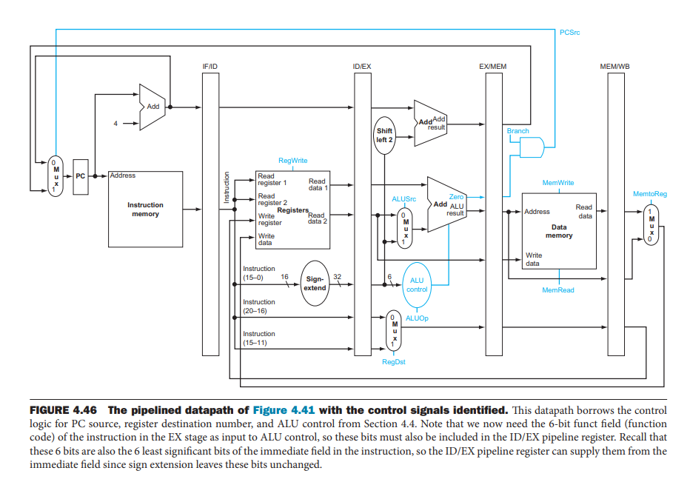

 |  |  | Note: Branch calculation can be in ID stage not mem stage

