Sheet1
Pipeline Stage | Possibly need
IF/ID |  | 32 bits: PC+4 (for branch) | 32 bits: Instruction
ID/EX |  | 32 bits: PC+4 (for branch) | 32 bits: Read data 1(A) | 32 bits: Read data 2 | 32 bits: sign extended immediate | 32 bits: jumpAddress | 5 bits: instruction 20-16 (rt) | 5 bits: instruction 15-11 (rd) | 15 bits: control_bits(SignExt kept cause easier to implement)
EX/MEM |  | 32 bits: PC+4 (for branch) | 32 bits: final_jump_address | 32 bits: branchAddr | 1 bit: overflow | 1 bit: zero(for branching) | 32 bits: alu_out | 32 bits: read_data_2 | 5 bits: write_register | jal | MemtoReg | we_mem | we_reg | branch | j | halt
MEM/WB |  | 32 bits: PC+4 (for branch) | 32 bits: final_jump_address | 32 bits: branchAddr | 1 bit: overflow | 1 bit: branch_check(for branching) | 32 bits: alu_out | 32 bits: mem_read_data | 5 bits: write_register | jal | MemtoReg |  | we_reg |  | j | halt

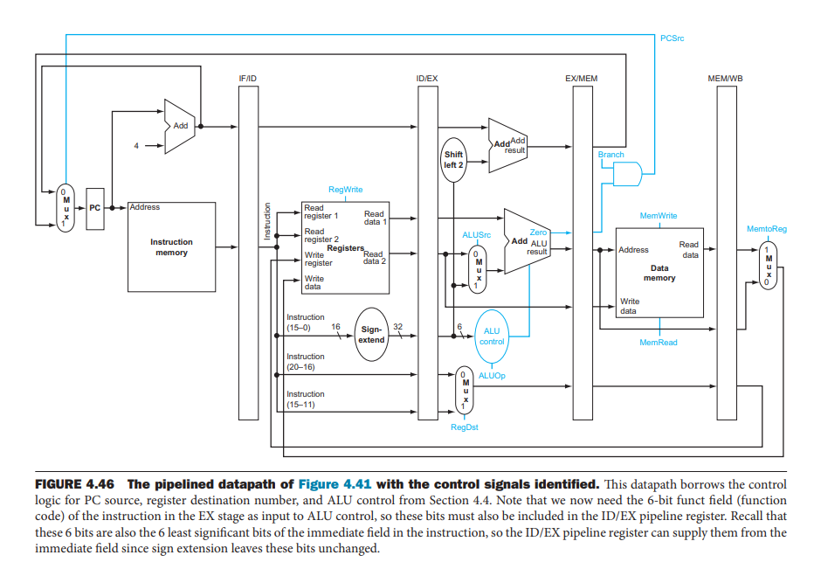

 |  |  |  |  |  |  |  |  |  |  |  |  |  | Note: Branch calculation can be in ID stage not mem stage

