Sheet1
Pipeline Stage | Possibly need
Instruction Fetch |  | 32 bits: PC+4 (for branch) | 32 bits: Instruction
Instruction Decode | 32 bits: PC+4 (for branch) | 32 bits: Read data 1(A) | 32 bits: Read data 2 | 32 bits: sign extended immediate | 5 bits: instruction 20-16 (rt) | 5 bits: instruction 15-11 (rd)
Execute
Memory
Write Back

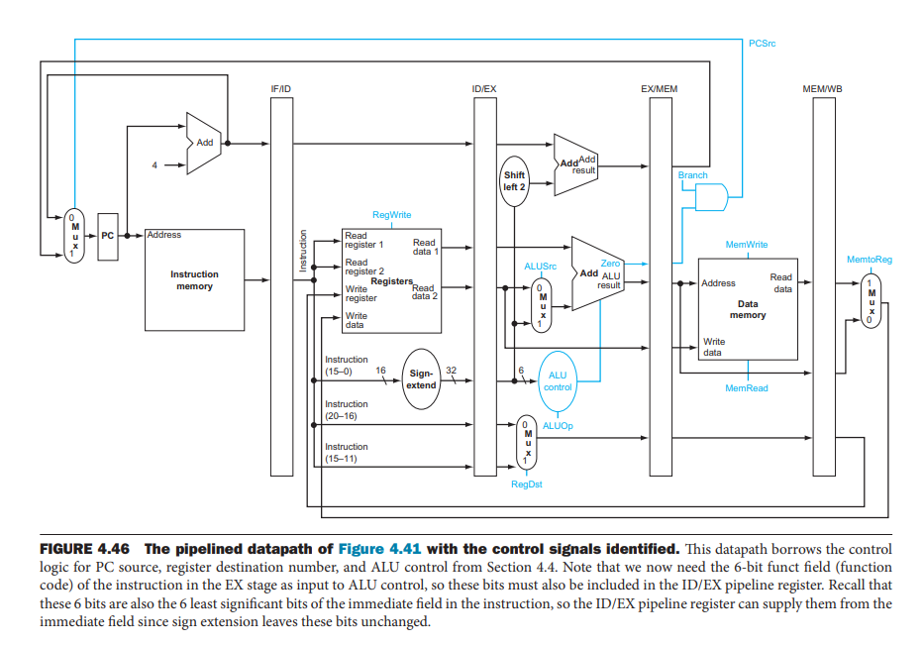

 |  |  |  |  |  |  | Note: Branch calculation can be in ID stage not mem stage

