Tabelle1
NOT IN | not quqal
Null - for fetching missing values
Order by- sorting by
DESC - descending order from ya to a
BETWEEN | for ranges | for althabet - last one NOT included/ for numbers included
Like (b%) starts with b
like (%b%) in the middle
like (_y) 2 letters and last one y
REGEXP-regular expression
phone_number REGEXP '9'-anywhere 9
phone_number REGEXP '9$' ends with 9
phone_number REGEXP '^9' begins
phone_number REGEXP '9|8' OR (contins)
last name REGexp '[gim]e' lst name :
ge
ie
me
last name REGexp '[a-h]e' from a to h
Limit 6,3 | skip first 6 lines and give next 3
LiMIT - RETURN FIRST 3 LINES | limit the last one in the code
Inner join customers on orders.customers_id = customers.customer_id | я объкдиняю две таблицы по одному столбцу. Который одиниковый

HAVING statement always comes after GROUP BY, but before ORDER BY and LIMIT.

Select *, quantity*unit_price as total price
from order items
where order id=2
order by (quantity*unit_price) desc

Identical!
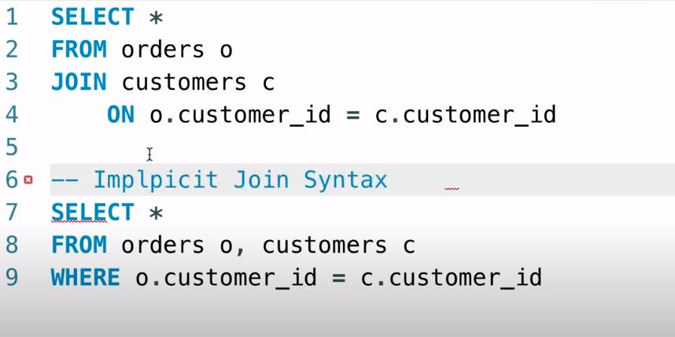

outer joins!!
left join(better use left join) | all records from the left table are returned wether the condition ("ON...") is true or not
right join | all records from the right table are returned wether the condition ("ON...") is true or not

Select*
from products p
left join order_items oi
on p.product_id =oi.product_id

Select*
from orders o
join customer c
on o.customer_id=c.customer_id
join shipments
on

Join vvdfdf
ON

или
Join bfgfgf
using (абсолютно идентичные названия коломн)

Select
p.date, c.client, p. amount, pm.payment_method as name
from payment p
join clients c
on p.client_id=c.client_id
join payment_methods pm
on pm.payment_method_id=p.payment_method

Natural join (doesnt need condition) | not specify column names
 | dont have control ! Better not to use

cross join (doesnt need condition) - excplicit syntax | for exacmple sizes and colours
 | we could use cross checkto have all combinations for them

Select sh.name as shipper, p.name as product
from shippers sh, products p
order by sh.name

Select sh.name as shipper, p.name as product
from shippers sh
cross join products p
order by sh.name

union-can combine result from multiple quires | should be smae amount of columns

less than 2000 p | bronze
2000-3000 | silver
3000 | gold

Select
customer_id,
first_name,
points,
bronze' as type
from customers
where points<2000
union
Select
customer_id,
first_name,
points,
silver' as type
from customers
where points between and 3000
union
Select
customer_id,
first_name,
points,
gold' as type
from customers
where points>3000
order by first_name

