Partition-1
Partitioned based on 2 (10*2)
Nodes | Functions | Number of Patterns | FC w/o RFR | FC with RFR | Time taken(seconds) | No of Fault covered w/o rfr | Number of fault covered with rfr
0 -> 1 | 19 and 28 | 19 | 98.44% | 100.00% | 0.2 | 63 | 64
 | SLL
 | OP2
18 -> 19 | 24 and 26 | 6 | 50.00% | 100.00% | 0.3 | 32 | 64
 | MFLO ( LO)
 | MTLO R(A1)
24 -> 25 | 17 and 18 | 16 | 100.00% | 100.00% | 0.5 | 64 | 64 | 1 | FC w/o RFR means Fault Coverage without
 | MULT |  |  |  |  |  |  |  | redundant function reduction
 | MULTU
33 -> 34 | 2 and 3 | 12 | 96.88% | 100.00% | 0.4 | 62 | 64 | 2 | FC with RFR | means Fault coverage with
 | ADDU |  |  |  |  |  |  |  | redundant function reduction,
 | SUB
32 -> 35 | 1 and 4 | 12 | 96.88% | 100.00% | 0.5 | 62 | 64 |  | Fault covered by both | 1 and 2 are equal but the percentage are not
 | ADD
 | SUBU |  |  |  |  |  |  |  | SP | Search Space
36 -> 37 | 5 and 6 | 5 | 50.00% | 100.00% | 0.2 | 32 | 64
 | AND
 | OR
38 -> 39 | 7 and 8 | 11 | 100.00% | 100.00% | 0.5 | 64 | 64
 | XOR
 | NOR
42 -> 43 | 9 and 10 | 2 | 3.12% | 100.00% | 0.2 | 2 | 64
 | SLT
 | SLTU
2 -> 3 | 20 and 21 | 3 | 48.44% | 100.00% | 0.3 | 31 | 64
 | SRL
 | SRA
16 -> 17 | 23 and 25 | 5 | 50.00% | 100.00% | 0.3 | 32 | 64
 | MFHI
 | MTHI
Average |  | 91 | 69.376 | 1 | 0.34 | 44.4 | 64

Partitioned based on 4 (5*4)

Nodes | Functions | Number of Patterns | FC w/o RFR | FC with RFR | Time taken(seconds) | No of Fault covered w/o rfr | Numbersof fault covered with rfr
0,1 ; 2,3 | [19,20; 21,28] | 25 | 89.84% | 100.00% | 0.2 | 345 | 384
 | SLL SRL ; SRA OP2 | 25 (used 1200SP) | 89.84% | 100.00% | 0.21 | 345 | 384
 |  | 25 (used 1000SP) | 89.84% | 100.00% | 0.3 | 345 | 384
 |  | 25 (used 800SP) | 89.84% | 100.00% | 0.4 | 345 | 384
 |  | 25 (used 650SP) | 89.84% | 100.00% | 0.41 | 345 | 384
 |  | 25 (used 500SP) | 89.84% | 100.00% | 0.41 | 345 | 384
16,17 ; 18,19 | [23,25 ; 24,26] | 6 | 37.24% | 100.00% | 0.5 | 139 | 384
 | HI R(A1)
 | LO R(A1)
32, 35 ; 24, 25 | [1 , 4 ; 17, 18] | 24 | 99.48% | 100.00% | 0.4 | 382 | 384
 | ADD SUBU
 | MULT MULTU
19 | 2 , 3 ; 5 , 6 | 28 | 90.62% | 100.00% | 0.3 | 348 | 348
 | ADDU SUB
 | AND OR
38, 39 ; 42, 43 | 7,8 ; 9, 10 | 11 | 51.56% | 100.00% | 0.6 | 198 | 384
 | XOR NOR
 | SLT SLTU
Average |  | 94 | 73.748 | 1 | 0.4 | 282.4 | 376.8

Partitioned based on 10 (2* 10)

Nodes | Functions | Number of patterns | FC w/o RFR | FC with RFR | Time taken(seconds) | No of Fault covered w/o rfr | Numbersof fault covered with rfr
0,1 ; 2,3 ; 16,17 ; 18, 19; 32, 35 | 19,20,21,28,23,25,24,26,1,4 | 32 | 76.63% | 100.00% | 0.7 | 2203 | 2880
 | SLL(19) SRL(20)
 | OP2(21) SRA(28)
 | HI(23) R(A1)(25)
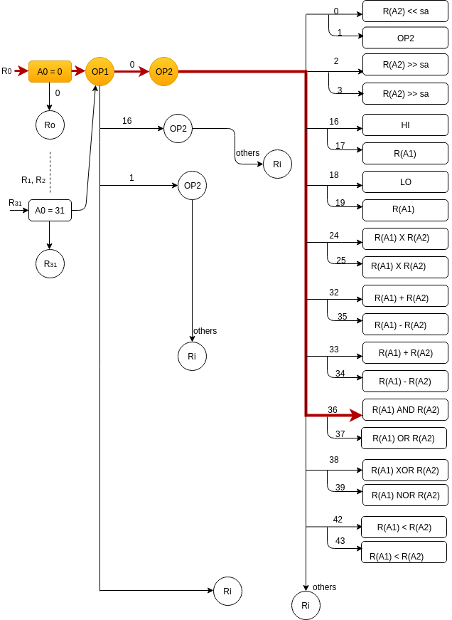
 | LO(24) R(A1)(26)
 | ADD(1) SUBU(4)
24, 25 ; 33 , 34 ; 36 , 37; 38, 39; 42,43 | 17, 18, 2,3,5, 6, 7,8, 9, 10 | 40 | 78.12% | 100.00% | 0.7 | 2250 | 2880
 | MULT(17) MULTU(18)
 | ADDU(2) SUB(3)
 | AND(5) OR(6)
 | XOR(7) NOR(8)
 | SLT(9) SLTU(10)
Average |  | 72 | 0.77375 | 1 | 0.7 | 2226.5 | 2880

Partitioned based on 7|7|6

Nodes | Functions | Number of patterns | FC w/o RFR | FC with RFR | Time taken(seconds) | No of Fault covered w/o rfr | Numbersof fault covered with rfr
0,1 ; 2,3 ; 16,17 ; 18 | 19,20,21,28,23,25,24 | 30 | 69.49% | 100.00% | 0.63 | 934 | 1344
 | SLL(19) SRL(20)
 | OP2(21) SRA(28)
 | HI(23) R(A1)(25)
 | LO(24)
19;32, 35; 24; 25 , 33 ; 34 | 26, 1,4, 17, 18, 2,3 | 28 | 89.88% | 100.00% | 0.5 | 1208 | 1344
 | R(A1)(26)
 | ADD(1) SUBU(4)
 | MULT(17) MULTU(18)
 | ADDU(2) SUB(3)
36 , 37; 38, 39; 42,43 | 5,6,7, 8, 9, 10 | 13 | 61.04% | 100.00% | 0.4 | 586 | 960
 | AND(5) OR(6)
 | XOR(7) NOR(8)
 | SLT(9) SLTU(10)
Average |  | 71 | 0.7347 | 1 | 0.51 | 909.33333333 | 1216

Partitioned based on 8|8|4

Nodes | Functions | Number of patterns | FC w/o RFR | FC with RFR | Time taken(seconds) | No of Fault covered w/o rfr | Numbersof fault covered with rfr
0,1 ; 2,3 ; 16,17 ; 18, 19 | 19,20,21,28,23,25,24,26 | 30 | 69.92% | 100.00% | 0.63 | 1253 | 1792
 | SLL(19) SRL(20)
 | OP2(21) SRA(28)
 | HI(23) R(A1)(25)
 | LO(24) R(A1)(26)
32, 35, 24, 25 ; 33 , 34 ; 36 , 37 | 1,4,17,18,2,3,5,6 | 38 | 90.40% | 100.00% | 0.1 | 1620 | 1792
 | ADD(1) SUBU(4)
 | MULT(17) MULTU(18)
 | ADDU(2) SUB(3)
 | AND(5) OR(6)
38, 39; 42,43 | 7,8,9,10 | 11 | 51.56% | 100.00% | 0.5 | 198 | 384
 | XOR(7) NOR(8)
 | SLT(9) SLTU(10)
Average |  | 79 | 0.70626666667 | 1 | 0.41 | 1023.6666667 | 1322.6666667

All Functions |  |  |  |  |  |  |  |  | Dear Tolulope, You are welcome to the meeting today any time, but warn me before. 1) The results are interesting. Also your initiative to try with other group combinations. 2) I put your results into the table attached, where we can compare the results easier to discover some correlations and dependencies. 3) In general we can state, that that - the "average of patterns" is decreasing because "the more patterns, the mode cooperation" - time and # faults are increasing (it was expected) - the dependence of "FC% change" should be still explained - the anomalies should be also explained - I added some columns for "max-cases" for trying to explain the anomalies, but still not clear. - the most important finding is that the results inside the group are very different which makes the average criteria confusing, - finally, we have found out the general dependencies, that is important 4) What next - The unbalance of data inside the groups is explained by that we have not defined the criteria how to select the instructions into the groups. But we have to not start to look for the balance; this is not important any more, because we have noticed already the main dependencies - the goals are different (1) Research for showing the usefulness of the Theory of HLDD (the HLDD model should be as adequate as possible to the instructions coding) (2) Research for finding out the mapping between our functional fault models and the real low-level structural faults (different partitions of the instruction may provide different mapping to structure)

Nodes | Functions | Number of patterns | FC w/o RFR | FC with RFR | Time taken(seconds) | No of Fault covered w/o rfr | Numbersof fault covered with rfr
0,1,2,3,16,17,18,19,32,35,24,25,33,34,36,37,38,39,42,43 | [1,2,3,4,5,6,7,8,9,10,17,18,19,20,21,23,24,25,26,28] | 57 | 77.15% | 100.00% | 1.7 | 9382 | 12160
 | ADD(1),ADDU(2),SUB(3)
 | SUBU(4),AND(5),OR(6)
 | XOR(7),NOR(8),SLT(9)
 | SLTU(10),MULT(17)
 | MULTU(18),SLL(19),SRL(20)
 | OP2(21),HI(23),LO(24)
 | R(A1)(25),R(A1)(26),SRA(28),

Table of Results / Partition - Summary of Configurations
Partition | # pat (aver) | # pat (max) | FC% (aver) | FC% (max) | Time | # faults (aver) | # faults (max)
10 * 2 | 91 | 19 | 69.3 | 100 | 0.34 | 44 | 64
5 * 4 | 94 | 28 | 73.7 | 90.6 | 0.4 | 282 | 382
3 * 7/7/6 | 71 | 40 | 73.5 | 78.1 | 0.51 | 909 | 2250
3 * 8/8/4 | 79 | 30 | 70.6 | 89.9 | 0.41 | 1023 | 1208
2 * 10 | 72 | 38 | 77.3 | 90.4 | 0.7 | 2227 | 1620
1 * 20 (all) | 57 | 57 | 77.2 | 77.2 | 1.7 | 9382 | 9382

Partion-2
Partitioned based on 4|4|2 |  |  |  |  |  |  |  |  | e.g
 |  |  |  |  |  |  |  |  | [1,2;3,4] | are the function numbers we used for testing the group of functions.
Nodes | Functions | Number of Patterns | FC w/o RFR | FC with RFR | Time taken(seconds) | No of Fault covered w/o rfr | Numbersof fault covered with rfr |  | F(Code) = e.g ADD(32). This means that ADD is a function with instruction code "100000" = 32. See Sheet Funtions&Codes for the functions under consideration.
OP31 | [1,2;3,4] | 12 | 64.58% | 100.00% | 0.32 | 248 | 384
 | ADD(32) ADDU(33)
 | SUB(34) SUBU(35) |  |  |  |  |  |  |  | HLDD DIAGRAM
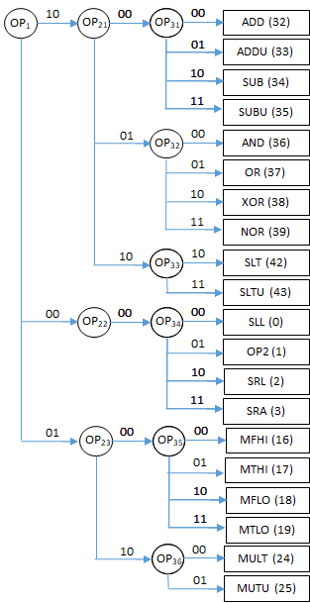
OP32 | [5,6 ;7,8] | 13 | 83.33% | 100.00% | 0.5 | 320 | 384
 | AND(36) OR(37)
 | XOR(38) NOR(39) |  |  |  |  |  |  |  |  |  | A) Based on the HLDD I proposed yesterday, we can organize the second round of experiments in the following way: 1) Testing of nodes OP31-OP36 (group sizes 4/4/2/4/4/2) 2) Testing of nodes OP21,OP23 (sizes: 10/6) 3) Testing of the node OP1 (size 20) B) I would propose also optimised versons for experiments 2 and 3, which target the nodes OP21-OP23 and OP1 in the following way: 1) For OP21: 4 different experiments with 4 different groups - (32,36,42), (33,37,42), (34,38,43), (35,39,43) 2) For OP23: 4 different experiments with 4 different groups - (16,24), (17,24), (18,25), (19,25) These experiments check the hypothesis of the HLDD theory for testing the nodes, where for the internal nodes (here OP1 and OP2k), we need for the group so many instructions how many the node under test has output edges (but the combinations can be different, that's why we have 4 different experiments)
OP33 | [9, 10] | 2 | 3.12% | 100.00% | 0.3 | 2 | 64
 | SLT(42) SLTU(43)
Avearage |  | 27 | 50.34333333 | 1 | 0.37333333333 | 190 | 277.33333333

Partitioned based on 4|4|2

Nodes | Functions | Number of Patterns | FC w/o RFR | FC with RFR | Time taken(seconds) | No of Fault covered w/o rfr | Numbersof fault covered with rfr
OP34 | [19,28;20,21] | 26 | 89.84% | 100.00% | 0.5 | 345 | 384
 | SLL OP2
 | SRL SRA
OP35 | [23,25 ;24,26] | 6 | 37.24% | 100.00% | 0.4 | 143 | 384
 | MFHI MTHI
 | MFLO MTLO
OP36 | [24, 25] | 16 | 50.00% | 100.00% | 0.22 | 64 | 64
 | MULT MULTU
Average |  | 48 | 59.02666667 | 1 | 0.37333333333 | 184 | 277.33333333

For OP21: 4 different experiments with 4 different groups
Partitioned based on 4*3

Multiple Nodes | Functions | Number of Patterns | FC w/o RFR | FC with RFR | Time taken(seconds) | No of Fault covered w/o rfr | Numbersof fault covered with rfr
OP21 -> OP31 | [1,5,9] | 20 | 67.71% | 100.00% | 0.3 | 130 | 192
OP21 -> OP32, | ADD(32) AND(36)
OP21 -> OP33 | SLT(42)
 | [2,6,9] | 16 | 67.19% | 100.00% | 0.3 | 129 | 192
 | ADDU(33) OR(37)
 | SLT(42)
 | [3, 7,10] | 13 | 66.67% | 100.00% | 0.3 | 128 | 192
 | SUB(34) XOR(38)
 | SLTU(43)
 | [4, 8,10] | 18 | 67.71% | 100.00% | 0.24 | 130 | 192
 | SUBU(35) NOR(39)
 | SLTU(43)
Average |  | 49 | 67.32 | 1 | 0.285 | 129.25 | 192

For OP23: 4 different experiments with 4 different groups
Partitioned based on 4*2

Multiple Nodes | Functions | Number of Patterns | FC w/o RFR | FC with RFR | Time taken(seconds) | No of Fault covered w/o rfr | Numbersof fault covered with rfr
 | [23;17] | 6 | 50.00% | 100.00% | 0.3 | 32 | 64
 | MFHI(16)
 | MULT(24)
 | [25,17] | 18 | 100.00% | 100.00% | 0.3 | 64 | 64
OP23 -> OP35 | MTHI(17)
OP23 ->OP36 | MULT(24)
 | [24,18] | 7 | 50.00% | 100.00% | 0.4 | 32 | 64
OP23 ->OP35 | MFLO(18)
OP23 ->OP36 | MULTU(25)
 | [26,18] | 16 | 100.00% | 100.00% | 0.24 | 64 | 64
 | MTLO(19)
 | MULTU(25)
Average |  | 47 | 0.75 | 1 | 0.31 | 48 | 64

FOR OP1
Multiple Nodes | Functions | Number of patterns | FC w/o RFR | FC with RFR | Time taken(seconds) | No of Fault covered w/o rfr | Numbersof fault covered with rfr
 | 1,2,3,4,5,6,7,8,9,10 | 33 | 73.26% | 100.00% | 0.62 | 2110 | 4990
OP1 -> OP21 -> OP31 | ADD(32) ADDU(33)
OP1 -> OP21 -> OP32 | SUB(34) SUBU(35)
OP1 -> OP21 -> OP33 | AND(36) OR (37)
 | XOR(38) NOR(39)
 | SLT(42) SLTU(43)
OP1 -> OP22 -> OP34 | 19, 28, 20,21 | 26 | 89.84% | 100.00% | 0.31 | 345 | 384
 | SLL(0) OP2(1)
 | SRL(2) SRA(3)
 | 17,18,23,24,25,26 | 22 | 61.56% | 100.00% | 0.3 | 591 | 960
OP1 -> OP23 -> OP35 | MFHI(16) MTHI(17)
OP1->OP23 -> OP36 | MFLO(18) MTLO(19)
 | MULT(24) MUTU(25)
Average |  | 81 | 74.88666667 | 1 | 0.41 | 1015.3333333 | 2111.3333333

One function on each node
Multiple Nodes | Functions | Number of patterns | FC w/o RFR | FC with RFR | Time taken(seconds) | No of Fault covered w/o rfr | Numbersof fault covered with rfr
 | 1,5,9,19,23,17 | 34 | 68.65% | 100.00% | 0.4 | 659 | 960
OP31 - OP32 . OP34 | ADD(32) AND(36)
OP35 - OP36 | SLT(42) SLL(0)
 | MFHI(16) MULT(24)

 |  | Table of Results /Partition - Summary of Configurations

Partition | # pat (aver) | # pat (max) | FC% (aver) | FC% (max) | Time | # faults (aver) | # faults (max)
4*2 | 6 | 18 | 75 | 100 | 0.31 | 48 | 64
3 * 4|4|2 | 27 | 13 | 50.3 | 83.3 | 0.37 | 190 | 320
3 * 4|4|2 | 48 | 26 | 75.7 | 100 | 0.37 | 184 | 345
4 * 3 | 49 | 20 | 67.3 | 67.7 | 0.29 | 129 | 130
3 * 10|4|6 | 81 | 33 | 74.9 | 89.8 | 0.41 | 1015 | 2110
1 * 20 (all) | 57 | 57 | 77.2 | 77.2 | 1.7 | 9382 | 9382 | 1*20 (all ) is covered in Partition-1

