Sheet1
Region | Year | Sex | Age | cd4_art_0_200 | cd4_art_201_350 | cd4_art_351_500 | cd4_art_501_up | Totals
AP | 2023 | ALL | ALL | 194 | 76 | 47 | 56 | 373
CN | 2023 | ALL | ALL | 125 | 79 | 80 | 100 | 384
EA | 2023 | ALL | ALL | 352 | 230 | 156 | 198 | 936
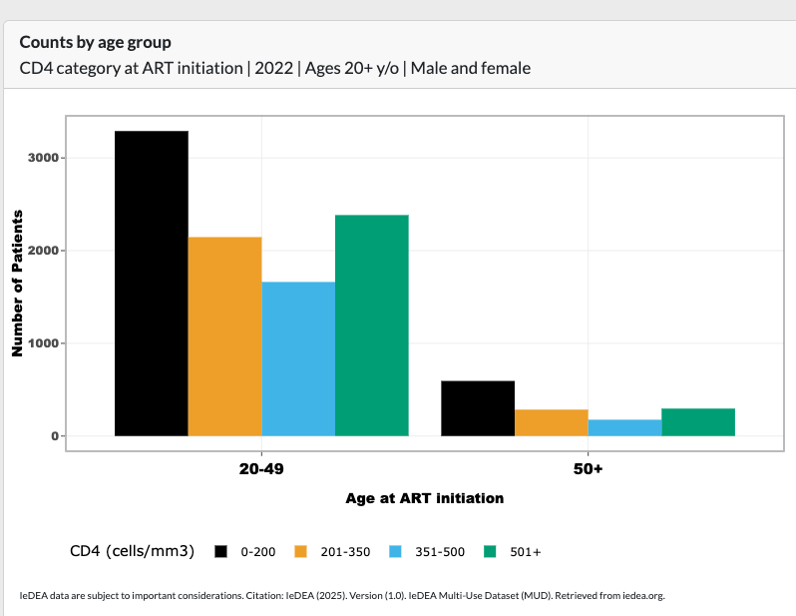
SA | 2023 | ALL | ALL | 981 | 643 | 501 | 638 | 2763
WA | 2023 | ALL | ALL | 86 | 46 | 25 | 32 | 189

Region | cd4_art_0_200 | cd4_art_201_350 | cd4_art_351_500 | cd4_art_501_up
AP
CN
EA
SA
WA
 |  |  | Props | Prop non-AHD
 | cd4 <200 | 3884 | 0.35853410874
 | cd4 201-350 | 2431 | 0.22440690483 | 0.34983450856
 | cd4 351-500 | 1838 | 0.16966675898 | 0.26449848899
 | cd4 501 | 2680 | 0.24739222745 | 0.38566700245
 |  | 10833

 | Non AHD | 6949

Annual mortality

Age (years)
CD4+ count (cells/μl) | 15–24 | 25–34 | 35–44 | 45+ | Avg |  | Average by groups
>500 | 0.005 | 0.004 | 0.005 | 0.005 | 0.00475 |  | 500+ | 0.00475
350–500 | 0.011 | 0.01 | 0.013 | 0.013 | 0.01175 |  | 350–500 | 0.01175
250–349 | 0.026 | 0.026 | 0.036 | 0.032 | 0.03 |  | 200-350 | 0.0455
200–249 | 0.061 | 0.069 | 0.096 | 0.08 | 0.0765
100–199 | 0.139 | 0.185 | 0.258 | 0.203 | 0.19625
50–99 | 0.321 | 0.499 | 0.691 | 0.513 | 0.506
<50 | 0.737 | 1.342 | 1.851 | 1.295 | 1.30625

