Sheet1
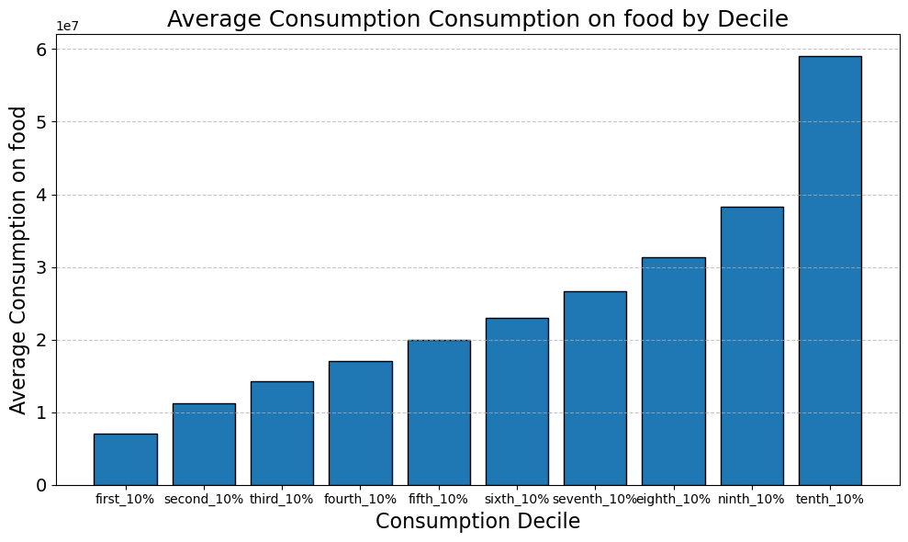
Food
Decile | avg_consumption
first_10% | 6,986,133.0 |  | 2.82% | 58.47%
second_10% | 11,245,285.6 |  | 4.54% | 58.52%
third_10% | 14,214,514.0 |  | 5.74% | 58.25%
fourth_10% | 17,027,608.1 |  | 6.87% | 57.89%
fifth_10% | 19,894,255.2 |  | 8.03% | 57.35%
sixth_10% | 22,936,062.0 |  | 9.26% | 56.34%
seventh_10% | 26,656,490.8 |  | 10.76% | 55.33%
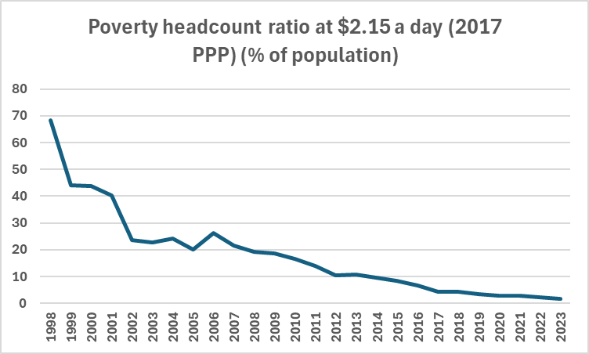
eighth_10% | 31,308,007.8 |  | 12.64% | 53.58%
ninth_10% | 38,343,259.2 |  | 15.48% | 50.71%
tenth_10% | 59,087,015.3 | 8.4577569717 | 23.85% | 40.64%
 | 247,698,631.0

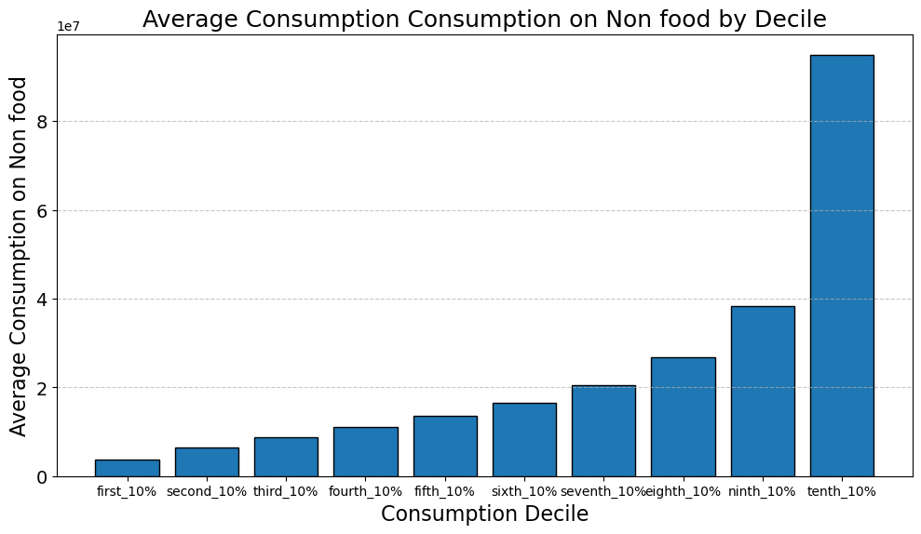
Non Food
Decile | avg_consumption
first_10% | 3,728,591.20 |  | 1.55% | 31.21%
second_10% | 6,515,646.26 |  | 2.71% | 33.91%
third_10% | 8,720,148.20 |  | 3.63% | 35.74%
fourth_10% | 10,996,893.94 |  | 4.58% | 37.39%
fifth_10% | 13,477,677.59 |  | 5.61% | 38.85%
sixth_10% | 16,470,199.51 |  | 6.85% | 40.46%
seventh_10% | 20,489,511.63 |  | 8.53% | 42.53%
eighth_10% | 26,726,728.99 |  | 11.12% | 45.74%
ninth_10% | 38,281,931.25 |  | 15.93% | 50.63%
tenth_10% | 94,900,013.67 | 25.451976012 | 39.49% | 65.27%
 | 240,307,342.2

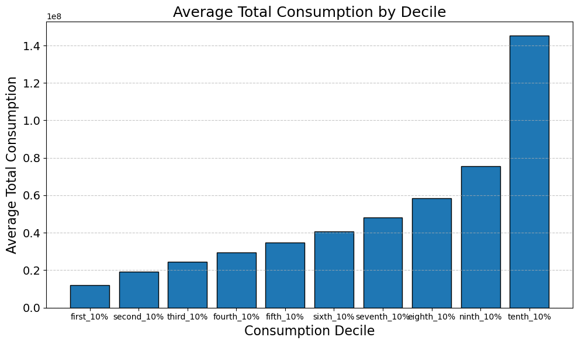
Total Consumption
Decile | avg_consumption
first_10% | 11,948,610.9 | 2.45% | 15,582,775.1
second_10% | 19,216,939.3 | 3.94% | 21,809,332.1
third_10% | 24,401,724.8 | 5.00% | 26,907,366.7
fourth_10% | 29,413,008.6 | 6.03% | 32,051,871.8
fifth_10% | 34,690,734.9 | 7.11% | 37,698,663.4
sixth_10% | 40,706,592.0 | 8.34% | 44,443,876.0
seventh_10% | 48,181,160.0 | 9.87% | 53,305,391.2
eighth_10% | 58,429,622.4 | 11.97% | 67,020,691.8
ninth_10% | 75,611,761.1 | 15.49% | 110,502,895.9
tenth_10% | 145,394,030.6 | 29.79% | 316,694,107.7
 | 487,994,184.7

 |  |  |  | Decile | first_10% | second_10% | third_10% | fourth_10% | fifth_10% | sixth_10% | seventh_10% | eighth_10% | ninth_10% | tenth_10%
 |  |  |  | Total Consumption Ditribution | 2.45% | 3.94% | 5.00% | 6.03% | 7.11% | 8.34% | 9.87% | 11.97% | 15.49% | 29.79%

 |  |  |  |  |  |  |  | 3.52
 |  |  |  |  |  |  |  | 0.9
 |  |  |  |  |  |  |  | 2.6
 |  |  |  |  |  |  |  | 7.02

Sheet2
 | 2012 | 2013 | 2014 | 2015 | 2016 | 2017 | 2018 | 2019 | 2020 | 2021 | 2022 | 2023 | 2024
Overall | 0.41 | 0.41 | 0.41 | 0.41 | 0.40 | 0.39 | 0.39 | 0.38 | 0.38 | 0.38 | 0.38 | 0.39 | 0.39
Rural

 | 0.371 | 0.389 | 0.388 | 0.382 | 0.369 | 0.364 | 0.363 | 0.354 | 0.353 | 0.355 | 0.355 | 0.361

Indonesia' Gini Coefficient

 |  |  |  |  | 3.3
 |  |  |  | 13.2
 |  |  |  | 133.2

MPN
 | 2017 | 2018 | 2019 | 2020 | 2021 | 2022 | 2023
VAT | 3.54% | 3.62% | 3.36% | 2.91% | 3.25% | 3.51% | 3.66%
Income taxes | 4.69% | 4.98% | 4.81% | 3.75% | 4.00% | 5.03% | 4.75%
other | 0.24% | 0.24% | 0.25% | 0.28% | 0.28% | 0.22% | 0.54%
Total | 8.47% | 8.85% | 8.42% | 6.94% | 7.53% | 8.76% | 8.95%
VAT | 480.77 | 537.47 | 531.47 | 449.52 | 552.00 | 688.07 | 764.34
Income taxes | 637.82 | 739.66 | 761.37 | 579.60 | 679.63 | 986.21 | 993.03
other | 32.447133202 | 36.187426558 | 39.985062209 | 42.918871831 | 46.935637981 | 42.486358445 | 111.86

 |  |  |  |  |  |  |  |  | 205.165
 |  |  |  |  |  |  |  |  | 2.62
 |  |  |  |  |  |  | 206
 |  |  |  |  |  |  | 0.27
Growfactors |  |  | 0.98883178066 | 0.84581183594 | 1.2279665557 | 1.2465011181 | 1.110853167 | 1.0839417013 |  | 1000000000000 |  | 0.99%
 | 2017 | 2018 | 2019 | 2020 | 2021 | 2022 | 2023 | 2024
Total | 1,151.04 | 1,313.32 | 1,332.82 | 1,072.04 | 1,278.56 | 1,716.76 | 1,869.23 |  |  |  |  | 206,341.00 |  | 156.6 | 0.75%
VAT | 480.77 | 537.47 | 531.47 | 449.52 | 552.00 | 688.07 | 764.34 | 828.50 | 28.98% | 0.11085316697 |  | 206.34 |  | 8.38%
Income taxes | 637.82 | 739.66 | 761.37 | 579.60 | 679.63 | 986.21 | 993.03 |  |  |  |  | 11.04%
other | 32.447133202 | 36.187426558 | 39.985062209 | 42.918871831 | 46.935637981 | 42.486358445 | 111.86 |  | 41.13% | 55.24%
GDP | 13589.8257 | 14838.756 | 15832.6572 | 15443.3532 | 16976.7514 | 19588.0899 | 20892.3767 |  | 3.42%

 | 1.35898257E+16 | 1.4838756E+16 | 1.58326572E+16 | 1.54433532E+16 | 1.69767514E+16 | 1.95880899E+16 | 2.08923767E+16
 |  | 14,838,756.00 | 15,832,657.20 | 15,443,353.20 | 16,976,751.40 | 19,588,089.90 | 20,892,376.70 |  |  | 22,563,766.84 | 24,368,868.18 | 26,318,377.64 | 28,423,847.85 | 30,697,755.68 | 33,153,576.13
 |  |  |  |  |  |  | 1504.2511224
The Significance of VAT
 | VAT | Income taxes | other | VAT
2017 | 480.77 | 637.82 | 32.447133202 | 3.54%
2018 | 537.47 | 739.66 | 36.187426558 | 3.62%
2019 | 531.47 | 761.37 | 39.985062209 | 3.36%
2020 | 449.52 | 579.60 | 42.918871831 | 2.91%
2021 | 552.00 | 679.63 | 46.935637981 | 3.25%
2022 | 688.07 | 986.21 | 42.486358445 | 3.51%
2023 | 764.34 | 993.03 | 111.86 | 3.66%
 |  |  |  |  |  |  | 2230.0251 |  | 0.67454448042
 | Total | VAT | Income taxes | other
2017 | 8.47% | 3.54% | 4.69% | 0.24%
2018 | 8.85% | 3.62% | 4.98% | 0.24%
2019 | 8.42% | 3.36% | 4.81% | 0.25%
2020 | 6.94% | 2.91% | 3.75% | 0.28%
2021 | 7.53% | 3.25% | 4.00% | 0.28%
2022 | 8.76% | 3.51% | 5.03% | 0.22%
2023 | 8.95% | 3.66% | 4.75% | 0.54%
 | VAT | Income taxes | other
2017 | 480.77 | 637.82 | 32.447133202
2018 | 537.47 | 739.66 | 36.187426558
2019 | 531.47 | 761.37 | 39.985062209
2020 | 449.52 | 579.60 | 42.918871831
2021 | 552.00 | 679.63 | 46.935637981
2022 | 688.07 | 986.21 | 42.486358445
2023 | 764.34 | 993.03 | 111.86

VAT distr
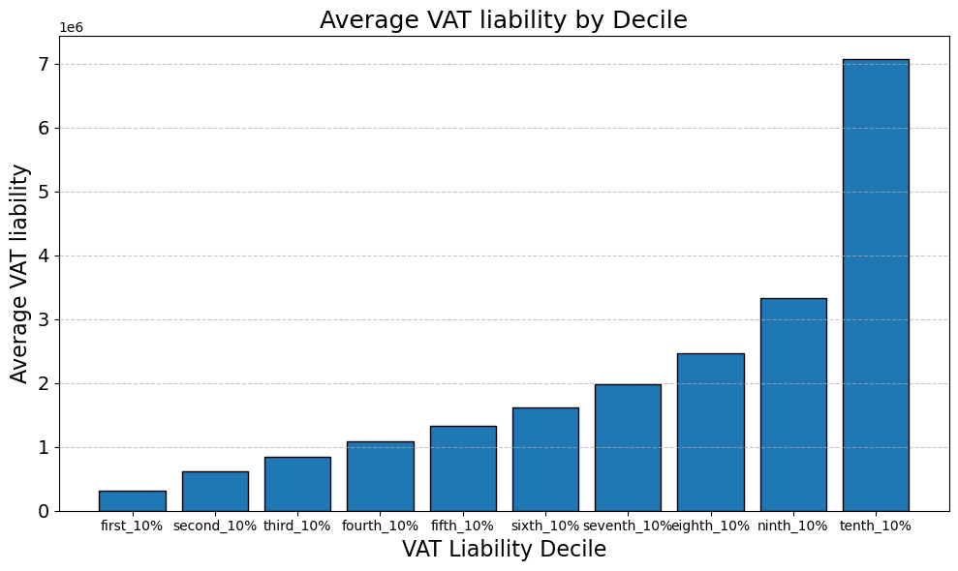
vat1
Decile | avg_vat_liability
first_10% | 315,465.81
second_10% | 610,313.33
third_10% | 844,137.14
fourth_10% | 1,080,502.74
fifth_10% | 1,328,507.59
sixth_10% | 1,615,596.40
seventh_10% | 1,979,474.75
eighth_10% | 2,470,619.77
ninth_10% | 3,329,457.84
tenth_10% | 7,079,089.79


vat2
Decile | avg_vat_liability
first_10% | 341,096.67
second_10% | 659,891.32
third_10% | 912,692.19
fourth_10% | 1,168,244.78
fifth_10% | 1,436,382.23
sixth_10% | 1,746,772.80
seventh_10% | 2,140,198.02
eighth_10% | 2,671,212.62
ninth_10% | 3,599,770.31
tenth_10% | 7,653,805.65

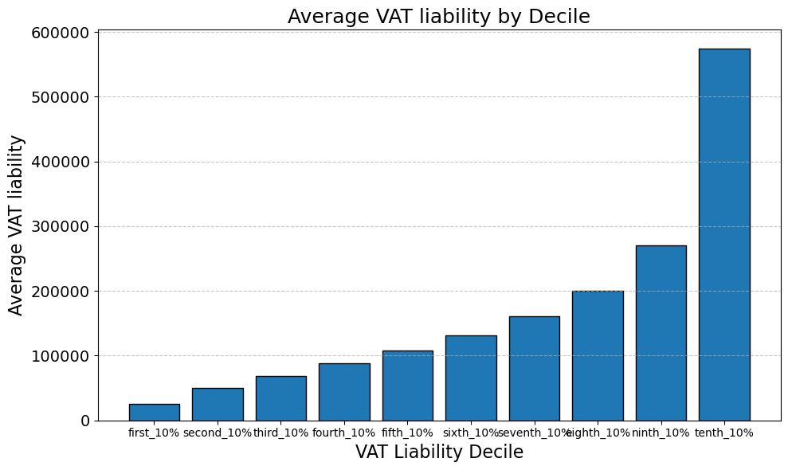
vat_diff
Decile | avg_vat_liability
first_10% | 25,630.84 | 8.125%
second_10% | 49,576.70 | 8.123%
third_10% | 68,555.05 | 8.121%
fourth_10% | 87,742.80 | 8.121%
fifth_10% | 107,875.14 | 8.120%
sixth_10% | 131,176.39 | 8.119%
seventh_10% | 160,723.35 | 8.119%
eighth_10% | 200,592.53 | 8.119%
ninth_10% | 270,312.81 | 8.119%
tenth_10% | 574,715.88 | 8.118%

 |  | 13,500,000,000,000.00

sample mean
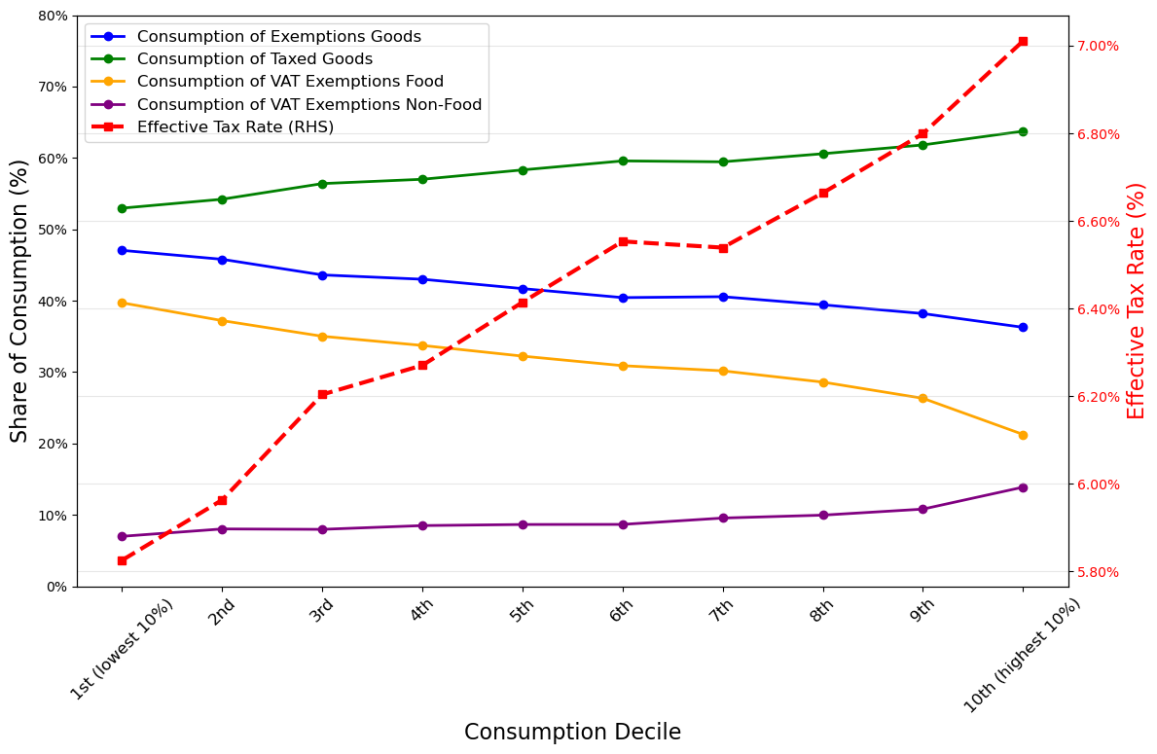

consumption_decile | Cons_exempt | Taxed_exempt | VAT_exempt_food | VAT_exempt_non_food | Effective_tax_rate
1st (lowest 10%) | 45.32% | 54.68% | 38.48% | 6.79% | 6.01% | 0.107% | 0.107% | 0.268% | 0.036% | 0.001%
2nd | 43.93% | 56.07% | 36.05% | 7.82% | 6.17% | 3.27% | 3.27% | 5.17% | 1.91% | 0.36%
3rd | 41.82% | 58.18% | 34.01% | 7.75% | 6.40%
4th | 41.17% | 58.83% | 32.79% | 8.27% | 6.47%
5th | 39.81% | 60.19% | 31.28% | 8.41% | 6.62%
6th | 38.56% | 61.44% | 30.03% | 8.43% | 6.76% | 6.68% |  | 39.83% | 60.17% | 30.61% | 9.05% | 6.62%
7th | 38.76% | 61.24% | 29.31% | 9.30% | 6.74% | 6.62%
8th | 37.65% | 62.35% | 27.76% | 9.69% | 6.86%
9th | 36.45% | 63.55% | 25.66% | 10.54% | 6.99%
10th (highest 10%) | 34.86% | 65.14% | 20.72% | 13.55% | 7.17% | 1.15%

 | Consumption of exempted goods | Consumption of taxed goods | Consumption of exempted food | Consumption of exempted food | Effective Tax Rate
Standard Deviation across income groups | 3.27% | 3.27% | 5.17% | 1.91% | 0.36%
Highest decile mean value
Lowest decile mean value

Sample Mean for CONS_total = 38040872.179560006
Population Mean for CONS_total = 38133560.06065971
Sampling Error for Mean(%) CONS_total = 0.24%

result_food_reform
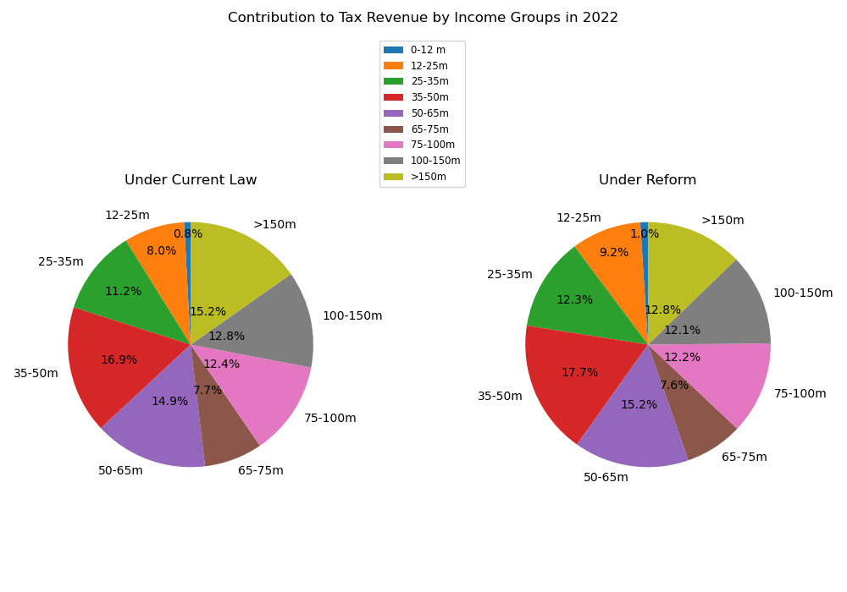
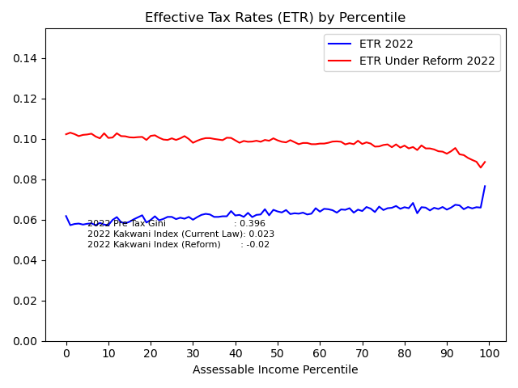
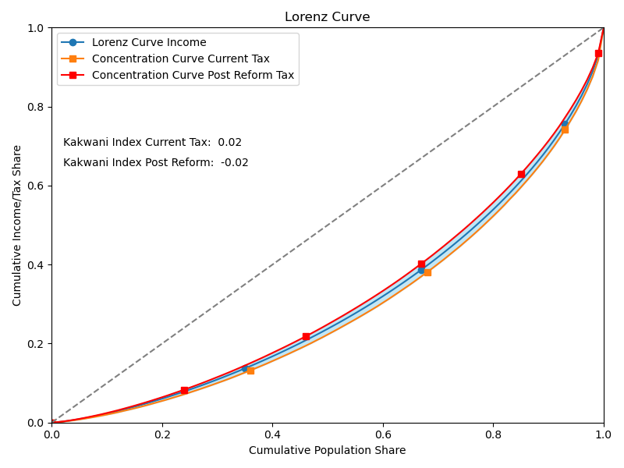
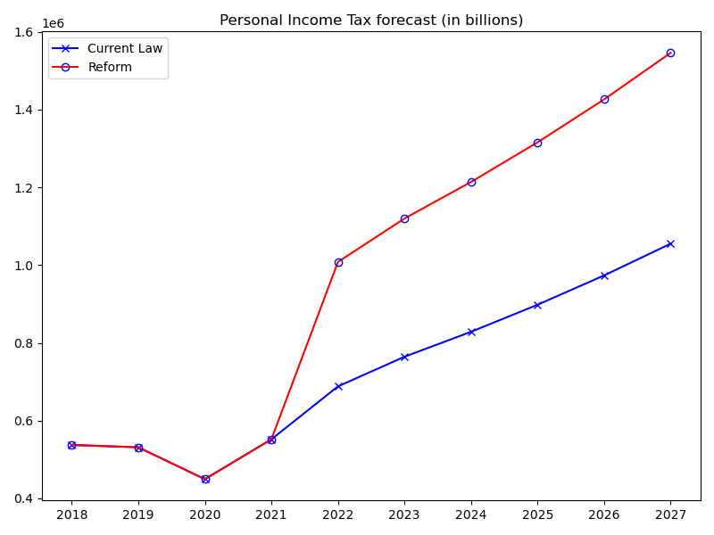
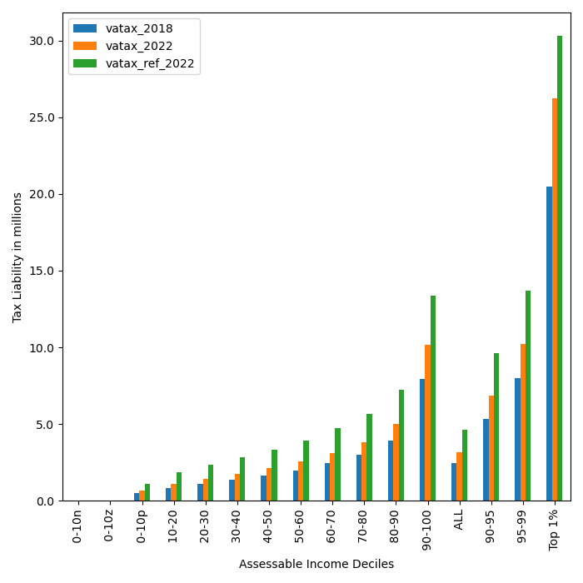
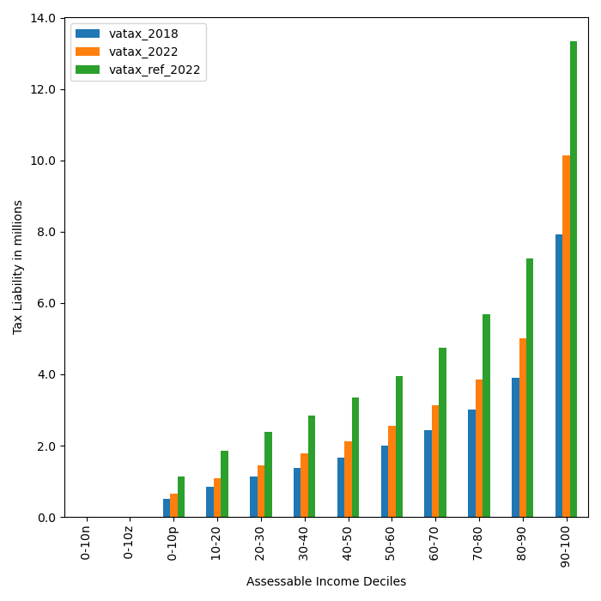
Tax on food
 | 2018 | 2019 | 2020 | 2021 | 2022 | 2023 | 2024 | 2025 | 2026 | 2027 |  |  |  | Food crops
current_law_All | 537470.38 | 531467.8 | 449521.75 | 551997.68 | 688065.72 | 764339.99 | 828499.99 | 898045.69 | 973429.17 | 1055140.47 |  |  |  | dairy
reform_All | 537470.38 | 531467.8 | 449521.75 | 551997.68 | 1008077.23 | 1119825.79 | 1213825.87 | 1315716.48 | 1426159.95 | 1545874.25 | 320011.51 | 0.46508858195 |  | Fish
 |  |  |  |  |  |  |  |  |  |  |  |  |  | Fruits, Vegetables, spices
VAT TAX Liability - Distribution by Decile |  |  |  |  |  |  |  |  |  |  |  |  |  | Meat
 | index | vatax_2018 | vatax_2019 | vatax_2020 | vatax_2021 | vatax_2022 | vatax_ref_2022 | vatax_ref_2023 | vatax_ref_2024 | vatax_ref_2025 | vatax_ref_2026 | vatax_ref_2027 |  | Poultry
0 | 0-10n | 0 | 0 | 0 | 0 | 0 | 0 | 0 | 0 | 0 | 0 | 0
1 | 0-10z | 0 | 0 | 0 | 0 | 0 | 0 | 0 | 0 | 0 | 0 | 0
2 | 0-10p | 502,989 | 497,371 | 420,682 | 516,584 | 643,922 | 1,131,164 | 1,256,557 | 1,362,035 | 1,476,366 | 1,600,295 | 1,734,627
3 | 10-20 | 856,726 | 847,158 | 716,536 | 879,883 | 1,096,775 | 1,853,817 | 2,059,319 | 2,232,182 | 2,419,555 | 2,622,656 | 2,842,806
4 | 20-30 | 1,122,928 | 1,110,387 | 939,179 | 1,153,280 | 1,437,565 | 2,375,239 | 2,638,542 | 2,860,026 | 3,100,101 | 3,360,329 | 3,642,401
5 | 30-40 | 1,384,419 | 1,368,957 | 1,157,880 | 1,421,838 | 1,772,323 | 2,853,082 | 3,169,355 | 3,435,396 | 3,723,769 | 4,036,348 | 4,375,166
6 | 40-50 | 1,663,760 | 1,645,179 | 1,391,512 | 1,708,730 | 2,129,934 | 3,356,409 | 3,728,477 | 4,041,452 | 4,380,698 | 4,748,422 | 5,147,012
7 | 50-60 | 1,998,466 | 1,976,146 | 1,671,448 | 2,052,482 | 2,558,421 | 3,948,293 | 4,385,974 | 4,754,140 | 5,153,210 | 5,585,779 | 6,054,659
8 | 60-70 | 2,440,502 | 2,413,246 | 2,041,152 | 2,506,466 | 3,124,313 | 4,737,533 | 5,262,704 | 5,704,464 | 6,183,307 | 6,702,344 | 7,264,950
9 | 70-80 | 3,003,090 | 2,969,551 | 2,511,681 | 3,084,261 | 3,844,534 | 5,685,482 | 6,315,736 | 6,845,889 | 7,420,545 | 8,043,438 | 8,718,618
10 | 80-90 | 3,908,525 | 3,864,874 | 3,268,956 | 4,014,169 | 5,003,666 | 7,242,473 | 8,045,324 | 8,720,662 | 9,452,689 | 10,246,164 | 11,106,244
11 | 90-100 | 7,925,654 | 7,837,139 | 6,628,745 | 8,139,877 | 10,146,365 | 13,345,380 | 14,824,758 | 16,069,173 | 17,418,047 | 18,880,147 | 20,464,979
12 | ALL | 2,481,077 | 2,453,368 | 2,075,088 | 2,548,138 | 3,176,257 | 4,653,498 | 5,169,353 | 5,603,277 | 6,073,626 | 6,583,456 | 7,136,083
13 | 90-95 | 5,342,724 | 5,283,055 | 4,468,471 | 5,487,133 | 6,839,717 | 9,643,162 | 10,712,137 | 11,611,332 | 12,586,007 | 13,642,498 | 14,787,673
14 | 95-99 | 7,998,039 | 7,908,715 | 6,689,285 | 8,214,218 | 10,239,032 | 13,710,947 | 15,230,849 | 16,509,352 | 17,895,175 | 19,397,327 | 21,025,571
15 | Top 1% | 20,487,953 | 20,259,139 | 17,135,419 | 21,041,722 | 26,228,530 | 30,309,381 | 33,669,272 | 36,495,528 | 39,559,024 | 42,879,676 | 46,479,069

VAT contribution by Income Group (in millions)
 | index | vatax_2018 | vatax_2019 | vatax_2020 | vatax_2021 | vatax_2022 | vatax_ref_2022 | vatax_ref_2023 | vatax_ref_2024 | vatax_ref_2025 | vatax_ref_2026 | vatax_ref_2027
0 | <0 | 0 | 0 | 0 | 0 | 0 | 0 | 0 | 0 | 0 | 0 | 0
1 | 0 | 0 | 0 | 0 | 0 | 0 | 0 | 0 | 0 | 0 | 0 | 0
2 | 0-12 m | 10,842,149 | 11,149,413 | 16,031,971 | 10,207,792 | 5,837,839 | 10,210,131 | 7,957,254 | 6,355,079 | 5,300,407 | 4,393,348 | 3,498,183 | 0.64302775517
3 | 12-25m | 78,277,742 | 79,081,171 | 92,199,986 | 76,240,893 | 55,058,996 | 92,743,541 | 78,475,754 | 68,000,537 | 58,357,050 | 48,827,921 | 41,447,980
4 | 25-35m | 78,960,019 | 79,196,920 | 75,812,105 | 78,995,191 | 77,263,094 | 124,046,926 | 117,017,505 | 108,739,698 | 97,924,406 | 88,676,679 | 78,771,017
5 | 35-50m | 106,354,114 | 104,810,107 | 88,078,224 | 107,463,863 | 116,012,484 | 177,987,933 | 183,082,964 | 187,508,181 | 190,835,087 | 185,424,527 | 177,512,520
6 | 50-65m | 72,152,494 | 71,162,709 | 50,322,126 | 76,062,560 | 102,760,194 | 152,900,178 | 166,229,117 | 172,332,063 | 173,282,343 | 181,365,978 | 186,025,479
7 | 65-75m | 30,498,429 | 30,368,515 | 25,678,693 | 32,484,924 | 52,858,608 | 76,833,664 | 88,460,213 | 98,892,104 | 111,261,527 | 114,792,998 | 114,613,014
8 | 75-100m | 56,010,732 | 54,072,895 | 35,264,121 | 59,374,937 | 85,600,951 | 122,892,024 | 153,968,124 | 180,624,371 | 204,608,596 | 227,917,117 | 255,910,504
9 | 100-150m | 45,229,421 | 44,336,338 | 30,236,961 | 48,331,067 | 87,784,552 | 121,906,854 | 152,619,206 | 180,720,664 | 216,393,630 | 255,504,752 | 290,142,331 | 0.29993362141
10 | >150m | 59,145,284 | 57,289,728 | 35,897,566 | 62,836,451 | 104,889,006 | 128,555,982 | 172,015,649 | 210,653,171 | 257,753,429 | 319,256,633 | 397,953,218
11 | ALL | 537,470,384 | 531,467,797 | 449,521,753 | 551,997,679 | 688,065,724 | 1,008,077,232 | 1,119,825,786 | 1,213,825,867 | 1,315,716,475 | 1,426,159,954 | 1,545,874,247

result_12%
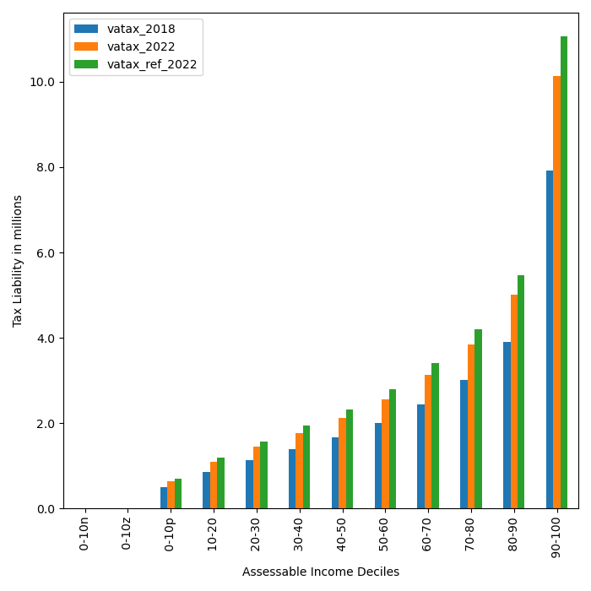
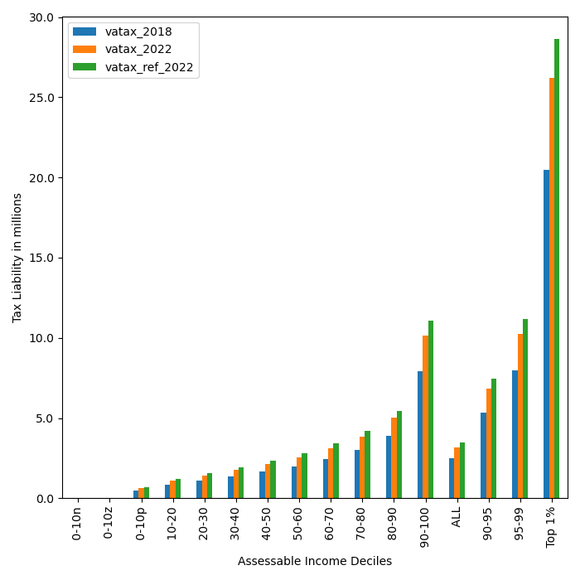
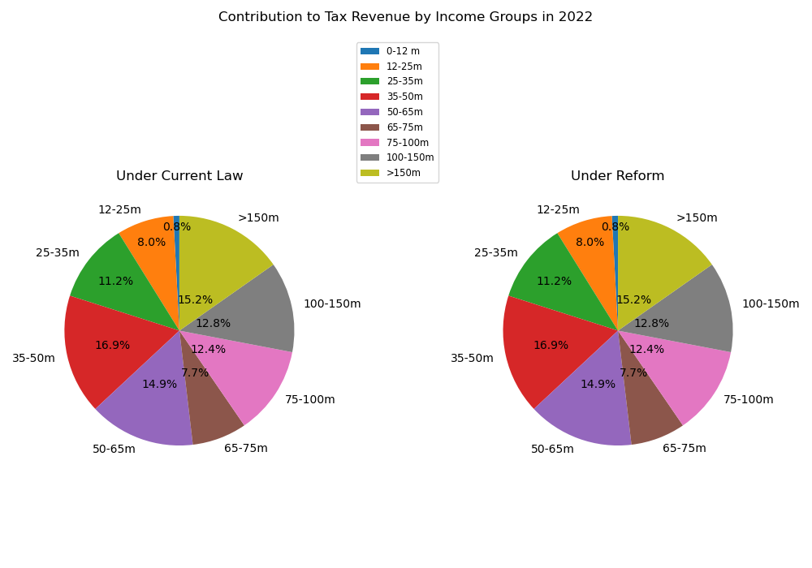
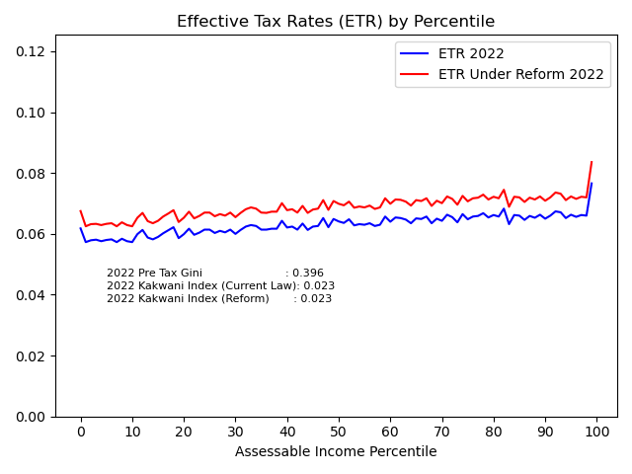
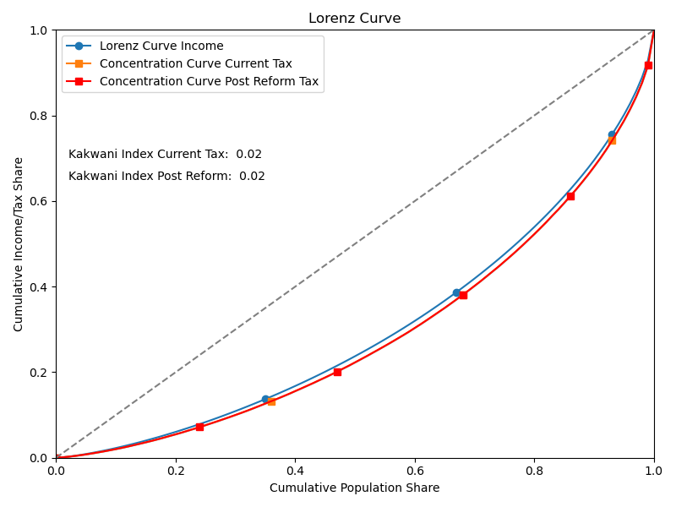
 | 2018 | 2019 | 2020 | 2021 | 2022 | 2023 | 2024 | 2025 | 2026 | 2027
current_law_All | 537470.38 | 531467.8 | 449521.75 | 551997.68 | 688065.72 | 764339.99 | 828499.99 | 898045.69 | 973429.17 | 1055140.47
reform_All | 586331.33 | 579783.05 | 490387.37 | 602179.29 | 750617.15 | 833825.44 | 903818.17 | 979686.2 | 1061922.73 | 1151062.33 | 62551.43 | 0.09090909223

VAT TAX Liability - Distribution by Decile
 | index | vatax_2018 | vatax_2019 | vatax_2020 | vatax_2021 | vatax_2022 | vatax_ref_2022 | vatax_ref_2023 | vatax_ref_2024 | vatax_ref_2025 | vatax_ref_2026 | vatax_ref_2027
0 | 0-10n | 0 | 0 | 0 | 0 | 0 | 0 | 0 | 0 | 0 | 0 | 0
1 | 0-10z | 0 | 0 | 0 | 0 | 0 | 0 | 0 | 0 | 0 | 0 | 0
2 | 0-10p | 502,989 | 497,371 | 420,682 | 516,584 | 643,922 | 702,461 | 780,331 | 845,833 | 916,834 | 993,794 | 1,077,215
3 | 10-20 | 856,726 | 847,158 | 716,536 | 879,883 | 1,096,775 | 1,196,482 | 1,329,115 | 1,440,684 | 1,561,617 | 1,692,702 | 1,834,790
4 | 20-30 | 1,122,928 | 1,110,387 | 939,179 | 1,153,280 | 1,437,565 | 1,568,252 | 1,742,098 | 1,888,333 | 2,046,842 | 2,218,658 | 2,404,896
5 | 30-40 | 1,384,419 | 1,368,957 | 1,157,880 | 1,421,838 | 1,772,323 | 1,933,444 | 2,147,772 | 2,328,060 | 2,523,481 | 2,735,306 | 2,964,912
6 | 40-50 | 1,663,760 | 1,645,179 | 1,391,512 | 1,708,730 | 2,129,934 | 2,323,565 | 2,581,139 | 2,797,804 | 3,032,657 | 3,287,223 | 3,563,158
7 | 50-60 | 1,998,466 | 1,976,146 | 1,671,448 | 2,052,482 | 2,558,421 | 2,791,005 | 3,100,397 | 3,360,650 | 3,642,748 | 3,948,527 | 4,279,973
8 | 60-70 | 2,440,502 | 2,413,246 | 2,041,152 | 2,506,466 | 3,124,313 | 3,408,341 | 3,786,166 | 4,103,984 | 4,448,479 | 4,821,892 | 5,226,650
9 | 70-80 | 3,003,090 | 2,969,551 | 2,511,681 | 3,084,261 | 3,844,534 | 4,194,038 | 4,658,960 | 5,050,041 | 5,473,950 | 5,933,443 | 6,431,506
10 | 80-90 | 3,908,525 | 3,864,874 | 3,268,956 | 4,014,169 | 5,003,666 | 5,458,544 | 6,063,641 | 6,572,634 | 7,124,352 | 7,722,382 | 8,370,612
11 | 90-100 | 7,925,654 | 7,837,139 | 6,628,745 | 8,139,877 | 10,146,365 | 11,068,762 | 12,295,770 | 13,327,897 | 14,446,664 | 15,659,341 | 16,973,813
12 | ALL | 2,481,077 | 2,453,368 | 2,075,088 | 2,548,138 | 3,176,257 | 3,465,008 | 3,849,115 | 4,172,216 | 4,522,439 | 4,902,060 | 5,313,547
13 | 90-95 | 5,342,724 | 5,283,055 | 4,468,471 | 5,487,133 | 6,839,717 | 7,461,509 | 8,288,641 | 8,984,404 | 9,738,570 | 10,556,042 | 11,442,135
14 | 95-99 | 7,998,039 | 7,908,715 | 6,689,285 | 8,214,218 | 10,239,032 | 11,169,853 | 12,408,067 | 13,449,621 | 14,578,605 | 15,802,358 | 17,128,835
15 | Top 1% | 20,487,953 | 20,259,139 | 17,135,419 | 21,041,722 | 26,228,530 | 28,612,942 | 31,784,777 | 34,452,845 | 37,344,876 | 40,479,668 | 43,877,600
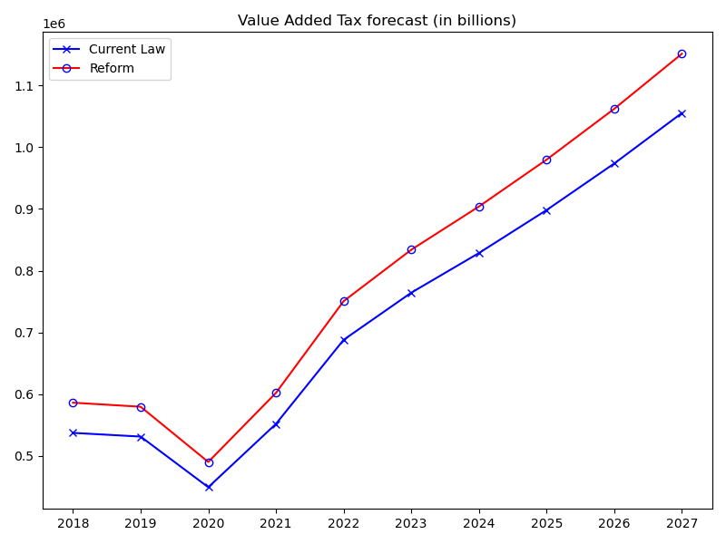
VAT contribution by Income Group (in millions)
 | index | vatax_2018 | vatax_2019 | vatax_2020 | vatax_2021 | vatax_2022 | vatax_ref_2022 | vatax_ref_2023 | vatax_ref_2024 | vatax_ref_2025 | vatax_ref_2026 | vatax_ref_2027
0 | <0 | 0 | 0 | 0 | 0 | 0 | 0 | 0 | 0 | 0 | 0 | 0
1 | 0 | 0 | 0 | 0 | 0 | 0 | 0 | 0 | 0 | 0 | 0 | 0
2 | 0-12 m | 10,842,149 | 11,149,413 | 16,031,971 | 10,207,792 | 5,837,839 | 6,368,552 | 4,967,330 | 3,951,317 | 3,311,409 | 2,738,228 | 2,210,641 | 0.090909086961
3 | 12-25m | 78,277,742 | 79,081,171 | 92,199,986 | 76,240,893 | 55,058,996 | 60,064,359 | 50,227,700 | 43,304,518 | 36,769,387 | 30,651,773 | 25,785,724
4 | 25-35m | 78,960,019 | 79,196,920 | 75,812,105 | 78,995,191 | 77,263,094 | 84,287,011 | 78,722,791 | 72,500,502 | 64,609,297 | 58,070,538 | 51,119,272
5 | 35-50m | 106,354,114 | 104,810,107 | 88,078,224 | 107,463,863 | 116,012,484 | 126,559,073 | 128,564,085 | 130,185,054 | 131,594,859 | 126,182,759 | 119,726,941
6 | 50-65m | 72,152,494 | 71,162,709 | 50,322,126 | 76,062,560 | 102,760,194 | 112,102,030 | 120,436,789 | 123,778,123 | 123,432,853 | 128,515,985 | 130,129,140
7 | 65-75m | 30,498,429 | 30,368,515 | 25,678,693 | 32,484,924 | 52,858,608 | 57,663,936 | 65,777,103 | 72,770,191 | 80,704,770 | 82,378,735 | 82,391,622
8 | 75-100m | 56,010,732 | 54,072,895 | 35,264,121 | 59,374,937 | 85,600,951 | 93,382,856 | 115,967,930 | 135,523,975 | 152,855,918 | 169,519,470 | 187,424,994
9 | 100-150m | 45,229,421 | 44,336,338 | 30,236,961 | 48,331,067 | 87,784,552 | 95,764,966 | 119,056,874 | 139,640,285 | 165,889,523 | 193,600,113 | 219,327,334 | 0.090909090909
10 | >150m | 59,145,284 | 57,289,728 | 35,897,566 | 62,836,451 | 104,889,006 | 114,424,370 | 150,104,840 | 182,164,203 | 220,518,188 | 270,265,127 | 332,946,660
11 | ALL | 537,470,384 | 531,467,797 | 449,521,753 | 551,997,679 | 688,065,724 | 750,617,153 | 833,825,442 | 903,818,168 | 979,686,202 | 1,061,922,728 | 1,151,062,328

result_all_taxed
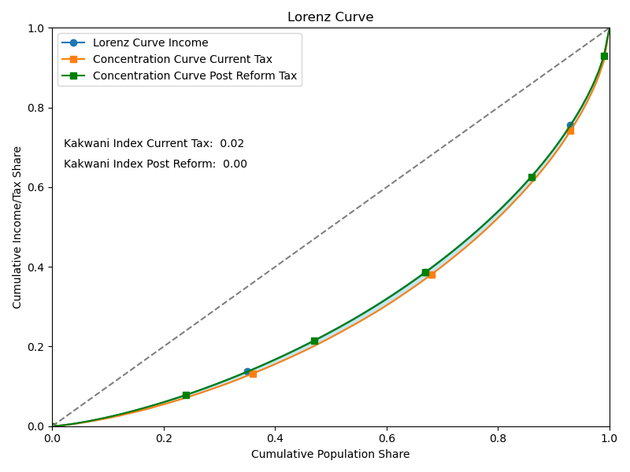
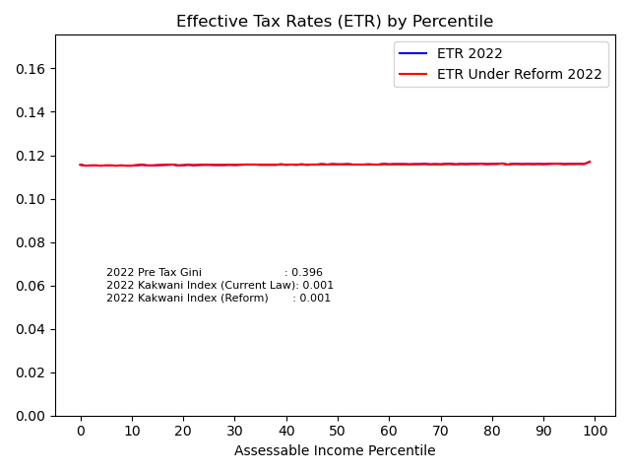
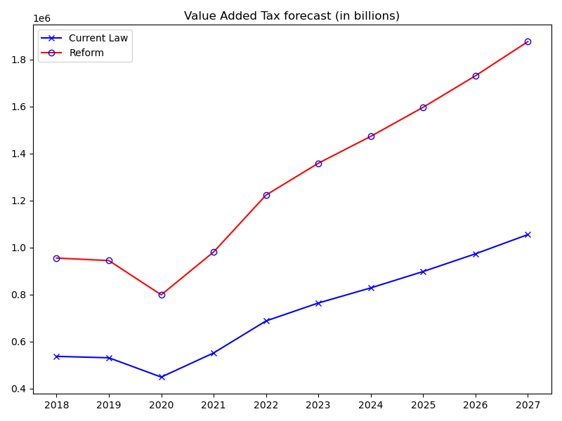
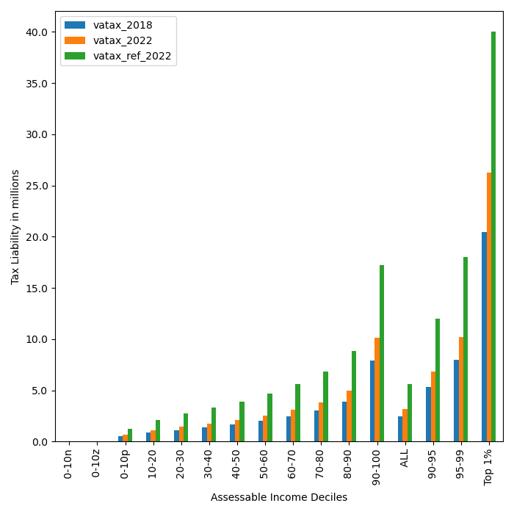
 | 2018 | 2019 | 2020 | 2021 | 2022 | 2023 | 2024 | 2025 | 2026 | 2027
current_law_All | 537470.38 | 531467.8 | 449521.75 | 551997.68 | 688065.72 | 764339.99 | 828499.99 | 898045.69 | 973429.17 | 1055140.47
reform_All | 955339.3 | 944669.86 | 799012.95 | 981161.18 | 1223018.51 | 1358593.98 | 1472636.67 | 1596252.3 | 1730244.43 | 1875484.09 | 534952.79 | 0.77747339309

VAT TAX Liability - Distribution by Decile
 | index | vatax_2018 | vatax_2019 | vatax_2020 | vatax_2021 | vatax_2022 | vatax_ref_2022 | vatax_ref_2023 | vatax_ref_2024 | vatax_ref_2025 | vatax_ref_2026 | vatax_ref_2027
0 | 0-10n | 0 | 0 | 0 | 0 | 0 | 0 | 0 | 0 | 0 | 0 | 0
1 | 0-10z | 0 | 0 | 0 | 0 | 0 | 0 | 0 | 0 | 0 | 0 | 0
2 | 0-10p | 502,989 | 497,371 | 420,682 | 516,584 | 643,922 | 1,279,024 | 1,420,808 | 1,540,073 | 1,669,350 | 1,809,478 | 1,961,368
3 | 10-20 | 856,726 | 847,158 | 716,536 | 879,883 | 1,096,775 | 2,119,943 | 2,354,946 | 2,552,624 | 2,766,895 | 2,999,153 | 3,250,907
4 | 20-30 | 1,122,928 | 1,110,387 | 939,179 | 1,153,280 | 1,437,565 | 2,732,226 | 3,035,102 | 3,289,874 | 3,566,031 | 3,865,370 | 4,189,836
5 | 30-40 | 1,384,419 | 1,368,957 | 1,157,880 | 1,421,838 | 1,772,323 | 3,305,375 | 3,671,786 | 3,980,002 | 4,314,090 | 4,676,222 | 5,068,752
6 | 40-50 | 1,663,760 | 1,645,179 | 1,391,512 | 1,708,730 | 2,129,934 | 3,921,614 | 4,356,337 | 4,722,015 | 5,118,389 | 5,548,036 | 6,013,747
7 | 50-60 | 1,998,466 | 1,976,146 | 1,671,448 | 2,052,482 | 2,558,421 | 4,655,843 | 5,171,958 | 5,606,101 | 6,076,687 | 6,586,774 | 7,139,679
8 | 60-70 | 2,440,502 | 2,413,246 | 2,041,152 | 2,506,466 | 3,124,313 | 5,595,160 | 6,215,401 | 6,737,132 | 7,302,659 | 7,915,656 | 8,580,110
9 | 70-80 | 3,003,090 | 2,969,551 | 2,511,681 | 3,084,261 | 3,844,534 | 6,804,016 | 7,558,262 | 8,192,716 | 8,880,426 | 9,625,864 | 10,433,876
10 | 80-90 | 3,908,525 | 3,864,874 | 3,268,956 | 4,014,169 | 5,003,666 | 8,825,722 | 9,804,081 | 10,627,052 | 11,519,105 | 12,486,038 | 13,534,138
11 | 90-100 | 7,925,654 | 7,837,139 | 6,628,745 | 8,139,877 | 10,146,365 | 17,210,235 | 19,118,044 | 20,722,845 | 22,462,356 | 24,347,884 | 26,391,687
12 | ALL | 2,481,077 | 2,453,368 | 2,075,088 | 2,548,138 | 3,176,257 | 5,645,712 | 6,271,557 | 6,798,003 | 7,368,638 | 7,987,174 | 8,657,632
13 | 90-95 | 5,342,724 | 5,283,055 | 4,468,471 | 5,487,133 | 6,839,717 | 11,994,661 | 13,324,307 | 14,442,772 | 15,655,123 | 16,969,241 | 18,393,668

14 | 95-99 | 7,998,039 | 7,908,715 | 6,689,285 | 8,214,218 | 10,239,032 | 17,996,181 | 19,991,115 | 21,669,203 | 23,488,153 | 25,459,788 | 27,596,926
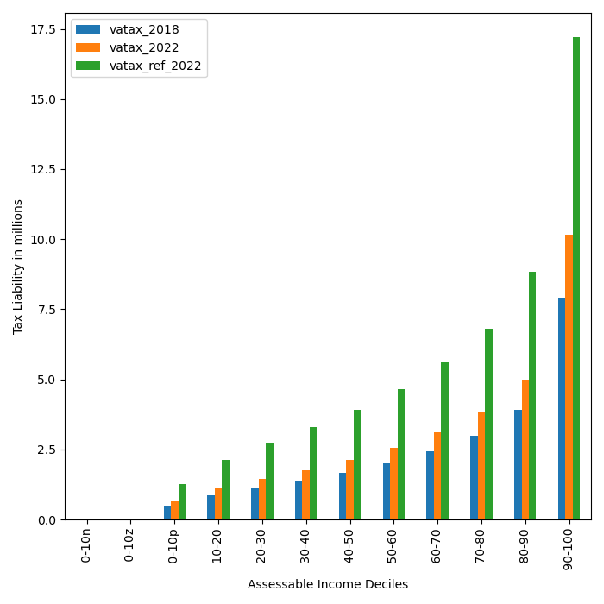
15 | Top 1% | 20,487,953 | 20,259,139 | 17,135,419 | 21,041,722 | 26,228,530 | 40,030,219 | 44,467,696 | 48,200,390 | 52,246,413 | 56,632,066 | 61,385,857

VAT contribution by Income Group (in millions)

 | index | vatax_2018 | vatax_2019 | vatax_2020 | vatax_2021 | vatax_2022 | vatax_ref_2022 | vatax_ref_2023 | vatax_ref_2024 | vatax_ref_2025 | vatax_ref_2026 | vatax_ref_2027
0 | <0 | 0 | 0 | 0 | 0 | 0 | 0 | 0 | 0 | 0 | 0 | 0
1 | 0 | 0 | 0 | 0 | 0 | 0 | 0 | 0 | 0 | 0 | 0 | 0
2 | 0-12 m | 10,842,149 | 11,149,413 | 16,031,971 | 10,207,792 | 5,837,839 | 11,517,878 | 8,978,464 | 7,152,184 | 5,943,025 | 4,929,332 | 3,931,412 | 0.89571978573
3 | 12-25m | 78,277,742 | 79,081,171 | 92,199,986 | 76,240,893 | 55,058,996 | 106,175,019 | 89,439,358 | 77,431,224 | 66,346,348 | 55,426,418 | 46,997,240
4 | 25-35m | 78,960,019 | 79,196,920 | 75,812,105 | 78,995,191 | 77,263,094 | 144,219,614 | 135,444,566 | 125,563,894 | 112,838,174 | 101,830,385 | 90,020,369
5 | 35-50m | 106,354,114 | 104,810,107 | 88,078,224 | 107,463,863 | 116,012,484 | 209,579,766 | 215,174,582 | 219,182,767 | 222,207,148 | 215,534,788 | 205,675,463
6 | 50-65m | 72,152,494 | 71,162,709 | 50,322,126 | 76,062,560 | 102,760,194 | 182,561,275 | 197,000,090 | 203,828,482 | 204,604,103 | 213,531,704 | 218,209,253
7 | 65-75m | 30,498,429 | 30,368,515 | 25,678,693 | 32,484,924 | 52,858,608 | 92,840,151 | 106,409,089 | 118,311,431 | 132,070,700 | 135,644,122 | 135,362,406
8 | 75-100m | 56,010,732 | 54,072,895 | 35,264,121 | 59,374,937 | 85,600,951 | 151,294,844 | 187,741,745 | 218,826,904 | 246,712,332 | 273,472,324 | 305,425,444
9 | 100-150m | 45,229,421 | 44,336,338 | 30,236,961 | 48,331,067 | 87,784,552 | 154,189,267 | 191,270,554 | 224,973,206 | 267,301,985 | 313,023,130 | 354,216,164 | 0.68590834867
10 | >150m | 59,145,284 | 57,289,728 | 35,897,566 | 62,836,451 | 104,889,006 | 170,640,693 | 227,135,532 | 277,366,579 | 338,228,484 | 416,852,228 | 515,646,341
11 | ALL | 537,470,384 | 531,467,797 | 449,521,753 | 551,997,679 | 688,065,724 | 1,223,018,506 | 1,358,593,981 | 1,472,636,671 | 1,596,252,298 | 1,730,244,431 | 1,875,484,092

result_tobacco_alc
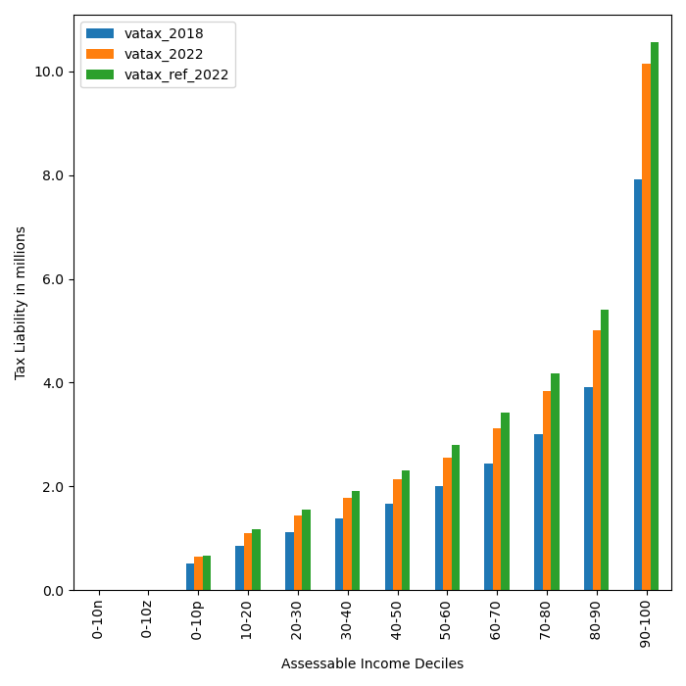
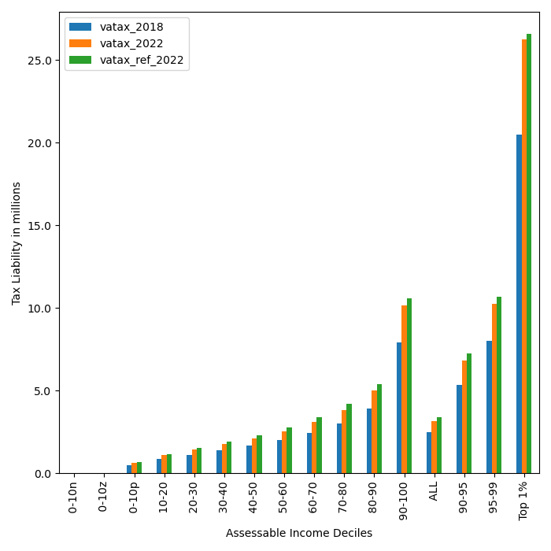

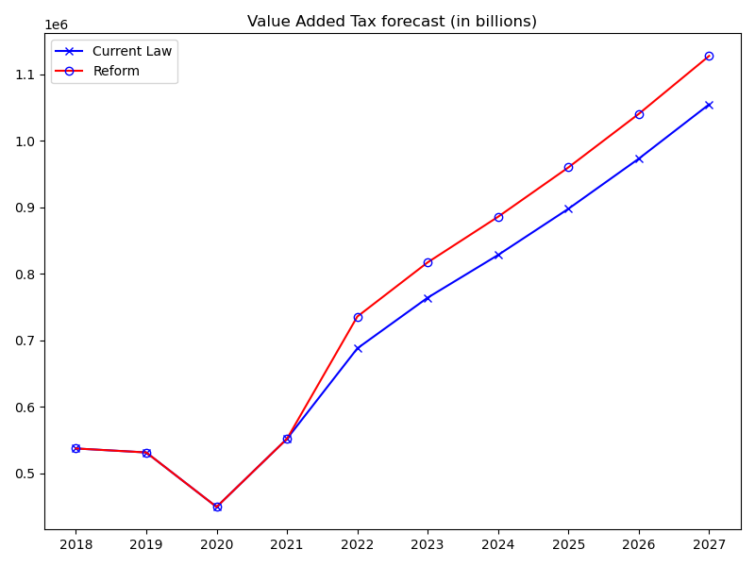
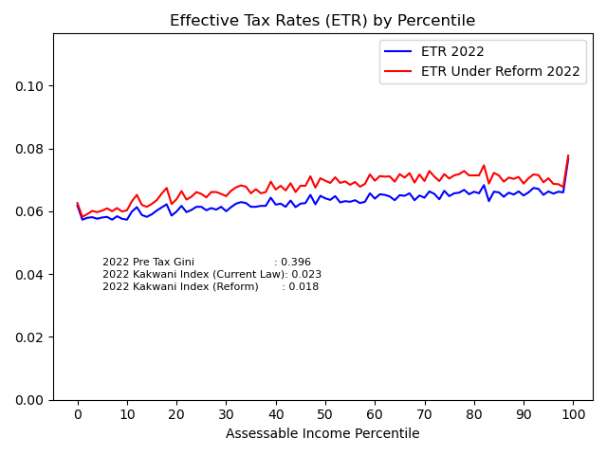
2018 | 2019 | 2020 | 2021 | 2022 | 2023 | 2024 | 2025 | 2026 | 2027
537470.38 | 531467.8 | 449521.75 | 551997.68 | 688065.72 | 764339.99 | 828499.99 | 898045.69 | 973429.17 | 1055140.47
537470.38 | 531467.8 | 449521.75 | 551997.68 | 735928.14 | 817451.14 | 886007.17 | 960319.53 | 1040854.55 | 1128037.77 | 47862.42 | 0.069560826254

VAT TAX Liability - Distribution by Decile
 | index | vatax_2018 | vatax_2019 | vatax_2020 | vatax_2021 | vatax_2022 | vatax_ref_2022 | vatax_ref_2023 | vatax_ref_2024 | vatax_ref_2025 | vatax_ref_2026 | vatax_ref_2027
0 | 0-10n | 0 | 0 | 0 | 0 | 0 | 0 | 0 | 0 | 0 | 0 | 0
1 | 0-10z | 0 | 0 | 0 | 0 | 0 | 0 | 0 | 0 | 0 | 0 | 0
2 | 0-10p | 502,989 | 497,371 | 420,682 | 516,584 | 643,922 | 667,235 | 741,200 | 803,417 | 870,857 | 943,959 | 1,023,196
3 | 10-20 | 856,726 | 847,158 | 716,536 | 879,883 | 1,096,775 | 1,164,543 | 1,293,636 | 1,402,226 | 1,519,931 | 1,647,517 | 1,785,812
4 | 20-30 | 1,122,928 | 1,110,387 | 939,179 | 1,153,280 | 1,437,565 | 1,543,314 | 1,714,395 | 1,858,304 | 2,014,293 | 2,183,376 | 2,366,653
5 | 30-40 | 1,384,419 | 1,368,957 | 1,157,880 | 1,421,838 | 1,772,323 | 1,911,992 | 2,123,942 | 2,302,229 | 2,495,482 | 2,704,957 | 2,932,016
6 | 40-50 | 1,663,760 | 1,645,179 | 1,391,512 | 1,708,730 | 2,129,934 | 2,312,271 | 2,568,594 | 2,784,206 | 3,017,917 | 3,271,160 | 3,545,747
7 | 50-60 | 1,998,466 | 1,976,146 | 1,671,448 | 2,052,482 | 2,558,421 | 2,790,381 | 3,099,704 | 3,359,898 | 3,641,934 | 3,947,644 | 4,279,016
8 | 60-70 | 2,440,502 | 2,413,246 | 2,041,152 | 2,506,466 | 3,124,313 | 3,418,159 | 3,797,073 | 4,115,806 | 4,461,293 | 4,835,782 | 5,241,114
9 | 70-80 | 3,003,090 | 2,969,551 | 2,511,681 | 3,084,261 | 3,844,534 | 4,183,359 | 4,647,097 | 5,036,845 | 5,459,646 | 5,917,605 | 6,413,417
10 | 80-90 | 3,908,525 | 3,864,874 | 3,268,956 | 4,014,169 | 5,003,666 | 5,408,063 | 6,006,955 | 6,510,682 | 7,056,262 | 7,647,213 | 8,286,426
11 | 90-100 | 7,925,654 | 7,837,139 | 6,628,745 | 8,139,877 | 10,146,365 | 10,567,734 | 11,737,181 | 12,720,394 | 13,786,307 | 14,941,837 | 16,191,630
12 | ALL | 2,481,077 | 2,453,368 | 2,075,088 | 2,548,138 | 3,176,257 | 3,397,200 | 3,773,527 | 4,089,997 | 4,433,038 | 4,804,805 | 5,207,261
13 | 90-95 | 5,342,724 | 5,283,055 | 4,468,471 | 5,487,133 | 6,839,717 | 7,273,158 | 8,078,726 | 8,755,011 | 9,488,392 | 10,282,981 | 11,140,556
14 | 95-99 | 7,998,039 | 7,908,715 | 6,689,285 | 8,214,218 | 10,239,032 | 10,662,840 | 11,841,086 | 12,832,727 | 13,907,606 | 15,073,531 | 16,335,782
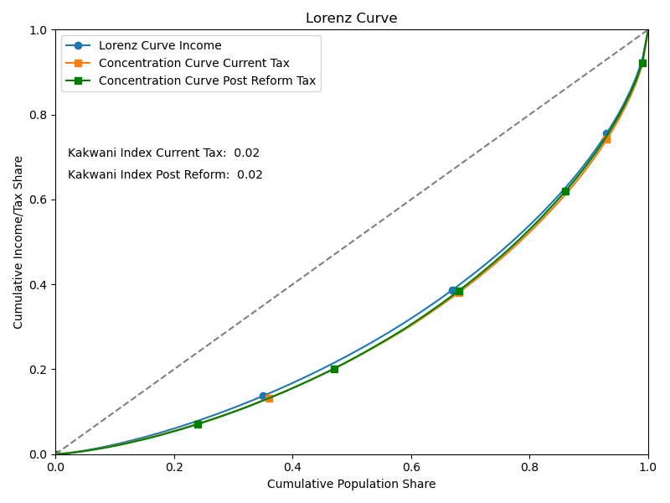
15 | Top 1% | 20,487,953 | 20,259,139 | 17,135,419 | 21,041,722 | 26,228,530 | 26,580,130 | 29,524,895 | 32,001,572 | 34,686,188 | 37,596,072 | 40,747,612

VAT contribution by Income Group (in millions)
 | index | vatax_2018 | vatax_2019 | vatax_2020 | vatax_2021 | vatax_2022 | vatax_ref_2022 | vatax_ref_2023 | vatax_ref_2024 | vatax_ref_2025 | vatax_ref_2026 | vatax_ref_2027
0 | <0 | 0 | 0 | 0 | 0 | 0 | 0 | 0 | 0 | 0 | 0 | 0
1 | 0 | 0 | 0 | 0 | 0 | 0 | 0 | 0 | 0 | 0 | 0 | 0
2 | 0-12 m | 10,842,149 | 11,149,413 | 16,031,971 | 10,207,792 | 5,837,839 | 6,005,668 | 4,656,791 | 3,692,657 | 3,084,779 | 2,547,674 | 2,053,480 | 0.071710799736
3 | 12-25m | 78,277,742 | 79,081,171 | 92,199,986 | 76,240,893 | 55,058,996 | 58,492,925 | 48,743,600 | 41,866,401 | 35,357,411 | 29,380,048 | 24,616,974
4 | 25-35m | 78,960,019 | 79,196,920 | 75,812,105 | 78,995,191 | 77,263,094 | 83,568,895 | 77,729,931 | 71,513,615 | 63,572,723 | 56,862,289 | 49,903,959
5 | 35-50m | 106,354,114 | 104,810,107 | 88,078,224 | 107,463,863 | 116,012,484 | 126,599,420 | 128,289,540 | 129,612,854 | 130,714,702 | 125,102,391 | 118,398,597
6 | 50-65m | 72,152,494 | 71,162,709 | 50,322,126 | 76,062,560 | 102,760,194 | 111,958,087 | 120,539,561 | 123,924,586 | 123,607,296 | 128,379,291 | 129,820,983
7 | 65-75m | 30,498,429 | 30,368,515 | 25,678,693 | 32,484,924 | 52,858,608 | 57,512,953 | 65,599,668 | 72,585,198 | 80,683,879 | 82,682,047 | 82,507,618
8 | 75-100m | 56,010,732 | 54,072,895 | 35,264,121 | 59,374,937 | 85,600,951 | 91,698,860 | 114,937,713 | 134,720,550 | 152,418,831 | 168,931,869 | 187,228,017
9 | 100-150m | 45,229,421 | 44,336,338 | 30,236,961 | 48,331,067 | 87,784,552 | 92,986,096 | 115,967,931 | 136,395,586 | 162,419,439 | 190,488,275 | 216,442,757 | 0.038499195619
10 | >150m | 59,145,284 | 57,289,728 | 35,897,566 | 62,836,451 | 104,889,006 | 107,105,239 | 140,986,403 | 171,695,723 | 208,460,472 | 256,480,662 | 317,065,389
11 | ALL | 537,470,384 | 531,467,797 | 449,521,753 | 551,997,679 | 688,065,724 | 735,928,144 | 817,451,137 | 886,007,168 | 960,319,532 | 1,040,854,546 | 1,128,037,774

result_trans_dur_veh
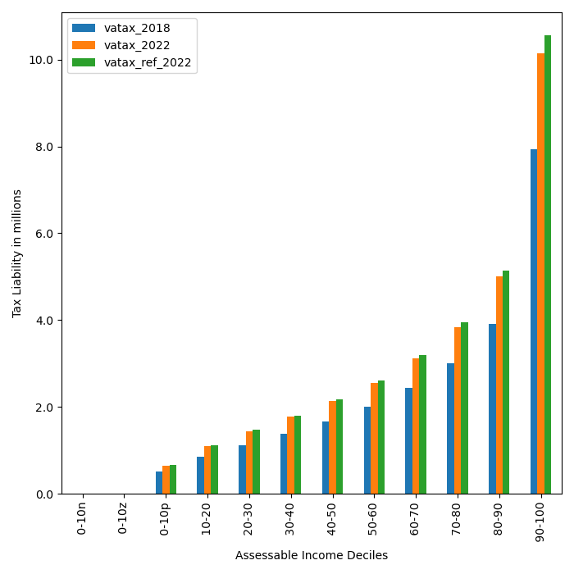
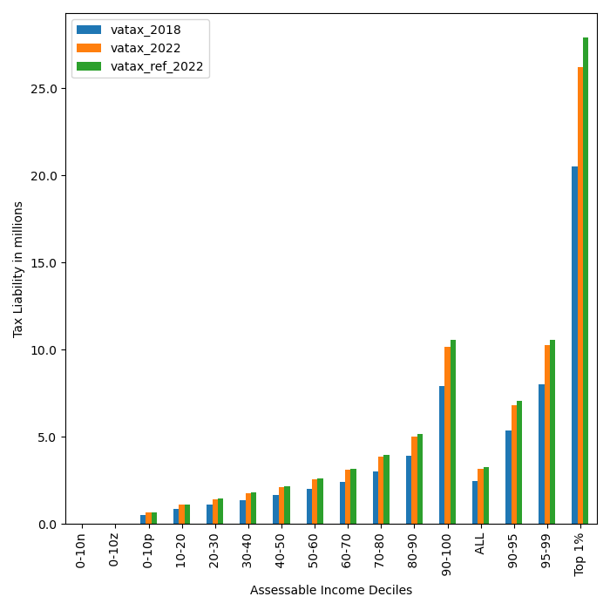
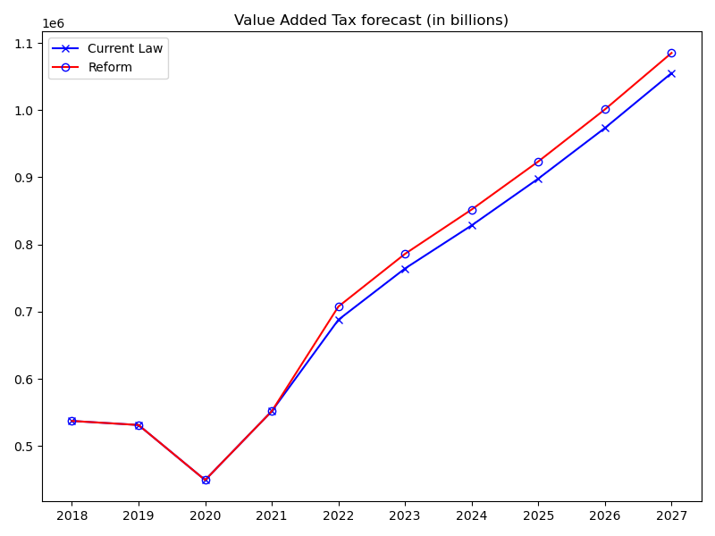
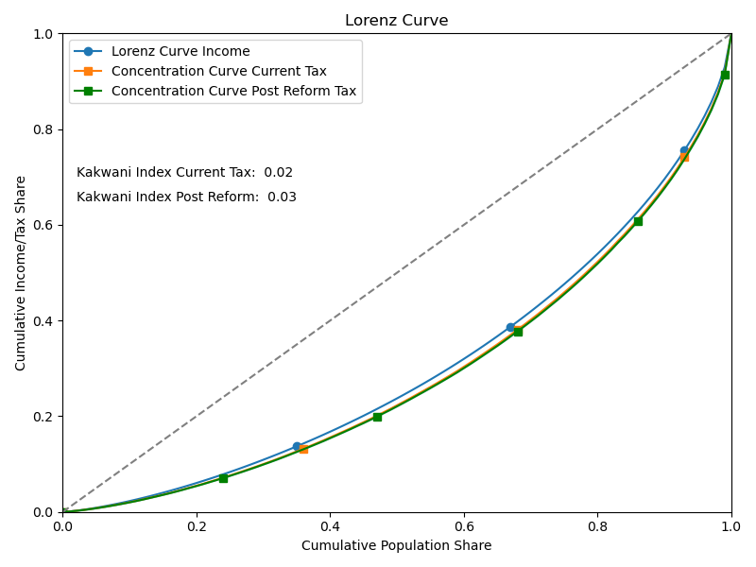
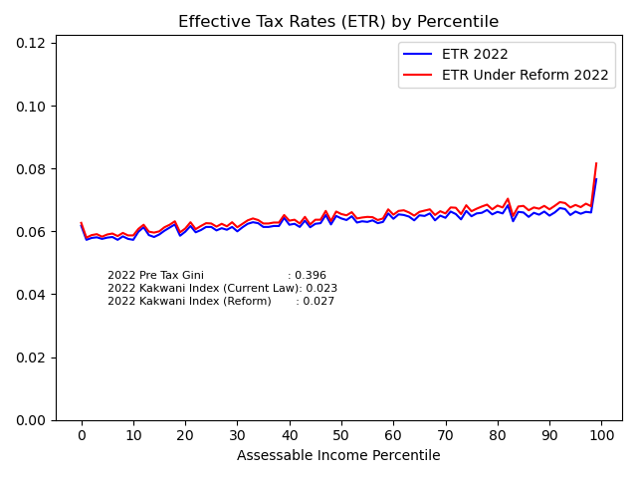
 | 2018 | 2019 | 2020 | 2021 | 2022 | 2023 | 2024 | 2025 | 2026 | 2027
current_law_All | 537470.38 | 531467.8 | 449521.75 | 551997.68 | 688065.72 | 764339.99 | 828499.99 | 898045.69 | 973429.17 | 1055140.47
reform_All | 537470.38 | 531467.8 | 449521.75 | 551997.68 | 707699.88 | 786128.28 | 852098.15 | 923593.24 | 1001090.16 | 1085083.2 | 19634.16 | 0.028535297471

VAT TAX Liability - Distribution by Decile
 | index | vatax_2018 | vatax_2019 | vatax_2020 | vatax_2021 | vatax_2022 | vatax_ref_2022 | vatax_ref_2023 | vatax_ref_2024 | vatax_ref_2025 | vatax_ref_2026 | vatax_ref_2027
0 | 0-10n | 0 | 0 | 0 | 0 | 0 | 0 | 0 | 0 | 0 | 0 | 0
1 | 0-10z | 0 | 0 | 0 | 0 | 0 | 0 | 0 | 0 | 0 | 0 | 0
2 | 0-10p | 502,989 | 497,371 | 420,682 | 516,584 | 643,922 | 654,711 | 727,288 | 788,338 | 854,512 | 926,242 | 1,003,992
3 | 10-20 | 856,726 | 847,158 | 716,536 | 879,883 | 1,096,775 | 1,116,246 | 1,239,985 | 1,344,072 | 1,456,895 | 1,579,189 | 1,711,749
4 | 20-30 | 1,122,928 | 1,110,387 | 939,179 | 1,153,280 | 1,437,565 | 1,466,059 | 1,628,576 | 1,765,281 | 1,913,462 | 2,074,081 | 2,248,183
5 | 30-40 | 1,384,419 | 1,368,957 | 1,157,880 | 1,421,838 | 1,772,323 | 1,803,594 | 2,003,528 | 2,171,707 | 2,354,004 | 2,551,603 | 2,765,789
6 | 40-50 | 1,663,760 | 1,645,179 | 1,391,512 | 1,708,730 | 2,129,934 | 2,170,300 | 2,410,885 | 2,613,258 | 2,832,620 | 3,070,378 | 3,328,111
7 | 50-60 | 1,998,466 | 1,976,146 | 1,671,448 | 2,052,482 | 2,558,421 | 2,609,941 | 2,899,262 | 3,142,630 | 3,406,412 | 3,692,335 | 4,002,241
8 | 60-70 | 2,440,502 | 2,413,246 | 2,041,152 | 2,506,466 | 3,124,313 | 3,191,076 | 3,544,800 | 3,842,339 | 4,164,804 | 4,514,320 | 4,893,071
9 | 70-80 | 3,003,090 | 2,969,551 | 2,511,681 | 3,084,261 | 3,844,534 | 3,942,734 | 4,379,693 | 4,747,216 | 5,145,551 | 5,577,322 | 6,045,305
10 | 80-90 | 3,908,525 | 3,864,874 | 3,268,956 | 4,014,169 | 5,003,666 | 5,148,183 | 5,718,738 | 6,198,540 | 6,718,383 | 7,281,885 | 7,892,516
11 | 90-100 | 7,925,654 | 7,837,139 | 6,628,745 | 8,139,877 | 10,146,365 | 10,561,128 | 11,731,090 | 12,715,310 | 13,781,912 | 14,938,080 | 16,191,186
12 | ALL | 2,481,077 | 2,453,368 | 2,075,088 | 2,548,138 | 3,176,257 | 3,266,892 | 3,628,935 | 3,933,465 | 4,263,502 | 4,621,244 | 5,008,974
13 | 90-95 | 5,342,724 | 5,283,055 | 4,468,471 | 5,487,133 | 6,839,717 | 7,053,904 | 7,835,222 | 8,492,374 | 9,204,449 | 9,976,291 | 10,813,270
14 | 95-99 | 7,998,039 | 7,908,715 | 6,689,285 | 8,214,218 | 10,239,032 | 10,585,813 | 11,758,238 | 12,744,852 | 13,813,970 | 14,972,799 | 16,228,334
15 | Top 1% | 20,487,953 | 20,259,139 | 17,135,419 | 21,041,722 | 26,228,530 | 27,911,751 | 31,005,466 | 33,607,365 | 36,427,767 | 39,485,408 | 42,799,139

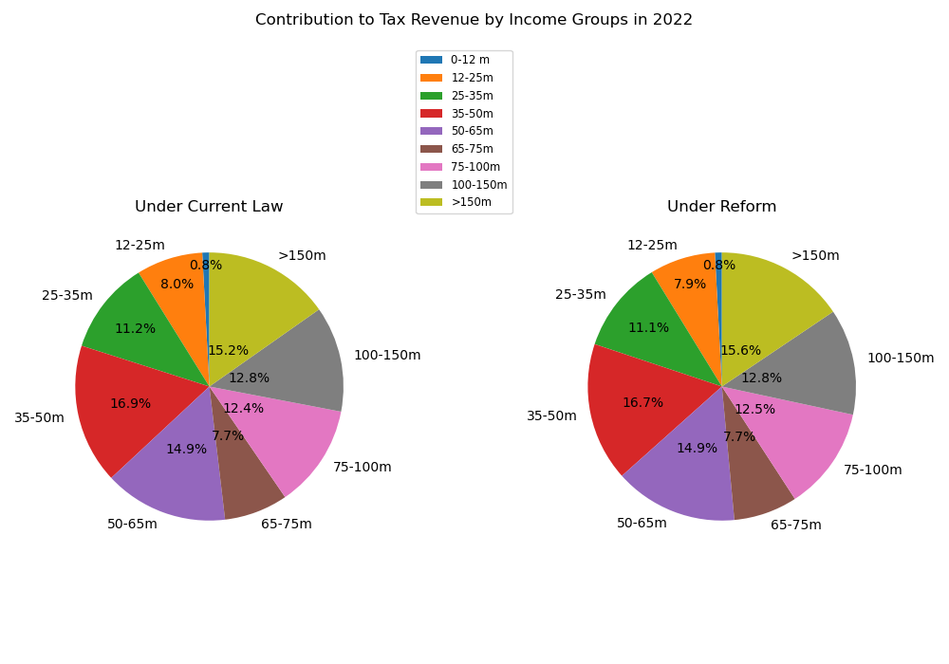
VAT contribution by Income Group (in millions)
 | index | vatax_2018 | vatax_2019 | vatax_2020 | vatax_2021 | vatax_2022 | vatax_ref_2022 | vatax_ref_2023 | vatax_ref_2024 | vatax_ref_2025 | vatax_ref_2026 | vatax_ref_2027
0 | <0 | 0 | 0 | 0 | 0 | 0 | 0 | 0 | 0 | 0 | 0 | 0
1 | 0 | 0 | 0 | 0 | 0 | 0 | 0 | 0 | 0 | 0 | 0 | 0
2 | 0-12 m | 10,842,149 | 11,149,413 | 16,031,971 | 10,207,792 | 5,837,839 | 5,919,883 | 4,621,463 | 3,673,745 | 3,077,304 | 2,540,184 | 2,052,524 | 0.018289101755
3 | 12-25m | 78,277,742 | 79,081,171 | 92,199,986 | 76,240,893 | 55,058,996 | 56,079,605 | 46,857,915 | 40,393,260 | 34,312,151 | 28,587,389 | 24,062,486
4 | 25-35m | 78,960,019 | 79,196,920 | 75,812,105 | 78,995,191 | 77,263,094 | 78,687,262 | 73,522,654 | 67,729,206 | 60,357,038 | 54,209,019 | 47,675,445
5 | 35-50m | 106,354,114 | 104,810,107 | 88,078,224 | 107,463,863 | 116,012,484 | 118,379,448 | 120,152,559 | 121,659,476 | 122,920,581 | 117,821,582 | 111,821,019
6 | 50-65m | 72,152,494 | 71,162,709 | 50,322,126 | 76,062,560 | 102,760,194 | 105,318,336 | 112,951,839 | 115,820,053 | 115,387,237 | 120,169,690 | 121,631,361
7 | 65-75m | 30,498,429 | 30,368,515 | 25,678,693 | 32,484,924 | 52,858,608 | 54,350,342 | 61,893,198 | 68,468,390 | 75,746,454 | 77,172,211 | 77,014,863
8 | 75-100m | 56,010,732 | 54,072,895 | 35,264,121 | 59,374,937 | 85,600,951 | 88,154,905 | 109,340,302 | 127,727,242 | 143,963,597 | 159,514,616 | 176,057,926
9 | 100-150m | 45,229,421 | 44,336,338 | 30,236,961 | 48,331,067 | 87,784,552 | 90,587,368 | 112,561,667 | 131,887,863 | 156,554,979 | 182,573,622 | 206,819,675 | 0.042229665993
10 | >150m | 59,145,284 | 57,289,728 | 35,897,566 | 62,836,451 | 104,889,006 | 110,222,730 | 144,226,679 | 174,738,915 | 211,273,897 | 258,501,844 | 317,947,902
11 | ALL | 537,470,384 | 531,467,797 | 449,521,753 | 551,997,679 | 688,065,724 | 707,699,880 | 786,128,278 | 852,098,150 | 923,593,239 | 1,001,090,158 | 1,085,083,201

result_al_tob_veh_dur
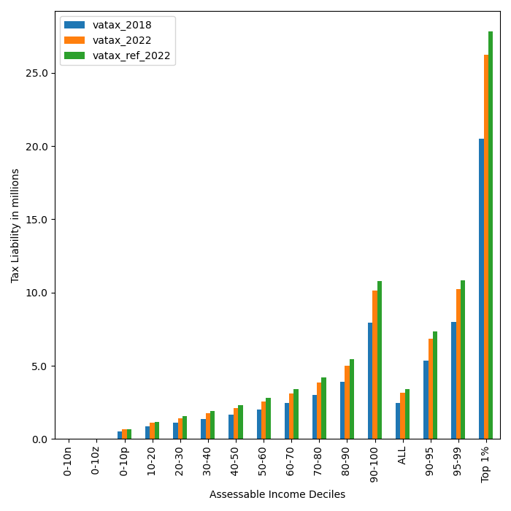

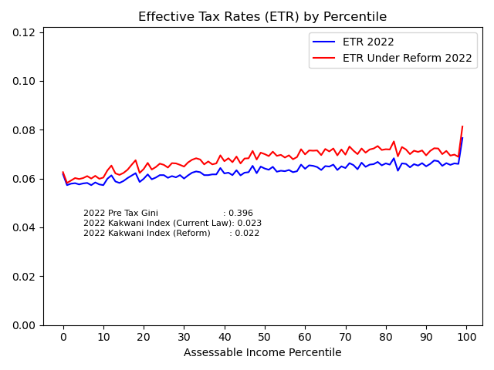
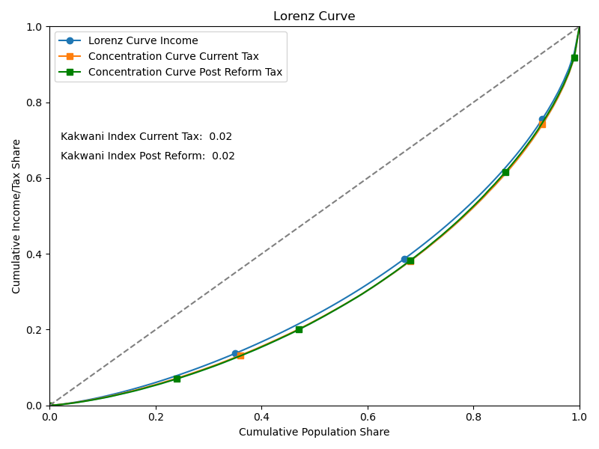
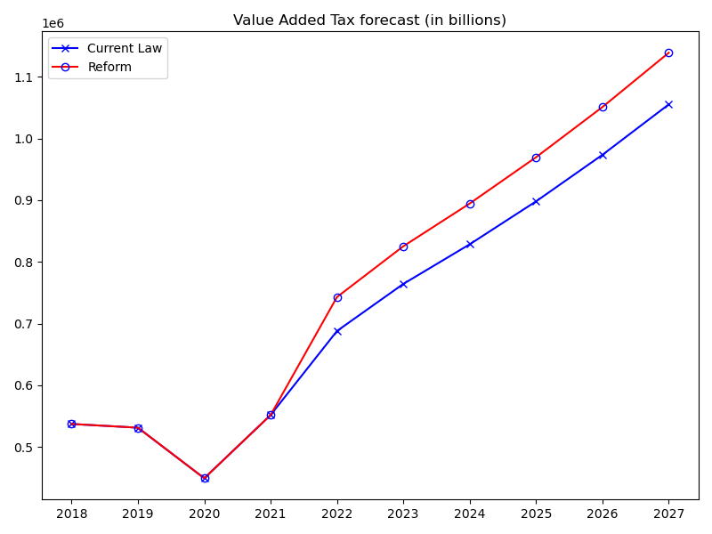
 | 2018 | 2019 | 2020 | 2021 | 2022 | 2023 | 2024 | 2025 | 2026 | 2027
current_law_All | 537470.38 | 531467.8 | 449521.75 | 551997.68 | 688065.72 | 764339.99 | 828499.99 | 898045.69 | 973429.17 | 1055140.47
reform_All | 537470.38 | 531467.8 | 449521.75 | 551997.68 | 743056.6 | 825347.43 | 894547.22 | 969544.97 | 1050823.31 | 1138803.17 | 54990.88 | 0.07992097034

VAT TAX Liability - Distribution by Decile
 | index | vatax_2018 | vatax_2019 | vatax_2020 | vatax_2021 | vatax_2022 | vatax_ref_2022 | vatax_ref_2023 | vatax_ref_2024 | vatax_ref_2025 | vatax_ref_2026 | vatax_ref_2027
0 | 0-10n | 0 | 0 | 0 | 0 | 0 | 0 | 0 | 0 | 0 | 0 | 0
1 | 0-10z | 0 | 0 | 0 | 0 | 0 | 0 | 0 | 0 | 0 | 0 | 0
2 | 0-10p | 502,989 | 497,371 | 420,682 | 516,584 | 643,922 | 667,829 | 741,860 | 804,133 | 871,633 | 944,800 | 1,024,108
3 | 10-20 | 856,726 | 847,158 | 716,536 | 879,883 | 1,096,775 | 1,165,587 | 1,294,796 | 1,403,483 | 1,521,294 | 1,648,994 | 1,787,414
4 | 20-30 | 1,122,928 | 1,110,387 | 939,179 | 1,153,280 | 1,437,565 | 1,545,089 | 1,716,367 | 1,860,442 | 2,016,610 | 2,185,888 | 2,369,375
5 | 30-40 | 1,384,419 | 1,368,957 | 1,157,880 | 1,421,838 | 1,772,323 | 1,914,962 | 2,127,242 | 2,305,806 | 2,499,359 | 2,709,160 | 2,936,571
6 | 40-50 | 1,663,760 | 1,645,179 | 1,391,512 | 1,708,730 | 2,129,934 | 2,317,909 | 2,574,856 | 2,790,994 | 3,025,275 | 3,279,119 | 3,554,374
7 | 50-60 | 1,998,466 | 1,976,146 | 1,671,448 | 2,052,482 | 2,558,421 | 2,798,283 | 3,108,481 | 3,369,413 | 3,652,231 | 3,958,788 | 4,291,061
8 | 60-70 | 2,440,502 | 2,413,246 | 2,041,152 | 2,506,466 | 3,124,313 | 3,431,537 | 3,811,916 | 4,131,878 | 4,478,648 | 4,854,508 | 5,261,223
9 | 70-80 | 3,003,090 | 2,969,551 | 2,511,681 | 3,084,261 | 3,844,534 | 4,205,893 | 4,672,024 | 5,063,747 | 5,488,652 | 5,948,890 | 6,447,142
10 | 80-90 | 3,908,525 | 3,864,874 | 3,268,956 | 4,014,169 | 5,003,666 | 5,452,085 | 6,055,721 | 6,563,302 | 7,112,826 | 7,708,074 | 8,351,774
11 | 90-100 | 7,925,654 | 7,837,139 | 6,628,745 | 8,139,877 | 10,146,365 | 10,796,827 | 11,990,897 | 12,994,900 | 14,083,113 | 15,262,848 | 16,538,766
12 | ALL | 2,481,077 | 2,453,368 | 2,075,088 | 2,548,138 | 3,176,257 | 3,430,107 | 3,809,978 | 4,129,419 | 4,475,625 | 4,850,823 | 5,256,956
13 | 90-95 | 5,342,724 | 5,283,055 | 4,468,471 | 5,487,133 | 6,839,717 | 7,352,576 | 8,166,317 | 8,849,405 | 9,589,921 | 10,392,238 | 11,258,536
14 | 95-99 | 7,998,039 | 7,908,715 | 6,689,285 | 8,214,218 | 10,239,032 | 10,820,384 | 12,015,048 | 13,020,899 | 14,110,867 | 15,293,114 | 16,572,491
15 | Top 1% | 20,487,953 | 20,259,139 | 17,135,419 | 21,041,722 | 26,228,530 | 27,838,646 | 30,922,531 | 33,515,775 | 36,326,838 | 39,374,274 | 42,674,338

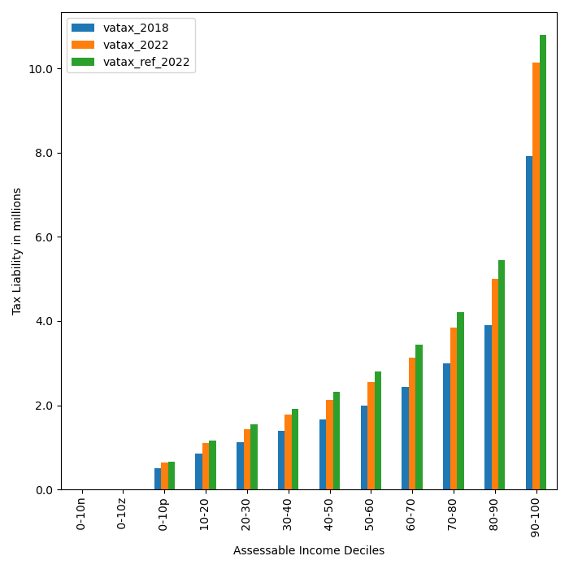
VAT contribution by Income Group (in millions)
 | index | vatax_2018 | vatax_2019 | vatax_2020 | vatax_2021 | vatax_2022 | vatax_ref_2022 | vatax_ref_2023 | vatax_ref_2024 | vatax_ref_2025 | vatax_ref_2026 | vatax_ref_2027
0 | <0 | 0 | 0 | 0 | 0 | 0 | 0 | 0 | 0 | 0 | 0 | 0
1 | 0 | 0 | 0 | 0 | 0 | 0 | 0 | 0 | 0 | 0 | 0 | 0
2 | 0-12 m | 10,842,149 | 11,149,413 | 16,031,971 | 10,207,792 | 5,837,839 | 6,008,704 | 4,658,748 | 3,694,565 | 3,085,766 | 2,548,382 | 2,054,207 | 0.073226941221
3 | 12-25m | 78,277,742 | 79,081,171 | 92,199,986 | 76,240,893 | 55,058,996 | 58,554,860 | 48,788,240 | 41,904,759 | 35,389,484 | 29,407,675 | 24,638,540
4 | 25-35m | 78,960,019 | 79,196,920 | 75,812,105 | 78,995,191 | 77,263,094 | 83,713,394 | 77,845,615 | 71,605,133 | 63,650,610 | 56,915,479 | 49,949,139
5 | 35-50m | 106,354,114 | 104,810,107 | 88,078,224 | 107,463,863 | 116,012,484 | 127,022,833 | 128,634,367 | 129,947,733 | 130,994,354 | 125,335,245 | 118,593,496
6 | 50-65m | 72,152,494 | 71,162,709 | 50,322,126 | 76,062,560 | 102,760,194 | 112,521,339 | 121,091,678 | 124,372,671 | 124,015,396 | 128,753,449 | 130,172,058
7 | 65-75m | 30,498,429 | 30,368,515 | 25,678,693 | 32,484,924 | 52,858,608 | 57,952,432 | 65,978,962 | 72,987,438 | 81,051,606 | 83,014,188 | 82,787,646
8 | 75-100m | 56,010,732 | 54,072,895 | 35,264,121 | 59,374,937 | 85,600,951 | 92,547,123 | 115,856,356 | 135,710,529 | 153,421,354 | 169,950,775 | 188,148,869
9 | 100-150m | 45,229,421 | 44,336,338 | 30,236,961 | 48,331,067 | 87,784,552 | 93,990,124 | 117,230,276 | 137,787,176 | 164,006,849 | 192,186,682 | 218,193,401 | 0.062605160382
10 | >150m | 59,145,284 | 57,289,728 | 35,897,566 | 62,836,451 | 104,889,006 | 110,745,793 | 145,263,191 | 176,537,215 | 213,929,549 | 262,711,440 | 324,265,814
11 | ALL | 537,470,384 | 531,467,797 | 449,521,753 | 551,997,679 | 688,065,724 | 743,056,602 | 825,347,432 | 894,547,219 | 969,544,970 | 1,050,823,314 | 1,138,803,171

result_edu_health_fin
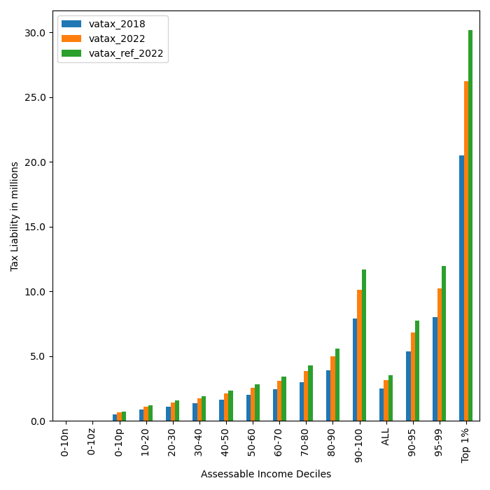

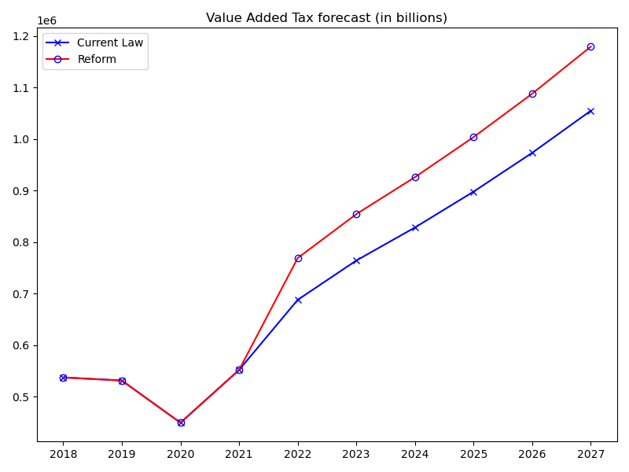
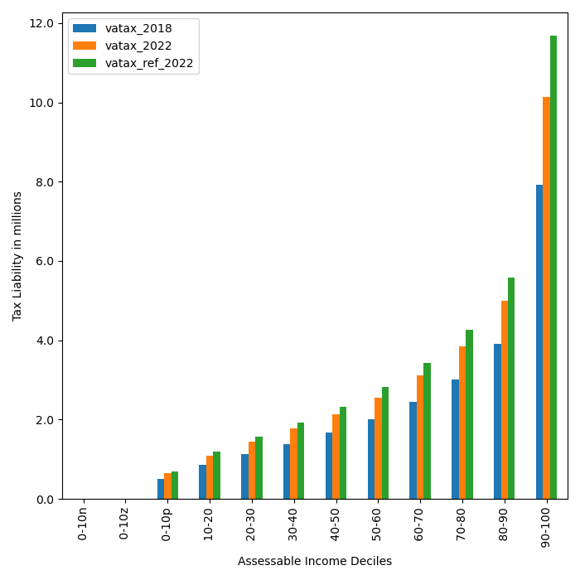
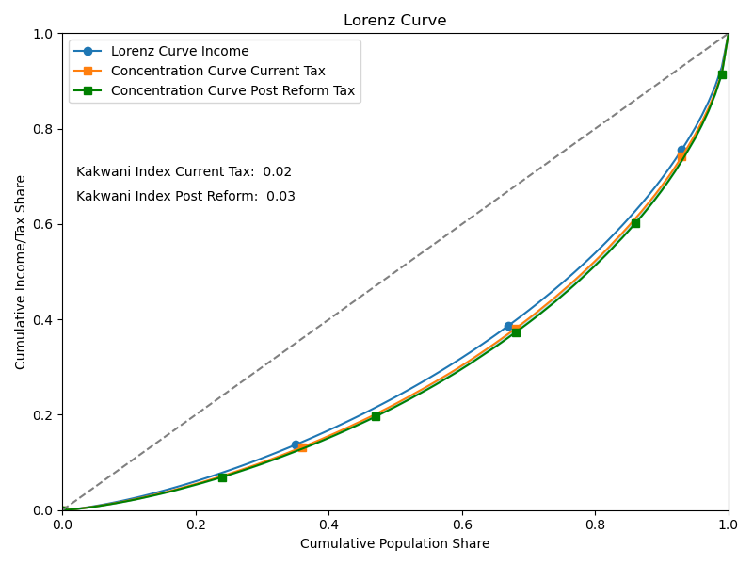
 | 2018 | 2019 | 2020 | 2021 | 2022 | 2023 | 2024 | 2025 | 2026 | 2027
current_law_All | 537470.38 | 531467.8 | 449521.75 | 551997.68 | 688065.72 | 764339.99 | 828499.99 | 898045.69 | 973429.17 | 1055140.47
reform_All | 537470.38 | 531467.8 | 449521.75 | 551997.68 | 769189.61 | 854456.71 | 926181.26 | 1003926.49 | 1088197.79 | 1179542.96 | 81123.89 | 0.11790136849

VAT TAX Liability - Distribution by Decile
 | index | vatax_2018 | vatax_2019 | vatax_2020 | vatax_2021 | vatax_2022 | vatax_ref_2022 | vatax_ref_2023 | vatax_ref_2024 | vatax_ref_2025 | vatax_ref_2026 | vatax_ref_2027
0 | 0-10n | 0 | 0 | 0 | 0 | 0 | 0 | 0 | 0 | 0 | 0 | 0
1 | 0-10z | 0 | 0 | 0 | 0 | 0 | 0 | 0 | 0 | 0 | 0 | 0
2 | 0-10p | 502,989 | 497,371 | 420,682 | 516,584 | 643,922 | 697,051 | 774,321 | 839,319 | 909,773 | 986,141 | 1,068,919
3 | 10-20 | 856,726 | 847,158 | 716,536 | 879,883 | 1,096,775 | 1,193,288 | 1,325,567 | 1,436,838 | 1,557,448 | 1,688,183 | 1,829,892
4 | 20-30 | 1,122,928 | 1,110,387 | 939,179 | 1,153,280 | 1,437,565 | 1,562,261 | 1,735,443 | 1,881,119 | 2,039,023 | 2,210,182 | 2,395,709
5 | 30-40 | 1,384,419 | 1,368,957 | 1,157,880 | 1,421,838 | 1,772,323 | 1,933,655 | 2,148,007 | 2,328,314 | 2,523,757 | 2,735,605 | 2,965,237
6 | 40-50 | 1,663,760 | 1,645,179 | 1,391,512 | 1,708,730 | 2,129,934 | 2,326,276 | 2,584,151 | 2,801,069 | 3,036,196 | 3,291,059 | 3,567,316
7 | 50-60 | 1,998,466 | 1,976,146 | 1,671,448 | 2,052,482 | 2,558,421 | 2,817,719 | 3,130,073 | 3,392,816 | 3,677,615 | 3,986,320 | 4,320,939
8 | 60-70 | 2,440,502 | 2,413,246 | 2,041,152 | 2,506,466 | 3,124,313 | 3,435,855 | 3,816,731 | 4,137,113 | 4,484,390 | 4,860,817 | 5,268,842
9 | 70-80 | 3,003,090 | 2,969,551 | 2,511,681 | 3,084,261 | 3,844,534 | 4,261,019 | 4,733,367 | 5,130,694 | 5,561,373 | 6,028,204 | 6,534,222
10 | 80-90 | 3,908,525 | 3,864,874 | 3,268,956 | 4,014,169 | 5,003,666 | 5,589,491 | 6,209,104 | 6,730,307 | 7,295,260 | 7,907,637 | 8,571,417
11 | 90-100 | 7,925,654 | 7,837,139 | 6,628,745 | 8,139,877 | 10,146,365 | 11,685,310 | 12,980,663 | 14,070,282 | 15,251,366 | 16,531,591 | 17,919,281
12 | ALL | 2,481,077 | 2,453,368 | 2,075,088 | 2,548,138 | 3,176,257 | 3,550,742 | 3,944,353 | 4,275,449 | 4,634,337 | 5,023,351 | 5,445,020
13 | 90-95 | 5,342,724 | 5,283,055 | 4,468,471 | 5,487,133 | 6,839,717 | 7,770,896 | 8,632,324 | 9,356,936 | 10,142,373 | 10,993,741 | 11,916,575
14 | 95-99 | 7,998,039 | 7,908,715 | 6,689,285 | 8,214,218 | 10,239,032 | 11,933,330 | 13,256,178 | 14,368,924 | 15,575,076 | 16,882,474 | 18,299,618
15 | Top 1% | 20,487,953 | 20,259,139 | 17,135,419 | 21,041,722 | 26,228,530 | 30,172,860 | 33,517,618 | 36,331,143 | 39,380,841 | 42,686,536 | 46,269,717

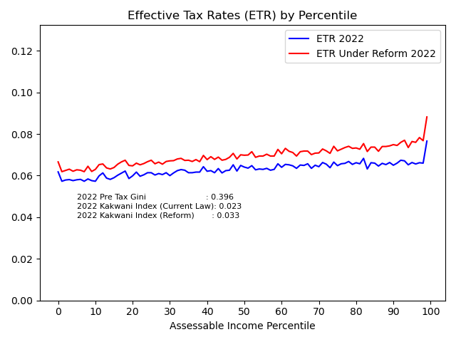
VAT contribution by Income Group (in millions)
 | index | vatax_2018 | vatax_2019 | vatax_2020 | vatax_2021 | vatax_2022 | vatax_ref_2022 | vatax_ref_2023 | vatax_ref_2024 | vatax_ref_2025 | vatax_ref_2026 | vatax_ref_2027
0 | <0 | 0 | 0 | 0 | 0 | 0 | 0 | 0 | 0 | 0 | 0 | 0
1 | 0 | 0 | 0 | 0 | 0 | 0 | 0 | 0 | 0 | 0 | 0 | 0
2 | 0-12 m | 10,842,149 | 11,149,413 | 16,031,971 | 10,207,792 | 5,837,839 | 6,305,756 | 4,926,849 | 3,916,241 | 3,267,076 | 2,710,766 | 2,187,444 | 0.089759976643
3 | 12-25m | 78,277,742 | 79,081,171 | 92,199,986 | 76,240,893 | 55,058,996 | 59,840,731 | 49,956,630 | 43,070,787 | 36,561,625 | 30,462,945 | 25,650,333
4 | 25-35m | 78,960,019 | 79,196,920 | 75,812,105 | 78,995,191 | 77,263,094 | 84,414,674 | 78,702,918 | 72,446,045 | 64,612,174 | 57,894,680 | 50,860,973
5 | 35-50m | 106,354,114 | 104,810,107 | 88,078,224 | 107,463,863 | 116,012,484 | 127,553,523 | 129,381,301 | 130,577,607 | 131,590,161 | 126,344,924 | 119,803,864
6 | 50-65m | 72,152,494 | 71,162,709 | 50,322,126 | 76,062,560 | 102,760,194 | 113,629,845 | 121,570,464 | 124,936,577 | 124,766,044 | 129,513,608 | 130,747,136
7 | 65-75m | 30,498,429 | 30,368,515 | 25,678,693 | 32,484,924 | 52,858,608 | 58,771,908 | 67,032,760 | 73,865,397 | 81,350,803 | 82,961,787 | 83,160,799
8 | 75-100m | 56,010,732 | 54,072,895 | 35,264,121 | 59,374,937 | 85,600,951 | 96,447,032 | 118,844,561 | 138,438,430 | 155,853,848 | 172,173,449 | 189,995,839
9 | 100-150m | 45,229,421 | 44,336,338 | 30,236,961 | 48,331,067 | 87,784,552 | 100,634,189 | 124,447,814 | 145,233,268 | 171,816,189 | 199,790,991 | 225,128,793 | 0.15338160725
10 | >150m | 59,145,284 | 57,289,728 | 35,897,566 | 62,836,451 | 104,889,006 | 121,591,949 | 159,593,412 | 193,696,909 | 234,108,571 | 286,344,637 | 352,007,780
11 | ALL | 537,470,384 | 531,467,797 | 449,521,753 | 551,997,679 | 688,065,724 | 769,189,607 | 854,456,711 | 926,181,260 | 1,003,926,491 | 1,088,197,788 | 1,179,542,961

