Soal A
Soal A |  |  |  | e = 10^-5
 |  |  |  | x0 (titik awal) = (a,b)
jika a = 8
i | x | h(x) | h'(x) | e
0 | 8 | 2918.957987 | 2964.957987
1 | 7.0155145537 | 1066.5621538 | 1099.7485691 | 0.98448544627
2 | 6.0456909197 | 387.73904612 | 410.19804297 | 0.96982363399
3 | 5.1004425141 | 140.07999153 | 153.89362034 | 0.94524840564
4 | 4.1902034073 | 50.478417247 | 57.655815027 | 0.91023910685
5 | 3.3146903784 | 18.526701471 | 20.884493018 | 0.87551302889
6 | 2.4275871361 | 7.4383283785 | 6.4763334095 | 0.88710324231
7 | 1.2790470736 | 3.9572526086 | 1.0351198779 | 1.1485400624
8 | -2.5439426042 | -4.3930879003 | 5.1664412813 | 3.8229896778
9 | -1.6936304335 | -0.68453319273 | 3.5711117197 | 0.85031217063
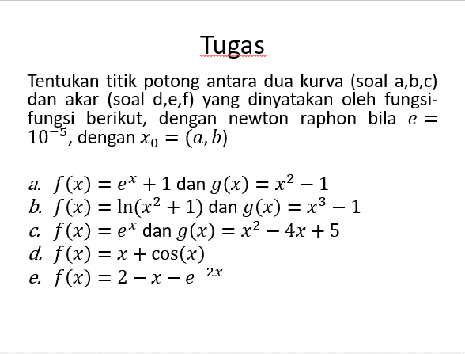
10 | -1.5019441334 | -0.033139393248 | 3.2265850536 | 0.19168630008
11 | -1.4916734006 | -9.3701723459E-05 | 3.2083426333 | 0.010270732895
12 | -1.4916441949 | -7.570113425E-10 | 3.2082907932 | 2.9205647329E-05
13 | -1.4916441947 | 0 | 3.2082907928 | 2.3595481125E-10 | toleransi
14 | -1.4916441947 | 0 | 3.2082907928 | 0

jika b = 3
i | x | h(x) | h'(x) | e
0 | 3 | 13.085536923 | 14.085536923
1 | 2.0709948087 | 5.643691226 | 3.7907211064 | 0.92900519125
2 | 0.58217749204 | 3.4510011203 | 0.62557676844 | 1.4888173167
3 | -4.9343335013 | -22.340451847 | 9.8758622576 | 5.5165109934
4 | -2.6722067863 | -5.0715895396 | 5.4135131415 | 2.2621267151
5 | -1.7353679153 | -0.83516648943 | 3.6470711424 | 0.936838871
6 | -1.5063714255 | -0.047441849311 | 3.2344558734 | 0.22899648973
7 | -1.4917037809 | -0.00019117311648 | 3.2083965586 | 0.014667644627
8 | -1.4916441957 | -3.1509928E-09 | 3.2082907946 | 5.9585251694E-05
9 | -1.4916441947 | 0 | 3.2082907928 | 9.8214059108E-10 | toleransi
10 | -1.4916441947 | 0 | 3.2082907928 | 0
11 | -1.4916441947 | 0 | 3.2082907928 | 0
12 | -1.4916441947 | 0 | 3.2082907928 | 0
13 | -1.4916441947 | 0 | 3.2082907928 | 0
14 | -1.4916441947 | 0 | 3.2082907928 | 0

