ورقة1
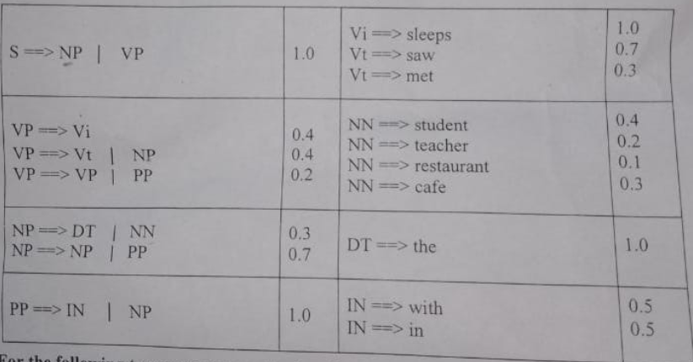
 |  | The Student Saw the Teacher in the resturant
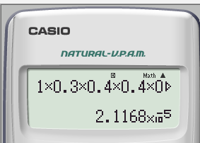
Prob | RULE
1 | S =NP,VP | S
0.3 | NP=DT,NN | NP,VP
1 | DT=The | DT,NN,VP
0.4 | NN=student | The , NN,VP
0.4 | VP=Vt,Np | The,Student,VP
0.7 | vt=saw | The ,Student ,vt,NP
0.7 | NP=NP,PP | the student saw,Np
0.3 | NP=DT,NN | The student saw,NP,PP
1 | DT=THe | The student saw DT,NN,PP
0.2 | NN=teacher | The student saw The,NN,PP
1 | PP=IN|NP | The Student saw the teacher,pp
0.5 | IN=in | The Student saw the teacher,IN,NP
0.3 | NP=DT,NN | The Student saw the teacher in,NP
1 | Dt=THe | The Student saw the teacher in DT,NN
0.1 | NN=resturant | The Student saw the teacher in the,NN
 |  | The Student saw the teaccher in the resturant

