Start

Getting Started

1.Summation
Simply follow these instructions to sum values:

You can sum values in several ways:
Select the yellow cell under the quantity of Fruits.
1
Type =SUM(D7:D10), then hit Return. The result is 150.
2
Vegetables | Quantity |  | Fruits | Quantity
Eggplants | 50 |  | Pineapples | 20
Carrots | 30 |  | Oranges | 50
Tomatoes | 20 |  | Apples | 50
Now let us try the shortcut keys. Select the yellow cell under the quantity of Meat.
3
Cabbages | 50 |  | Pears | 30

4
On the Formula tab, click Sum. Then hit Return. The result is 140.

Now, let us select the numbers above 50 (inclusive) only. Select the last yellow cell. Type =SUMIF(D11:D15,">50"), then hit Return. The result is 100.
5

Next

SUM Function Explained
Now, we have demonstrated the SUM function above. Double-pclick a green cell on the right and read the following texts:
Method #1 to use SUM function:
Method #2 to use SUM function:
=SUM(D38:D41)
Sum the values in cells D38, D39, D40, and D41.
=SUM(D48,G48:G51,10)
Sum the values from cells D48, G48, G49, G50, and G51, and the value 10
The above formula shows that the function can be applied to a single cell, multiple cells, and values together.

Select these cells. Then, in the lower left corner of the window, you can find:
Here you can quickly find the sum, average, and count values.
Vegetables | Quantity
Eggplants | 50
Carrots | 30
Tomatoes | 20
Cabbages | 50
 | 150

Food & Beverage | Quantity |  | Items | Quantity
Lunch | 20 |  | Skating | 10
 |  |  | Skiing | 20
 |  |  | Boating | 30
 |  |  | Bike Riding | 40

 |  | Total:
 |  | 130

SUMIF Function Explained
In the example above, we have demonstrated the SUMIF function to sum values based on conditions. Next, let us talk about this function in detail. Click the green cell on the right and read the following texts:
=SUMIF(D66:D69,">30")
Find the values greater than 30 in cells D66-D69, and sum them.

Vegetables | Quantity
Eggplants | 50
Carrots | 30
Tomatoes | 20
Cabbages | 50
 | 100
Other operators, such as "<=30" (less than or equal to 30), ">=30" (greater than or equal to 30), and "<>30" (not equal to 30).

2.Fill Cell
Quickly Filling Cells

To quickly sum the values in Column A and B, click on the green cell with the number 100.
1
A | B | Sum: | C | Sum:
30 | 40 | 70 | 75 | 145
31 | 41 |  | 75
Place the cursor in the lower right corner of the cell until it becomes a cross.
32 | 42 |  | 75
2
33 | 43 |  | 75

Click the cross and drag downward by three cells. The cells are automatically filled with the totals: 72, 74, and 76. This is called Fill Down.
3
Click on the yellow cell with the number 126 (C15), then click the cross and drag to the right to fill the cells again. This is called Fill Right.
A | B | Sum: | C | Sum:
30 | 40 | 70 | 75 | 145
31 | 41 | 72 | 75 | 147
4
32 | 42 | 74 | 75 | 149
33 | 43 | 76 | 75 | 151
126 | 166 | 292 | 300 | 592

Next

Filling Cells With Same Values
To duplicate the values from a cell, follow the steps below:
Method 1: Click on the cell labeled Meat. Place the cursor in the lower right corner of the cell until it becomes a cross. Then drag downward by three cells.
1
Method 2: Select the cell labeled Meat. Place the cursor in the lower right corner again, until it becomes a cross. Then double-click on it. You can fill in the long columns in this way.
2

 | Category | Products | Count
 | Meat | Pork | 100
 |  | Beef | 200
 |  | Lamb | 160
 |  | Chicken | 80

Tips:
Select this cell, until the cross appears. Then drag it to fill multiple cells. The Auto Fill Options button appears in the lower right now:
You can change the filling method. Select other options, such as Fill Series or Fill Formatting Only.
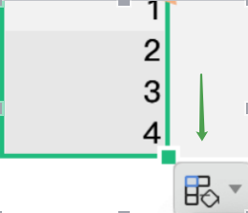

Filling Cells With Series
Sometimes you may want to fill cells with sequential numbers, for example: 1, 2, 3....
Click on the cell with 1 (C47).
1
Place the cursor in the lower right corner of the cell until it becomes a cross. Then drag downward by three cells. The cells below it will be filled with 2, 3, 4 now. Alternatively, you can also double-click on it when the cross appears, to achieve the same results.
2
What if you want to fill the series with regular intervals, for example, "1, 3, 5..."?
3
Simply select two values with intervals, and follow the above steps to fill the series with interval.
4

 | December
1 | 18 | 19 | 20
 | 19 | 20 | 21
 | 20 | 21 | 22
 | 21 | 22 | 23

Fixed interval
1 | 3

Other Examples:
Enter "Monday, Wednesday", "January, March", then follow the steps to fill the cells. See what happens.

3.Split Data
Data packed in one column? Let's parse the data.
To parse the data, select Text to Columns. With this option, you can parse the data to columns based on the delimiter in the first column. In this example, we use a comma as the delimiter.
Click and drag to select the cells from Nancy to Yvonne.
1
On the Data tab, click Text to Columns. Be sure to select Delimiters, then click Next.
2
Under Delimiters, do select Comma only, then click Next.
3
Click General.
4
Finally, click the Target Area box and type $D$7. Then click Finishand OK.
5
Data all packed in one column. What should I do? Let's parse the data.

To parse the data, select Text to Columns in the Data tab, to parse the data to columns. With this option, you can parse the data to columns based on the delimiter in the first column. In this example, we use a space character as the delimiter.
Data | City | Country
Beijing China
New York USA
Ottawa Canada
Mexico City Mexico
Click and drag to select the cells from Beijing to Jakarta.
1
Paris France
New Delhi India
Jakarta Indonesia
On the Data tab, click Text to Columns. Be sure to select Delimiters, then click Next.
2

Under Delimiters, do select Space only, then click Next.
3

Click General.
4

Scroll down for more details
Next
Finally, click the Target Area box and type $N$8. Then click Finish and OK.
5

Next

Use Formulas to Quickly Parse Data into Columns
City information is located in one cell |  | Name | [Secondary Column] | Middle Name | Country
Jakarta Capital Indonesia |  | Jakarta | Capital Indonesia | Capital | Indonesia
How it works:
How it works:

Extract characters on the left
Anchor cell
Extract this number of characters. To specify the number of characters, use the FIND function
Extract the characters on the right
Anchor cell
Extract this number of characters. To specify the number of characters, use the LEN function

Define a formula to parse the data. The parsed data changes with the original data. This is an advanced operation. To do so, use the following functions: LEFT, RIGHT, FIND, and LEN. For more information, read the instructions below to see how to parse the data at the cell C33. Be sure to follow the steps illustrated on the right:

=LEFT(C33,FIND(" ",C33)-1)
=RIGHT(C33,LEN(C33)-FIND(" ",C33))

Double-click the yellow cell containing Jakarta. We used the LEFT function to extract the character to the left of the cell C33. To specify the number of characters to extract, we used the FIND function. View the diagram How it works, then press Esc.
1
Find the position of the character
Find the first space character in this cell
Then subtract 1 to exclude the space character
Get the character count (Character length)
This cell
Subtract the following numbers
Find the position of the character
Find the first space character in this cell

We then created an [Secondary Column]. This column is used only as a secondary column for extracting other texts in the cell. This is a temporary column, which can be hidden later.
2

Double-click Capital Indonesia in the [Secondary Column]. You can see that we used the RIGHT, LEN, and FIND functions to extract the characters from the first space to the end of the cell.
3

Double-click Capital. Here, we used almost the same formula as in step 1, but instead of extracting characters from C33, we extracted the characters from F33.
4

Double-click Indonesia. This formula is the same as in step 3, but extracts the characters from the cell F33 instead of C33.
5

4.Merge
Merging, A Simpler Way for Data Processing
In case of a large volume of data, you can merge the data or cells to make your data sheet even simpler. How shall we do to merge multiple cells with the same attribute into one, or move worksheets from other workbooks into the current one? Let us look into the details:
Merge Cells:
1. Select the data, then select Merge & Center under the Start tab.
2. You can choose several modes here.
1
Move worksheets from other workbooks into the current one:
1. Open the worksheet you want to move. Right-click the file name at the bottom of the worksheet and select Move or Copy Sheet.
2. Here you can move the worksheet to the specified position in other workbooks.
2

a
a
a
b
b
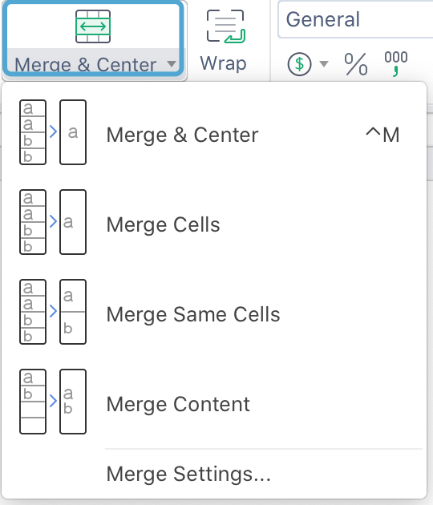

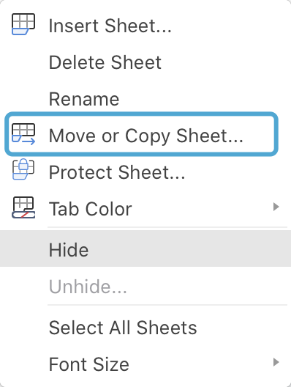

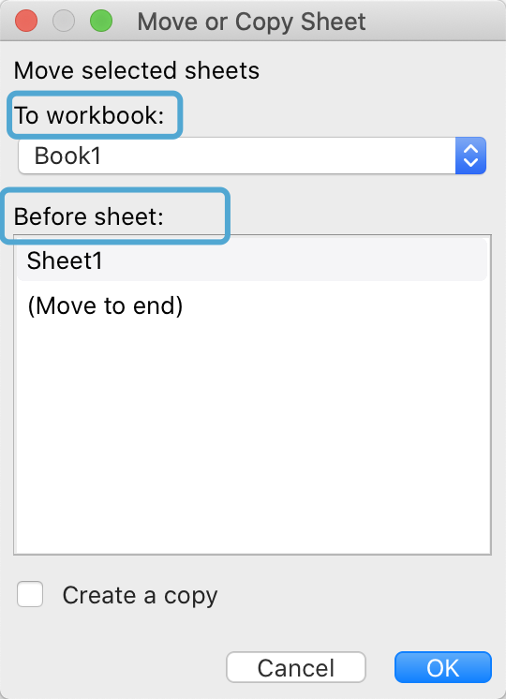

Next

5.Transposition
To transpose the data rows and columns,
use Transpose
To transpose the rows and columns, choose Transpose in the table.
Click Category and drag it all the way to 50, to select the two rows.
1
Copy the cells. Press Ctrl+C.
2
Click the green cell.
3
On the Start tab, click the arrow next to the Paste button.
You can also right-click the cell, then select the Paste Special
4
Select Transpose.
5

 | Category | Banana | Apples | Strawberry | Grapefruit | Watermelon
 | Amount | 20 | 80 | 70 | 30 | 50

Proceed to the next step

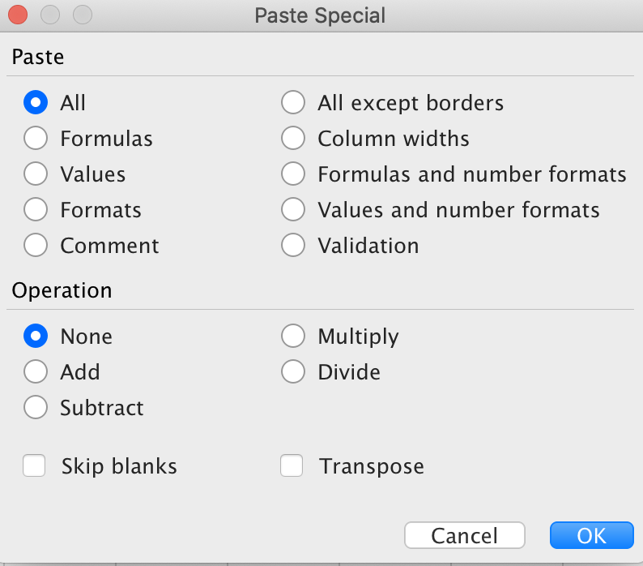

You can choose any combination of these paste methods

Next

Using the Transpose function to transpose
Sometimes you don't want to transpose by copying and pasting. In this case, you can use formulas to transpose rows and columns. Let us show you how it works:
To transpose this data, select some blank cells first. Since you have 6 columns and 2 rows on the right, you should select 2 columns and 6 rows accordingly. Select the green cells as shown.
1
With the cells selected, type =TRANSPOSE(C33: H34), but do not press Return.
2
Click another green cell. Check the edit bar again. The formula is the same as the former. Why? Because this is an Array Formula.
5
Press
If the result is #VALUE!, retry the steps from step 1.
3
Click and select any of the green cells. Check the formula at the top
of the Excel spreadsheet. You may notice the formula below:
{=TRANSPOSE(C33:H34)}
4
Command
Shift
Return

6 columns and 2 rows.
 | Category | Banana | Apples | Strawberry | Grapefruit | Watermelon
 | Amount | 20 | 80 | 70 | 30 | 50

Select the 2 columns and 6 rows before typing in the formula.

Tips

Array formulas can be applied to multiple cells in an array. The data set in C33:H34 as shown in the above example is an array.
When using array formulas, take note of the following three points:
1) First select multiple cells. With the cells selected, type the array formula. (First Select, Then Type) 2) After typing in the array formula, press Control+Shift+Return. (Do not press Return directly)
3) Once typing in the array formula, you cannot break this new array. For example, you cannot type in or delete any of the cells, nor can you insert new rows or columns in the array. To do this, delete the formula first.

6.Sort and Filter
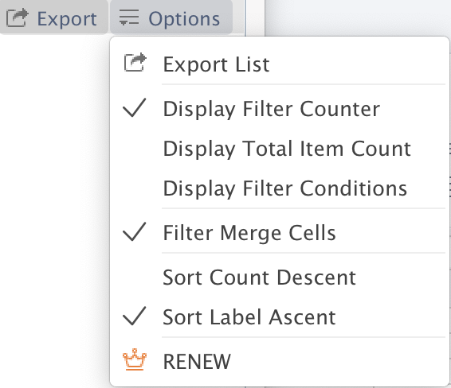
Quick Sort and Filter
Suppose you want the departments to be sorted alphabetically. Click the Departments column. Then click Start -> Ascending.
1
Sort the amounts in "May" in descending order. Click any cell in the May column, then click Start -> Descending.
2
Then, filter the data to show only the "Market" row. Select a cell in the data and click Start -> Filter. The Filter button appears on the first line.
3
In the Departments cell, click the Filter button, then click to clear the Select All check box. Then, click to select R&D to view only the data of the R&D department.
4
Now click Clear Filter (F) at the bottom of the Department filter pane to clear the filter. Then, close the pane.
5

Departments | Name | May | June | July
Human Resources | TOM | $10,000 | $11,000 | $15,000
R&D | MONICA | $18,000 | $18,500 | $19,000
Marketing | GRAPH | $15,000 | $14,000 | $20,000
Customer Service | LAFEI | $8,000 | $7,900 | $8,100
Design | QINMIN | $9,000 | $10,000 | $9,500
Marketing | JEEGE | $15,000 | $12,000 | $13,000
R&D | HEJIN | $20,000 | $21,000 | $20,500

Tips:
After completing Step 5, try to sort the two columns alphabetically. To do so, first sort Departments alphabetically (i.e. Step 1 on the left). Then click Start > Sort > Custom Sort. Add Type as a secondary keyword. Click OK. The Departments will be sorted, while the Name for each department will also be sorted alphabetically.

Next

Sort by Date or Color
There are multiple ways to sort in a table. Let us show you the two of them:
To sort by date, click a date, then click Start -> Sort -> Ascending. The rows will be sorted by Date in ascending order.
1
There are three cells filled with green. You can sort the rows by this color. Click Sort -> Custom Sort.
2

Tips:
You cannot clear the sort order like clearing filters. So, if you don't want to keep the sort order, press to undo it.
Date | Staff | Food & Beverage | Accommodation
2020-05-02 | TOM | $40 | $1,500
2020-05-03 | MONICA | $57 | $3,000
2020-05-04 | GRAPH | $50 | $3,100
2020-05-05 | LAFEI | $45 | $1,500
2020-05-06 | QINMIN | $28 | $1,650
2020-05-08 | JEEGE | $36 | $2,450

Advanced Filters
With Filters, you can quickly find and use a subset of data in a range or table.
By filtering the list, you can temporarily hide some data, so that you can focus
on the data you need. You can use Advanced Filters to filter the relationships
with the criterion AND, filter them with the criterion OR, or filter with the criteria
AND and OR together. So let us show you several powerful filtering features.
Select the data you want to filter, right-click and select AutoFilter or click the Filter button under the Start tab. Now you will find an inverted triangle in the header of the data. Click it to show the filter pop up box.
1
The filtering interface varies depending on the data format. If you are Filtering by Date, the options "Last Month", "This Month" etc. appear at the bottom of the interface; if you are Filtering by Text, the options "Unique Items", "Duplicate Items", etc. appear at the bottom of the interface; and if you are Filtering by Value, the options "Top 10", "Above Average", and "Below Average” appear at the bottom of the interface, as shown in Figure 1. You can use these buttons for quick filtering.
2

Date | Staff | Food & Beverage | Accommodation
2020-04-28 | TOM | $40 | $1,500
2020-04-27 | MONICA | $57 | $3,000
2020-05-08 | GRAPH | $50 | $3,100
2020-04-23 | LAFEI | $45 | $1,500
2020-04-30 | QINMIN | $28 | $1,650
2020-04-29 | JEEGE | $36 | $2,450

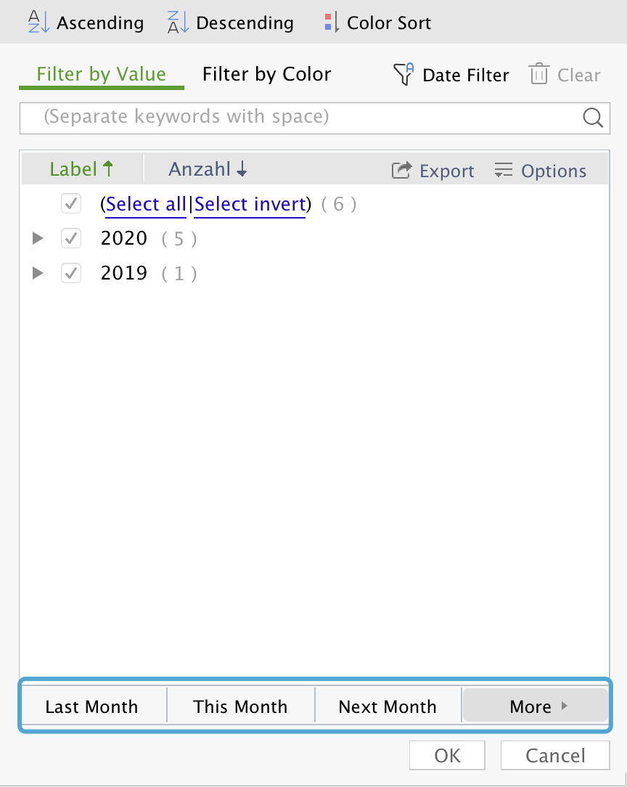
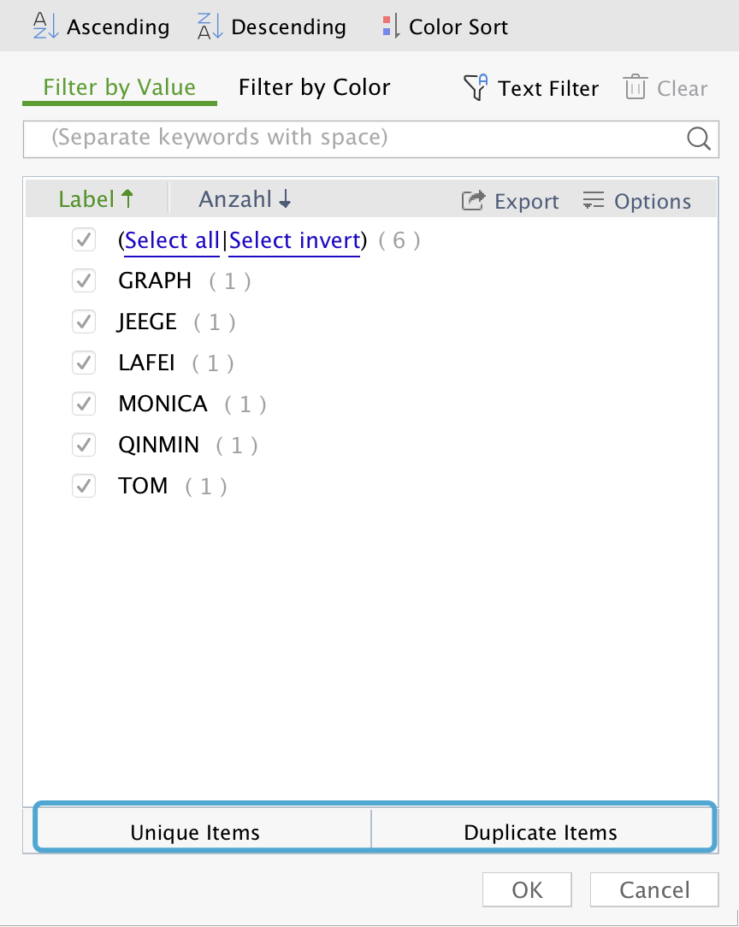
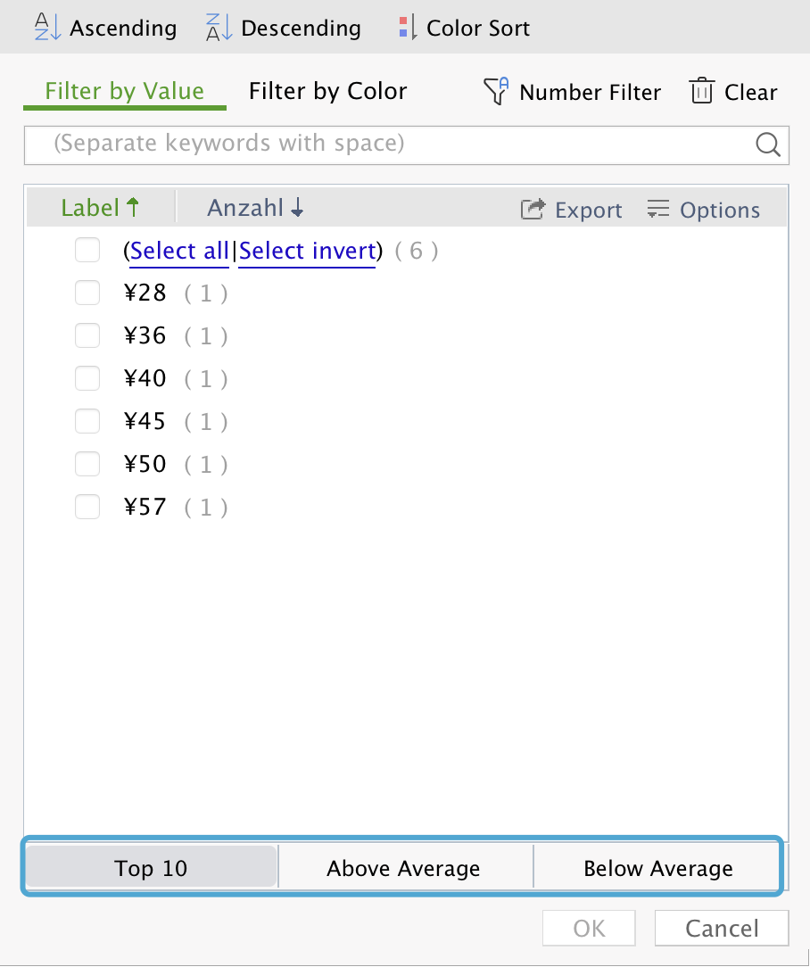

In the filtering interface, you can sort the selected data in ascending or descending order or by color, or filter them by value, color or any criterion.
3

Fig. 1

4
Once you have selected any required operation, the data you want appears. With WPS, you can export the filtered data directly into a new worksheet, simply by clicking Export. There are many more options in Options available for you.

7.Reading Model
Read-Only Mode, A Comfortable Way to Find in Table
Are you feeling dazzled by a massive amount of data? Our Read-Only mode can relieve your visual fatigue. Click View -> Read-Only Mode.
In this mode, selecting one cell will highlight with color any data in the same row and column as this cell. For example, if you select WPS, you will quickly find that it is located in row 4 0 and column L.
Click the inverted triangle next to the Read-Only Mode to select your favorite fill color.
Date | Database 1 | Database 2 | Database 3 | Database 4 | Database 5 | Database 6 | Database 7
2020-01-01 | A | B | C | D | E | F | G
2020-01-02 | H | I | J | K | L | M | N
2020-01-03 | O | P | Q | R | S | T | U
2020-01-04 | V | W | X | Y | Z | A | B
2020-01-05 | C | D | E | F | G | H | I
1
2020-01-06 | J | K | L | M | N | O | P
2020-01-07 | Q | R | S | T | U | V | W
2020-01-08 | X | Y | Z | A | B | C | D
2
2020-01-09 | E | F | G | H | I | J | K
2020-01-10 | L | M | N | O | P | Q | R
2020-01-11 | S | T | U | V | D | X | Y
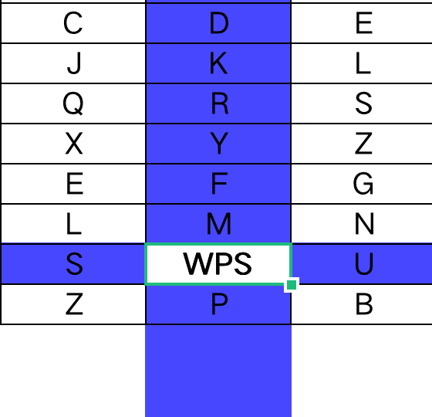
2020-01-12 | Z | A | B | C | D | E | F
2020-01-13 | G | H | I | J | K | L | M
2020-01-14 | N | O | P | Q | R | S | T
2020-01-15 | U | V | W | X | Y | Z | A
2020-01-16 | B | C | D | E | F | G | H
3
2020-01-17 | I | J | K | L | M | N | O
2020-01-18 | P | Q | R | S | T | U | V
2020-01-19 | W | X | Y | Z | A | B | A
2020-01-20 | A | B | C | D | E | F | G
Next
2020-01-21 | H | I | J | K | L | M | N
2020-01-22 | O | P | Q | S | S | T | U
2020-01-23 | V | W | X | Z | Z | A | B
2020-01-24 | C | D | E | D | Y | H | V
2020-01-25 | Q | I | J | K | F | Z | A
2020-01-26 | C | P | Q | S | M | G | G
Freeze Panes
For the worksheet containing a lot of data in WPS Table, the heading row will be invisible when we drag the scroll bar to a certain level. So we are not able to easily identify the meaning of data in each column. In this case, locking a row or a column can better satisfy our needs. Now, let us talk about the Freezing Panes feature:
On the Start tab, click Freeze Panes, where you can choose three modes.
1: Freeze Panes, to freeze multiple rows and columns;
2: Freeze Top Row;
3: Freeze First Column;
2020-01-27 | Q | W | X | Z | T | N | N
2020-01-28 | C | D | E | D | A | U | U
2020-01-29 | Q | I | J | K | E | B | B
2020-01-30 | C | P | Q | S | L | F | V
2020-01-31 | Q | W | X | Z | S | M | A
2020-02-01 | S | T | U | V | Z | X | Y
2020-02-02 | Z | A | B | C | D | E | F
1
2020-02-03 | G | H | I | J | K | L | M
2020-02-04 | N | O | P | Q | R | S | T
2
2020-02-05 | U | V | W | X | Y | Z | A
2020-02-06 | B | C | D | E | F | G | H
2020-02-07 | I | J | K | L | M | N | O
To freeze the first row and column, click Freeze Top Row and Freeze First Column under Freeze Panes. So what should I do to freeze the
rows other than the top row?
3
2020-02-08 | P | Q | R | S | WPS | U | V
2020-02-09 | W | X | Y | Z | P | B | A

To freeze a row, first select the row below it before continuing. For example, if you want to freeze the first and second rows, you should select the third row, then click Freeze Panes. So does with freezing a column.
4

To freeze a row and a column at the same time, first locate the cell at the intersection of them, then select the first cell to the right of the intersection cell, and click Freeze Panes to freeze.
Come on and try it!
5

8.Table
Quickly Working on a Table
To create a table:
Click on any cell in the data sheet on the right, then click Insert -> Table select conditions -> OK.
You have now created a table. In this table, rows appear in alternating colors, for better readability.
You can also easily create new rows. In the empty cell under R&D, type some texts, then press Return. A new row will appear in the table.
You can also easily create new columns: In the lower right corner of the cell, click the small black cross and drag it to the right for two columns to add the two new columns.

1
Tips
2
Departments | Name | May | June | July
Human Resources | TOM | $10,000 | $11,000 | $15,000
R&D | MONICA | $18,000 | $18,500 | $19,000
The shortcut key to insert a table is Command+T.
Marketing | GRAPH | $15,000 | $14,000 | $20,000
3
Customer Service | LAFEI | $8,000 | $7,900 | $8,100
Design | QINMIN | $9,000 | $10,000 | $9,500
Marketing | JEEGE | $15,000 | $12,000 | $13,000
4
R&D | HEJIN | $20,000 | $21,000 | $20,500

Next

AutoSum--Row
An example to easily use a table is : column calculations. Enter a formula, then the table will be automatically filled with the calculated results. It works as follows:
Select the cell under Total.
1
Sum the first row of data.
3
To sum other rows of data, select the first cell under Total, then drag the black cross in the lower right corner downward to sum the other rows of data automatically.
4
2

Departments | Name | May | June | July | Total
Human Resources | TOM | $10,000 | $11,000 | $15,000
R&D | MONICA | $18,000 | $18,500 | $19,000
On the Formula tab, click Sum. Then hit Return.
Marketing | GRAPH | $15,000 | $14,000 | $20,000
Customer Service | LAFEI | $8,000 | $7,900 | $8,100
Design | QINMIN | $9,000 | $10,000 | $9,500
Marketing | JEEGE | $15,000 | $12,000 | $13,000
R&D | HEJIN | $20,000 | $21,000 | $20,500

Summary--Column
Another example to use a table is Row Summary.
Select the cells to be summarized in the table on the right. In this case, you can select E55-E61.
1
Summarize the data in the Salary in May column. The total will be added to the bottom of the table
3
4
On the Formula tab, click Sum. Then hit Return.
2
Similarly, if you want to know the average value, just select Average under Formula.

Departments | Name | Salary in May
Human Resources | TOM | $10,000
R&D | MONICA | $18,000
Marketing | GRAPH | $15,000
Customer Service | LAFEI | $8,000
Design | QINMIN | $9,000
Marketing | JEEGE | $15,000
R&D | HEJIN | $20,000

9.Pivot Table
Summarizing Data Using PivotTable
Look at the Outlets, Sales Months, Products, Quantity, and Total Amount columns. Can you quickly determine the total sales of each product and in each outlet, or in which month the sales amount is the highest? Pivot table is a good choice for this.
1
Select any cell in the data sheet on the right and click Insert -> PivotTable. You can place a PivotTable at the specified position in the existing worksheet or a new one.
2
Now, let us show you how to pivot the data to find the total sales of each product or in each outlet. Click in the PivotTable area, click and drag Products to the Rows field, Outlets to the Columns field, and Total Amount to the Values field. Then, you will clearly see the total sales of each product and in each outlet at a glance.
3
PivotTable defaults to cumulative summary. If you want Average, Count, Maximum, Minimum, etc., you can right-click the data, click Summarize Values By, then choose the summary method.
4
Come on and try it!

 | Outlets | Sales Months | Products | Quantity | Total Amount
 | Beijing | 2019-03-01 | Refrigerator | 46 | 220800
 | Beijing | 2019-03-01 | TV | 53 | 159000
 | Beijing | 2018-03-03 | Air conditioner | 29 | 130500
 | Shanghai | 2019-03-01 | TV | 62 | 186000
 | Shanghai | 2019-03-01 | Refrigerator | 51 | 244800
 | Shanghai | 2018-03-03 | Air conditioner | 21 | 94500
 | Shenzhen | 2019-03-01 | TV | 46 | 138000
 | Shenzhen | 2019-03-01 | Refrigerator | 40 | 192000
 | Shenzhen | 2018-03-03 | Air conditioner | 53 | 238500

5

Next

For more information, see our website
Create a PivotTable to analyze the data in worksheet
Sort in the PivotTable
Press Control+Home to return to the top. To continue, press Control+PageDown (if you are using a MacBook, press Control+FN+Down Arrow).

10.Slicer
Filtering Tool--Slicer
Slicer can be used only in tables and PivotTables. In both scenarios, you can use it in a similar way. Next, we will introduce it with the PivotTable as example:
First, create a new PivotTable based on the data sheet on the right, with Grade and Name as rows, and Class as values.
1
In the button panel on the right, click any cell in the data sheet. Click Slicer under the Insert tab.
2
Select the filtering criteria (you can select multiple criteria). To filter by class, select Class as the filtering criterion.
3
Once you have selected the filter criteria, you can click to select them based on the slicer.
4
Click the “Clear Filter” button in the upper right corner. The button appears with an "X".
5

Name | Grade | Class | Gender
LEILEI | Freshman | 5 | Female
SUSAN | Freshman | 5 | Female
WANGSIR | Sophomore | 1 | Female
ALEX | Senior | 6 | Male
AYSU | Freshman | 5 | Male
SUNK | Senior | 6 | Male
BAKER | Sophomore | 2 | Male
OSKER | Senior | 4 | Male
ALICE | Freshman | 5 | Female
BINSU | Sophomore | 1 | Female
Double-click to change the calculation method
Grade | Name | Count Item: Class
Freshman |  | 4
 | LEILEI | 1
 | SUSAN | 1
 | AYSU | 1
 | ALICE | 1
Sophomore |  | 3
 | WANGSIR | 1
Next
 | BAKER | 1
 | BINSU | 1
Senior |  | 3
 | ALEX | 1
 | SUNK | 1
 | OSKER | 1
Total |  | 10

11.Pull-down list
Insert Drop-down List
Drop-down lists make data entry easier. Let us show you how it works:
We want only three department names to be valid for each food on the right. Those are Meat, Fruits and Condiments.
1
Select the green cell under Department.
2
On the Data tab, click Data Validation. Under Allow, click List.
3
In the Source box, type Meat, Fruits, Condiments, and make sure to use a comma between them. Once done, click OK.
4
Now click on the green cell next to Chicken, and you will see a drop-down menu.
5
Tips:
You can use several types for data validation. For example, you can restrict the entries to integer, decimal, date, time, and even text length.
Category | Departments
Chicken
Fish
Lamb
Soy sauce
Salt
Oil
MSG
Apples
Pears
Banana
Peach
Strawberry

Next

Tables, A Simpler Way to Make Drop-down Lists
In case we want to set the data validation, it would be not sufficient to directly input the data. So what happens if we refer to a table?
In column F, click the cell for any department. For example, click Meat.
1
Now, click the drop-down arrow. You will see the three departments only: Meat, Fruits, and Condiments. However, if you add a new department in column F under Condiments, the new department will be added to the drop-down menu.
8
Press or click Insert -> Table to create a table, then press OK.
2
Now set the Data Validation again. In column D, select all blank cells under Department.
3
On the Data tab, click Data Validation. Under Allow, click List.
4
Click in the Source box.
5
Select the cells Meat, Fruit, and Condiments in column F. Then press Return.
6
In the Source box, you should see: =$F$32:$F$34. (If it is not present, you can enter the above information.) Click OK.
7
Control
T

Food | Departments | Departments
Apples |  | Agricultural products
Beef |  | Meat
Tips:
It is an usual practice to use a new table as the validation list. That is more easier.
Banana |  | Baked goods
Lemon
Broccoli
Kale
Ham
Bread
Chicken
Cookie
Cake
Pie

12.Chart
Recommended Charts
Select the data on the right and click Insert > Charts.
There are a couple of chart types available to choose from. Click on Column.
A bar chart is now generated. Click on the chart, then Chart Tools appears above the table
You can choose a variety of tools in the toolbar. For example, you can choose to add trendlines, axes, axis titles, etc.
you can use the current chart style.

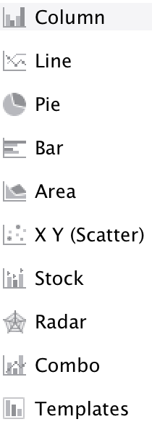
1

2
You can insert multiple chart types
Term | Total Head counts
1st | 500
2nd | 1000
3
3rd | 1500
4th | 2000
5th | 2500
4
6th | 3000
7th | 3500
8th | 4000

Next

Abscissa and Ordinate Axes
• The axis at the bottom is called the Abscissa Axis.
• The axis on the side is called the Ordinate Axis.
Each axis can be a Value axis or a Category axis.
• The Value axis represents values. For example, the Value axis can represent the head count, temperature, etc. The ordinate axis on the right is the Value axis, which represents the head count.
• The Category axis represents time, type, etc. The abscissa axis on the right shows the term number, so it is the Category axis.

Trendline: Showing the trend of the data over time, which can be selected and used in Add Chart Element.

Ordinate axis

Abscissa axis

Secondary Axis
You can also use secondary axes in your charts. The secondary axis is an additional axis representing values other than those in other numerical axes.
On the right is a common example. It is almost the same as the above chart, except an additional secondary ordinate axis, representing monthly sales. Some would say that, with a secondary axis, a table can be used for two purposes. That's true. This chart is both a bar chart and a line chart. This type of chart is called a Combination Chart in Excel.

Secondary Axis

 | Term | Total Head counts | Sales
 | 1st | 500 | $5,000
 | 2nd | 1000 | $11,200
Data source of the above chart
 | 3rd | 1500 | $17,400
 | 4th | 2000 | $23,600
 | 5th | 2500 | $29,800
 | 6th | 3000 | $36,000
 | 7th | 3500 | $42,200
 | 8th | 4000 | $48,400

Template2
Statement of account income and expenditure

number | Income | Date of revenue | Summary of Revenue | Spending | Date of expenditure | Summary of Expenses | Balance | Operator | Statistics and enquiries
1 | $12,000.00 | 2019-01-01 | Design fees | $500.00 | 2019-06-12 | Water | $11,500.00 |  | Start time | 2019-02-22
2 | $5,000.00 | 2019-02-02 | Selling expenses | $1,200.00 | 2019-06-13 | Electricity | $15,300.00 |  | End time | 2019-10-20
3 | $5,555.00 | 2019-03-03 | A Project costs | $2,000.00 | 2019-06-14 | Office reimbursement expenses | $18,855.00 |  | Total revenue | $128,555.00
4 | $12,000.00 | 2019-04-04 |  | $120.00 | 2019-06-15 |  | $30,735.00 |  | Total expenditure | $44,620.00
5 | $15,000.00 | 2019-04-05 |  | $5,000.00 | 2019-06-19 |  | $40,735.00 |  | Profit | $83,935.00
6 | $12,000.00 | 2019-05-05 |  | $20,000.00 | 2019-06-16 |  | $32,735.00 |  | Total revenue and profit for the january-December months
7 | $12,000.00 | 2019-06-06 |  | $2,500.00 | 2019-06-17 |  | $42,235.00
8 | $12,000.00 | 2019-07-07 |  | $2,500.00 |  |  | $51,735.00 |  | Time | Total revenue | Total expenditure | Profit
9 | $12,000.00 | 2019-07-08 |  | $2,500.00 |  |  | $61,235.00 |  | Jan. | $12,000.00 | $500.00 | $11,500.00
10 | $12,000.00 | 2019-07-09 |  | $2,500.00 |  |  | $70,735.00 |  | Feb | $5,000.00 | $1,200.00 | $3,800.00
11 | $12,000.00 | 2019-08-10 |  | $2,500.00 |  |  | $80,235.00 |  | Mar | $5,555.00 | $2,000.00 | $3,555.00
12 | $12,000.00 | 2019-09-11 |  | $2,500.00 |  |  | $89,735.00 |  | Apr | $27,000.00 | $5,120.00 | $21,880.00
13 | $12,000.00 | 2019-10-12 |  | $2,500.00 |  |  | $99,235.00 |  | May | $12,000.00 | $20,000.00 | -$8,000.00
14 | $12,000.00 | 2019-11-13 |  | $2,500.00 |  |  | $108,735.00 |  | Jun | $12,000.00 | $2,500.00 | $9,500.00
15 | $12,000.00 | 2019-12-14 |  | $2,500.00 |  |  | $118,235.00 |  | Jul | $36,000.00 | $7,500.00 | $28,500.00
16 | $12,000.00 | 2019-12-15 |  | $2,500.00 |  |  | $127,735.00 |  | Aug | $12,000.00 | $2,500.00 | $9,500.00
17 | $12,000.00 | 2019-12-16 |  | $2,500.00 |  |  | $137,235.00 |  | Sep | $12,000.00 | $2,500.00 | $9,500.00
18 | $12,000.00 | 2019-12-17 |  | $2,500.00 |  |  | $146,735.00 |  | Oct | $12,000.00 | $2,500.00 | $9,500.00
19 | $12,000.00 | 2019-12-18 |  | $2,500.00 |  |  | $156,235.00 |  | Nov | $216,000.00 | $45,000.00 | $171,000.00
20 | $12,000.00 | 2019-12-19 |  | $2,500.00 |  |  | $165,735.00 |  | Dec | $204,000.00 | $42,500.00 | $161,500.00
1-12 months income and expenditure chart analysis
21 | $12,000.00 | 2019-12-20 |  | $2,500.00 |  |  | $175,235.00
22 | $12,000.00 | 2019-12-21 |  | $2,500.00 |  |  | $184,735.00
23 | $12,000.00 | 2019-12-22 |  | $2,500.00 |  |  | $194,235.00
24 | $12,000.00 | 2019-12-23 |  | $2,500.00 |  |  | $203,735.00
25 | $12,000.00 | 2019-12-24 |  | $2,500.00 |  |  | $213,235.00
26 | $12,000.00 | 2019-12-25 |  | $2,500.00 |  |  | $222,735.00
27 | $12,000.00 | 2019-12-26 |  | $2,500.00 |  |  | $232,235.00
28 | $12,000.00 | 2019-12-27 |  | $2,500.00 |  |  | $241,735.00
29 | $12,000.00 | 2019-12-28 |  | $2,500.00 |  |  | $251,235.00
30 | $12,000.00 | 2019-12-29 |  | $2,500.00 |  |  | $260,735.00
31 | $12,000.00 | 2019-12-30 |  | $2,500.00 |  |  | $270,235.00
32 |  |  |  |  |  |  | $270,235.00
33 |  |  |  |  |  |  | $270,235.00
34 |  |  |  |  |  |  | $270,235.00
35 |  |  |  |  |  |  | $270,235.00
36 |  |  |  |  |  |  | $270,235.00
37 |  |  |  |  |  |  | $270,235.00
38 |  |  |  |  |  |  | $270,235.00
39 |  |  |  |  |  |  | $270,235.00
40 |  |  |  |  |  |  | $270,235.00
41 |  |  |  |  |  |  | $270,235.00
42 |  |  |  |  |  |  | $270,235.00
43 |  |  |  |  |  |  | $270,235.00
44 |  |  |  |  |  |  | $270,235.00
45 |  |  |  |  |  |  | $270,235.00
46 |  |  |  |  |  |  | $270,235.00
47 |  |  |  |  |  |  | $270,235.00
48 |  |  |  |  |  |  | $270,235.00
49 |  |  |  |  |  |  | $270,235.00
50 |  |  |  |  |  |  | $270,235.00
51 |  |  |  |  |  |  | $270,235.00
52 |  |  |  |  |  |  | $270,235.00
53 |  |  |  |  |  |  | $270,235.00
54 |  |  |  |  |  |  | $270,235.00
55 |  |  |  |  |  |  | $270,235.00
56 |  |  |  |  |  |  | $270,235.00
57 |  |  |  |  |  |  | $270,235.00
58 |  |  |  |  |  |  | $270,235.00
59 |  |  |  |  |  |  | $270,235.00
60 |  |  |  |  |  |  | $270,235.00
61 |  |  |  |  |  |  | $270,235.00
62 |  |  |  |  |  |  | $270,235.00
63 |  |  |  |  |  |  | $270,235.00
64 |  |  |  |  |  |  | $270,235.00
65 |  |  |  |  |  |  | $270,235.00
66 |  |  |  |  |  |  | $270,235.00
67 |  |  |  |  |  |  | $270,235.00
68 |  |  |  |  |  |  | $270,235.00
69 |  |  |  |  |  |  | $270,235.00
70 |  |  |  |  |  |  | $270,235.00
71 |  |  |  |  |  |  | $270,235.00
72 |  |  |  |  |  |  | $270,235.00
73 |  |  |  |  |  |  | $270,235.00
74 |  |  |  |  |  |  | $270,235.00
75 |  |  |  |  |  |  | $270,235.00
76 |  |  |  |  |  |  | $270,235.00
77 |  |  |  |  |  |  | $270,235.00
78 |  |  |  |  |  |  | $270,235.00
79 |  |  |  |  |  |  | $270,235.00
80 |  |  |  |  |  |  | $270,235.00
81 |  |  |  |  |  |  | $270,235.00
82 |  |  |  |  |  |  | $270,235.00
83 |  |  |  |  |  |  | $270,235.00
84 |  |  |  |  |  |  | $270,235.00
85 |  |  |  |  |  |  | $270,235.00
86 |  |  |  |  |  |  | $270,235.00
87 |  |  |  |  |  |  | $270,235.00
88 |  |  |  |  |  |  | $270,235.00
89 |  |  |  |  |  |  | $270,235.00
90 |  |  |  |  |  |  | $270,235.00
91 |  |  |  |  |  |  | $270,235.00
92 |  |  |  |  |  |  | $270,235.00
93 |  |  |  |  |  |  | $270,235.00
94 |  |  |  |  |  |  | $270,235.00
95 |  |  |  |  |  |  | $270,235.00
96 |  |  |  |  |  |  | $270,235.00
97 |  |  |  |  |  |  | $270,235.00
98 |  |  |  |  |  |  | $270,235.00
99 |  |  |  |  |  |  | $270,235.00
100 |  |  |  |  |  |  | $270,235.00
101 |  |  |  |  |  |  | $270,235.00
102 |  |  |  |  |  |  | $270,235.00
103 |  |  |  |  |  |  | $270,235.00
104 |  |  |  |  |  |  | $270,235.00
105 |  |  |  |  |  |  | $270,235.00
106 |  |  |  |  |  |  | $270,235.00
107 |  |  |  |  |  |  | $270,235.00
108 |  |  |  |  |  |  | $270,235.00
109 |  |  |  |  |  |  | $270,235.00
110 |  |  |  |  |  |  | $270,235.00
111 |  |  |  |  |  |  | $270,235.00
112 |  |  |  |  |  |  | $270,235.00
113 |  |  |  |  |  |  | $270,235.00
114 |  |  |  |  |  |  | $270,235.00
115 |  |  |  |  |  |  | $270,235.00
116 |  |  |  |  |  |  | $270,235.00
117 |  |  |  |  |  |  | $270,235.00
118 |  |  |  |  |  |  | $270,235.00
119 |  |  |  |  |  |  | $270,235.00
120 |  |  |  |  |  |  | $270,235.00
121 |  |  |  |  |  |  | $270,235.00
122 |  |  |  |  |  |  | $270,235.00
123 |  |  |  |  |  |  | $270,235.00
124 |  |  |  |  |  |  | $270,235.00
125 |  |  |  |  |  |  | $270,235.00
126 |  |  |  |  |  |  | $270,235.00
127 |  |  |  |  |  |  | $270,235.00
128 |  |  |  |  |  |  | $270,235.00
129 |  |  |  |  |  |  | $270,235.00
130 |  |  |  |  |  |  | $270,235.00
131 |  |  |  |  |  |  | $270,235.00
132 |  |  |  |  |  |  | $270,235.00
133 |  |  |  |  |  |  | $270,235.00
134 |  |  |  |  |  |  | $270,235.00
135 |  |  |  |  |  |  | $270,235.00
136 |  |  |  |  |  |  | $270,235.00
137 |  |  |  |  |  |  | $270,235.00
138 |  |  |  |  |  |  | $270,235.00
139 |  |  |  |  |  |  | $270,235.00
140 |  |  |  |  |  |  | $270,235.00
141 |  |  |  |  |  |  | $270,235.00
142 |  |  |  |  |  |  | $270,235.00
143 |  |  |  |  |  |  | $270,235.00
144 |  |  |  |  |  |  | $270,235.00
145 |  |  |  |  |  |  | $270,235.00
146 |  |  |  |  |  |  | $270,235.00
147 |  |  |  |  |  |  | $270,235.00
148 |  |  |  |  |  |  | $270,235.00
149 |  |  |  |  |  |  | $270,235.00
150 |  |  |  |  |  |  | $270,235.00
151 |  |  |  |  |  |  | $270,235.00
152 |  |  |  |  |  |  | $270,235.00
153 |  |  |  |  |  |  | $270,235.00
154 |  |  |  |  |  |  | $270,235.00
155 |  |  |  |  |  |  | $270,235.00
156 |  |  |  |  |  |  | $270,235.00
157 |  |  |  |  |  |  | $270,235.00
158 |  |  |  |  |  |  | $270,235.00
159 |  |  |  |  |  |  | $270,235.00
160 |  |  |  |  |  |  | $270,235.00
161 |  |  |  |  |  |  | $270,235.00
162 |  |  |  |  |  |  | $270,235.00
163 |  |  |  |  |  |  | $270,235.00
164 |  |  |  |  |  |  | $270,235.00
165 |  |  |  |  |  |  | $270,235.00
166 |  |  |  |  |  |  | $270,235.00
167 |  |  |  |  |  |  | $270,235.00
168 |  |  |  |  |  |  | $270,235.00
169 |  |  |  |  |  |  | $270,235.00
170 |  |  |  |  |  |  | $270,235.00
171 |  |  |  |  |  |  | $270,235.00
172 |  |  |  |  |  |  | $270,235.00
173 |  |  |  |  |  |  | $270,235.00
174 |  |  |  |  |  |  | $270,235.00
175 |  |  |  |  |  |  | $270,235.00
176 |  |  |  |  |  |  | $270,235.00
177 |  |  |  |  |  |  | $270,235.00
178 |  |  |  |  |  |  | $270,235.00
179 |  |  |  |  |  |  | $270,235.00
180 |  |  |  |  |  |  | $270,235.00
181 |  |  |  |  |  |  | $270,235.00
182 |  |  |  |  |  |  | $270,235.00
183 |  |  |  |  |  |  | $270,235.00
184 |  |  |  |  |  |  | $270,235.00
185 |  |  |  |  |  |  | $270,235.00
186 |  |  |  |  |  |  | $270,235.00
187 |  |  |  |  |  |  | $270,235.00
188 |  |  |  |  |  |  | $270,235.00
189 |  |  |  |  |  |  | $270,235.00
190 |  |  |  |  |  |  | $270,235.00
191 |  |  |  |  |  |  | $270,235.00
192 |  |  |  |  |  |  | $270,235.00
193 |  |  |  |  |  |  | $270,235.00
194 |  |  |  |  |  |  | $270,235.00
195 |  |  |  |  |  |  | $270,235.00
196 |  |  |  |  |  |  | $270,235.00
197 |  |  |  |  |  |  | $270,235.00
198 |  |  |  |  |  |  | $270,235.00
199 |  |  |  |  |  |  | $270,235.00
200 |  |  |  |  |  |  | $270,235.00
201 |  |  |  |  |  |  | $270,235.00
202 |  |  |  |  |  |  | $270,235.00
203 |  |  |  |  |  |  | $270,235.00
204 |  |  |  |  |  |  | $270,235.00
205 |  |  |  |  |  |  | $270,235.00
206 |  |  |  |  |  |  | $270,235.00
207 |  |  |  |  |  |  | $270,235.00
208 |  |  |  |  |  |  | $270,235.00
209 |  |  |  |  |  |  | $270,235.00
210 |  |  |  |  |  |  | $270,235.00
211 |  |  |  |  |  |  | $270,235.00
212 |  |  |  |  |  |  | $270,235.00
213 |  |  |  |  |  |  | $270,235.00
214 |  |  |  |  |  |  | $270,235.00
215 |  |  |  |  |  |  | $270,235.00
216 |  |  |  |  |  |  | $270,235.00
217 |  |  |  |  |  |  | $270,235.00
218 |  |  |  |  |  |  | $270,235.00
219 |  |  |  |  |  |  | $270,235.00
220 |  |  |  |  |  |  | $270,235.00
221 |  |  |  |  |  |  | $270,235.00
222 |  |  |  |  |  |  | $270,235.00
223 |  |  |  |  |  |  | $270,235.00
224 |  |  |  |  |  |  | $270,235.00
225 |  |  |  |  |  |  | $270,235.00
226 |  |  |  |  |  |  | $270,235.00
227 |  |  |  |  |  |  | $270,235.00
228 |  |  |  |  |  |  | $270,235.00
229 |  |  |  |  |  |  | $270,235.00
230 |  |  |  |  |  |  | $270,235.00
231 |  |  |  |  |  |  | $270,235.00
232 |  |  |  |  |  |  | $270,235.00
233 |  |  |  |  |  |  | $270,235.00
234 |  |  |  |  |  |  | $270,235.00
235 |  |  |  |  |  |  | $270,235.00
236 |  |  |  |  |  |  | $270,235.00
237 |  |  |  |  |  |  | $270,235.00
238 |  |  |  |  |  |  | $270,235.00
239 |  |  |  |  |  |  | $270,235.00
240 |  |  |  |  |  |  | $270,235.00
241 |  |  |  |  |  |  | $270,235.00
242 |  |  |  |  |  |  | $270,235.00
243 |  |  |  |  |  |  | $270,235.00
244 |  |  |  |  |  |  | $270,235.00
245 |  |  |  |  |  |  | $270,235.00
246 |  |  |  |  |  |  | $270,235.00
247 |  |  |  |  |  |  | $270,235.00
248 |  |  |  |  |  |  | $270,235.00
249 |  |  |  |  |  |  | $270,235.00
250 |  |  |  |  |  |  | $270,235.00
251 |  |  |  |  |  |  | $270,235.00
252 |  |  |  |  |  |  | $270,235.00
253 |  |  |  |  |  |  | $270,235.00
254 |  |  |  |  |  |  | $270,235.00
255 |  |  |  |  |  |  | $270,235.00
256 |  |  |  |  |  |  | $270,235.00
257 |  |  |  |  |  |  | $270,235.00
258 |  |  |  |  |  |  | $270,235.00
259 |  |  |  |  |  |  | $270,235.00
260 |  |  |  |  |  |  | $270,235.00
261 |  |  |  |  |  |  | $270,235.00
262 |  |  |  |  |  |  | $270,235.00
263 |  |  |  |  |  |  | $270,235.00
264 |  |  |  |  |  |  | $270,235.00
265 |  |  |  |  |  |  | $270,235.00
266 |  |  |  |  |  |  | $270,235.00
267 |  |  |  |  |  |  | $270,235.00
268 |  |  |  |  |  |  | $270,235.00
269 |  |  |  |  |  |  | $270,235.00
270 |  |  |  |  |  |  | $270,235.00
271 |  |  |  |  |  |  | $270,235.00
272 |  |  |  |  |  |  | $270,235.00
273 |  |  |  |  |  |  | $270,235.00
274 |  |  |  |  |  |  | $270,235.00
275 |  |  |  |  |  |  | $270,235.00
276 |  |  |  |  |  |  | $270,235.00
277 |  |  |  |  |  |  | $270,235.00
278 |  |  |  |  |  |  | $270,235.00
279 |  |  |  |  |  |  | $270,235.00
280 |  |  |  |  |  |  | $270,235.00
281 |  |  |  |  |  |  | $270,235.00
282 |  |  |  |  |  |  | $270,235.00
283 |  |  |  |  |  |  | $270,235.00
284 |  |  |  |  |  |  | $270,235.00
285 |  |  |  |  |  |  | $270,235.00
286 |  |  |  |  |  |  | $270,235.00
 |  |  |  |  |  |  | $270,235.00
 |  |  |  |  |  |  | $270,235.00

